Task ID 1
Subtask | Task 1.0
Navigation | Home > Login
Tester Name | Anmol
Timestamp | 2025-05-04 08:27:31
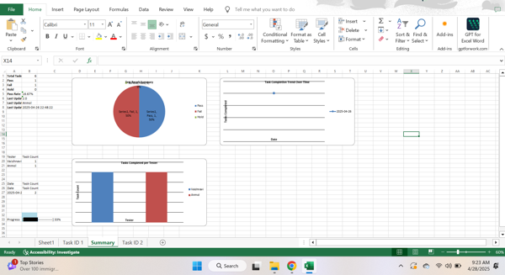

Test Result | Pass
Comment | pass

Subtask | Task 1.1
Navigation | Home > Login > Username
Tester Name | Anmol
Timestamp | 2025-05-04 08:31:05
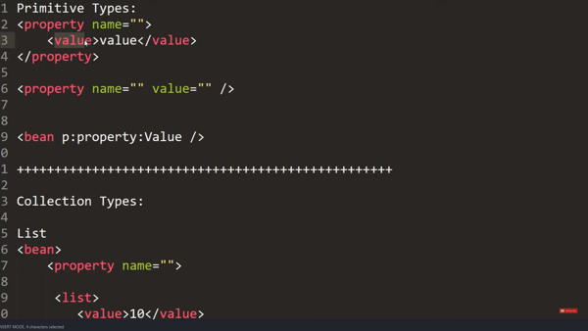

Test Result | Hold
Comment | test

Subtask | Task 1.2
Navigation | Home > Login > Password
Tester Name | Anmol
Timestamp | 2025-05-04 08:31:52
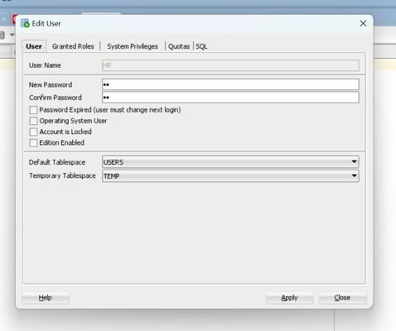

Test Result | Fail
Comment | yep

Summary
Test Result Summary
Total Tasks | 13
Pass | 4
Fail | 2
Hold | 3
Pass Rate | 30.77%
Last Updated Task ID | 5.1
Last Updated By | John
Last Updated On | 2025-05-04 16:52:19

Progress | [█████████████-------] 69%

Task Completion Over Time
Date | Test Count
2025-05-04 | 9

Tasks Completed Per Tester

Tester Name | Test Count
Anmol | 3
Vaishnavi | 2
John | 2
Yash | 1
Paul | 1

Task ID 3
Subtask | Task 3.0
Navigation | Home > Dashboard
Tester Name | Vaishnavi
Timestamp | 2025-05-04 08:29:11
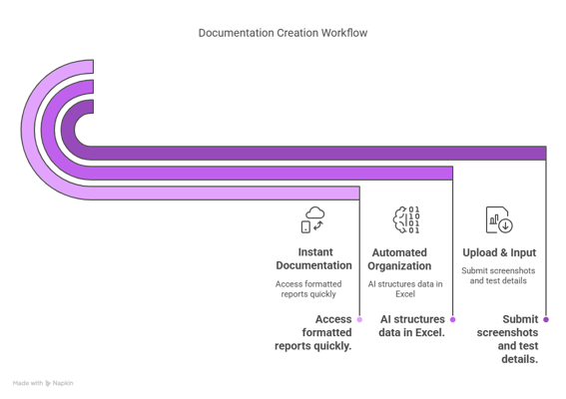

Test Result | Fail
Comment | fail

Subtask | Task 3.1
Navigation | Home > Dashboard
Tester Name | Vaishnavi
Timestamp | 2025-05-04 08:34:51
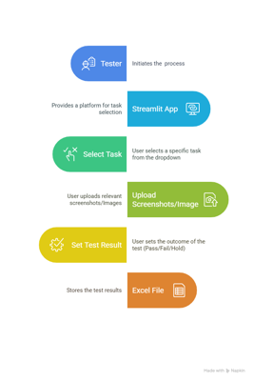

Test Result | Pass
Comment | Passed

Task ID 4
Subtask | Task 4.0
Navigation | No Navigation
Tester Name | Paul
Timestamp | 2025-05-04 08:30:23


Test Result | Hold
Comment | hold

Task ID 5
Subtask | Task 5.0
Navigation | Home > Help > FAQ
Tester Name | John
Timestamp | 2025-05-04 11:13:52
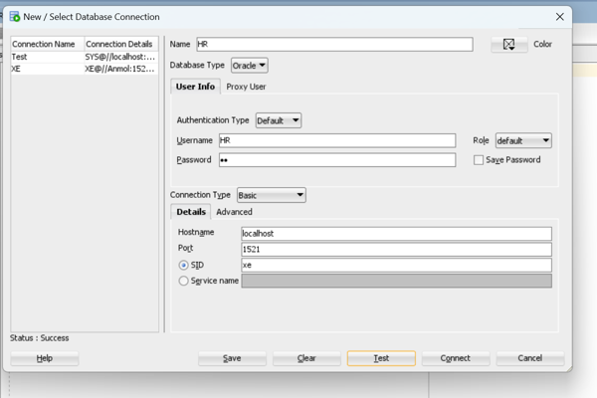

Test Result | Pass
Comment | trst

Subtask | Task 5.1
Navigation | Settings > Notifications > Opt-In
Tester Name | John
Timestamp | 2025-05-04 16:52:19

Test Result | Pass
Comment | test

