Supp Figure 1
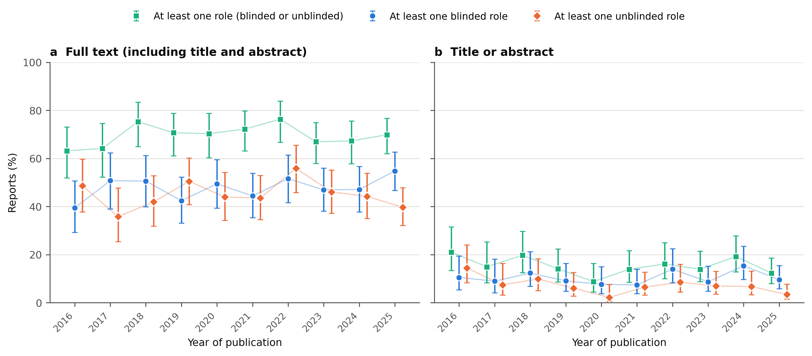
Supplementary Figure 1. Yearly percentage of trial reports labeled "open label" that specified at least one role (blinded or unblinded), at least one blinded role, or at least one unblinded role in the full text (a) and in the title or abstract (b). Points show observed yearly percentages; error bars show Wilson 95% confidence intervals. Underlying numbers: Supplementary Table 6.

Supp Figure 2
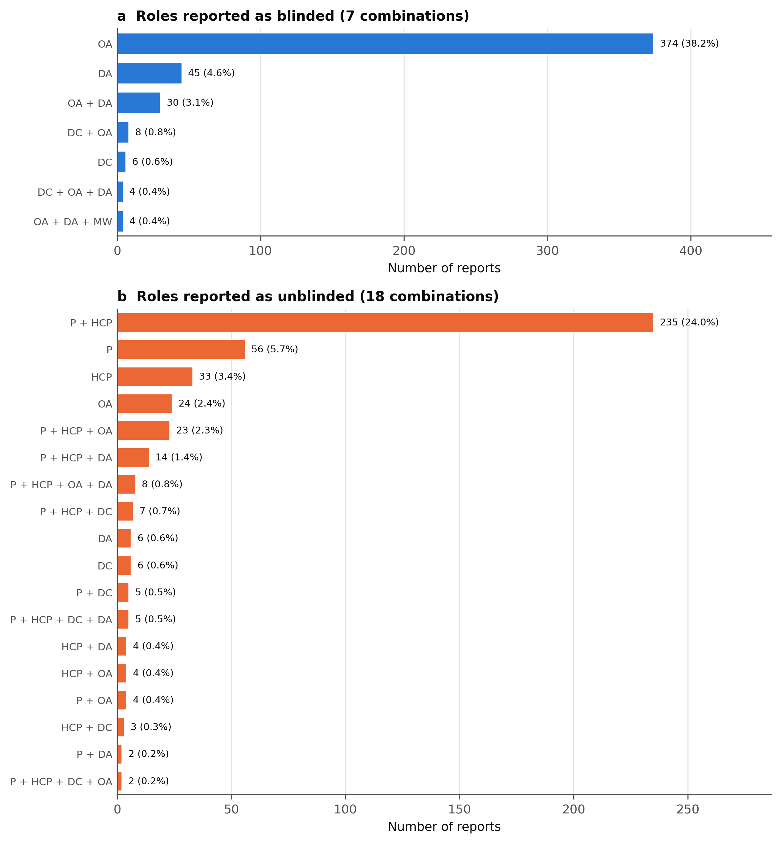
Supplementary Figure 2. Combinations of roles reported as blinded (a) or unblinded (b) in the full text of trial reports labeled "open label." Percentages use all 980 reports as the denominator. P, participants; HCP, health care providers; DC, data collectors; OA, outcome assessors; DA, data analysts; MW, manuscript writers. Underlying numbers: Supplementary Tables 3 and 4.

Supp Figure 3
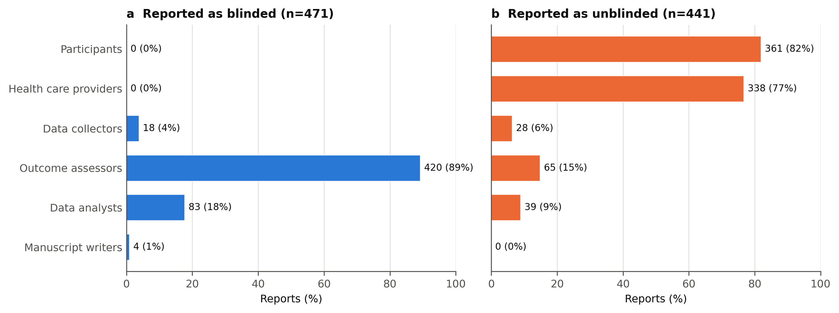
Supplementary Figure 3. Role groups reported as blinded (a; n=471 reports naming at least one blinded role) or unblinded (b; n=441 reports naming at least one unblinded role) in the full text of trial reports labeled "open label." Values are numbers (percentages) of reports. Underlying numbers: Supplementary Table 2.

