Sheet2
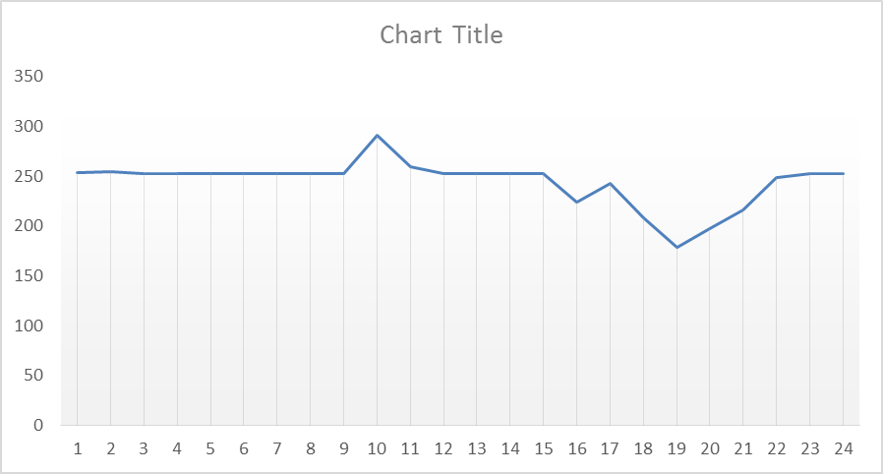
 | V_in | V_r1 | V_r2 | V_out | Pb_rated | P_VDM_rat | P_gen_ra | E_tank | pres_max | pres_min | E_tk_initial
Capacity | 1.5 | 6.5 | 8.78 | 13.5 | 627 | 374 | 250 | 8 | 1.5 | 1663.5532333 | 555
 | wind_spd | Pb_cal | Pvdm_gap | Pvdm_need | Pb_ref | Pvdm_ref | Pgen_ref | E_tank | CVT_ratio | gama_ref | gama_ratio | Cp_ref | beta_ref | numda_ref | H_ref | dlt_ref | omg1shaft | Tq_gen | omg2shaft | Tq_VDM |  |  | P_gen_compare | V_r1 | V_r2 | P_gen_ra
Records | 9.6 | 627 | 374 | 374 | 462 | 210 | 253 | 582 | 1.841 | 4.003 | 4.114 | 0.29229 | 7.5 | 6 | 1.8000 | 0.71864 | 188 | 1341 | 102 | 2052 | -0.002 | 1，已确认转速比全对 | 253 | 6.5 | 8.78 | 250
No2 | 9.2 | 627 | 374 | 374 | 471 | 219 | 253 | 610 | 1.934 | 4.116 | 4.231 | 0.33729 | 6 | 6.6 | 1.7955 | 0.73042 | 199 | 1272 | 103 | 2132 | 0.003 | 2，已确认电机功率全对 | 253 | 6.5 | 8.78 | 250
No3 | 8.8 | 627 | 374 | 374 | 482 | 230 | 253 | 640 | 2.097 | 4.228 | 4.352 | 0.39483 | 4.1 | 7.5 | 1.8000 | 0.74613 | 216 | 1170 | 103 | 2230 | -0.010 | 3，已确认VDM功率全对 | 253 | 6.5 | 8.78 | 250
No4 | 8.4 | 549 | 296 | 296 | 494 | 242 | 253 | 672 | 2.259 | 4.362 | 4.479 | 0.46701 | 1.7 | 8.5 | 1.8000 | 0.76184 | 233 | 1082 | 103 | 2339 | 0.004 | 4，已确认功率平衡全对 | 253 | 6.5 | 8.78 | 250
No5 | 8.0 | 474 | 221 | 221 | 473 | 220 | 253 | 700 | 2.182 | 4.474 | 4.593 | 0.51732 | 0 | 8.8 | 1.6560 | 0.69900 | 230 | 1097 | 106 | 2088 | 0.001 |  | 253 | 6.5 | 8.78 | 250
No6 | 7.6 | 406 | 153 | 153 | 405 | 152 | 253 | 720 | 1.967 | 4.592 | 4.671 | 0.51732 | 0 | 8.8 | 1.2150 | 0.49873 | 219 | 1155 | 111 | 1371 | 0.002 |  | 253 | 6.5 | 8.78 | 250
No7 | 7.2 | 344 | 92 | 92 | 349 | 96 | 253 | 732 | 1.778 | 4.669 | 4.720 | 0.51732 | 0 | 8.8 | 0.7785 | 0.31416 | 207 | 1219 | 117 | 825 | 0.004 | 7，Cp计算对应摆角已解决 | 253 | 6.5 | 8.78 | 250
No8 | 6.8 | 290 | 37 | 37 | 293 | 41 | 253 | 738 | 1.605 | 4.716 | 4.741 | 0.51732 | 0 | 8.8 | 0.3240 | 0.12959 | 196 | 1291 | 122 | 333 | 0.010 | 8，两种gama错位了，调整位置之后已经解决 | 253 | 6.5 | 8.78 | 250
No9 | 6.4 | 241 | -12 | -12 | 241 | -12 | 252 | 734 | 1.495 | 4.731 | 4.727 | 0.51732 | 0 | 8.8 | 0.2160 | 0.08639 | 184 | 1371 | 123 | -94 | -0.001 |  | 241 | 6.5 | 8.78 | 250
No10 | 6.0 | 198 | -55 | -55 | 198 | -54 | 252 | 717 | 1.516 | 4.728 | 4.661 | 0.51732 | 0 | 8.8 | 1.0125 | 0.41626 | 173 | 1461 | 114 | -477 | -0.001 |  | 198 | 6.5 | 8.78 | 250
No11 | 5.6 | 160 | -92 | -92 | 160 | -93 | 253 | 689 | 1.506 | 4.663 | 4.548 | 0.51732 | 0 | 8.8 | 1.5840 | 0.67937 | 161 | 1570 | 107 | -866 | 0.002 |  | 160 | 6.5 | 8.78 | 250
No12 | 5.2 | 128 | -125 | -125 | 128 | -108 | 236 | 656 | 1.437 | 4.546 | 4.415 | 0.51732 | 0 | 8.8 | 1.7910 | 0.77754 | 150 | 1579 | 104 | -1042 | 0.000 |  | 128 | 6.5 | 8.78 | 250
No13 | 5.6 | 160 | -92 | -92 | 160 | -93 | 254 | 627 | 1.535 | 4.415 | 4.298 | 0.51732 | 0 | 8.8 | 1.6830 | 0.70686 | 161 | 1575 | 105 | -890 | 0.004 |  | 160 | 6.5 | 8.78 | 250
No14 | 6.0 | 198 | -55 | -55 | 198 | -55 | 253 | 610 | 1.551 | 4.294 | 4.229 | 0.51732 | 0 | 8.8 | 1.1475 | 0.45160 | 173 | 1468 | 111 | -498 | -0.007 |  | 198 | 6.5 | 8.78 | 250
No15 | 6.4 | 241 | -12 | -12 | 241 | -13 | 254 | 606 | 1.506 | 4.236 | 4.213 | 0.51732 | 0 | 8.8 | 0.2700 | 0.10210 | 184 | 1378 | 122 | -105 | 0.000 |  | 241 | 6.5 | 8.78 | 250
No16 | 6.8 | 290 | 37 | 37 | 289 | 37 | 253 | 611 | 1.611 | 4.213 | 4.232 | 0.51732 | 0 | 8.8 | 0.3330 | 0.12566 | 196 | 1291 | 121 | 304 | 0.001 |  | 253 | 6.5 | 8.78 | 250
No17 | 7.2 | 344 | 92 | 92 | 343 | 90 | 253 | 622 | 1.797 | 4.232 | 4.280 | 0.51430 | 0.1 | 8.8 | 0.8190 | 0.31416 | 207 | 1219 | 115 | 784 | 0.000 |  | 253 | 6.5 | 8.78 | 250
No18 | 7.6 | 406 | 153 | 153 | 405 | 153 | 253 | 642 | 2.003 | 4.281 | 4.361 | 0.51732 | 0 | 8.8 | 1.3140 | 0.52229 | 219 | 1155 | 109 | 1398 | -0.003 |  | 253 | 6.5 | 8.78 | 250
No19 | 8.0 | 474 | 221 | 221 | 473 | 221 | 253 | 671 | 2.201 | 4.364 | 4.476 | 0.51732 | 0 | 8.8 | 1.7010 | 0.71079 | 230 | 1097 | 105 | 2111 | 0.002 |  | 253 | 6.5 | 8.78 | 250
No20 | 8.4 | 549 | 296 | 296 | 503 | 250 | 253 | 703 | 2.274 | 4.474 | 4.606 | 0.47291 | 1.5 | 8.6 | 1.7910 | 0.76969 | 236 | 1069 | 104 | 2408 | 0.000 |  | 253 | 6.5 | 8.78 | 250
No21 | 8.8 | 627 | 374 | 374 | 514 | 261 | 253 | 737 | 2.177 | 4.605 | 4.739 | 0.42210 | 3.2 | 7.9 | 1.7865 | 0.78147 | 227 | 1111 | 104 | 2502 | -0.001 |  | 253 | 6.5 | 8.78 | 250
No22 | 9.2 | 627 | 374 | 374 | 522 | 269 | 253 | 772 | 2.031 | 4.740 | 4.875 | 0.37361 | 4.8 | 7.1 | 1.7685 | 0.78540 | 214 | 1182 | 105 | 2559 | 0.006 |  | 253 | 6.5 | 8.78 | 250
No23 | 9.6 | 627 | 374 | 374 | 528 | 275 | 253 | 808 | 1.925 | 4.870 | 5.013 | 0.33125 | 6.2 | 6.5 | 1.7460 | 0.78540 | 204 | 1238 | 106 | 2595 | 0.005 |  | 253 | 6.5 | 8.78 | 250
No24 | 10.0 | 627 | 374 | 374 | 534 | 281 | 253 | 845 | 1.836 | 5.008 | 5.152 | 0.29823 | 7.3 | 6 | 1.7235 | 0.78540 | 196 | 1287 | 107 | 2633 | 0.500 |  | 253 | 6.5 | 8.78 | 250
 |  |  |  |  |  |  | 6048 | 252 | 100% |  |  |  |  |  |  |  |  |  |  |  |  |  | 5619 | 8%

wind_spd

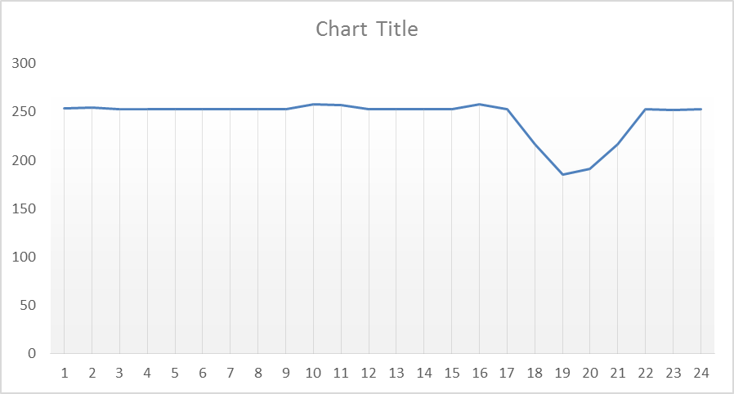
Pitch angle

