Sigmoid
$$\frac{1}{1+e^{−z}}$$
z= | 0 |  | sigmoid(z)= | 0.5

sigmoid(z)

 | z | sigmoid(z)
 | -10 | 4.5397868702E-05
 | -9.8 | 5.5448524723E-05
 | -9.6 | 6.772414962E-05
 | -9.4 | 8.2717222852E-05
 | -9.2 | 0.00010102919391
 | -9 | 0.00012339457599
 | -8.8 | 0.00015071035806
 | -8.6 | 0.00018407190496
 | -8.4 | 0.00022481677023
 | -8.2 | 0.0002745781561
 | -8 | 0.00033535013047
 | -7.8 | 0.00040956716499
 | -7.6 | 0.00050020110708
 | -7.4 | 0.00061087935943
 | -7.2 | 0.00074602883384
 | -7 | 0.0009110511944
 | -6.8 | 0.0011125360329
 | -6.6 | 0.0013585199504
 | -6.4 | 0.0016588010802
 | -6.2 | 0.002025320389
 | -6 | 0.0024726231566
 | -5.8 | 0.0030184163247
 | -5.6 | 0.0036842398994
 | -5.4 | 0.0044962731609
 | -5.2 | 0.0054862988995
 | -5 | 0.0066928509243
 | -4.8 | 0.0081625711532
 | -4.6 | 0.0099518018669
 | -4.4 | 0.012128434984
 | -4.2 | 0.014774031693
 | -4 | 0.017986209962
 | -3.8 | 0.021881270936
 | -3.6 | 0.026596993577
 | -3.4 | 0.032295464698
 | -3.2 | 0.039165722797
 | -3 | 0.047425873178
 | -2.8 | 0.057324175899
 | -2.6 | 0.069138420343
 | -2.4 | 0.083172696494
 | -2.2 | 0.09975048912
 | -2 | 0.11920292202
 | -1.8 | 0.1418510649
 | -1.6 | 0.16798161487
 | -1.4 | 0.19781611144
 | -1.2 | 0.2314752165
 | -1 | 0.26894142137
 | -0.8 | 0.31002551887
 | -0.6 | 0.35434369377
 | -0.4 | 0.40131233989
 | -0.2 | 0.45016600269
 | -2.0539125956E-15 | 0.5
 | 0.2 | 0.54983399731
 | 0.4 | 0.59868766011
 | 0.6 | 0.64565630623
 | 0.8 | 0.68997448113
 | 1 | 0.73105857863
 | 1.2 | 0.7685247835
 | 1.4 | 0.80218388856
 | 1.6 | 0.83201838513
 | 1.8 | 0.8581489351
 | 2 | 0.88079707798
 | 2.2 | 0.90024951088
 | 2.4 | 0.91682730351
 | 2.6 | 0.93086157966
 | 2.8 | 0.9426758241
 | 3 | 0.95257412682
 | 3.2 | 0.9608342772
 | 3.4 | 0.9677045353
 | 3.6 | 0.97340300642
 | 3.8 | 0.97811872906
 | 4 | 0.98201379004
 | 4.2 | 0.98522596831
 | 4.4 | 0.98787156502
 | 4.6 | 0.99004819813
 | 4.8 | 0.99183742885
 | 5 | 0.99330714908
 | 5.2 | 0.9945137011
 | 5.4 | 0.99550372684
 | 5.6 | 0.9963157601
 | 5.8 | 0.99698158368
 | 6 | 0.99752737684
 | 6.2 | 0.99797467961
 | 6.4 | 0.99834119892
 | 6.6 | 0.99864148005
 | 6.8 | 0.99888746397
 | 7 | 0.99908894881
 | 7.2 | 0.99925397117
 | 7.4 | 0.99938912064
 | 7.6 | 0.99949979889
 | 7.8 | 0.99959043284
 | 8 | 0.99966464987
 | 8.2 | 0.99972542184
 | 8.4 | 0.99977518323
 | 8.6 | 0.9998159281
 | 8.8 | 0.99984928964
 | 9 | 0.99987660542
 | 9.2 | 0.99989897081
 | 9.4 | 0.99991728278
 | 9.6 | 0.99993227585
 | 9.8 | 0.99994455148
 | 10 | 0.99995460213

Tanh
$$\frac{e^{z}−e^{−z}}{e^{z}+e^{−z}}$$
z= | 0 | tanh(z)= | 0

tanh(z)

z | tanh(z)
-10 | -0.99999999588
-9.8 | -0.99999999385
-9.6 | -0.99999999083
-9.4 | -0.99999998631
-9.2 | -0.99999997958
-9 | -0.99999996954
-8.8 | -0.99999995456
-8.6 | -0.99999993221
-8.4 | -0.99999989887
-8.2 | -0.99999984913
-8 | -0.99999977493
-7.8 | -0.99999966423
-7.6 | -0.9999994991
-7.4 | -0.99999925274
-7.2 | -0.99999888522
-7 | -0.99999833694
-6.8 | -0.99999751901
-6.6 | -0.9999962988
-6.4 | -0.99999447847
-6.2 | -0.99999176286
-6 | -0.99998771165
-5.8 | -0.99998166799
-5.6 | -0.99997265198
-5.4 | -0.99995920183
-5.2 | -0.99993913689
-5 | -0.99990920426
-4.8 | -0.9998645517
-4.6 | -0.99979794161
-4.4 | -0.99969857928
-4.2 | -0.99955036646
-4 | -0.99932929974
-3.8 | -0.99899959779
-3.6 | -0.99850794233
-3.4 | -0.99777492793
-3.2 | -0.99668239784
-3 | -0.99505475369
-2.8 | -0.9926315202
-2.6 | -0.9890274022
-2.4 | -0.98367485769
-2.2 | -0.97574313003
-2 | -0.96402758008
-1.8 | -0.94680601285
-1.6 | -0.92166855441
-1.4 | -0.8853516482
-1.2 | -0.83365460701
-1 | -0.76159415596
-0.8 | -0.66403677027
-0.6 | -0.537049567
-0.4 | -0.37994896226
-0.2 | -0.19737532022
-2.0539125956E-15 | -1.9984014443E-15
0.2 | 0.19737532022
0.4 | 0.37994896226
0.6 | 0.537049567
0.8 | 0.66403677027
1 | 0.76159415596
1.2 | 0.83365460701
1.4 | 0.8853516482
1.6 | 0.92166855441
1.8 | 0.94680601285
2 | 0.96402758008
2.2 | 0.97574313003
2.4 | 0.98367485769
2.6 | 0.9890274022
2.8 | 0.9926315202
3 | 0.99505475369
3.2 | 0.99668239784
3.4 | 0.99777492793
3.6 | 0.99850794233
3.8 | 0.99899959779
4 | 0.99932929974
4.2 | 0.99955036646
4.4 | 0.99969857928
4.6 | 0.99979794161
4.8 | 0.9998645517
5 | 0.99990920426
5.2 | 0.99993913689
5.4 | 0.99995920183
5.6 | 0.99997265198
5.8 | 0.99998166799
6 | 0.99998771165
6.2 | 0.99999176286
6.4 | 0.99999447847
6.6 | 0.9999962988
6.8 | 0.99999751901
7 | 0.99999833694
7.2 | 0.99999888522
7.4 | 0.99999925274
7.6 | 0.9999994991
7.8 | 0.99999966423
8 | 0.99999977493
8.2 | 0.99999984913
8.4 | 0.99999989887
8.6 | 0.99999993221
8.8 | 0.99999995456
9 | 0.99999996954
9.2 | 0.99999997958
9.4 | 0.99999998631
9.6 | 0.99999999083
9.8 | 0.99999999385
10 | 0.99999999588

Relu
z= |  | Relu= | max(0,z) | 0

Relu(z)
z | Relu(z)
-10 | 0
-9.8 | 0
-9.6 | 0
-9.4 | 0
-9.2 | 0
-9 | 0
-8.8 | 0
-8.6 | 0
-8.4 | 0
-8.2 | 0
-8 | 0
-7.8 | 0
-7.6 | 0
-7.4 | 0
-7.2 | 0
-7 | 0
-6.8 | 0
-6.6 | 0
-6.4 | 0
-6.2 | 0
-6 | 0
-5.8 | 0
-5.6 | 0
-5.4 | 0
-5.2 | 0
-5 | 0
-4.8 | 0
-4.6 | 0
-4.4 | 0
-4.2 | 0
-4 | 0
-3.8 | 0
-3.6 | 0
-3.4 | 0
-3.2 | 0
-3 | 0
-2.8 | 0
-2.6 | 0
-2.4 | 0
-2.2 | 0
-2 | 0
-1.8 | 0
-1.6 | 0
-1.4 | 0
-1.2 | 0
-1 | 0
-0.8 | 0
-0.6 | 0
-0.4 | 0
-0.2 | 0
-2.0539125956E-15 | 0
0.2 | 0.2
0.4 | 0.4
0.6 | 0.6
0.8 | 0.8
1 | 1
1.2 | 1.2
1.4 | 1.4
1.6 | 1.6
1.8 | 1.8
2 | 2
2.2 | 2.2
2.4 | 2.4
2.6 | 2.6
2.8 | 2.8
3 | 3
3.2 | 3.2
3.4 | 3.4
3.6 | 3.6
3.8 | 3.8
4 | 4
4.2 | 4.2
4.4 | 4.4
4.6 | 4.6
4.8 | 4.8
5 | 5
5.2 | 5.2
5.4 | 5.4
5.6 | 5.6
5.8 | 5.8
6 | 6
6.2 | 6.2
6.4 | 6.4
6.6 | 6.6
6.8 | 6.8
7 | 7
7.2 | 7.2
7.4 | 7.4
7.6 | 7.6
7.8 | 7.8
8 | 8
8.2 | 8.2
8.4 | 8.4
8.6 | 8.6
8.8 | 8.8
9 | 9
9.2 | 9.2
9.4 | 9.4
9.6 | 9.6
9.8 | 9.8
10 | 10

Leaky Relu
 | z= | -10 | Leaky Relu= | max(0.01*z, z) | -0.1

value for leaky relu |  | 0.01

 | z | Leaky Relu(z)
 | -100 | -1
 | -98 | -0.98
 | -96 | -0.96
 | -94 | -0.94
 | -92 | -0.92
 | -90 | -0.9
 | -88 | -0.88
 | -86 | -0.86
 | -84 | -0.84
 | -82 | -0.82
 | -80 | -0.8
 | -78 | -0.78
 | -76 | -0.76
 | -74 | -0.74
 | -72 | -0.72
 | -70 | -0.7
 | -68 | -0.68
 | -66 | -0.66
 | -64 | -0.64
 | -62 | -0.62
 | -60 | -0.6
 | -58 | -0.58
 | -56 | -0.56
 | -54 | -0.54
 | -52 | -0.52
 | -50 | -0.5
 | -48 | -0.48
 | -46 | -0.46
 | -44 | -0.44
 | -42 | -0.42
 | -40 | -0.4
 | -38 | -0.38
 | -36 | -0.36
 | -34 | -0.34
 | -32 | -0.32
 | -30 | -0.3
 | -28 | -0.28
 | -26 | -0.26
 | -24 | -0.24
 | -22 | -0.22
 | -20 | -0.2
 | -18 | -0.18
 | -16 | -0.16
 | -14 | -0.14
 | -12 | -0.12
 | -10 | -0.1
 | -8 | -0.08
 | -6 | -0.06
 | -4 | -0.04
 | -2 | -0.02
 | 0 | 0
 | 2 | 2
 | 4 | 4
 | 6 | 6
 | 8 | 8
 | 10 | 10
 | 12 | 12
 | 14 | 14
 | 16 | 16
 | 18 | 18
 | 20 | 20

Backward Propagation
 |  |  |  | hidden layer 1
 | b= | 1 | w
 | input layer |  | 0.7 | 1.78
 |  |  | 1.1 | 0.85569686591
X1= | 0.8
 |  |  |  |  |  | output layer
 |  |  |  |  | 1.5
 |  |  | 1.4 | 2.2 |  | 4.068412669 | in this true class is 1 , so error for this observation is..
X2= | 0.2 |  | 0.4 | 0.90024951088 | 1.1 | 0.983183127
 |  |  |  |  | 0.9 |  | L(0.9831,1)= | 0.0073655832487

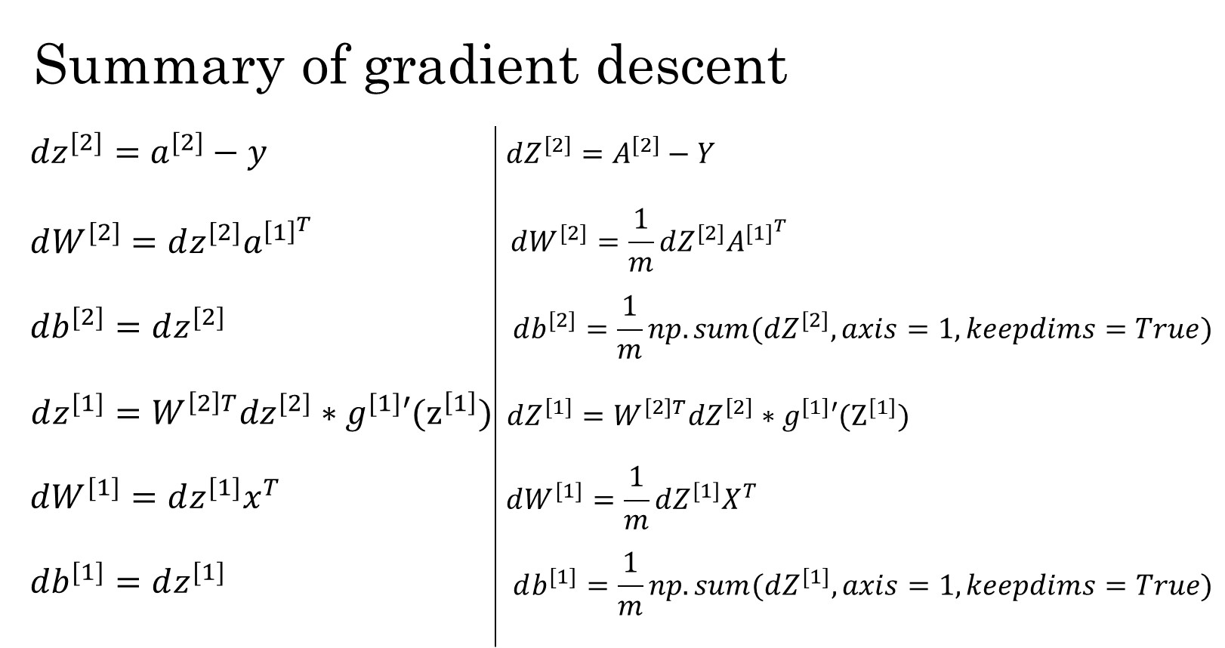
 |  |  | 0.8 |  |  |  | true label | 1
 |  |  | 1.9 |  |  |  | prediction | 0.983183127
 |  |  |  | 2.02
 |  |  |  | 0.88288100912

 |  |  | dZ[2]= | -0.016816873002

 |  |  | dW[2]= | -0.014390145522 | -0.015139381695 | -0.014847297806

 |  |  | db[2]= | -0.016816873002

 |  |  | dZ[1](1)= | -0.0072679008461
 |  |  | dZ[1](2)= | -0.0052855625515
 |  |  | dZ[1](3)= | -0.0060861518771

 |  |  | dW[1](1)= | -0.0058143206768 | -0.0014535801692
 |  |  | dW[1](2)= | -0.0042284500412 | -0.0010571125103
 |  |  | dW[1](3)= | -0.0048689215017 | -0.0012172303754

 |  |  | db[1](1)= | -0.0072679008461
 |  |  | db[1](2)= | -0.0052855625515 |  |  | g`(z)=a*(1-a) derivative for sigmoid function
 |  |  | db[1](3)= | -0.0060861518771

