results
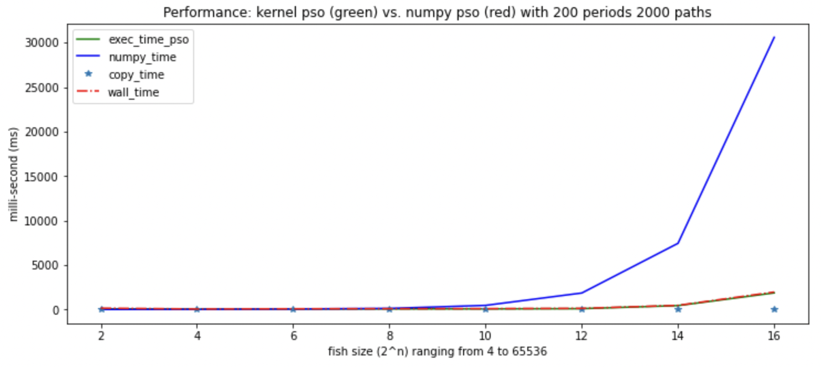

fish size: | 4 | 16 | 64 | 256 | 1024 | 4096 | 16384 | 65536
increase x |  | 400% | 400% | 400% | 400% | 400% | 400% | 400%
kernel runtime in ms:
 | 83.4345 | 67.7029 | 73.8919 | 81.6085 | 84.9994 | 106.344 | 450.689 | 1878.5266
increase x |  | 81% | 109% | 110% | 104% | 125% | 424% | 417%
numpy runtime in ms:
 | 17.556 | 38.4209 | 68.7482 | 136.7853 | 476.3079 | 1866.9152 | 7450.1629 | 30594.7638
increase x |  | 219% | 179% | 199% | 348% | 392% | 399% | 411%

gpu speedup | 0.21 | 0.57 | 0.93 | 1.68 | 5.60 | 17.56 | 16.53 | 16.29

