Sheet1
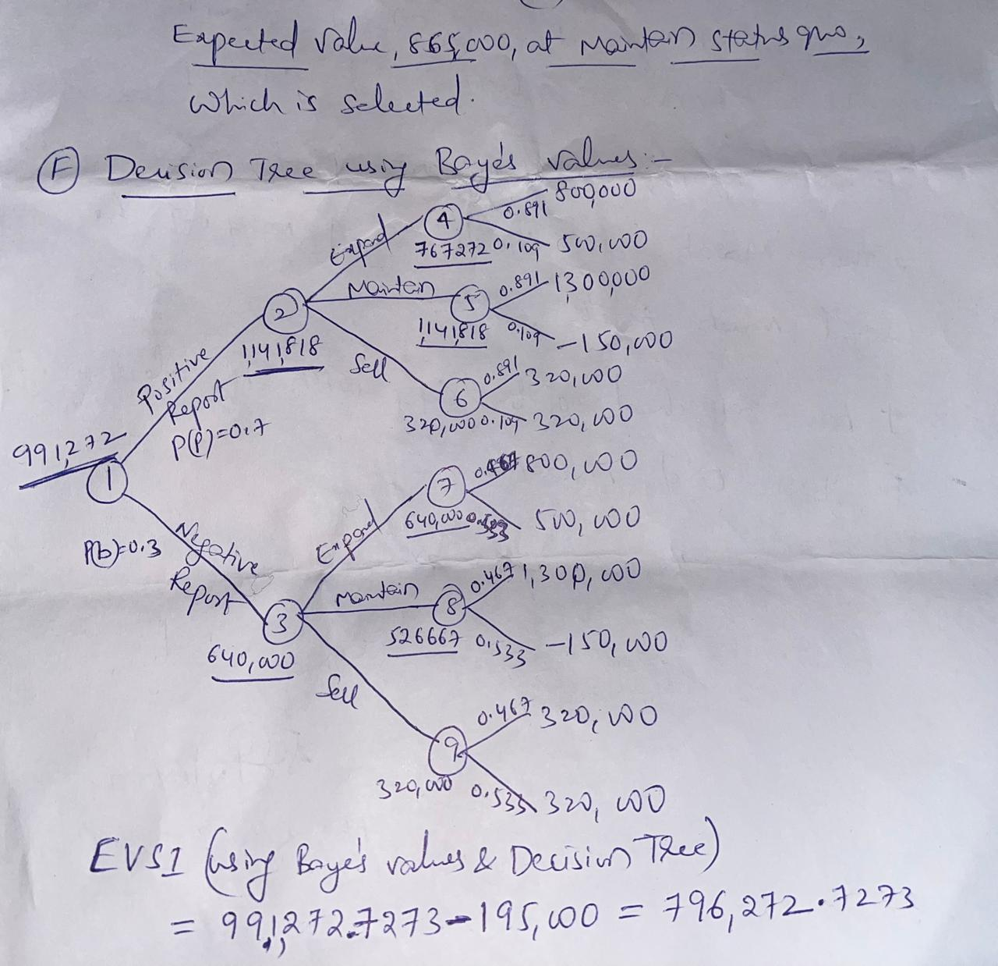
 |  | State of Nature |  | Crieria
A | Decision | Good foreign Competitive Conditions | Bad foreign Competitive Conditions | maximax (maximum from maximum) | maximin (maximum from minimum) | minimax regrtet | Hurwicz alpha=0.3 | Equal Likelihood
 | Expand | 800000 | 500000 |  | Expand(500000) | Expand(500000) | Expand(500000) | Expand(500000)
 | maintain status quo | 1300000 | -150000 | maintain status quo (1300000)
 | sell now | 320000 | 320000

 | minimax regrtet
 | Decision | Good foreign Competitive Conditions | Bad foreign Competitive Conditions
 | Expand | 500000 | 0
 | maintain status quo | 0 | 650000
 | sell now | 980000 | 180000

 | Hurwicz alpha=0.3 |  |  | Equal Likelihood
 | Decision |  |  | Decision
 | Expand | 590000 |  | Expand | 650000
 | maintain status quo | 285000 |  | maintain status quo | 575000
 | sell now | 320000 |  | sell now | 320000

 | Conclusion: Expand

B | Expected Value Using probabilities 0.7,0.3 |  | Expected Opportunity Loss Using probabilities 0.7,0.3
 | Decision | Expected Values |  | Decision | Good foreign Competitive Conditions | Bad foreign Competitive Conditions | Expected Opportunity Loss
 | Expand | 710000 |  | Expand | 500000 | 0 | 350000
 | maintain status quo | 865000 |  | maintain status quo | 0 | 650000 | 195000
 | sell now | 320000 |  | sell now | 980000 | 180000 | 740000

C | Expected Value Of Perfect Information (EVPI) with probabilities: 0.7,0.3
 | Decision with perfect information |  | 1060000
 | Decision without perfect information |  | 865000
 | EVPI |  | 195000
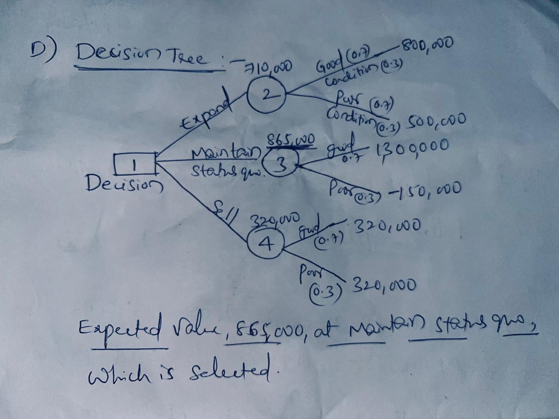
D

E | Posterior probability using Bayes' rule
 | state of nature | Prior probabilities(P(g) and P(b)) | conditional probabilities | Prior probabilities*conditional probabilities | Posterior Probability
 | Good foreign Competitive Conditions | 0.7 | 0.7 | 0.49 | 0.89090909091 | P(g/P)
 | Bad foreign Competitive Conditions | 0.3 | 0.2 | 0.06 | 0.10909090909 | P(b/P)
 |  |  |  | 0.55
 |  | 0.7 | 0.3 | 0.21 | 0.46666666667 | P(g/N)
 |  | 0.3 | 0.8 | 0.24 | 0.53333333333 | P(b/N)
 |  |  |  | 0.45

F |  | State of Nature
 | Decision | Good foreign Competitive Conditions | Bad foreign Competitive Conditions
 | Expand | 800000 | 500000 | 767272.72727 | 640000 | 991272.72727
 | maintain status quo | 1300000 | -150000 | 1141818.1818 | 526666.66667 | EVPI | 796272.72727
 | sell now | 320000 | 320000 | 320000 | 320000

