Sq9
Change only the B2 and B3 cells with a high or a low.
 |  |  |  |  | Date |  |  | Up | Down | Ring
Price | 2134.72 |  | Angle | 170 | 20-May-2015 |  |  |  |  | 23
Date | 20-May-2015 |  | 30 | 200 | 19-Jun-2015 | 1.0 | 0.17 | 2150 | 2119 | 0 | 0
 |  |  | 45 | 215 | 4-Jul-2015 | 1.5 | 0.25 | 2158 | 2112 | 0 | 0
 |  |  | 60 | 230 | 19-Jul-2015 | 2.0 | 0.33 | 2166 | 2104 | 0 | 0
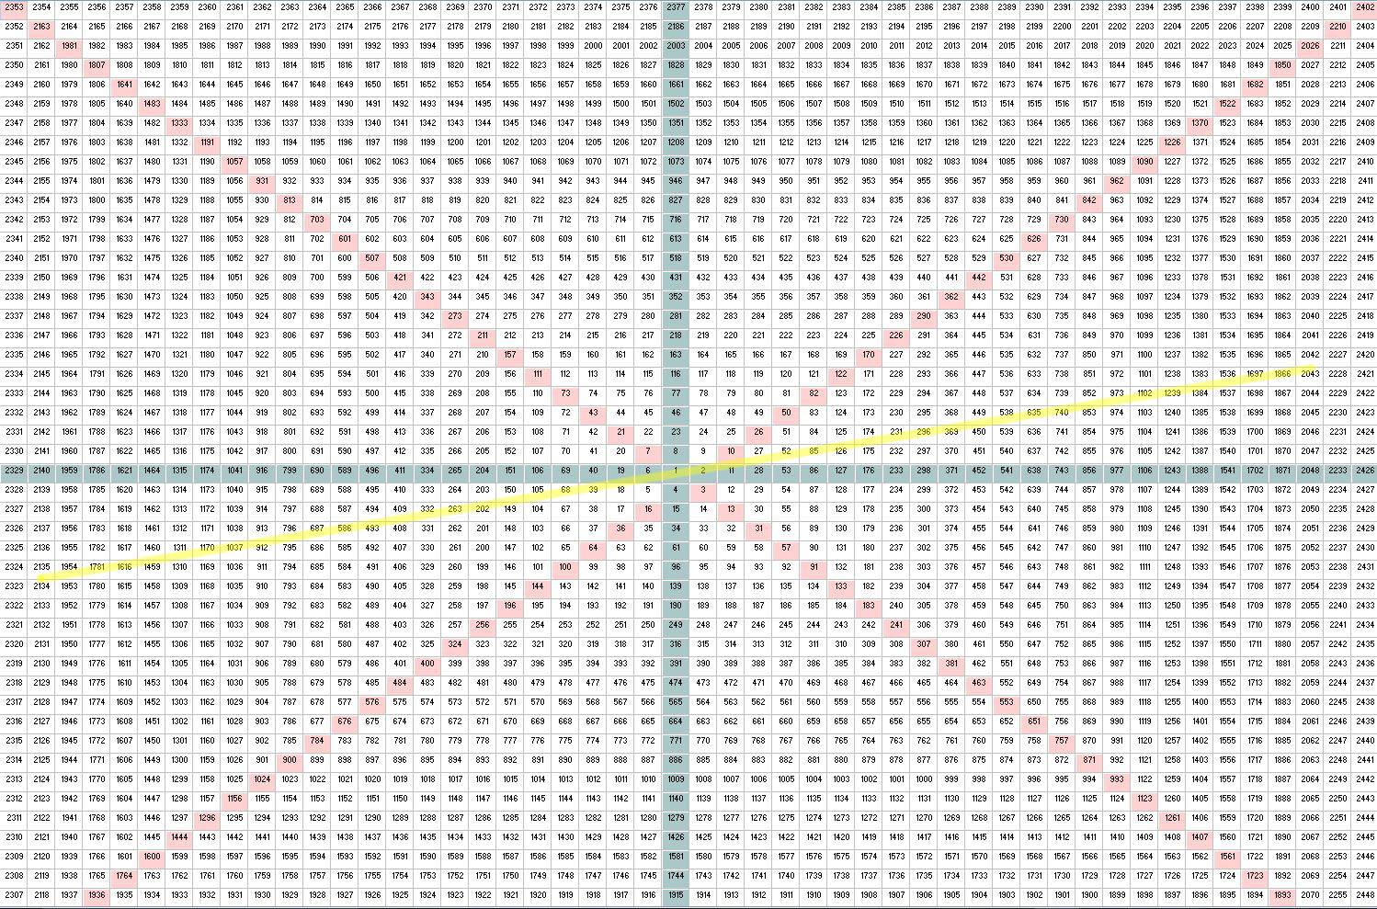
 |  |  | 90 | 260 | 19-Aug-2015 | 3.0 | 0.50 | 2181 | 2089 | 0 | 0
 |  |  | 120 | 290 | 18-Sep-2015 | 4.0 | 0.67 | 2197 | 2074 | 0 | 0
 |  |  | 135 | 305 | 3-Oct-2015 | 4.5 | 0.75 | 2205 | 2066 | 0 | 0
 |  |  | 150 | 320 | 19-Oct-2015 | 5.0 | 0.83 | 2212 | 2058 | 0 | 0
 |  |  | 180 | 350 | 18-Nov-2015 | 6.0 | 1.00 | 2228 | 2043 | 0 | -1 |  | Current Price | 2080.82
 |  |  | 210 | 20 | 19-Dec-2015 | 7.0 | 1.17 | 2244 | 2028 | 1 | -1 |  | Angle | 64
 |  |  | 225 | 35 | 3-Jan-2016 | 7.5 | 1.25 | 2252 | 2021 | 1 | -1 |  | Ring | 23
 |  |  | 240 | 50 | 18-Jan-2016 | 8.0 | 1.33 | 2260 | 2013 | 1 | -1 |  | Current Date | 3-Dec-2015
 |  |  | 270 | 80 | 17-Feb-2016 | 9.0 | 1.50 | 2276 | 1998 | 1 | -1
 |  |  | 300 | 110 | 19-Mar-2016 | 10.0 | 1.67 | 2292 | 1983 | 1 | -1
 |  |  | 315 | 125 | 3-Apr-2016 | 10.5 | 1.75 | 2299 | 1976 | 1 | -1
 |  |  | 330 | 140 | 18-Apr-2016 | 11.0 | 1.83 | 2307 | 1969 | 1 | -1
 |  |  | 360 | 170 | 19-May-2016 | 12.0 | 2.00 | 2324 | 1954 | 1 | -1
 |  | 30 | 390 | 560 | 18-Jun-2016 | 13.0 | 2.17 | 2340 | 1939 | 1 | -1
 |  | 45 | 405 | 575 | 3-Jul-2016 | 13.5 | 2.25 | 2348 | 1932 | 1 | -1
 |  | 60 | 420 | 590 | 19-Jul-2016 | 14.0 | 2.33 | 2356 | 1925 | 1 | -1 |  | 2134.72 | 20-May-2015
 |  | 90 | 450 | 620 | 18-Aug-2016 | 15.0 | 2.50 | 2372 | 1910 | 1 | -1 | 540 | 1867 | 2015-08-24
 |  | 120 | 480 | 650 | 18-Sep-2016 | 16.0 | 2.67 | 2388 | 1895 | 1 | -1 | 225 | 2020 | 2015-09-17
 |  | 135 | 495 | 665 | 3-Oct-2016 | 16.5 | 2.75 | 2396 | 1888 | 1 | -1 | 530 | 1872 | 2015-09-29
 |  | 150 | 510 | 680 | 18-Oct-2016 | 17.0 | 2.83 | 2405 | 1881 | 1 | -1 | 38 | 2116 | 2015-11-03
 |  | 180 | 540 | 710 | 17-Nov-2016 | 18.0 | 3.00 | 2421 | 1867 | 1 | -2 | 222 | 2019 | 2015-11-16
 |  | 210 | 570 | 20 | 18-Dec-2016 | 19.0 | 3.17 | 2437 | 1852 | 2 | -2 | 60 | 2104 | 2015-12-02
 |  | 225 | 585 | 35 | 2-Jan-2017 | 19.5 | 3.25 | 2446 | 1845 | 2 | -2
 |  | 240 | 600 | 50 | 17-Jan-2017 | 20.0 | 3.33 | 2454 | 1838 | 2 | -2
 |  | 270 | 630 | 80 | 17-Feb-2017 | 21.0 | 3.50 | 2470 | 1824 | 2 | -2
 |  | 300 | 660 | 110 | 19-Mar-2017 | 22.0 | 3.67 | 2487 | 1809 | 2 | -2
 |  | 315 | 675 | 125 | 3-Apr-2017 | 22.5 | 3.75 | 2495 | 1802 | 2 | -2
 |  | 330 | 690 | 140 | 19-Apr-2017 | 23.0 | 3.83 | 2504 | 1795 | 2 | -2
 |  | 0 | 720 | 170 | 19-May-2017 | 24.0 | 4.00 | 2520 | 1781 | 2 | -2
 |  | 30 | 750 | 200 | 18-Jun-2017 | 25.0 | 4.17 | 2537 | 1767 | 2 | -2
 |  | 45 | 765 | 215 | 4-Jul-2017 | 25.5 | 4.25 | 2546 | 1760 | 2 | -2
 |  | 60 | 780 | 230 | 19-Jul-2017 | 26.0 | 4.33 | 2554 | 1753 | 2 | -2
 |  | 90 | 810 | 260 | 18-Aug-2017 | 27.0 | 4.50 | 2571 | 1739 | 2 | -2
 |  | 120 | 840 | 290 | 18-Sep-2017 | 28.0 | 4.67 | 2588 | 1725 | 2 | -2
 |  | 135 | 855 | 305 | 3-Oct-2017 | 28.5 | 4.75 | 2596 | 1718 | 2 | -2
 |  | 150 | 870 | 320 | 18-Oct-2017 | 29.0 | 4.83 | 2605 | 1711 | 2 | -2
 |  | 180 | 900 | 350 | 18-Nov-2017 | 30.0 | 5.00 | 2622 | 1698 | 2 | -3
 |  | 210 | 930 | 380 | 18-Dec-2017 | 31.0 | 5.17 | 2639 | 1684 | 3 | -3
 |  | 225 | 945 | 395 | 2-Jan-2018 | 31.5 | 5.25 | 2647 | 1677 | 3 | -3
 |  | 240 | 960 | 410 | 18-Jan-2018 | 32.0 | 5.33 | 2656 | 1670 | 3 | -3
 |  | 270 | 990 | 440 | 17-Feb-2018 | 33.0 | 5.50 | 2673 | 1657 | 3 | -3
 |  | 300 | 1020 | 470 | 19-Mar-2018 | 34.0 | 5.67 | 2690 | 1643 | 3 | -3
 |  | 315 | 1035 | 485 | 4-Apr-2018 | 34.5 | 5.75 | 2699 | 1636 | 3 | -3
 |  | 330 | 1050 | 500 | 19-Apr-2018 | 35.0 | 5.83 | 2708 | 1630 | 3 | -3
 |  | 0 | 1080 | 530 | 19-May-2018 | 36.0 | 6.00 | 2725 | 1616 | 3 | -3

