Dashboard
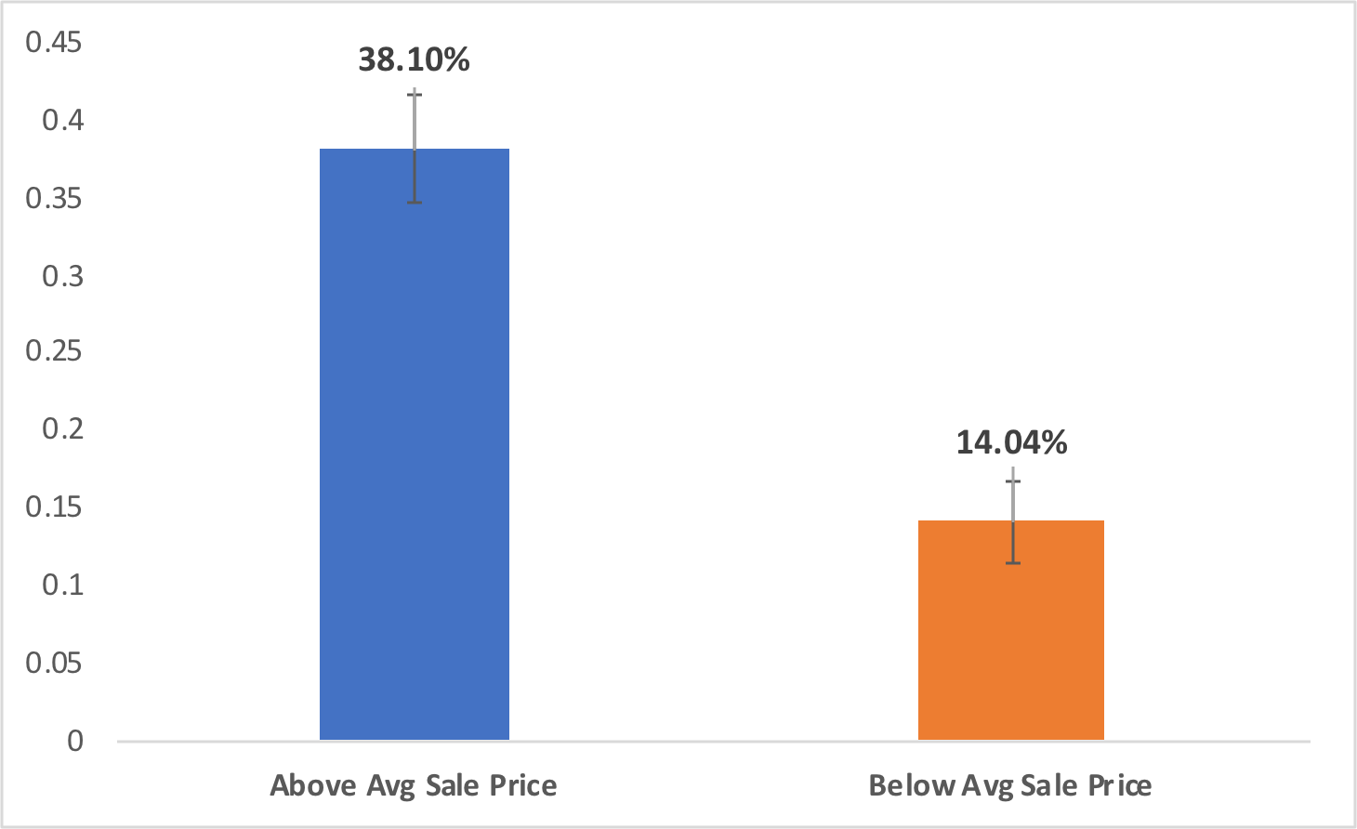
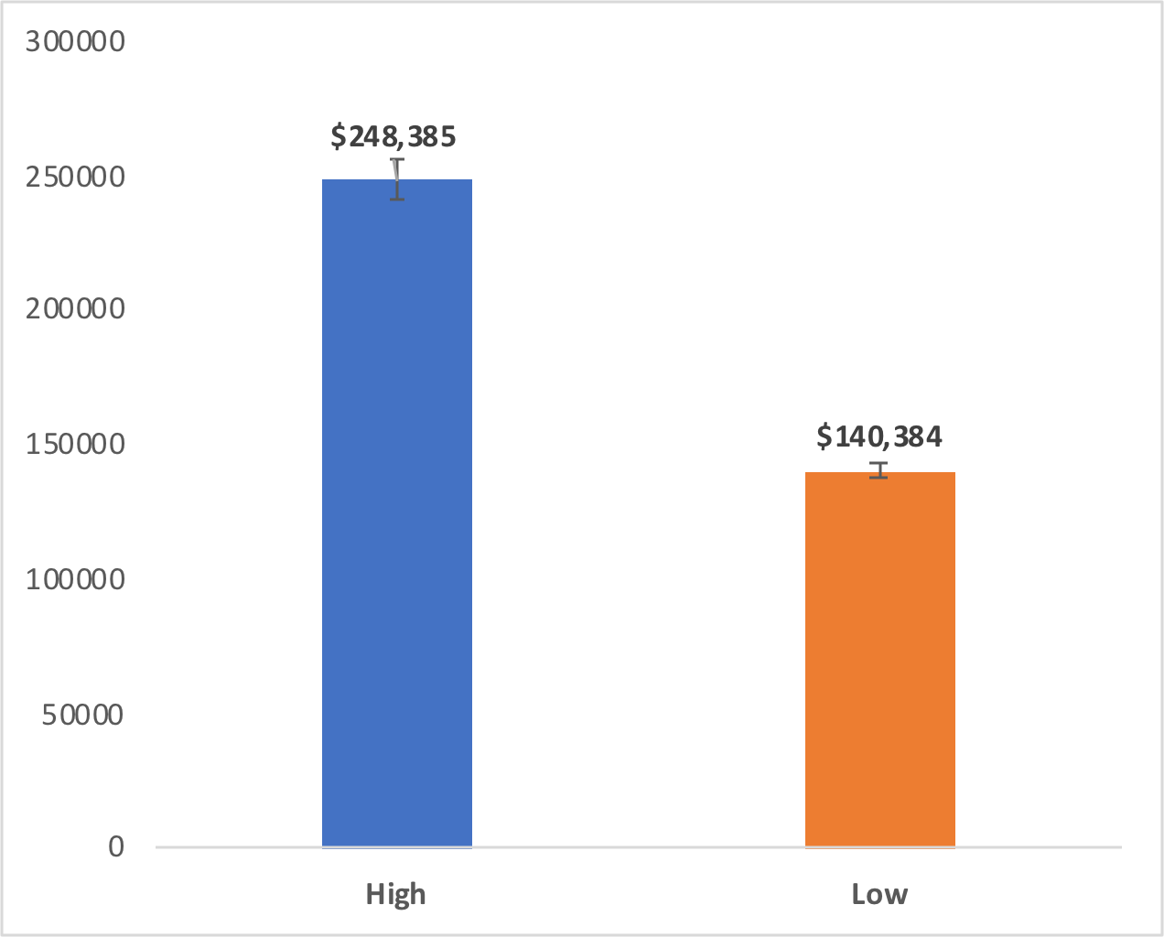
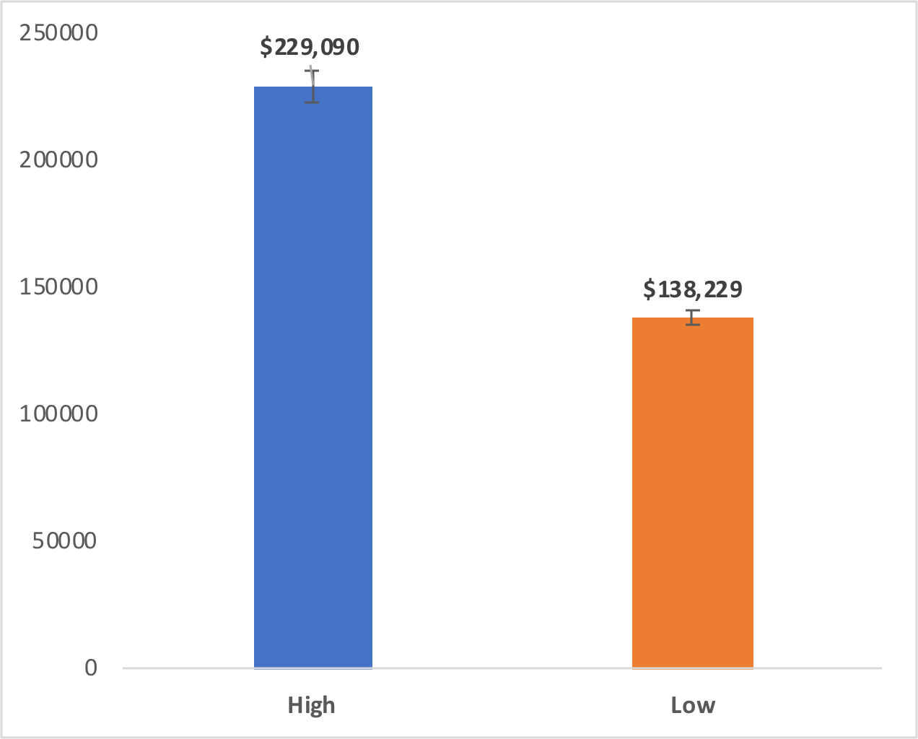
Housing Factors Affecting Sale Price Dashboard

Lot Frontage | House Style | Neighborhood

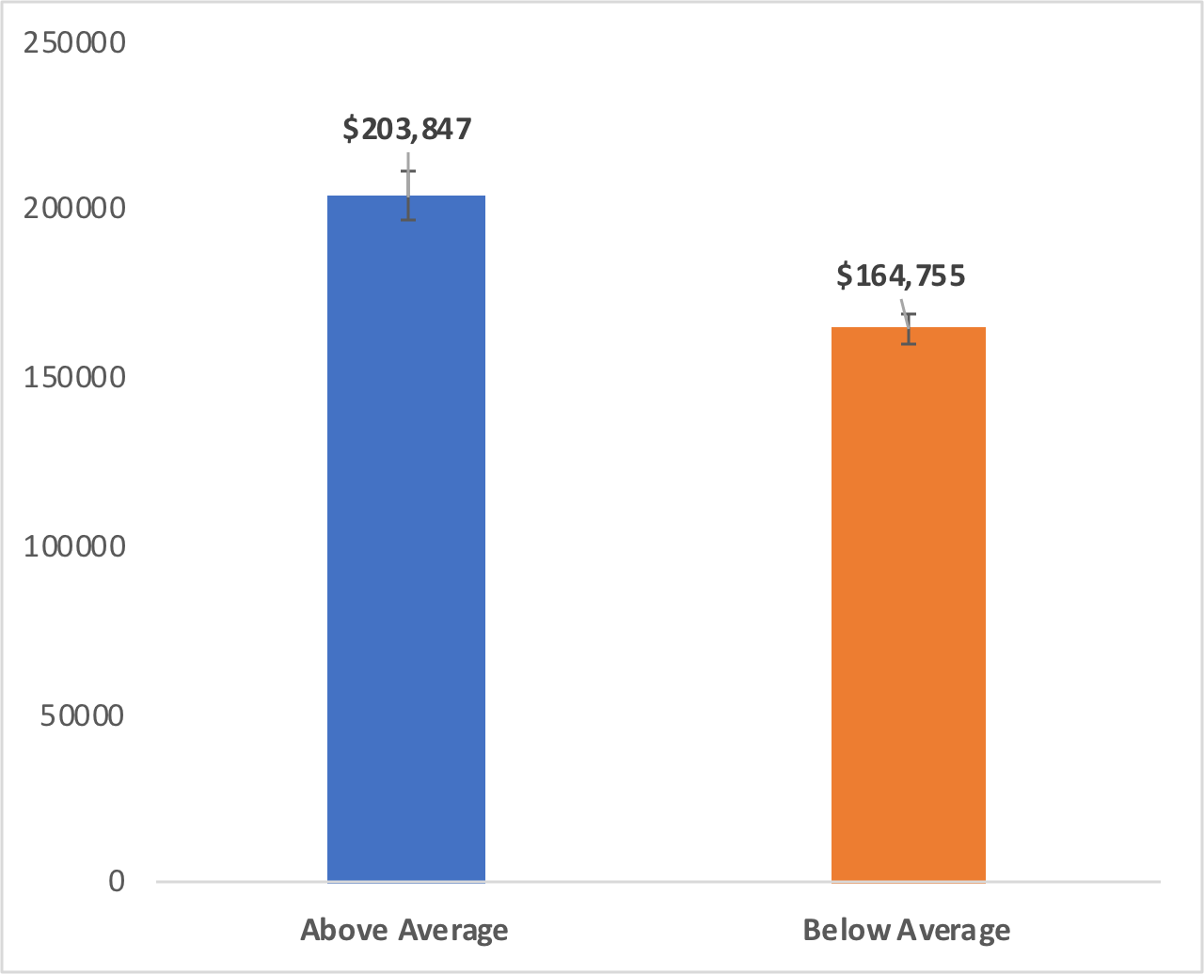
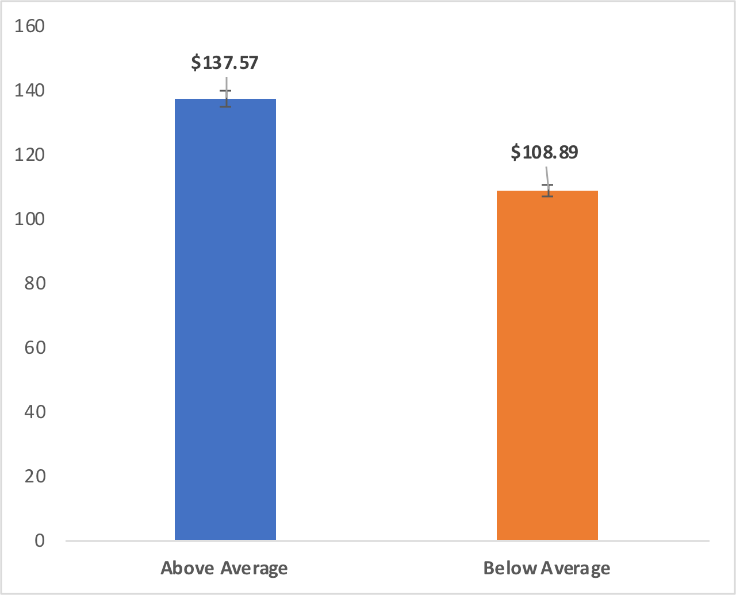

Living Area | Lot Area | Total Basement Square Footage

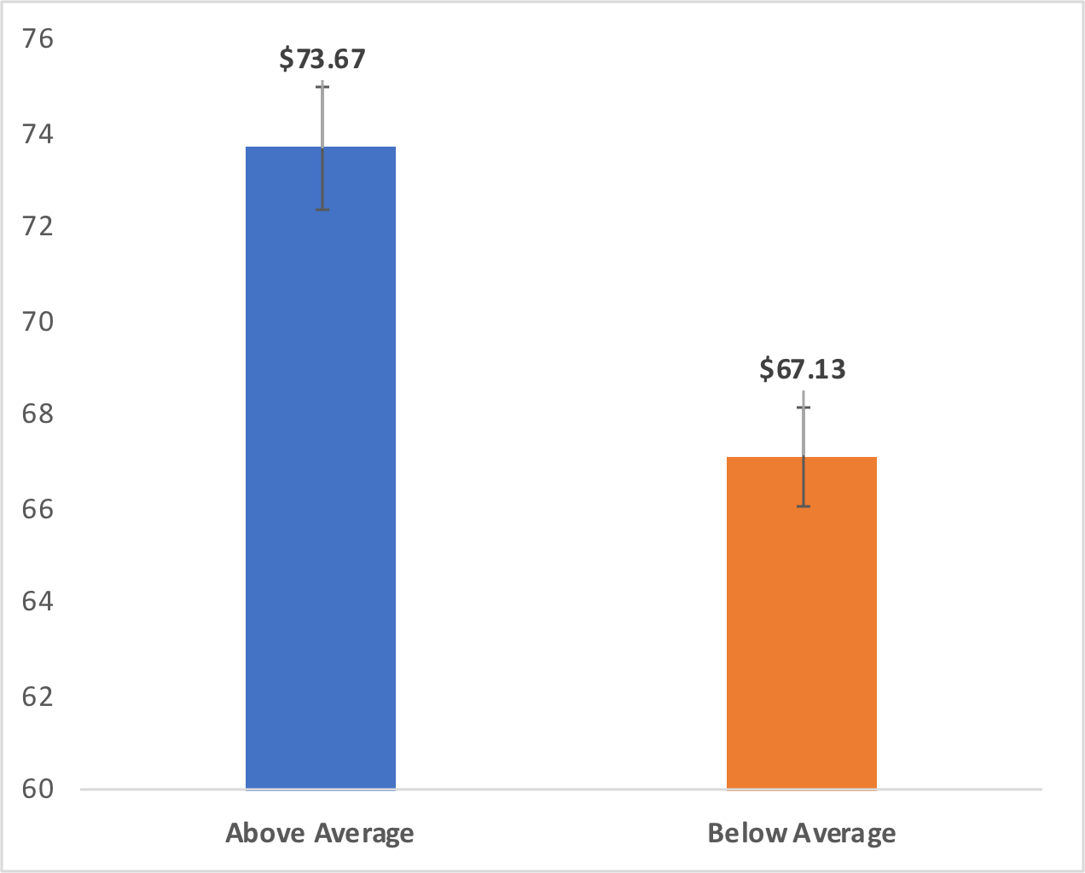
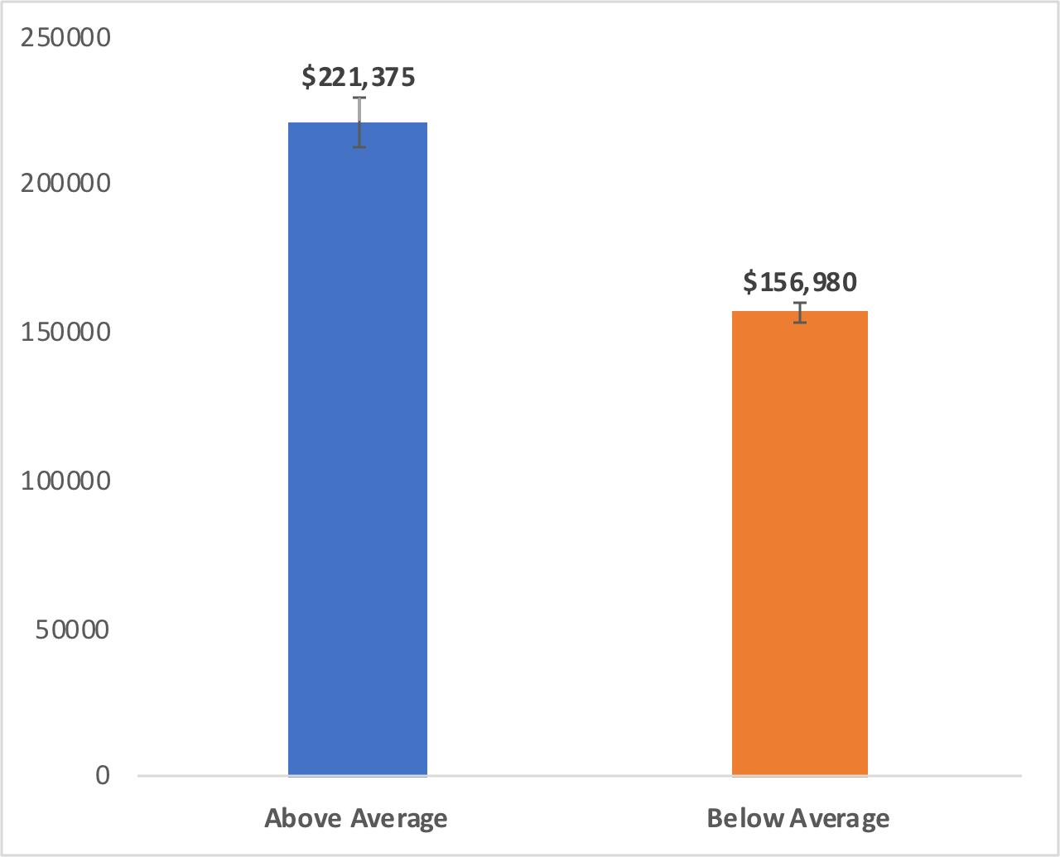
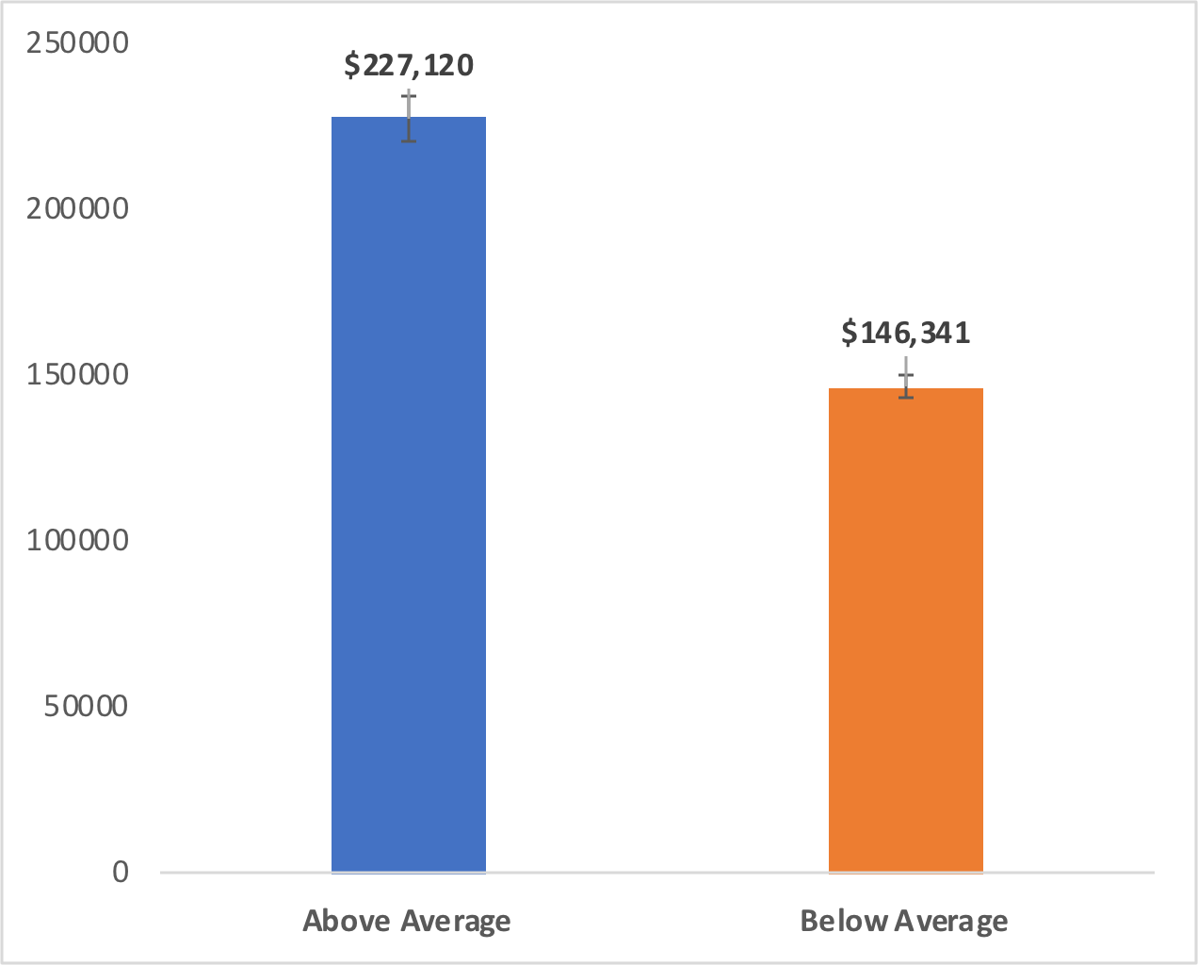

Total Rooms | Overall Condition | Garage Area

 | Count of Id | Average of SalePrice
 | 1 | $39,300
 | 17 | $111,218
 | 97 | $122,845
 | 275 | $141,551
 | 402 | $161,303
 | 329 | $196,667
 | 187 | $213,428
 | 75 | $252,988
 | 47 | $296,279
 | 18 | $318,022
 | 11 | $280,971
 | 1 | $200,000
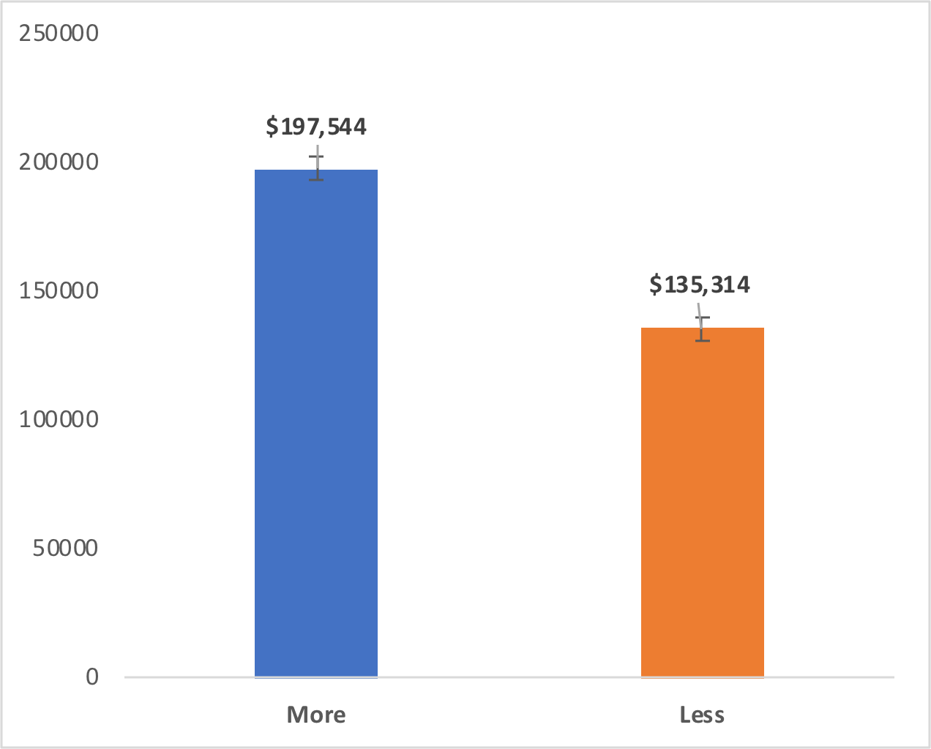
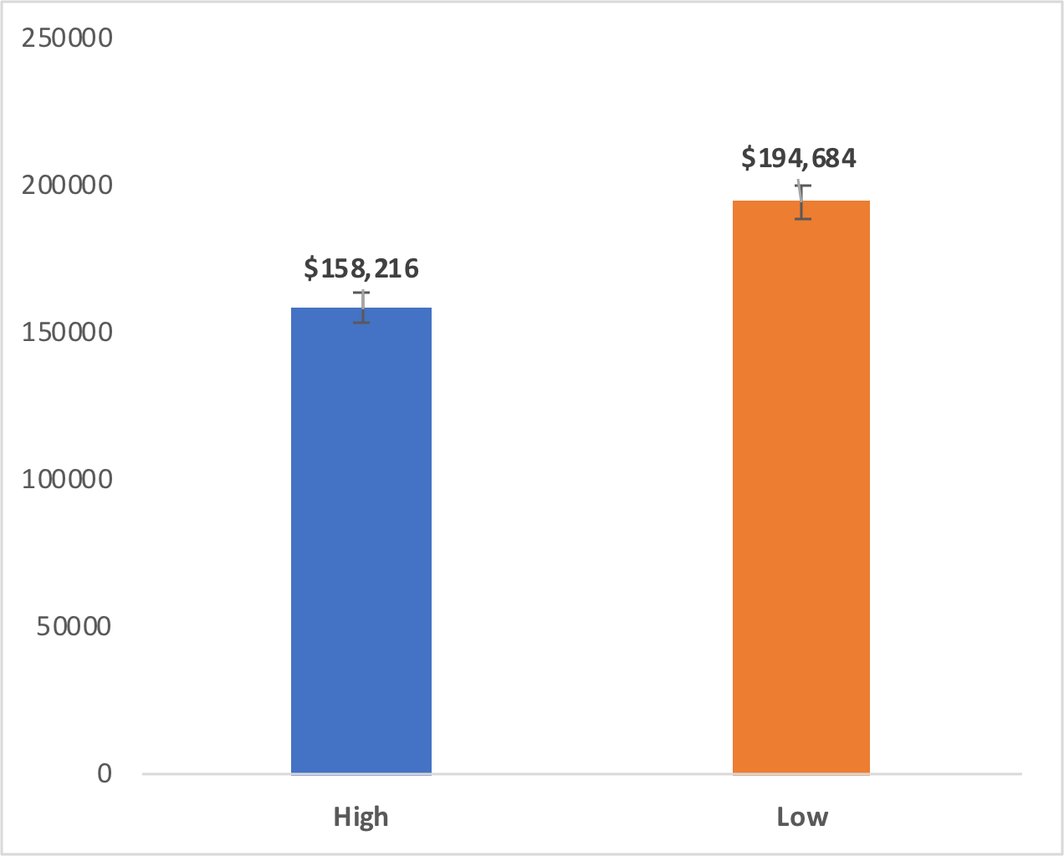
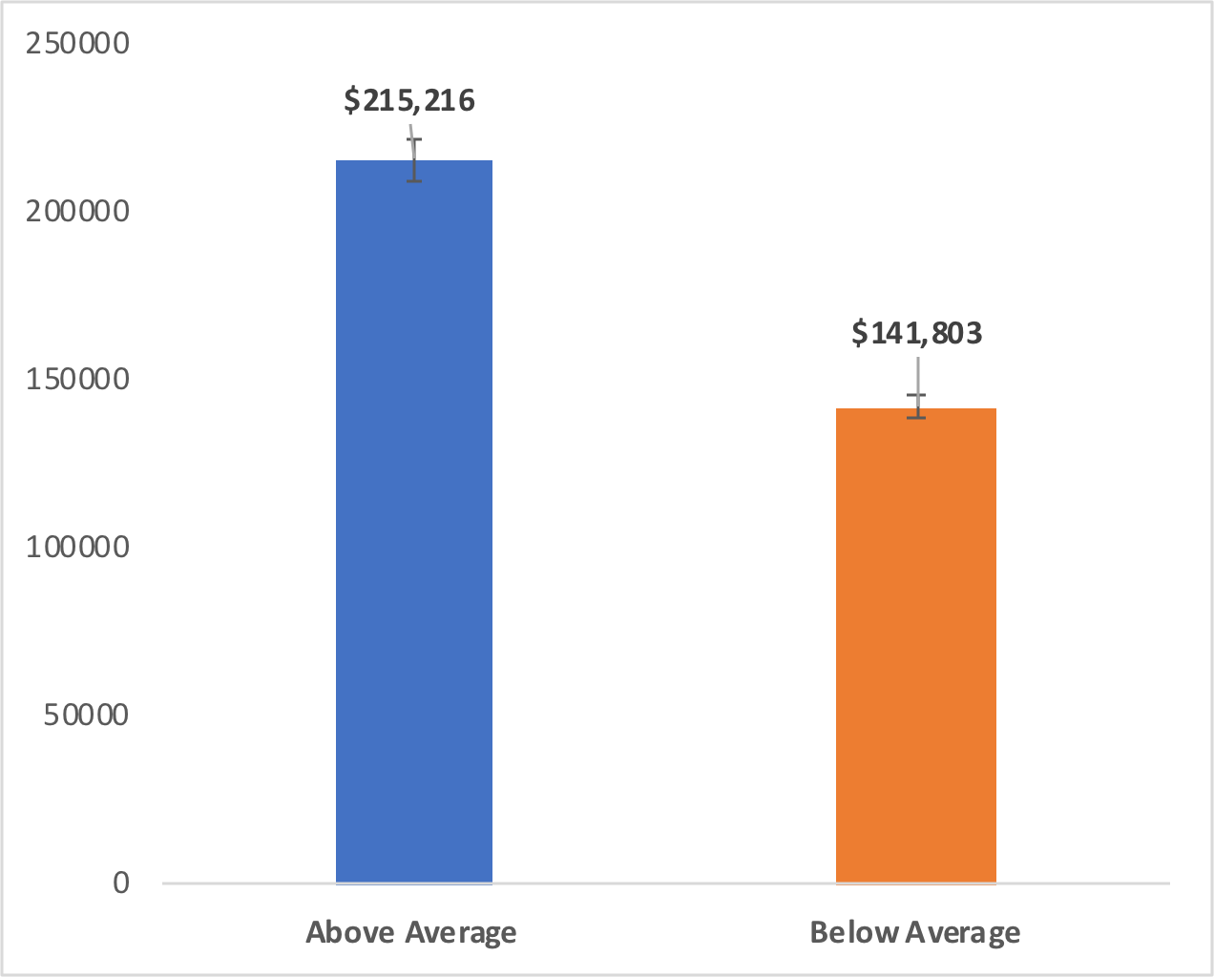

Year Built | Overall Quality | Kitchen Quality

Z-test YearBuilt
Year Built
 |  |  | Below Average
Reject the null at 9.20E -27 that houses having been Built Before 1954 have no effect on Average Sale Price With 95% confidence homes in having been Built Before 1954 will be 19.74% to 28.37% more likely to have an Above Average Sale Price SF than a Below Average Sale Price Per SF. Homes with a Above Average Sale Price will have been Built Before 1954 on 34.62% to 41.58% of occasions, while those with a Below Average Sale Price will have been Built Before 1954 on 11.49% to 16.60% of occasions. |  |  |  |  | Sale Price | Count | Sum of Homes <= 1954 | Rate | Standard Deviation |  | Above Avg Sale Price | Below Avg Sale Price
 |  |  | Mean | 0.38101604278 | Below Average | 748 | 285 | 0.38101604278 | 0.017756629323 | Conversion Rate | 0.38101604278 | 0.1404494382
 |  |  | Standard Error | 0.017768510642 | Above Average | 712 | 100 | 0.1404494382 | 0.013021341251 | Standard Deviation | 0.017756629323 | 0.013021341251
 |  |  | Median | 0 | Grand Total | 1460 | 385 |  |  | Observations | 748 | 712
 |  |  | Mode | 0 |  |  |  |  |  | Standard Error of Proportion | 0.017756629323 | 0.013021341251
 |  |  | Standard Deviation | 0.48596145721 | Proportion Difference | 0.24056660458 |  |  |  | C.I. Upper | 0.034802993474 | 0.025521828851
 |  |  | Sample Variance | 0.23615853789 | Pooled Sample Proportion | 0.26369863014 |  |  |  | C.I. Lower | 0.034802993474 | 0.025521828851
 |  |  | Kurtosis | -1.763644181 | Standard Error of Difference | 0.022019382664
 |  |  | Skewness | 0.49099757724 | Z-statistic | 10.925220214 |  |  |  |  | Above Avg Sale Price | Below Avg Sale Price
 |  |  | Range | 1 |  |  |  |  |  | C.I. Upper | 41.58% | 16.60%
 |  |  | Minimum | 0 | P-value | 9.2018001198E-27 |  |  |  | C.I. Lower | 34.62% | 11.49%
 |  |  | Maximum | 1
 |  |  | Sum | 285 | Confidence Interval | 0.043157990021
Row Labels | Count of Id | Sum of Before 1954 | Count | 748 | Lower Limit | 19.74%
Above Average | 712 | 100 |  | 0 | Upper Limit | 28.37%
Below Average | 748 | 285 | SalePrice Base Avg | Below Average
Grand Total | 1460 | 385
 |  |  | Row Labels | Sum of Before 1954
 |  |  | 4 | 1
 |  |  | 6 | 0
 |  |  | 8 | 0
 |  |  | 9 | 1
 |  |  | 10 | 1
 |  |  | 11 | 0
 |  |  | 15 | 0
 |  |  | 18 | 0
 |  |  | 20 | 0
 |  |  | 23 | 0
 |  |  | 24 | 0
 |  |  | 29 | 0
 |  |  | 30 | 1
 |  |  | 31 | 1
 |  |  | 32 | 0
 |  |  | 34 | 0
 |  |  | 37 | 0
 |  |  | 38 | 1
 |  |  | 39 | 1
 |  |  | 41 | 0
 |  |  | 42 | 0
 |  |  | 44 | 0
 |  |  | 45 | 0
 |  |  | 47 | 0
 |  |  | 49 | 1
 |  |  | 50 | 0
 |  |  | 52 | 1
 |  |  | 53 | 0
 |  |  | 56 | 0
 |  |  | 57 | 0
 |  |  | 61 | 0
 |  |  | 62 | 1
 |  |  | 64 | 1
 |  |  | 67 | 0
 |  |  | 69 | 1
 |  |  | 70 | 1
 |  |  | 71 | 0
 |  |  | 74 | 1
 |  |  | 75 | 1
 |  |  | 76 | 0
 |  |  | 78 | 1
 |  |  | 79 | 0
 |  |  | 80 | 1
 |  |  | 81 | 0
 |  |  | 82 | 0
 |  |  | 84 | 0
 |  |  | 89 | 1
 |  |  | 90 | 0
 |  |  | 92 | 0
 |  |  | 94 | 1
 |  |  | 97 | 0
 |  |  | 98 | 0
 |  |  | 99 | 1
 |  |  | 100 | 0
 |  |  | 101 | 0
 |  |  | 105 | 1
 |  |  | 107 | 1
 |  |  | 109 | 1
 |  |  | 110 | 0
 |  |  | 111 | 1
 |  |  | 114 | 1
 |  |  | 117 | 0
 |  |  | 118 | 0
 |  |  | 119 | 0
 |  |  | 122 | 1
 |  |  | 123 | 0
 |  |  | 124 | 0
 |  |  | 125 | 0
 |  |  | 126 | 1
 |  |  | 127 | 0
 |  |  | 128 | 1
 |  |  | 133 | 0
 |  |  | 135 | 0
 |  |  | 136 | 0
 |  |  | 137 | 0
 |  |  | 138 | 0
 |  |  | 141 | 0
 |  |  | 144 | 0
 |  |  | 145 | 0
 |  |  | 146 | 0
 |  |  | 147 | 1
 |  |  | 149 | 0
 |  |  | 150 | 1
 |  |  | 151 | 0
 |  |  | 153 | 0
 |  |  | 155 | 1
 |  |  | 156 | 1
 |  |  | 161 | 0
 |  |  | 164 | 0
 |  |  | 165 | 1
 |  |  | 166 | 1
 |  |  | 167 | 0
 |  |  | 170 | 0
 |  |  | 171 | 1
 |  |  | 174 | 0
 |  |  | 175 | 0
 |  |  | 177 | 0
 |  |  | 178 | 0
 |  |  | 180 | 1
 |  |  | 184 | 0
 |  |  | 188 | 1
 |  |  | 189 | 0
 |  |  | 193 | 0
 |  |  | 194 | 0
 |  |  | 196 | 0
 |  |  | 198 | 1
 |  |  | 199 | 1
 |  |  | 201 | 0
 |  |  | 202 | 0
 |  |  | 203 | 1
 |  |  | 205 | 1
 |  |  | 206 | 0
 |  |  | 207 | 0
 |  |  | 208 | 0
 |  |  | 210 | 0
 |  |  | 211 | 1
 |  |  | 216 | 0
 |  |  | 218 | 1
 |  |  | 220 | 0
 |  |  | 221 | 0
 |  |  | 222 | 0
 |  |  | 224 | 0
 |  |  | 226 | 0
 |  |  | 229 | 0
 |  |  | 230 | 0
 |  |  | 231 | 0
 |  |  | 233 | 0
 |  |  | 236 | 0
 |  |  | 237 | 0
 |  |  | 240 | 1
 |  |  | 243 | 1
 |  |  | 244 | 0
 |  |  | 245 | 0
 |  |  | 246 | 0
 |  |  | 247 | 1
 |  |  | 248 | 1
 |  |  | 251 | 1
 |  |  | 254 | 0
 |  |  | 255 | 0
 |  |  | 258 | 0
 |  |  | 261 | 0
 |  |  | 262 | 0
 |  |  | 264 | 1
 |  |  | 265 | 1
 |  |  | 266 | 0
 |  |  | 268 | 1
 |  |  | 270 | 0
 |  |  | 274 | 0
 |  |  | 277 | 0
 |  |  | 280 | 0
 |  |  | 285 | 0
 |  |  | 287 | 0
 |  |  | 288 | 0
 |  |  | 289 | 0
 |  |  | 292 | 1
 |  |  | 293 | 1
 |  |  | 295 | 1
 |  |  | 297 | 1
 |  |  | 301 | 1
 |  |  | 303 | 0
 |  |  | 305 | 1
 |  |  | 308 | 1
 |  |  | 309 | 1
 |  |  | 312 | 1
 |  |  | 313 | 1
 |  |  | 319 | 0
 |  |  | 320 | 0
 |  |  | 324 | 0
 |  |  | 325 | 0
 |  |  | 326 | 1
 |  |  | 328 | 0
 |  |  | 330 | 1
 |  |  | 331 | 0
 |  |  | 332 | 0
 |  |  | 333 | 0
 |  |  | 336 | 0
 |  |  | 338 | 0
 |  |  | 340 | 0
 |  |  | 342 | 1
 |  |  | 345 | 0
 |  |  | 346 | 1
 |  |  | 348 | 0
 |  |  | 349 | 0
 |  |  | 352 | 0
 |  |  | 353 | 1
 |  |  | 355 | 1
 |  |  | 358 | 0
 |  |  | 359 | 0
 |  |  | 362 | 1
 |  |  | 367 | 0
 |  |  | 368 | 0
 |  |  | 369 | 1
 |  |  | 370 | 0
 |  |  | 371 | 0
 |  |  | 374 | 1
 |  |  | 376 | 1
 |  |  | 380 | 0
 |  |  | 381 | 1
 |  |  | 384 | 1
 |  |  | 385 | 0
 |  |  | 387 | 1
 |  |  | 388 | 0
 |  |  | 389 | 0
 |  |  | 391 | 1
 |  |  | 394 | 1
 |  |  | 395 | 1
 |  |  | 396 | 0
 |  |  | 397 | 0
 |  |  | 398 | 0
 |  |  | 399 | 1
 |  |  | 402 | 0
 |  |  | 406 | 0
 |  |  | 407 | 1
 |  |  | 411 | 0
 |  |  | 412 | 0
 |  |  | 414 | 1
 |  |  | 416 | 0
 |  |  | 418 | 1
 |  |  | 419 | 1
 |  |  | 420 | 0
 |  |  | 422 | 0
 |  |  | 423 | 1
 |  |  | 425 | 0
 |  |  | 426 | 1
 |  |  | 428 | 0
 |  |  | 430 | 0
 |  |  | 431 | 0
 |  |  | 432 | 1
 |  |  | 433 | 0
 |  |  | 435 | 0
 |  |  | 437 | 1
 |  |  | 438 | 1
 |  |  | 440 | 1
 |  |  | 442 | 0
 |  |  | 443 | 1
 |  |  | 444 | 0
 |  |  | 446 | 0
 |  |  | 447 | 0
 |  |  | 449 | 1
 |  |  | 450 | 1
 |  |  | 451 | 1
 |  |  | 455 | 0
 |  |  | 457 | 1
 |  |  | 460 | 1
 |  |  | 463 | 0
 |  |  | 465 | 0
 |  |  | 466 | 0
 |  |  | 467 | 0
 |  |  | 468 | 1
 |  |  | 472 | 0
 |  |  | 476 | 0
 |  |  | 480 | 1
 |  |  | 483 | 1
 |  |  | 484 | 0
 |  |  | 485 | 0
 |  |  | 486 | 1
 |  |  | 488 | 0
 |  |  | 489 | 1
 |  |  | 490 | 0
 |  |  | 492 | 1
 |  |  | 494 | 0
 |  |  | 496 | 1
 |  |  | 497 | 0
 |  |  | 498 | 1
 |  |  | 500 | 0
 |  |  | 501 | 0
 |  |  | 503 | 0
 |  |  | 505 | 0
 |  |  | 506 | 1
 |  |  | 510 | 0
 |  |  | 511 | 1
 |  |  | 514 | 0
 |  |  | 515 | 1
 |  |  | 517 | 0
 |  |  | 520 | 1
 |  |  | 522 | 0
 |  |  | 523 | 1
 |  |  | 524 | 0
 |  |  | 526 | 0
 |  |  | 530 | 0
 |  |  | 531 | 0
 |  |  | 532 | 1
 |  |  | 536 | 1
 |  |  | 538 | 0
 |  |  | 543 | 0
 |  |  | 546 | 0
 |  |  | 551 | 0
 |  |  | 552 | 0
 |  |  | 556 | 1
 |  |  | 557 | 0
 |  |  | 558 | 1
 |  |  | 561 | 0
 |  |  | 562 | 0
 |  |  | 563 | 1
 |  |  | 564 | 1
 |  |  | 566 | 1
 |  |  | 571 | 0
 |  |  | 572 | 0
 |  |  | 576 | 1
 |  |  | 577 | 1
 |  |  | 578 | 0
 |  |  | 580 | 1
 |  |  | 582 | 0
 |  |  | 585 | 1
 |  |  | 589 | 0
 |  |  | 590 | 1
 |  |  | 595 | 0
 |  |  | 597 | 1
 |  |  | 600 | 0
 |  |  | 602 | 1
 |  |  | 610 | 0
 |  |  | 614 | 0
 |  |  | 615 | 0
 |  |  | 616 | 0
 |  |  | 618 | 1
 |  |  | 621 | 1
 |  |  | 622 | 0
 |  |  | 623 | 0
 |  |  | 625 | 0
 |  |  | 627 | 0
 |  |  | 628 | 0
 |  |  | 629 | 0
 |  |  | 630 | 0
 |  |  | 631 | 1
 |  |  | 632 | 0
 |  |  | 633 | 0
 |  |  | 634 | 1
 |  |  | 635 | 0
 |  |  | 636 | 1
 |  |  | 637 | 1
 |  |  | 638 | 1
 |  |  | 639 | 1
 |  |  | 644 | 0
 |  |  | 649 | 0
 |  |  | 650 | 0
 |  |  | 652 | 1
 |  |  | 654 | 1
 |  |  | 656 | 0
 |  |  | 657 | 0
 |  |  | 658 | 1
 |  |  | 659 | 1
 |  |  | 660 | 0
 |  |  | 663 | 0
 |  |  | 664 | 0
 |  |  | 666 | 0
 |  |  | 667 | 0
 |  |  | 668 | 0
 |  |  | 669 | 0
 |  |  | 672 | 1
 |  |  | 673 | 0
 |  |  | 675 | 0
 |  |  | 676 | 0
 |  |  | 677 | 1
 |  |  | 680 | 0
 |  |  | 682 | 1
 |  |  | 683 | 0
 |  |  | 686 | 0
 |  |  | 694 | 1
 |  |  | 695 | 1
 |  |  | 698 | 1
 |  |  | 702 | 0
 |  |  | 704 | 1
 |  |  | 706 | 1
 |  |  | 710 | 0
 |  |  | 711 | 1
 |  |  | 712 | 1
 |  |  | 714 | 0
 |  |  | 715 | 0
 |  |  | 716 | 0
 |  |  | 717 | 1
 |  |  | 718 | 0
 |  |  | 720 | 0
 |  |  | 724 | 1
 |  |  | 726 | 0
 |  |  | 729 | 0
 |  |  | 730 | 1
 |  |  | 734 | 0
 |  |  | 735 | 0
 |  |  | 736 | 1
 |  |  | 743 | 0
 |  |  | 745 | 0
 |  |  | 748 | 1
 |  |  | 750 | 1
 |  |  | 751 | 1
 |  |  | 762 | 1
 |  |  | 768 | 1
 |  |  | 769 | 0
 |  |  | 772 | 1
 |  |  | 773 | 0
 |  |  | 774 | 0
 |  |  | 776 | 0
 |  |  | 777 | 0
 |  |  | 780 | 0
 |  |  | 783 | 0
 |  |  | 785 | 1
 |  |  | 786 | 0
 |  |  | 787 | 1
 |  |  | 789 | 1
 |  |  | 790 | 0
 |  |  | 802 | 1
 |  |  | 805 | 1
 |  |  | 807 | 0
 |  |  | 810 | 1
 |  |  | 813 | 1
 |  |  | 814 | 0
 |  |  | 815 | 1
 |  |  | 816 | 0
 |  |  | 817 | 1
 |  |  | 822 | 1
 |  |  | 824 | 1
 |  |  | 828 | 0
 |  |  | 829 | 0
 |  |  | 831 | 0
 |  |  | 834 | 0
 |  |  | 835 | 0
 |  |  | 836 | 1
 |  |  | 837 | 1
 |  |  | 838 | 0
 |  |  | 839 | 0
 |  |  | 840 | 1
 |  |  | 841 | 1
 |  |  | 844 | 0
 |  |  | 845 | 1
 |  |  | 846 | 0
 |  |  | 853 | 1
 |  |  | 854 | 0
 |  |  | 855 | 0
 |  |  | 856 | 0
 |  |  | 859 | 0
 |  |  | 860 | 0
 |  |  | 862 | 0
 |  |  | 864 | 0
 |  |  | 868 | 0
 |  |  | 871 | 0
 |  |  | 874 | 1
 |  |  | 875 | 1
 |  |  | 877 | 0
 |  |  | 879 | 0
 |  |  | 882 | 0
 |  |  | 884 | 1
 |  |  | 885 | 0
 |  |  | 887 | 0
 |  |  | 888 | 0
 |  |  | 889 | 0
 |  |  | 890 | 1
 |  |  | 892 | 0
 |  |  | 894 | 1
 |  |  | 896 | 0
 |  |  | 897 | 1
 |  |  | 898 | 0
 |  |  | 900 | 0
 |  |  | 901 | 0
 |  |  | 902 | 0
 |  |  | 906 | 1
 |  |  | 911 | 0
 |  |  | 912 | 0
 |  |  | 913 | 1
 |  |  | 914 | 1
 |  |  | 916 | 0
 |  |  | 917 | 1
 |  |  | 918 | 0
 |  |  | 920 | 0
 |  |  | 922 | 1
 |  |  | 923 | 0
 |  |  | 924 | 0
 |  |  | 925 | 0
 |  |  | 928 | 0
 |  |  | 929 | 0
 |  |  | 930 | 0
 |  |  | 931 | 0
 |  |  | 932 | 0
 |  |  | 934 | 0
 |  |  | 936 | 1
 |  |  | 941 | 0
 |  |  | 943 | 0
 |  |  | 944 | 0
 |  |  | 945 | 0
 |  |  | 946 | 1
 |  |  | 947 | 0
 |  |  | 952 | 0
 |  |  | 954 | 0
 |  |  | 955 | 0
 |  |  | 956 | 1
 |  |  | 957 | 0
 |  |  | 958 | 0
 |  |  | 959 | 0
 |  |  | 961 | 0
 |  |  | 962 | 0
 |  |  | 963 | 0
 |  |  | 964 | 0
 |  |  | 968 | 0
 |  |  | 969 | 1
 |  |  | 973 | 0
 |  |  | 974 | 0
 |  |  | 975 | 1
 |  |  | 977 | 1
 |  |  | 979 | 1
 |  |  | 980 | 0
 |  |  | 983 | 0
 |  |  | 986 | 1
 |  |  | 987 | 1
 |  |  | 989 | 0
 |  |  | 992 | 1
 |  |  | 996 | 1
 |  |  | 997 | 0
 |  |  | 998 | 0
 |  |  | 999 | 1
 |  |  | 1002 | 1
 |  |  | 1004 | 0
 |  |  | 1005 | 0
 |  |  | 1007 | 0
 |  |  | 1008 | 0
 |  |  | 1010 | 1
 |  |  | 1011 | 1
 |  |  | 1012 | 0
 |  |  | 1014 | 1
 |  |  | 1015 | 1
 |  |  | 1017 | 0
 |  |  | 1023 | 1
 |  |  | 1024 | 0
 |  |  | 1025 | 0
 |  |  | 1026 | 0
 |  |  | 1027 | 0
 |  |  | 1029 | 1
 |  |  | 1030 | 0
 |  |  | 1031 | 1
 |  |  | 1032 | 1
 |  |  | 1034 | 0
 |  |  | 1035 | 1
 |  |  | 1039 | 0
 |  |  | 1040 | 0
 |  |  | 1041 | 0
 |  |  | 1044 | 0
 |  |  | 1045 | 0
 |  |  | 1049 | 0
 |  |  | 1051 | 0
 |  |  | 1053 | 0
 |  |  | 1054 | 0
 |  |  | 1056 | 0
 |  |  | 1057 | 0
 |  |  | 1062 | 1
 |  |  | 1063 | 1
 |  |  | 1064 | 1
 |  |  | 1065 | 0
 |  |  | 1069 | 0
 |  |  | 1071 | 0
 |  |  | 1072 | 0
 |  |  | 1073 | 1
 |  |  | 1078 | 0
 |  |  | 1080 | 0
 |  |  | 1081 | 0
 |  |  | 1082 | 0
 |  |  | 1083 | 0
 |  |  | 1084 | 0
 |  |  | 1087 | 0
 |  |  | 1089 | 0
 |  |  | 1093 | 1
 |  |  | 1095 | 0
 |  |  | 1096 | 0
 |  |  | 1097 | 1
 |  |  | 1099 | 1
 |  |  | 1100 | 0
 |  |  | 1102 | 0
 |  |  | 1103 | 0
 |  |  | 1105 | 0
 |  |  | 1109 | 0
 |  |  | 1114 | 1
 |  |  | 1119 | 0
 |  |  | 1120 | 0
 |  |  | 1121 | 1
 |  |  | 1122 | 0
 |  |  | 1123 | 0
 |  |  | 1126 | 0
 |  |  | 1127 | 0
 |  |  | 1131 | 1
 |  |  | 1132 | 0
 |  |  | 1133 | 1
 |  |  | 1135 | 0
 |  |  | 1136 | 1
 |  |  | 1137 | 1
 |  |  | 1138 | 1
 |  |  | 1139 | 0
 |  |  | 1140 | 1
 |  |  | 1144 | 0
 |  |  | 1145 | 1
 |  |  | 1146 | 1
 |  |  | 1147 | 0
 |  |  | 1149 | 1
 |  |  | 1150 | 1
 |  |  | 1151 | 1
 |  |  | 1152 | 0
 |  |  | 1160 | 0
 |  |  | 1161 | 0
 |  |  | 1164 | 0
 |  |  | 1165 | 0
 |  |  | 1168 | 0
 |  |  | 1172 | 0
 |  |  | 1174 | 1
 |  |  | 1176 | 0
 |  |  | 1177 | 0
 |  |  | 1178 | 1
 |  |  | 1181 | 0
 |  |  | 1184 | 1
 |  |  | 1185 | 0
 |  |  | 1186 | 1
 |  |  | 1187 | 1
 |  |  | 1190 | 0
 |  |  | 1191 | 0
 |  |  | 1193 | 1
 |  |  | 1194 | 0
 |  |  | 1198 | 1
 |  |  | 1200 | 0
 |  |  | 1201 | 0
 |  |  | 1203 | 1
 |  |  | 1204 | 0
 |  |  | 1206 | 0
 |  |  | 1207 | 0
 |  |  | 1208 | 0
 |  |  | 1209 | 0
 |  |  | 1211 | 0
 |  |  | 1217 | 0
 |  |  | 1220 | 0
 |  |  | 1221 | 0
 |  |  | 1222 | 0
 |  |  | 1223 | 1
 |  |  | 1224 | 1
 |  |  | 1230 | 0
 |  |  | 1231 | 0
 |  |  | 1232 | 0
 |  |  | 1234 | 0
 |  |  | 1235 | 1
 |  |  | 1236 | 1
 |  |  | 1238 | 0
 |  |  | 1239 | 0
 |  |  | 1249 | 1
 |  |  | 1250 | 1
 |  |  | 1251 | 0
 |  |  | 1252 | 0
 |  |  | 1255 | 0
 |  |  | 1256 | 1
 |  |  | 1258 | 1
 |  |  | 1262 | 0
 |  |  | 1263 | 0
 |  |  | 1264 | 1
 |  |  | 1265 | 0
 |  |  | 1267 | 1
 |  |  | 1270 | 0
 |  |  | 1272 | 0
 |  |  | 1276 | 1
 |  |  | 1278 | 0
 |  |  | 1280 | 1
 |  |  | 1282 | 0
 |  |  | 1284 | 0
 |  |  | 1285 | 1
 |  |  | 1286 | 1
 |  |  | 1287 | 0
 |  |  | 1288 | 0
 |  |  | 1292 | 0
 |  |  | 1293 | 1
 |  |  | 1294 | 0
 |  |  | 1295 | 0
 |  |  | 1296 | 0
 |  |  | 1297 | 0
 |  |  | 1299 | 0
 |  |  | 1300 | 0
 |  |  | 1305 | 0
 |  |  | 1308 | 0
 |  |  | 1310 | 0
 |  |  | 1315 | 1
 |  |  | 1316 | 0
 |  |  | 1320 | 1
 |  |  | 1321 | 0
 |  |  | 1325 | 0
 |  |  | 1326 | 1
 |  |  | 1327 | 1
 |  |  | 1329 | 1
 |  |  | 1330 | 0
 |  |  | 1333 | 1
 |  |  | 1334 | 1
 |  |  | 1335 | 0
 |  |  | 1336 | 0
 |  |  | 1337 | 0
 |  |  | 1338 | 1
 |  |  | 1342 | 0
 |  |  | 1343 | 0
 |  |  | 1344 | 1
 |  |  | 1346 | 1
 |  |  | 1350 | 1
 |  |  | 1351 | 0
 |  |  | 1352 | 0
 |  |  | 1356 | 0
 |  |  | 1357 | 0
 |  |  | 1358 | 0
 |  |  | 1361 | 1
 |  |  | 1363 | 1
 |  |  | 1368 | 0
 |  |  | 1370 | 0
 |  |  | 1371 | 1
 |  |  | 1372 | 0
 |  |  | 1377 | 1
 |  |  | 1378 | 1
 |  |  | 1379 | 0
 |  |  | 1381 | 1
 |  |  | 1383 | 1
 |  |  | 1384 | 1
 |  |  | 1385 | 1
 |  |  | 1386 | 1
 |  |  | 1387 | 0
 |  |  | 1388 | 1
 |  |  | 1390 | 1
 |  |  | 1392 | 0
 |  |  | 1393 | 0
 |  |  | 1394 | 1
 |  |  | 1397 | 1
 |  |  | 1398 | 1
 |  |  | 1399 | 1
 |  |  | 1400 | 1
 |  |  | 1401 | 1
 |  |  | 1405 | 1
 |  |  | 1408 | 0
 |  |  | 1409 | 1
 |  |  | 1412 | 1
 |  |  | 1414 | 0
 |  |  | 1416 | 0
 |  |  | 1417 | 1
 |  |  | 1419 | 0
 |  |  | 1420 | 0
 |  |  | 1422 | 0
 |  |  | 1425 | 0
 |  |  | 1426 | 0
 |  |  | 1428 | 1
 |  |  | 1430 | 0
 |  |  | 1433 | 1
 |  |  | 1434 | 0
 |  |  | 1436 | 0
 |  |  | 1437 | 0
 |  |  | 1439 | 0
 |  |  | 1441 | 1
 |  |  | 1444 | 1
 |  |  | 1445 | 0
 |  |  | 1447 | 0
 |  |  | 1449 | 1
 |  |  | 1451 | 0
 |  |  | 1454 | 0
 |  |  | 1456 | 0
 |  |  | 1457 | 0
 |  |  | 1459 | 1
 |  |  | 1460 | 0

T-test GarageArea
Garage Area
 |  |  |  |  |  |  | t-Test: Two-Sample Assuming Unequal Variances
Reject the null at 1.91E -80 that homes with an Above Average Garage Area have the same Average Sale Price as homes with a Below Average Garage Area. With 95% confidence the Average Sale Price of homes with an Above Average Garage Area will be $66450 to $80376 greater than those with a Below Average Garage Area. The Average Sale Price will fall between $209027 and $221406, while those with a Below Average Garage Area will fall between $138614 and $144993 |  |  | Above Average |  | Below Average |  |  |  |  |  | Above Average | Below Average
 |  |  |  |  |  |  |  | Above Average | Below Average | Mean | 215216.22329 | 141803.38223
 |  |  | Mean | 215216.22329 | Mean | 141803.38223 | Mean | 215216.22329 | 141803.38223 | Variance | 7263821447.9 | 1872956792.7
 |  |  | Standard Error | 3154.4318569 | Standard Error | 1625.3270443 | Variance | 7263821447.9 | 1872956792.7 | Observations | 730 | 709
 |  |  | Median | 197000 | Median | 136500 | Observations | 730 | 709 | Standard Error of Difference | 3154.4318569 | 1625.3270443
 |  |  | Mode | 145000 | Mode | 140000 | Hypothesized Mean Difference | 0 |  | C.I. upper | 6189.4582705 | 3189.1302057
 |  |  | Standard Deviation | 85228.055521 | Standard Deviation | 43277.670833 | df | 1088 |  | C.I. lower | 6189.4582705 | 3189.1302057
 |  |  | Sample Variance | 7263821447.9 | Sample Variance | 1872956792.7 | t Stat | 20.688188317
 |  |  | Kurtosis | 5.7981099629 | Kurtosis | 1.6804644312 | P(T<=t) one-tail | 9.5872195655E-81 |  | upper limit | 221405.68156 | 144992.51243
 |  |  | Skewness | 1.7448259236 | Skewness | 0.78821646385 | t Critical one-tail | 1.6462553506 |  | lower limit | 209026.76502 | 138614.25202
 |  |  | Range | 699007 | Range | 324200 | P(T<=t) two-tail | 1.9174439131E-80
 |  |  | Minimum | 55993 | Minimum | 34900 | t Critical two-tail | 1.9621467673
 |  |  | Maximum | 755000 | Maximum | 359100
Garage Area Outlier | no |  | Sum | 157107843 | Sum | 100538598 | Total Sample Size | 1439
 |  |  | Count | 730 | Count | 709 | Mean Difference | 73412.841059
Row Labels | Count of Id | Average of SalePrice |  |  |  | 0 | Standard Error of Difference | 3548.5389022
Above Average | 730 | $215,216 | Garage Area Outlier | no | Garage Area Outlier | no
Below Average | 709 | $141,803 | GarageArea Base Avg | Above Average | GarageArea Base Avg | Below Average | Confidence Interval | 6962.7541355
Grand Total | 1439 | $179,045 |  |  |  |  | C.I. lower | 66450.086924
 |  |  | Row Labels | Average of SalePrice | Row Labels | Average of SalePrice | C.I. upper | 80375.595195
 |  |  | 1 | $208,500 | 2 | $181,500
 |  |  | 3 | $223,500 | 9 | $129,900
 |  |  | 4 | $140,000 | 10 | $118,000
 |  |  | 5 | $250,000 | 11 | $129,500
 |  |  | 6 | $143,000 | 13 | $144,000
 |  |  | 7 | $307,000 | 15 | $157,000
 |  |  | 8 | $200,000 | 20 | $139,000
 |  |  | 12 | $345,000 | 22 | $139,400
 |  |  | 14 | $279,500 | 25 | $154,000
 |  |  | 16 | $132,000 | 29 | $207,500
 |  |  | 17 | $149,000 | 30 | $68,500
 |  |  | 18 | $90,000 | 31 | $40,000
 |  |  | 19 | $159,000 | 32 | $149,350
 |  |  | 21 | $325,300 | 34 | $165,500
 |  |  | 23 | $230,000 | 39 | $109,000
 |  |  | 24 | $129,900 | 40 | $82,000
 |  |  | 26 | $256,300 | 41 | $160,000
 |  |  | 27 | $134,800 | 42 | $170,000
 |  |  | 28 | $306,000 | 44 | $130,250
 |  |  | 33 | $179,900 | 45 | $141,000
 |  |  | 35 | $277,500 | 49 | $113,000
 |  |  | 36 | $309,000 | 50 | $127,000
 |  |  | 37 | $145,000 | 51 | $177,000
 |  |  | 38 | $153,000 | 60 | $124,900
 |  |  | 43 | $144,000 | 62 | $101,000
 |  |  | 46 | $319,900 | 69 | $80,000
 |  |  | 47 | $239,686 | 72 | $129,500
 |  |  | 48 | $249,700 | 73 | $185,000
 |  |  | 52 | $114,500 | 75 | $107,400
 |  |  | 53 | $110,000 | 76 | $91,000
 |  |  | 54 | $385,000 | 77 | $135,750
 |  |  | 55 | $130,000 | 78 | $127,000
 |  |  | 56 | $180,500 | 79 | $136,500
 |  |  | 57 | $172,500 | 80 | $110,000
 |  |  | 58 | $196,500 | 82 | $153,500
 |  |  | 59 | $438,780 | 84 | $126,500
 |  |  | 61 | $158,000 | 85 | $168,500
 |  |  | 63 | $202,500 | 86 | $260,000
 |  |  | 64 | $140,000 | 87 | $174,000
 |  |  | 65 | $219,500 | 89 | $85,000
 |  |  | 66 | $317,000 | 90 | $123,600
 |  |  | 67 | $180,000 | 91 | $109,900
 |  |  | 68 | $226,000 | 93 | $163,500
 |  |  | 70 | $225,000 | 96 | $185,000
 |  |  | 71 | $244,000 | 97 | $214,000
 |  |  | 74 | $144,900 | 98 | $94,750
 |  |  | 81 | $193,500 | 99 | $83,000
 |  |  | 83 | $245,000 | 100 | $128,950
 |  |  | 88 | $164,500 | 103 | $118,964
 |  |  | 92 | $98,600 | 105 | $169,500
 |  |  | 94 | $133,900 | 107 | $100,000
 |  |  | 95 | $204,750 | 108 | $115,000
 |  |  | 101 | $205,000 | 109 | $115,000
 |  |  | 102 | $178,000 | 111 | $136,900
 |  |  | 104 | $198,900 | 112 | $180,000
 |  |  | 106 | $250,000 | 114 | $217,000
 |  |  | 110 | $190,000 | 115 | $259,500
 |  |  | 113 | $383,970 | 116 | $176,000
 |  |  | 119 | $320,000 | 117 | $139,000
 |  |  | 121 | $180,000 | 118 | $155,000
 |  |  | 124 | $153,900 | 120 | $163,990
 |  |  | 130 | $150,000 | 122 | $100,000
 |  |  | 131 | $226,000 | 123 | $136,000
 |  |  | 133 | $150,750 | 125 | $181,000
 |  |  | 136 | $174,000 | 126 | $84,500
 |  |  | 138 | $171,000 | 127 | $128,000
 |  |  | 139 | $230,000 | 128 | $87,000
 |  |  | 142 | $260,000 | 129 | $155,000
 |  |  | 143 | $166,000 | 132 | $244,000
 |  |  | 144 | $204,000 | 134 | $220,000
 |  |  | 145 | $125,000 | 135 | $180,000
 |  |  | 152 | $372,402 | 137 | $143,000
 |  |  | 153 | $190,000 | 140 | $231,500
 |  |  | 154 | $235,000 | 141 | $115,000
 |  |  | 157 | $109,500 | 146 | $130,000
 |  |  | 158 | $269,500 | 147 | $105,000
 |  |  | 159 | $254,900 | 148 | $222,500
 |  |  | 160 | $320,000 | 149 | $141,000
 |  |  | 161 | $162,500 | 150 | $115,000
 |  |  | 162 | $412,500 | 151 | $122,000
 |  |  | 163 | $220,000 | 155 | $125,000
 |  |  | 168 | $325,624 | 156 | $79,000
 |  |  | 170 | $228,000 | 164 | $103,200
 |  |  | 171 | $128,500 | 165 | $152,000
 |  |  | 172 | $215,000 | 166 | $127,500
 |  |  | 173 | $239,000 | 167 | $190,000
 |  |  | 174 | $163,000 | 169 | $183,500
 |  |  | 175 | $184,000 | 178 | $172,500
 |  |  | 176 | $243,000 | 181 | $177,000
 |  |  | 177 | $211,000 | 182 | $200,100
 |  |  | 180 | $100,000 | 183 | $120,000
 |  |  | 184 | $200,000 | 188 | $135,000
 |  |  | 185 | $127,000 | 191 | $315,000
 |  |  | 186 | $475,000 | 194 | $130,000
 |  |  | 187 | $173,000 | 195 | $127,000
 |  |  | 189 | $153,337 | 196 | $148,500
 |  |  | 190 | $286,000 | 199 | $104,000
 |  |  | 192 | $184,000 | 201 | $140,000
 |  |  | 193 | $192,000 | 203 | $112,000
 |  |  | 197 | $311,872 | 204 | $149,000
 |  |  | 198 | $235,000 | 205 | $110,000
 |  |  | 200 | $274,900 | 207 | $143,900
 |  |  | 202 | $171,500 | 208 | $141,000
 |  |  | 206 | $180,500 | 209 | $277,000
 |  |  | 210 | $145,000 | 211 | $98,000
 |  |  | 213 | $252,678 | 212 | $186,000
 |  |  | 214 | $156,000 | 215 | $161,750
 |  |  | 217 | $210,000 | 216 | $134,450
 |  |  | 221 | $204,900 | 218 | $107,000
 |  |  | 224 | $97,000 | 219 | $311,500
 |  |  | 227 | $290,000 | 220 | $167,240
 |  |  | 232 | $403,000 | 222 | $200,000
 |  |  | 237 | $185,500 | 223 | $179,900
 |  |  | 239 | $318,000 | 226 | $112,000
 |  |  | 241 | $262,500 | 228 | $106,000
 |  |  | 246 | $241,500 | 229 | $125,000
 |  |  | 249 | $180,000 | 230 | $192,500
 |  |  | 252 | $235,000 | 231 | $148,000
 |  |  | 253 | $173,000 | 233 | $94,500
 |  |  | 257 | $207,500 | 234 | $128,200
 |  |  | 258 | $220,000 | 235 | $216,500
 |  |  | 259 | $231,500 | 236 | $89,500
 |  |  | 261 | $176,000 | 238 | $194,500
 |  |  | 262 | $276,000 | 240 | $113,000
 |  |  | 263 | $151,000 | 242 | $110,500
 |  |  | 264 | $130,000 | 243 | $79,000
 |  |  | 265 | $73,000 | 244 | $120,000
 |  |  | 266 | $175,500 | 245 | $205,000
 |  |  | 269 | $120,500 | 247 | $137,000
 |  |  | 270 | $148,000 | 248 | $140,000
 |  |  | 273 | $290,000 | 250 | $277,000
 |  |  | 276 | $205,000 | 251 | $76,500
 |  |  | 277 | $201,000 | 254 | $158,000
 |  |  | 279 | $415,298 | 255 | $145,000
 |  |  | 280 | $192,000 | 256 | $230,000
 |  |  | 281 | $228,500 | 260 | $97,000
 |  |  | 282 | $185,000 | 267 | $185,000
 |  |  | 283 | $207,500 | 268 | $179,500
 |  |  | 284 | $244,600 | 272 | $241,500
 |  |  | 285 | $179,200 | 274 | $139,000
 |  |  | 286 | $164,700 | 275 | $124,500
 |  |  | 291 | $233,230 | 278 | $141,000
 |  |  | 294 | $235,000 | 287 | $159,000
 |  |  | 296 | $142,500 | 288 | $88,000
 |  |  | 298 | $239,000 | 289 | $122,000
 |  |  | 299 | $175,000 | 290 | $153,575
 |  |  | 302 | $267,000 | 292 | $135,900
 |  |  | 303 | $205,000 | 293 | $131,000
 |  |  | 304 | $149,900 | 295 | $167,000
 |  |  | 305 | $295,000 | 297 | $152,000
 |  |  | 306 | $305,900 | 300 | $158,500
 |  |  | 307 | $225,000 | 301 | $157,000
 |  |  | 309 | $82,500 | 308 | $89,500
 |  |  | 310 | $360,000 | 311 | $165,600
 |  |  | 314 | $375,000 | 312 | $132,000
 |  |  | 315 | $178,000 | 313 | $119,900
 |  |  | 317 | $260,000 | 316 | $188,500
 |  |  | 319 | $260,000 | 324 | $126,175
 |  |  | 320 | $187,500 | 326 | $87,000
 |  |  | 321 | $342,643 | 328 | $145,250
 |  |  | 322 | $354,000 | 329 | $214,500
 |  |  | 323 | $301,000 | 330 | $78,000
 |  |  | 325 | $242,000 | 331 | $119,000
 |  |  | 327 | $324,000 | 332 | $139,000
 |  |  | 333 | $284,000 | 335 | $192,000
 |  |  | 334 | $207,000 | 339 | $202,500
 |  |  | 336 | $228,950 | 340 | $155,000
 |  |  | 337 | $377,426 | 341 | $202,900
 |  |  | 338 | $214,000 | 342 | $82,000
 |  |  | 344 | $266,000 | 343 | $87,500
 |  |  | 348 | $157,500 | 345 | $85,000
 |  |  | 349 | $154,000 | 346 | $140,200
 |  |  | 350 | $437,154 | 347 | $151,500
 |  |  | 351 | $318,061 | 352 | $190,000
 |  |  | 354 | $105,900 | 353 | $95,000
 |  |  | 356 | $177,500 | 355 | $140,000
 |  |  | 358 | $134,000 | 357 | $173,000
 |  |  | 360 | $280,000 | 359 | $130,000
 |  |  | 363 | $198,500 | 361 | $156,000
 |  |  | 365 | $190,000 | 362 | $145,000
 |  |  | 367 | $159,000 | 364 | $118,000
 |  |  | 370 | $162,000 | 366 | $147,000
 |  |  | 372 | $134,432 | 368 | $165,000
 |  |  | 377 | $148,000 | 369 | $132,000
 |  |  | 378 | $340,000 | 371 | $172,400
 |  |  | 379 | $394,432 | 373 | $125,000
 |  |  | 382 | $187,750 | 374 | $123,000
 |  |  | 383 | $213,500 | 375 | $219,500
 |  |  | 385 | $240,000 | 376 | $61,000
 |  |  | 389 | $191,000 | 380 | $179,000
 |  |  | 390 | $426,000 | 381 | $127,000
 |  |  | 392 | $215,000 | 384 | $76,000
 |  |  | 396 | $129,000 | 386 | $192,000
 |  |  | 397 | $123,000 | 387 | $81,000
 |  |  | 401 | $245,500 | 388 | $125,000
 |  |  | 406 | $150,000 | 391 | $119,000
 |  |  | 410 | $339,750 | 393 | $106,500
 |  |  | 412 | $145,000 | 394 | $100,000
 |  |  | 413 | $222,000 | 395 | $109,000
 |  |  | 415 | $228,000 | 398 | $169,500
 |  |  | 418 | $239,000 | 399 | $67,000
 |  |  | 421 | $206,300 | 400 | $241,000
 |  |  | 422 | $215,000 | 402 | $164,990
 |  |  | 423 | $113,000 | 403 | $108,000
 |  |  | 424 | $315,000 | 404 | $258,000
 |  |  | 427 | $275,000 | 405 | $168,000
 |  |  | 429 | $195,400 | 407 | $115,000
 |  |  | 430 | $175,000 | 408 | $177,000
 |  |  | 436 | $212,000 | 411 | $60,000
 |  |  | 440 | $110,000 | 414 | $115,000
 |  |  | 441 | $555,000 | 416 | $181,134
 |  |  | 444 | $172,500 | 417 | $149,500
 |  |  | 445 | $210,000 | 419 | $126,000
 |  |  | 446 | $127,500 | 420 | $142,000
 |  |  | 447 | $190,000 | 425 | $139,000
 |  |  | 452 | $280,000 | 426 | $135,000
 |  |  | 454 | $210,000 | 428 | $109,008
 |  |  | 455 | $188,000 | 431 | $85,400
 |  |  | 456 | $175,500 | 432 | $79,900
 |  |  | 457 | $98,000 | 433 | $122,500
 |  |  | 458 | $256,000 | 434 | $181,000
 |  |  | 461 | $263,435 | 435 | $81,000
 |  |  | 462 | $155,000 | 437 | $116,000
 |  |  | 467 | $167,000 | 438 | $119,000
 |  |  | 469 | $250,000 | 439 | $90,350
 |  |  | 470 | $187,000 | 442 | $118,000
 |  |  | 471 | $212,000 | 443 | $162,900
 |  |  | 472 | $190,000 | 448 | $199,900
 |  |  | 473 | $148,000 | 449 | $119,500
 |  |  | 474 | $440,000 | 450 | $120,000
 |  |  | 475 | $251,000 | 451 | $110,000
 |  |  | 476 | $132,500 | 453 | $204,000
 |  |  | 477 | $208,900 | 459 | $161,000
 |  |  | 478 | $380,000 | 460 | $110,000
 |  |  | 479 | $297,000 | 463 | $62,383
 |  |  | 480 | $89,471 | 464 | $188,700
 |  |  | 481 | $326,000 | 465 | $124,000
 |  |  | 482 | $374,000 | 466 | $178,740
 |  |  | 487 | $156,000 | 468 | $146,500
 |  |  | 488 | $175,000 | 483 | $155,000
 |  |  | 489 | $160,000 | 484 | $164,000
 |  |  | 497 | $430,000 | 485 | $132,500
 |  |  | 502 | $226,700 | 486 | $147,000
 |  |  | 504 | $289,000 | 490 | $86,000
 |  |  | 508 | $208,300 | 491 | $115,000
 |  |  | 512 | $202,665 | 492 | $133,000
 |  |  | 513 | $129,900 | 493 | $172,785
 |  |  | 514 | $134,000 | 494 | $155,000
 |  |  | 516 | $402,861 | 495 | $91,300
 |  |  | 517 | $158,000 | 496 | $34,900
 |  |  | 518 | $265,000 | 498 | $184,000
 |  |  | 519 | $211,000 | 499 | $130,000
 |  |  | 524 | $184,750 | 500 | $120,000
 |  |  | 525 | $315,750 | 501 | $113,000
 |  |  | 528 | $446,261 | 503 | $140,000
 |  |  | 530 | $200,624 | 505 | $147,000
 |  |  | 531 | $175,000 | 506 | $124,500
 |  |  | 532 | $128,000 | 507 | $215,000
 |  |  | 537 | $188,000 | 509 | $161,000
 |  |  | 538 | $111,250 | 510 | $124,500
 |  |  | 540 | $272,000 | 511 | $164,900
 |  |  | 541 | $315,000 | 515 | $96,500
 |  |  | 542 | $248,000 | 520 | $234,000
 |  |  | 543 | $213,250 | 521 | $106,250
 |  |  | 546 | $229,000 | 522 | $150,000
 |  |  | 548 | $129,500 | 523 | $159,000
 |  |  | 549 | $125,000 | 526 | $176,000
 |  |  | 550 | $263,000 | 527 | $132,000
 |  |  | 553 | $255,500 | 529 | $86,000
 |  |  | 554 | $108,000 | 533 | $107,500
 |  |  | 555 | $284,000 | 534 | $39,300
 |  |  | 558 | $108,000 | 535 | $178,000
 |  |  | 561 | $121,500 | 536 | $107,500
 |  |  | 565 | $268,000 | 539 | $158,000
 |  |  | 567 | $325,000 | 544 | $133,000
 |  |  | 568 | $214,000 | 545 | $179,665
 |  |  | 569 | $316,600 | 547 | $210,000
 |  |  | 570 | $135,960 | 551 | $140,000
 |  |  | 571 | $142,600 | 552 | $112,500
 |  |  | 573 | $224,500 | 556 | $113,000
 |  |  | 578 | $164,500 | 557 | $141,000
 |  |  | 579 | $146,000 | 559 | $175,000
 |  |  | 581 | $181,900 | 560 | $234,000
 |  |  | 584 | $325,000 | 562 | $170,000
 |  |  | 586 | $369,900 | 563 | $108,000
 |  |  | 588 | $137,000 | 564 | $185,000
 |  |  | 591 | $185,900 | 566 | $128,000
 |  |  | 592 | $451,950 | 572 | $120,000
 |  |  | 593 | $138,000 | 574 | $170,000
 |  |  | 596 | $319,000 | 575 | $139,000
 |  |  | 598 | $194,201 | 576 | $118,500
 |  |  | 599 | $217,500 | 577 | $145,000
 |  |  | 601 | $275,000 | 580 | $131,500
 |  |  | 602 | $141,000 | 583 | $118,500
 |  |  | 603 | $220,000 | 585 | $133,000
 |  |  | 604 | $151,000 | 587 | $130,000
 |  |  | 605 | $221,000 | 589 | $143,000
 |  |  | 606 | $205,000 | 590 | $79,500
 |  |  | 607 | $152,000 | 594 | $140,000
 |  |  | 611 | $313,000 | 595 | $110,000
 |  |  | 612 | $148,000 | 597 | $114,504
 |  |  | 613 | $261,500 | 600 | $151,000
 |  |  | 616 | $137,500 | 608 | $225,000
 |  |  | 618 | $105,500 | 609 | $359,100
 |  |  | 619 | $314,813 | 610 | $118,500
 |  |  | 620 | $305,000 | 614 | $147,000
 |  |  | 622 | $240,000 | 615 | $75,500
 |  |  | 623 | $135,000 | 617 | $183,200
 |  |  | 625 | $165,150 | 621 | $67,000
 |  |  | 629 | $135,000 | 624 | $168,500
 |  |  | 630 | $168,500 | 626 | $160,000
 |  |  | 632 | $209,500 | 627 | $139,900
 |  |  | 633 | $82,500 | 628 | $153,000
 |  |  | 635 | $144,000 | 631 | $124,000
 |  |  | 640 | $264,561 | 634 | $139,400
 |  |  | 641 | $274,000 | 636 | $200,000
 |  |  | 642 | $226,000 | 637 | $60,000
 |  |  | 643 | $345,000 | 638 | $93,000
 |  |  | 645 | $370,878 | 639 | $85,000
 |  |  | 646 | $143,250 | 644 | $152,000
 |  |  | 648 | $155,000 | 647 | $98,300
 |  |  | 651 | $205,950 | 649 | $155,000
 |  |  | 653 | $191,000 | 650 | $84,500
 |  |  | 655 | $350,000 | 652 | $108,000
 |  |  | 660 | $167,000 | 654 | $135,000
 |  |  | 661 | $197,900 | 656 | $88,000
 |  |  | 662 | $402,000 | 657 | $145,500
 |  |  | 663 | $110,000 | 658 | $149,000
 |  |  | 664 | $137,500 | 659 | $97,500
 |  |  | 666 | $230,500 | 670 | $137,500
 |  |  | 667 | $129,000 | 672 | $103,600
 |  |  | 668 | $193,500 | 674 | $257,500
 |  |  | 669 | $168,000 | 675 | $140,000
 |  |  | 671 | $173,500 | 676 | $148,500
 |  |  | 673 | $165,000 | 678 | $109,500
 |  |  | 677 | $87,000 | 681 | $143,000
 |  |  | 679 | $372,500 | 682 | $159,434
 |  |  | 680 | $128,500 | 683 | $173,000
 |  |  | 684 | $285,000 | 690 | $194,700
 |  |  | 685 | $221,000 | 691 | $141,000
 |  |  | 686 | $207,500 | 694 | $108,480
 |  |  | 687 | $227,875 | 697 | $89,000
 |  |  | 688 | $148,800 | 698 | $123,500
 |  |  | 689 | $392,000 | 699 | $138,500
 |  |  | 692 | $755,000 | 706 | $55,000
 |  |  | 693 | $335,000 | 709 | $179,540
 |  |  | 695 | $141,500 | 710 | $109,900
 |  |  | 696 | $176,000 | 711 | $52,000
 |  |  | 700 | $196,000 | 712 | $102,776
 |  |  | 701 | $312,500 | 713 | $189,000
 |  |  | 702 | $140,000 | 718 | $157,000
 |  |  | 703 | $361,919 | 720 | $128,500
 |  |  | 704 | $140,000 | 722 | $143,000
 |  |  | 705 | $213,000 | 723 | $124,500
 |  |  | 707 | $302,000 | 732 | $187,500
 |  |  | 708 | $254,000 | 734 | $131,400
 |  |  | 714 | $129,000 | 735 | $108,000
 |  |  | 715 | $130,500 | 736 | $163,000
 |  |  | 716 | $165,000 | 737 | $93,500
 |  |  | 717 | $159,500 | 739 | $179,000
 |  |  | 721 | $275,000 | 741 | $132,000
 |  |  | 724 | $135,000 | 742 | $142,000
 |  |  | 725 | $320,000 | 745 | $180,000
 |  |  | 726 | $120,500 | 750 | $98,000
 |  |  | 727 | $222,000 | 751 | $96,500
 |  |  | 728 | $194,500 | 752 | $162,000
 |  |  | 729 | $110,000 | 755 | $156,000
 |  |  | 730 | $103,000 | 756 | $172,500
 |  |  | 731 | $236,500 | 758 | $158,900
 |  |  | 733 | $222,500 | 759 | $179,400
 |  |  | 738 | $239,900 | 761 | $127,500
 |  |  | 740 | $190,000 | 762 | $100,000
 |  |  | 743 | $179,000 | 768 | $160,000
 |  |  | 744 | $175,000 | 772 | $102,000
 |  |  | 746 | $299,800 | 774 | $114,500
 |  |  | 747 | $236,000 | 776 | $162,000
 |  |  | 748 | $265,979 | 778 | $142,500
 |  |  | 749 | $260,400 | 781 | $176,000
 |  |  | 753 | $217,000 | 785 | $128,000
 |  |  | 754 | $275,500 | 786 | $161,500
 |  |  | 757 | $212,000 | 787 | $139,000
 |  |  | 760 | $290,000 | 789 | $107,900
 |  |  | 763 | $215,200 | 790 | $187,500
 |  |  | 764 | $337,000 | 791 | $160,200
 |  |  | 765 | $270,000 | 793 | $269,790
 |  |  | 766 | $264,132 | 795 | $194,500
 |  |  | 767 | $196,500 | 798 | $110,000
 |  |  | 769 | $216,837 | 800 | $175,000
 |  |  | 770 | $538,000 | 802 | $109,900
 |  |  | 771 | $134,900 | 803 | $189,000
 |  |  | 773 | $107,000 | 805 | $118,000
 |  |  | 775 | $395,000 | 807 | $135,500
 |  |  | 777 | $221,500 | 810 | $106,000
 |  |  | 779 | $144,000 | 812 | $144,500
 |  |  | 780 | $135,000 | 814 | $157,900
 |  |  | 782 | $175,900 | 815 | $116,000
 |  |  | 783 | $187,100 | 817 | $137,000
 |  |  | 784 | $165,500 | 819 | $155,000
 |  |  | 788 | $233,000 | 823 | $225,000
 |  |  | 792 | $146,800 | 824 | $139,500
 |  |  | 794 | $225,000 | 827 | $109,500
 |  |  | 796 | $171,000 | 831 | $166,000
 |  |  | 797 | $143,500 | 834 | $167,000
 |  |  | 799 | $485,000 | 835 | $139,950
 |  |  | 801 | $200,000 | 836 | $128,000
 |  |  | 806 | $227,680 | 838 | $100,000
 |  |  | 808 | $223,500 | 839 | $144,000
 |  |  | 809 | $159,950 | 840 | $130,500
 |  |  | 811 | $181,000 | 841 | $140,000
 |  |  | 813 | $55,993 | 844 | $141,000
 |  |  | 816 | $224,900 | 847 | $213,000
 |  |  | 818 | $271,000 | 848 | $133,500
 |  |  | 820 | $224,000 | 849 | $240,000
 |  |  | 821 | $183,000 | 851 | $131,500
 |  |  | 822 | $93,000 | 852 | $215,000
 |  |  | 825 | $232,600 | 853 | $164,000
 |  |  | 828 | $189,000 | 855 | $170,000
 |  |  | 829 | $185,000 | 856 | $127,000
 |  |  | 830 | $147,400 | 858 | $174,000
 |  |  | 832 | $151,000 | 861 | $189,950
 |  |  | 833 | $237,000 | 871 | $109,500
 |  |  | 837 | $153,500 | 873 | $116,000
 |  |  | 842 | $157,500 | 874 | $133,000
 |  |  | 843 | $174,900 | 875 | $66,500
 |  |  | 845 | $153,900 | 880 | $136,500
 |  |  | 846 | $171,000 | 881 | $157,000
 |  |  | 850 | $187,000 | 882 | $187,500
 |  |  | 854 | $158,000 | 883 | $178,000
 |  |  | 857 | $147,000 | 884 | $118,500
 |  |  | 859 | $152,000 | 885 | $100,000
 |  |  | 860 | $250,000 | 888 | $135,500
 |  |  | 862 | $131,500 | 892 | $172,500
 |  |  | 863 | $152,000 | 893 | $154,500
 |  |  | 864 | $132,500 | 894 | $165,000
 |  |  | 865 | $250,580 | 895 | $118,858
 |  |  | 866 | $148,500 | 897 | $106,500
 |  |  | 867 | $248,900 | 900 | $135,000
 |  |  | 868 | $129,000 | 903 | $180,000
 |  |  | 869 | $169,000 | 905 | $125,500
 |  |  | 870 | $236,000 | 906 | $128,000
 |  |  | 872 | $200,500 | 908 | $250,000
 |  |  | 876 | $303,477 | 910 | $174,000
 |  |  | 877 | $132,250 | 912 | $143,500
 |  |  | 878 | $350,000 | 913 | $88,000
 |  |  | 879 | $148,000 | 916 | $75,000
 |  |  | 886 | $328,900 | 917 | $35,311
 |  |  | 887 | $145,000 | 918 | $135,000
 |  |  | 889 | $268,000 | 921 | $201,000
 |  |  | 890 | $149,500 | 922 | $145,900
 |  |  | 891 | $122,900 | 923 | $169,990
 |  |  | 896 | $140,000 | 932 | $117,500
 |  |  | 898 | $142,953 | 940 | $244,400
 |  |  | 899 | $611,657 | 942 | $214,000
 |  |  | 901 | $110,000 | 943 | $150,000
 |  |  | 902 | $153,000 | 946 | $124,900
 |  |  | 904 | $240,000 | 952 | $119,900
 |  |  | 907 | $255,000 | 953 | $133,900
 |  |  | 909 | $131,000 | 955 | $127,500
 |  |  | 911 | $154,300 | 957 | $124,000
 |  |  | 914 | $145,000 | 961 | $116,500
 |  |  | 915 | $173,733 | 963 | $155,000
 |  |  | 919 | $238,000 | 966 | $178,900
 |  |  | 920 | $176,500 | 967 | $160,000
 |  |  | 924 | $193,000 | 968 | $135,000
 |  |  | 925 | $207,500 | 969 | $37,900
 |  |  | 926 | $175,000 | 970 | $140,000
 |  |  | 927 | $285,000 | 971 | $135,000
 |  |  | 928 | $176,000 | 973 | $99,500
 |  |  | 929 | $236,500 | 977 | $85,500
 |  |  | 930 | $222,000 | 979 | $110,000
 |  |  | 931 | $201,000 | 983 | $159,895
 |  |  | 933 | $320,000 | 986 | $125,000
 |  |  | 934 | $190,000 | 987 | $117,000
 |  |  | 935 | $242,000 | 992 | $168,000
 |  |  | 936 | $79,900 | 993 | $187,000
 |  |  | 937 | $184,900 | 996 | $121,600
 |  |  | 938 | $253,000 | 997 | $136,500
 |  |  | 939 | $239,799 | 999 | $91,000
 |  |  | 941 | $150,900 | 1002 | $86,000
 |  |  | 944 | $143,000 | 1005 | $181,000
 |  |  | 945 | $137,500 | 1006 | $149,900
 |  |  | 947 | $143,000 | 1008 | $88,000
 |  |  | 948 | $270,000 | 1010 | $102,000
 |  |  | 949 | $192,500 | 1011 | $135,000
 |  |  | 950 | $197,500 | 1012 | $100,000
 |  |  | 951 | $129,000 | 1013 | $165,000
 |  |  | 954 | $172,000 | 1014 | $85,000
 |  |  | 956 | $145,000 | 1015 | $119,200
 |  |  | 958 | $132,000 | 1019 | $160,000
 |  |  | 959 | $185,000 | 1020 | $213,490
 |  |  | 960 | $155,000 | 1021 | $176,000
 |  |  | 962 | $272,000 | 1023 | $87,000
 |  |  | 964 | $239,000 | 1024 | $191,000
 |  |  | 965 | $214,900 | 1026 | $112,500
 |  |  | 972 | $173,000 | 1027 | $167,500
 |  |  | 974 | $182,000 | 1029 | $105,000
 |  |  | 975 | $167,500 | 1030 | $118,000
 |  |  | 976 | $165,000 | 1031 | $160,000
 |  |  | 978 | $199,900 | 1035 | $119,750
 |  |  | 980 | $139,000 | 1036 | $84,000
 |  |  | 981 | $178,400 | 1039 | $97,000
 |  |  | 982 | $336,000 | 1040 | $80,000
 |  |  | 984 | $255,900 | 1046 | $139,600
 |  |  | 985 | $126,000 | 1049 | $115,000
 |  |  | 988 | $395,192 | 1050 | $84,900
 |  |  | 989 | $195,000 | 1051 | $176,485
 |  |  | 990 | $197,000 | 1052 | $200,141
 |  |  | 991 | $348,000 | 1054 | $144,500
 |  |  | 994 | $173,900 | 1058 | $248,000
 |  |  | 995 | $337,500 | 1060 | $220,000
 |  |  | 998 | $185,000 | 1064 | $110,500
 |  |  | 1000 | $206,000 | 1067 | $178,000
 |  |  | 1001 | $82,000 | 1068 | $167,900
 |  |  | 1003 | $232,000 | 1071 | $135,000
 |  |  | 1004 | $136,905 | 1072 | $154,000
 |  |  | 1007 | $163,500 | 1073 | $91,500
 |  |  | 1009 | $240,000 | 1074 | $159,500
 |  |  | 1016 | $227,000 | 1076 | $219,500
 |  |  | 1017 | $203,000 | 1078 | $138,800
 |  |  | 1018 | $187,500 | 1079 | $155,900
 |  |  | 1022 | $194,000 | 1080 | $126,000
 |  |  | 1025 | $287,000 | 1082 | $133,000
 |  |  | 1028 | $293,077 | 1084 | $160,000
 |  |  | 1032 | $197,000 | 1085 | $187,500
 |  |  | 1033 | $310,000 | 1087 | $83,500
 |  |  | 1034 | $230,000 | 1089 | $137,500
 |  |  | 1037 | $315,500 | 1091 | $92,900
 |  |  | 1038 | $287,000 | 1092 | $160,000
 |  |  | 1041 | $155,000 | 1095 | $129,000
 |  |  | 1042 | $173,000 | 1096 | $176,432
 |  |  | 1043 | $196,000 | 1097 | $127,000
 |  |  | 1044 | $262,280 | 1098 | $170,000
 |  |  | 1045 | $278,000 | 1099 | $128,000
 |  |  | 1047 | $556,581 | 1101 | $60,000
 |  |  | 1048 | $145,000 | 1102 | $119,500
 |  |  | 1053 | $165,000 | 1103 | $135,000
 |  |  | 1055 | $255,000 | 1105 | $106,000
 |  |  | 1056 | $180,000 | 1108 | $274,725
 |  |  | 1057 | $185,850 | 1109 | $181,000
 |  |  | 1059 | $335,000 | 1111 | $188,000
 |  |  | 1061 | $213,500 | 1113 | $129,900
 |  |  | 1063 | $90,000 | 1114 | $134,500
 |  |  | 1065 | $154,000 | 1115 | $117,000
 |  |  | 1066 | $328,000 | 1118 | $130,000
 |  |  | 1069 | $151,400 | 1119 | $140,000
 |  |  | 1070 | $135,000 | 1120 | $133,700
 |  |  | 1075 | $194,000 | 1121 | $118,400
 |  |  | 1077 | $170,000 | 1123 | $112,000
 |  |  | 1081 | $145,000 | 1124 | $118,000
 |  |  | 1083 | $192,000 | 1125 | $163,900
 |  |  | 1086 | $147,000 | 1129 | $215,000
 |  |  | 1090 | $197,000 | 1132 | $93,500
 |  |  | 1093 | $136,500 | 1133 | $117,500
 |  |  | 1094 | $146,000 | 1134 | $239,500
 |  |  | 1100 | $157,000 | 1135 | $169,000
 |  |  | 1104 | $159,500 | 1136 | $102,000
 |  |  | 1106 | $325,000 | 1137 | $119,000
 |  |  | 1107 | $179,900 | 1138 | $94,000
 |  |  | 1110 | $280,000 | 1144 | $80,000
 |  |  | 1112 | $205,000 | 1145 | $80,000
 |  |  | 1116 | $318,000 | 1146 | $149,000
 |  |  | 1117 | $184,100 | 1147 | $180,000
 |  |  | 1122 | $212,900 | 1148 | $174,500
 |  |  | 1126 | $115,000 | 1149 | $116,900
 |  |  | 1127 | $174,000 | 1150 | $143,000
 |  |  | 1128 | $259,000 | 1151 | $124,000
 |  |  | 1130 | $140,000 | 1153 | $230,000
 |  |  | 1131 | $135,000 | 1154 | $120,500
 |  |  | 1139 | $196,000 | 1161 | $146,000
 |  |  | 1140 | $144,000 | 1163 | $129,000
 |  |  | 1141 | $139,000 | 1164 | $108,959
 |  |  | 1142 | $197,500 | 1168 | $173,000
 |  |  | 1152 | $149,900 | 1171 | $171,000
 |  |  | 1155 | $201,800 | 1172 | $163,000
 |  |  | 1156 | $218,000 | 1174 | $200,500
 |  |  | 1157 | $179,900 | 1175 | $239,000
 |  |  | 1158 | $230,000 | 1177 | $119,500
 |  |  | 1159 | $235,128 | 1178 | $115,000
 |  |  | 1160 | $185,000 | 1179 | $154,900
 |  |  | 1162 | $224,000 | 1180 | $93,000
 |  |  | 1165 | $194,000 | 1186 | $104,900
 |  |  | 1166 | $233,170 | 1187 | $95,000
 |  |  | 1167 | $245,350 | 1190 | $189,000
 |  |  | 1169 | $235,000 | 1193 | $125,000
 |  |  | 1170 | $625,000 | 1194 | $165,000
 |  |  | 1173 | $171,900 | 1195 | $158,000
 |  |  | 1176 | $285,000 | 1196 | $176,000
 |  |  | 1181 | $250,000 | 1198 | $144,000
 |  |  | 1182 | $392,500 | 1200 | $148,000
 |  |  | 1183 | $745,000 | 1201 | $116,050
 |  |  | 1184 | $120,000 | 1203 | $117,000
 |  |  | 1188 | $262,000 | 1204 | $213,000
 |  |  | 1189 | $195,000 | 1207 | $107,000
 |  |  | 1192 | $174,000 | 1211 | $189,000
 |  |  | 1197 | $219,210 | 1213 | $113,000
 |  |  | 1199 | $178,000 | 1214 | $145,000
 |  |  | 1202 | $197,900 | 1215 | $134,500
 |  |  | 1205 | $153,500 | 1216 | $125,000
 |  |  | 1206 | $271,900 | 1219 | $80,500
 |  |  | 1208 | $200,000 | 1220 | $91,500
 |  |  | 1209 | $140,000 | 1221 | $115,000
 |  |  | 1210 | $290,000 | 1222 | $134,000
 |  |  | 1212 | $164,000 | 1223 | $143,000
 |  |  | 1217 | $112,000 | 1225 | $184,000
 |  |  | 1218 | $229,456 | 1226 | $145,000
 |  |  | 1224 | $137,900 | 1230 | $127,000
 |  |  | 1227 | $214,000 | 1233 | $101,800
 |  |  | 1228 | $147,000 | 1235 | $130,000
 |  |  | 1231 | $190,000 | 1236 | $138,887
 |  |  | 1232 | $132,500 | 1238 | $195,000
 |  |  | 1234 | $142,000 | 1240 | $265,900
 |  |  | 1237 | $175,500 | 1245 | $230,000
 |  |  | 1239 | $142,500 | 1249 | $129,500
 |  |  | 1241 | $224,900 | 1250 | $119,000
 |  |  | 1243 | $170,000 | 1253 | $130,000
 |  |  | 1244 | $465,000 | 1255 | $165,400
 |  |  | 1246 | $178,000 | 1258 | $99,900
 |  |  | 1247 | $186,500 | 1259 | $190,000
 |  |  | 1248 | $169,900 | 1260 | $151,000
 |  |  | 1251 | $244,000 | 1262 | $128,900
 |  |  | 1252 | $171,750 | 1263 | $161,500
 |  |  | 1254 | $294,000 | 1267 | $122,000
 |  |  | 1256 | $127,500 | 1270 | $144,000
 |  |  | 1257 | $301,500 | 1272 | $185,750
 |  |  | 1261 | $181,000 | 1273 | $137,000
 |  |  | 1264 | $180,500 | 1274 | $177,000
 |  |  | 1265 | $181,000 | 1276 | $137,000
 |  |  | 1266 | $183,900 | 1284 | $139,000
 |  |  | 1268 | $378,500 | 1285 | $169,000
 |  |  | 1271 | $260,000 | 1286 | $132,500
 |  |  | 1275 | $139,000 | 1288 | $190,000
 |  |  | 1277 | $162,000 | 1292 | $119,500
 |  |  | 1278 | $197,900 | 1293 | $107,500
 |  |  | 1279 | $237,000 | 1296 | $138,500
 |  |  | 1280 | $68,400 | 1300 | $154,000
 |  |  | 1281 | $227,000 | 1302 | $177,500
 |  |  | 1282 | $180,000 | 1305 | $130,000
 |  |  | 1283 | $150,500 | 1315 | $119,000
 |  |  | 1287 | $143,000 | 1318 | $208,900
 |  |  | 1289 | $278,000 | 1320 | $111,000
 |  |  | 1290 | $281,000 | 1321 | $156,500
 |  |  | 1291 | $180,500 | 1322 | $72,500
 |  |  | 1294 | $162,900 | 1324 | $82,500
 |  |  | 1295 | $115,000 | 1326 | $55,000
 |  |  | 1297 | $155,000 | 1327 | $79,000
 |  |  | 1298 | $140,000 | 1328 | $130,500
 |  |  | 1301 | $225,000 | 1330 | $176,500
 |  |  | 1303 | $290,000 | 1333 | $100,000
 |  |  | 1304 | $232,000 | 1334 | $125,500
 |  |  | 1306 | $325,000 | 1335 | $125,000
 |  |  | 1307 | $202,500 | 1338 | $52,500
 |  |  | 1308 | $138,000 | 1340 | $128,500
 |  |  | 1309 | $147,000 | 1344 | $177,000
 |  |  | 1310 | $179,200 | 1345 | $155,835
 |  |  | 1311 | $335,000 | 1346 | $108,500
 |  |  | 1312 | $203,000 | 1350 | $122,000
 |  |  | 1313 | $302,000 | 1357 | $110,000
 |  |  | 1314 | $333,168 | 1359 | $177,500
 |  |  | 1316 | $206,900 | 1362 | $260,000
 |  |  | 1317 | $295,493 | 1363 | $104,900
 |  |  | 1319 | $275,000 | 1364 | $156,932
 |  |  | 1323 | $190,000 | 1368 | $127,000
 |  |  | 1325 | $147,000 | 1369 | $144,000
 |  |  | 1329 | $256,000 | 1371 | $105,000
 |  |  | 1331 | $227,000 | 1372 | $165,500
 |  |  | 1332 | $132,500 | 1377 | $91,000
 |  |  | 1336 | $167,900 | 1379 | $83,000
 |  |  | 1337 | $135,000 | 1380 | $167,500
 |  |  | 1339 | $200,000 | 1381 | $58,500
 |  |  | 1341 | $123,000 | 1385 | $105,000
 |  |  | 1342 | $155,000 | 1386 | $125,500
 |  |  | 1343 | $228,500 | 1388 | $136,000
 |  |  | 1347 | $262,500 | 1390 | $131,000
 |  |  | 1348 | $283,463 | 1393 | $123,000
 |  |  | 1349 | $215,000 | 1398 | $137,500
 |  |  | 1352 | $171,000 | 1399 | $138,000
 |  |  | 1353 | $134,900 | 1400 | $137,450
 |  |  | 1354 | $410,000 | 1401 | $120,000
 |  |  | 1355 | $235,000 | 1402 | $193,000
 |  |  | 1356 | $170,000 | 1407 | $133,000
 |  |  | 1358 | $149,900 | 1408 | $112,000
 |  |  | 1360 | $315,000 | 1412 | $140,000
 |  |  | 1361 | $189,000 | 1413 | $90,000
 |  |  | 1365 | $144,152 | 1415 | $207,000
 |  |  | 1366 | $216,000 | 1419 | $124,000
 |  |  | 1367 | $193,000 | 1422 | $127,500
 |  |  | 1370 | $232,000 | 1423 | $136,500
 |  |  | 1373 | $274,300 | 1424 | $274,970
 |  |  | 1374 | $466,500 | 1428 | $140,000
 |  |  | 1375 | $250,000 | 1429 | $119,000
 |  |  | 1376 | $239,000 | 1430 | $182,900
 |  |  | 1378 | $117,000 | 1431 | $192,140
 |  |  | 1382 | $237,500 | 1432 | $143,750
 |  |  | 1383 | $157,000 | 1433 | $64,500
 |  |  | 1384 | $112,000 | 1434 | $186,500
 |  |  | 1387 | $250,000 | 1436 | $174,000
 |  |  | 1389 | $377,500 | 1442 | $149,300
 |  |  | 1391 | $235,000 | 1444 | $121,000
 |  |  | 1392 | $124,000 | 1446 | $129,000
 |  |  | 1394 | $163,000 | 1447 | $157,900
 |  |  | 1395 | $246,578 | 1449 | $112,000
 |  |  | 1396 | $281,213 | 1450 | $92,000
 |  |  | 1397 | $160,000 | 1451 | $136,000
 |  |  | 1403 | $193,879 | 1454 | $84,500
 |  |  | 1404 | $282,922 | 1455 | $185,000
 |  |  | 1405 | $105,000 | 1456 | $175,000
 |  |  | 1406 | $275,000 | 1458 | $266,500
 |  |  | 1409 | $125,500 | 1459 | $142,125
 |  |  | 1410 | $215,000 | 1460 | $147,500
 |  |  | 1411 | $230,000
 |  |  | 1414 | $257,000
 |  |  | 1416 | $175,900
 |  |  | 1417 | $122,500
 |  |  | 1420 | $223,000
 |  |  | 1421 | $179,900
 |  |  | 1425 | $144,000
 |  |  | 1426 | $142,000
 |  |  | 1427 | $271,000
 |  |  | 1435 | $160,000
 |  |  | 1437 | $120,500
 |  |  | 1438 | $394,617
 |  |  | 1439 | $149,700
 |  |  | 1440 | $197,000
 |  |  | 1441 | $191,000
 |  |  | 1443 | $310,000
 |  |  | 1445 | $179,600
 |  |  | 1448 | $240,000
 |  |  | 1452 | $287,090
 |  |  | 1453 | $145,000
 |  |  | 1457 | $210,000

T-test TotalRooms
Total Rooms
 |  |  |  |  |  |  | t-Test: Two-Sample Assuming Unequal Variances
Reject the null at 9.18E -63 that homes with More than 6 Total Rooms have the same Average Sale Price as homes with Less than 6 Total Rooms. With 95% confidence the Average Sale Price of homes with More than 6 Total Rooms will be $55362 to $69099 greater than those with Less than 6 Total Rooms. The Average Sale Price will fall between $192623 and $202466, while those with Less than 6 Total Rooms will fall between $130523 and $140105 |  |  | 6+ Rooms |  | Less than 6 Rooms |  |  |  |  |  | More | Less
 |  |  |  |  |  |  |  | 6+ Rooms | Less Than 6 Rooms | Mean | 197544.44953 | 135313.80769
 |  |  | Mean | 197544.44953 | Mean | 135313.80769 | Mean | 197544.44953 | 135313.80769 | Variance | 6731858254.6 | 2325619061.1
 |  |  | Standard Error | 2508.2775589 | Standard Error | 2441.9512276 | Variance | 6731858254.6 | 2325619061.1 | Observations | 1070 | 390
 |  |  | Median | 179300 | Median | 129000 | Observations | 1070 | 390 | Standard Error of Difference | 2508.2775589 | 2441.9512276
 |  |  | Mode | 135000 | Mode | 110000 | Hypothesized Mean Difference | 0 |  | C.I. upper | 4921.2289529 | 4791.096998
 |  |  | Standard Deviation | 82047.902195 | Standard Deviation | 48224.672743 | df | 1169 |  | C.I. lower | 4921.2289529 | 4791.096998
 |  |  | Sample Variance | 6731858254.6 | Sample Variance | 2325619061.1 | t Stat | 17.776858978
 |  |  | Kurtosis | 6.3368123895 | Kurtosis | 5.2559607728 | P(T<=t) one-tail | 4.5937954085E-63 |  | upper limit | 202465.67849 | 140104.90469
 |  |  | Skewness | 1.8663999511 | Skewness | 1.6696237673 | t Critical one-tail | 1.6461581477 |  | lower limit | 192623.22058 | 130522.71069
 |  |  | Range | 717100 | Range | 357600 | P(T<=t) two-tail | 9.1875908171E-63
 |  |  | Minimum | 37900 | Minimum | 34900 | t Critical two-tail | 1.9619953683
 |  |  | Maximum | 755000 | Maximum | 392500
 |  |  | Sum | 211372561 | Sum | 52772385 | Total Sample Size | 1460
Row Labels | Count of Id | Average of SalePrice | Count | 1070 | Count | 390 | Mean Difference | 62230.64184
More | 1070 | $197,544 |  | 0 |  | 0 | Standard Error of Difference | 3500.654526
Less | 390 | $135,314
Grand Total | 1460 | $180,921 | 6+ Rooms | More | 6+ Rooms | Less | Confidence Interval | 6868.2679659
 |  |  |  |  |  |  | C.I. lower | 55362.373875
 |  |  | Row Labels | Average of SalePrice | Row Labels | Average of SalePrice | C.I. upper | 69098.909806
 |  |  | 1 | $208,500 | 6 | $143,000
 |  |  | 2 | $181,500 | 10 | $118,000
 |  |  | 3 | $223,500 | 11 | $129,500
 |  |  | 4 | $140,000 | 13 | $144,000
 |  |  | 5 | $250,000 | 15 | $157,000
 |  |  | 7 | $307,000 | 16 | $132,000
 |  |  | 8 | $200,000 | 17 | $149,000
 |  |  | 9 | $129,900 | 27 | $134,800
 |  |  | 12 | $345,000 | 30 | $68,500
 |  |  | 14 | $279,500 | 38 | $153,000
 |  |  | 18 | $90,000 | 39 | $109,000
 |  |  | 19 | $159,000 | 42 | $170,000
 |  |  | 20 | $139,000 | 43 | $144,000
 |  |  | 21 | $325,300 | 44 | $130,250
 |  |  | 22 | $139,400 | 53 | $110,000
 |  |  | 23 | $230,000 | 54 | $385,000
 |  |  | 24 | $129,900 | 60 | $124,900
 |  |  | 25 | $154,000 | 61 | $158,000
 |  |  | 26 | $256,300 | 69 | $80,000
 |  |  | 28 | $306,000 | 72 | $129,500
 |  |  | 29 | $207,500 | 76 | $91,000
 |  |  | 31 | $40,000 | 77 | $135,750
 |  |  | 32 | $149,350 | 80 | $110,000
 |  |  | 33 | $179,900 | 82 | $153,500
 |  |  | 34 | $165,500 | 88 | $164,500
 |  |  | 35 | $277,500 | 90 | $123,600
 |  |  | 36 | $309,000 | 91 | $109,900
 |  |  | 37 | $145,000 | 93 | $163,500
 |  |  | 40 | $82,000 | 99 | $83,000
 |  |  | 41 | $160,000 | 108 | $115,000
 |  |  | 45 | $141,000 | 116 | $176,000
 |  |  | 46 | $319,900 | 118 | $155,000
 |  |  | 47 | $239,686 | 121 | $180,000
 |  |  | 48 | $249,700 | 122 | $100,000
 |  |  | 49 | $113,000 | 123 | $136,000
 |  |  | 50 | $127,000 | 124 | $153,900
 |  |  | 51 | $177,000 | 126 | $84,500
 |  |  | 52 | $114,500 | 127 | $128,000
 |  |  | 55 | $130,000 | 128 | $87,000
 |  |  | 56 | $180,500 | 137 | $143,000
 |  |  | 57 | $172,500 | 141 | $115,000
 |  |  | 58 | $196,500 | 147 | $105,000
 |  |  | 59 | $438,780 | 151 | $122,000
 |  |  | 62 | $101,000 | 154 | $235,000
 |  |  | 63 | $202,500 | 156 | $79,000
 |  |  | 64 | $140,000 | 157 | $109,500
 |  |  | 65 | $219,500 | 164 | $103,200
 |  |  | 66 | $317,000 | 165 | $152,000
 |  |  | 67 | $180,000 | 173 | $239,000
 |  |  | 68 | $226,000 | 180 | $100,000
 |  |  | 70 | $225,000 | 181 | $177,000
 |  |  | 71 | $244,000 | 185 | $127,000
 |  |  | 73 | $185,000 | 190 | $286,000
 |  |  | 74 | $144,900 | 195 | $127,000
 |  |  | 75 | $107,400 | 201 | $140,000
 |  |  | 78 | $127,000 | 204 | $149,000
 |  |  | 79 | $136,500 | 205 | $110,000
 |  |  | 81 | $193,500 | 206 | $180,500
 |  |  | 83 | $245,000 | 211 | $98,000
 |  |  | 84 | $126,500 | 214 | $156,000
 |  |  | 85 | $168,500 | 220 | $167,240
 |  |  | 86 | $260,000 | 221 | $204,900
 |  |  | 87 | $174,000 | 224 | $97,000
 |  |  | 89 | $85,000 | 228 | $106,000
 |  |  | 92 | $98,600 | 229 | $125,000
 |  |  | 94 | $133,900 | 233 | $94,500
 |  |  | 95 | $204,750 | 234 | $128,200
 |  |  | 96 | $185,000 | 236 | $89,500
 |  |  | 97 | $214,000 | 242 | $110,500
 |  |  | 98 | $94,750 | 248 | $140,000
 |  |  | 100 | $128,950 | 252 | $235,000
 |  |  | 101 | $205,000 | 255 | $145,000
 |  |  | 102 | $178,000 | 260 | $97,000
 |  |  | 103 | $118,964 | 265 | $73,000
 |  |  | 104 | $198,900 | 269 | $120,500
 |  |  | 105 | $169,500 | 272 | $241,500
 |  |  | 106 | $250,000 | 275 | $124,500
 |  |  | 107 | $100,000 | 276 | $205,000
 |  |  | 109 | $115,000 | 278 | $141,000
 |  |  | 110 | $190,000 | 282 | $185,000
 |  |  | 111 | $136,900 | 285 | $179,200
 |  |  | 112 | $180,000 | 286 | $164,700
 |  |  | 113 | $383,970 | 288 | $88,000
 |  |  | 114 | $217,000 | 289 | $122,000
 |  |  | 115 | $259,500 | 301 | $157,000
 |  |  | 117 | $139,000 | 304 | $149,900
 |  |  | 119 | $320,000 | 309 | $82,500
 |  |  | 120 | $163,990 | 312 | $132,000
 |  |  | 125 | $181,000 | 313 | $119,900
 |  |  | 129 | $155,000 | 326 | $87,000
 |  |  | 130 | $150,000 | 342 | $82,000
 |  |  | 131 | $226,000 | 345 | $85,000
 |  |  | 132 | $244,000 | 347 | $151,500
 |  |  | 133 | $150,750 | 353 | $95,000
 |  |  | 134 | $220,000 | 354 | $105,900
 |  |  | 135 | $180,000 | 361 | $156,000
 |  |  | 136 | $174,000 | 364 | $118,000
 |  |  | 138 | $171,000 | 373 | $125,000
 |  |  | 139 | $230,000 | 374 | $123,000
 |  |  | 140 | $231,500 | 376 | $61,000
 |  |  | 142 | $260,000 | 377 | $148,000
 |  |  | 143 | $166,000 | 382 | $187,750
 |  |  | 144 | $204,000 | 384 | $76,000
 |  |  | 145 | $125,000 | 393 | $106,500
 |  |  | 146 | $130,000 | 394 | $100,000
 |  |  | 148 | $222,500 | 395 | $109,000
 |  |  | 149 | $141,000 | 401 | $245,500
 |  |  | 150 | $115,000 | 403 | $108,000
 |  |  | 152 | $372,402 | 411 | $60,000
 |  |  | 153 | $190,000 | 412 | $145,000
 |  |  | 155 | $125,000 | 414 | $115,000
 |  |  | 158 | $269,500 | 423 | $113,000
 |  |  | 159 | $254,900 | 427 | $275,000
 |  |  | 160 | $320,000 | 428 | $109,008
 |  |  | 161 | $162,500 | 431 | $85,400
 |  |  | 162 | $412,500 | 435 | $81,000
 |  |  | 163 | $220,000 | 438 | $119,000
 |  |  | 166 | $127,500 | 439 | $90,350
 |  |  | 167 | $190,000 | 451 | $110,000
 |  |  | 168 | $325,624 | 452 | $280,000
 |  |  | 169 | $183,500 | 460 | $110,000
 |  |  | 170 | $228,000 | 463 | $62,383
 |  |  | 171 | $128,500 | 465 | $124,000
 |  |  | 172 | $215,000 | 467 | $167,000
 |  |  | 174 | $163,000 | 471 | $212,000
 |  |  | 175 | $184,000 | 473 | $148,000
 |  |  | 176 | $243,000 | 476 | $132,500
 |  |  | 177 | $211,000 | 484 | $164,000
 |  |  | 178 | $172,500 | 486 | $147,000
 |  |  | 179 | $501,837 | 490 | $86,000
 |  |  | 182 | $200,100 | 491 | $115,000
 |  |  | 183 | $120,000 | 492 | $133,000
 |  |  | 184 | $200,000 | 495 | $91,300
 |  |  | 186 | $475,000 | 496 | $34,900
 |  |  | 187 | $173,000 | 499 | $130,000
 |  |  | 188 | $135,000 | 500 | $120,000
 |  |  | 189 | $153,337 | 508 | $208,300
 |  |  | 191 | $315,000 | 513 | $129,900
 |  |  | 192 | $184,000 | 514 | $134,000
 |  |  | 193 | $192,000 | 515 | $96,500
 |  |  | 194 | $130,000 | 527 | $132,000
 |  |  | 196 | $148,500 | 529 | $86,000
 |  |  | 197 | $311,872 | 531 | $175,000
 |  |  | 198 | $235,000 | 533 | $107,500
 |  |  | 199 | $104,000 | 534 | $39,300
 |  |  | 200 | $274,900 | 536 | $107,500
 |  |  | 202 | $171,500 | 538 | $111,250
 |  |  | 203 | $112,000 | 544 | $133,000
 |  |  | 207 | $143,900 | 548 | $129,500
 |  |  | 208 | $141,000 | 549 | $125,000
 |  |  | 209 | $277,000 | 551 | $140,000
 |  |  | 210 | $145,000 | 552 | $112,500
 |  |  | 212 | $186,000 | 554 | $108,000
 |  |  | 213 | $252,678 | 556 | $113,000
 |  |  | 215 | $161,750 | 561 | $121,500
 |  |  | 216 | $134,450 | 569 | $316,600
 |  |  | 217 | $210,000 | 570 | $135,960
 |  |  | 218 | $107,000 | 572 | $120,000
 |  |  | 219 | $311,500 | 575 | $139,000
 |  |  | 222 | $200,000 | 579 | $146,000
 |  |  | 223 | $179,900 | 583 | $118,500
 |  |  | 225 | $386,250 | 587 | $130,000
 |  |  | 226 | $112,000 | 588 | $137,000
 |  |  | 227 | $290,000 | 589 | $143,000
 |  |  | 230 | $192,500 | 590 | $79,500
 |  |  | 231 | $148,000 | 593 | $138,000
 |  |  | 232 | $403,000 | 594 | $140,000
 |  |  | 235 | $216,500 | 595 | $110,000
 |  |  | 237 | $185,500 | 604 | $151,000
 |  |  | 238 | $194,500 | 610 | $118,500
 |  |  | 239 | $318,000 | 615 | $75,500
 |  |  | 240 | $113,000 | 618 | $105,500
 |  |  | 241 | $262,500 | 621 | $67,000
 |  |  | 243 | $79,000 | 624 | $168,500
 |  |  | 244 | $120,000 | 626 | $160,000
 |  |  | 245 | $205,000 | 635 | $144,000
 |  |  | 246 | $241,500 | 637 | $60,000
 |  |  | 247 | $137,000 | 639 | $85,000
 |  |  | 249 | $180,000 | 646 | $143,250
 |  |  | 250 | $277,000 | 648 | $155,000
 |  |  | 251 | $76,500 | 650 | $84,500
 |  |  | 253 | $173,000 | 657 | $145,500
 |  |  | 254 | $158,000 | 663 | $110,000
 |  |  | 256 | $230,000 | 670 | $137,500
 |  |  | 257 | $207,500 | 675 | $140,000
 |  |  | 258 | $220,000 | 678 | $109,500
 |  |  | 259 | $231,500 | 680 | $128,500
 |  |  | 261 | $176,000 | 681 | $143,000
 |  |  | 262 | $276,000 | 688 | $148,800
 |  |  | 263 | $151,000 | 691 | $141,000
 |  |  | 264 | $130,000 | 694 | $108,480
 |  |  | 266 | $175,500 | 695 | $141,500
 |  |  | 267 | $185,000 | 696 | $176,000
 |  |  | 268 | $179,500 | 697 | $89,000
 |  |  | 270 | $148,000 | 699 | $138,500
 |  |  | 271 | $266,000 | 700 | $196,000
 |  |  | 273 | $290,000 | 707 | $302,000
 |  |  | 274 | $139,000 | 711 | $52,000
 |  |  | 277 | $201,000 | 713 | $189,000
 |  |  | 279 | $415,298 | 718 | $157,000
 |  |  | 280 | $192,000 | 720 | $128,500
 |  |  | 281 | $228,500 | 721 | $275,000
 |  |  | 283 | $207,500 | 722 | $143,000
 |  |  | 284 | $244,600 | 723 | $124,500
 |  |  | 287 | $159,000 | 726 | $120,500
 |  |  | 290 | $153,575 | 727 | $222,000
 |  |  | 291 | $233,230 | 730 | $103,000
 |  |  | 292 | $135,900 | 731 | $236,500
 |  |  | 293 | $131,000 | 739 | $179,000
 |  |  | 294 | $235,000 | 742 | $142,000
 |  |  | 295 | $167,000 | 745 | $180,000
 |  |  | 296 | $142,500 | 755 | $156,000
 |  |  | 297 | $152,000 | 761 | $127,500
 |  |  | 298 | $239,000 | 762 | $100,000
 |  |  | 299 | $175,000 | 771 | $134,900
 |  |  | 300 | $158,500 | 774 | $114,500
 |  |  | 302 | $267,000 | 776 | $162,000
 |  |  | 303 | $205,000 | 778 | $142,500
 |  |  | 305 | $295,000 | 780 | $135,000
 |  |  | 306 | $305,900 | 784 | $165,500
 |  |  | 307 | $225,000 | 789 | $107,900
 |  |  | 308 | $89,500 | 791 | $160,200
 |  |  | 310 | $360,000 | 792 | $146,800
 |  |  | 311 | $165,600 | 798 | $110,000
 |  |  | 314 | $375,000 | 802 | $109,900
 |  |  | 315 | $178,000 | 805 | $118,000
 |  |  | 316 | $188,500 | 811 | $181,000
 |  |  | 317 | $260,000 | 812 | $144,500
 |  |  | 318 | $270,000 | 813 | $55,993
 |  |  | 319 | $260,000 | 817 | $137,000
 |  |  | 320 | $187,500 | 822 | $93,000
 |  |  | 321 | $342,643 | 827 | $109,500
 |  |  | 322 | $354,000 | 830 | $147,400
 |  |  | 323 | $301,000 | 832 | $151,000
 |  |  | 324 | $126,175 | 836 | $128,000
 |  |  | 325 | $242,000 | 837 | $153,500
 |  |  | 327 | $324,000 | 838 | $100,000
 |  |  | 328 | $145,250 | 848 | $133,500
 |  |  | 329 | $214,500 | 851 | $131,500
 |  |  | 330 | $78,000 | 857 | $147,000
 |  |  | 331 | $119,000 | 866 | $148,500
 |  |  | 332 | $139,000 | 868 | $129,000
 |  |  | 333 | $284,000 | 871 | $109,500
 |  |  | 334 | $207,000 | 873 | $116,000
 |  |  | 335 | $192,000 | 875 | $66,500
 |  |  | 336 | $228,950 | 877 | $132,250
 |  |  | 337 | $377,426 | 881 | $157,000
 |  |  | 338 | $214,000 | 885 | $100,000
 |  |  | 339 | $202,500 | 886 | $328,900
 |  |  | 340 | $155,000 | 901 | $110,000
 |  |  | 341 | $202,900 | 902 | $153,000
 |  |  | 343 | $87,500 | 909 | $131,000
 |  |  | 344 | $266,000 | 912 | $143,500
 |  |  | 346 | $140,200 | 915 | $173,733
 |  |  | 348 | $157,500 | 917 | $35,311
 |  |  | 349 | $154,000 | 924 | $193,000
 |  |  | 350 | $437,154 | 932 | $117,500
 |  |  | 351 | $318,061 | 936 | $79,900
 |  |  | 352 | $190,000 | 937 | $184,900
 |  |  | 355 | $140,000 | 950 | $197,500
 |  |  | 356 | $177,500 | 951 | $129,000
 |  |  | 357 | $173,000 | 953 | $133,900
 |  |  | 358 | $134,000 | 955 | $127,500
 |  |  | 359 | $130,000 | 957 | $124,000
 |  |  | 360 | $280,000 | 961 | $116,500
 |  |  | 362 | $145,000 | 973 | $99,500
 |  |  | 363 | $198,500 | 977 | $85,500
 |  |  | 365 | $190,000 | 978 | $199,900
 |  |  | 366 | $147,000 | 979 | $110,000
 |  |  | 367 | $159,000 | 980 | $139,000
 |  |  | 368 | $165,000 | 986 | $125,000
 |  |  | 369 | $132,000 | 987 | $117,000
 |  |  | 370 | $162,000 | 996 | $121,600
 |  |  | 371 | $172,400 | 1001 | $82,000
 |  |  | 372 | $134,432 | 1002 | $86,000
 |  |  | 375 | $219,500 | 1014 | $85,000
 |  |  | 378 | $340,000 | 1015 | $119,200
 |  |  | 379 | $394,432 | 1018 | $187,500
 |  |  | 380 | $179,000 | 1021 | $176,000
 |  |  | 381 | $127,000 | 1026 | $112,500
 |  |  | 383 | $213,500 | 1035 | $119,750
 |  |  | 385 | $240,000 | 1036 | $84,000
 |  |  | 386 | $192,000 | 1040 | $80,000
 |  |  | 387 | $81,000 | 1043 | $196,000
 |  |  | 388 | $125,000 | 1048 | $145,000
 |  |  | 389 | $191,000 | 1064 | $110,500
 |  |  | 390 | $426,000 | 1070 | $135,000
 |  |  | 391 | $119,000 | 1075 | $194,000
 |  |  | 392 | $215,000 | 1079 | $155,900
 |  |  | 396 | $129,000 | 1080 | $126,000
 |  |  | 397 | $123,000 | 1081 | $145,000
 |  |  | 398 | $169,500 | 1082 | $133,000
 |  |  | 399 | $67,000 | 1086 | $147,000
 |  |  | 400 | $241,000 | 1090 | $197,000
 |  |  | 402 | $164,990 | 1092 | $160,000
 |  |  | 404 | $258,000 | 1095 | $129,000
 |  |  | 405 | $168,000 | 1098 | $170,000
 |  |  | 406 | $150,000 | 1101 | $60,000
 |  |  | 407 | $115,000 | 1102 | $119,500
 |  |  | 408 | $177,000 | 1113 | $129,900
 |  |  | 409 | $280,000 | 1115 | $117,000
 |  |  | 410 | $339,750 | 1118 | $130,000
 |  |  | 413 | $222,000 | 1123 | $112,000
 |  |  | 415 | $228,000 | 1124 | $118,000
 |  |  | 416 | $181,134 | 1126 | $115,000
 |  |  | 417 | $149,500 | 1130 | $140,000
 |  |  | 418 | $239,000 | 1132 | $93,500
 |  |  | 419 | $126,000 | 1136 | $102,000
 |  |  | 420 | $142,000 | 1139 | $196,000
 |  |  | 421 | $206,300 | 1141 | $139,000
 |  |  | 422 | $215,000 | 1144 | $80,000
 |  |  | 424 | $315,000 | 1145 | $80,000
 |  |  | 425 | $139,000 | 1147 | $180,000
 |  |  | 426 | $135,000 | 1149 | $116,900
 |  |  | 429 | $195,400 | 1151 | $124,000
 |  |  | 430 | $175,000 | 1154 | $120,500
 |  |  | 432 | $79,900 | 1163 | $129,000
 |  |  | 433 | $122,500 | 1165 | $194,000
 |  |  | 434 | $181,000 | 1173 | $171,900
 |  |  | 436 | $212,000 | 1177 | $119,500
 |  |  | 437 | $116,000 | 1178 | $115,000
 |  |  | 440 | $110,000 | 1180 | $93,000
 |  |  | 441 | $555,000 | 1182 | $392,500
 |  |  | 442 | $118,000 | 1184 | $120,000
 |  |  | 443 | $162,900 | 1185 | $186,700
 |  |  | 444 | $172,500 | 1188 | $262,000
 |  |  | 445 | $210,000 | 1192 | $174,000
 |  |  | 446 | $127,500 | 1194 | $165,000
 |  |  | 447 | $190,000 | 1201 | $116,050
 |  |  | 448 | $199,900 | 1203 | $117,000
 |  |  | 449 | $119,500 | 1207 | $107,000
 |  |  | 450 | $120,000 | 1213 | $113,000
 |  |  | 453 | $204,000 | 1214 | $145,000
 |  |  | 454 | $210,000 | 1216 | $125,000
 |  |  | 455 | $188,000 | 1219 | $80,500
 |  |  | 456 | $175,500 | 1221 | $115,000
 |  |  | 457 | $98,000 | 1222 | $134,000
 |  |  | 458 | $256,000 | 1228 | $147,000
 |  |  | 459 | $161,000 | 1253 | $130,000
 |  |  | 461 | $263,435 | 1258 | $99,900
 |  |  | 462 | $155,000 | 1259 | $190,000
 |  |  | 464 | $188,700 | 1262 | $128,900
 |  |  | 466 | $178,740 | 1265 | $181,000
 |  |  | 468 | $146,500 | 1271 | $260,000
 |  |  | 469 | $250,000 | 1273 | $137,000
 |  |  | 470 | $187,000 | 1274 | $177,000
 |  |  | 472 | $190,000 | 1283 | $150,500
 |  |  | 474 | $440,000 | 1289 | $278,000
 |  |  | 475 | $251,000 | 1295 | $115,000
 |  |  | 477 | $208,900 | 1296 | $138,500
 |  |  | 478 | $380,000 | 1298 | $140,000
 |  |  | 479 | $297,000 | 1308 | $138,000
 |  |  | 480 | $89,471 | 1315 | $119,000
 |  |  | 481 | $326,000 | 1318 | $208,900
 |  |  | 482 | $374,000 | 1320 | $111,000
 |  |  | 483 | $155,000 | 1322 | $72,500
 |  |  | 485 | $132,500 | 1324 | $82,500
 |  |  | 487 | $156,000 | 1326 | $55,000
 |  |  | 488 | $175,000 | 1328 | $130,500
 |  |  | 489 | $160,000 | 1333 | $100,000
 |  |  | 493 | $172,785 | 1338 | $52,500
 |  |  | 494 | $155,000 | 1340 | $128,500
 |  |  | 497 | $430,000 | 1341 | $123,000
 |  |  | 498 | $184,000 | 1346 | $108,500
 |  |  | 501 | $113,000 | 1349 | $215,000
 |  |  | 502 | $226,700 | 1353 | $134,900
 |  |  | 503 | $140,000 | 1357 | $110,000
 |  |  | 504 | $289,000 | 1359 | $177,500
 |  |  | 505 | $147,000 | 1365 | $144,152
 |  |  | 506 | $124,500 | 1369 | $144,000
 |  |  | 507 | $215,000 | 1377 | $91,000
 |  |  | 509 | $161,000 | 1379 | $83,000
 |  |  | 510 | $124,500 | 1381 | $58,500
 |  |  | 511 | $164,900 | 1401 | $120,000
 |  |  | 512 | $202,665 | 1406 | $275,000
 |  |  | 516 | $402,861 | 1407 | $133,000
 |  |  | 517 | $158,000 | 1408 | $112,000
 |  |  | 518 | $265,000 | 1422 | $127,500
 |  |  | 519 | $211,000 | 1423 | $136,500
 |  |  | 520 | $234,000 | 1427 | $271,000
 |  |  | 521 | $106,250 | 1429 | $119,000
 |  |  | 522 | $150,000 | 1432 | $143,750
 |  |  | 523 | $159,000 | 1433 | $64,500
 |  |  | 524 | $184,750 | 1435 | $160,000
 |  |  | 525 | $315,750 | 1437 | $120,500
 |  |  | 526 | $176,000 | 1442 | $149,300
 |  |  | 528 | $446,261 | 1444 | $121,000
 |  |  | 530 | $200,624 | 1450 | $92,000
 |  |  | 532 | $128,000 | 1453 | $145,000
 |  |  | 535 | $178,000 | 1459 | $142,125
 |  |  | 537 | $188,000
 |  |  | 539 | $158,000
 |  |  | 540 | $272,000
 |  |  | 541 | $315,000
 |  |  | 542 | $248,000
 |  |  | 543 | $213,250
 |  |  | 545 | $179,665
 |  |  | 546 | $229,000
 |  |  | 547 | $210,000
 |  |  | 550 | $263,000
 |  |  | 553 | $255,500
 |  |  | 555 | $284,000
 |  |  | 557 | $141,000
 |  |  | 558 | $108,000
 |  |  | 559 | $175,000
 |  |  | 560 | $234,000
 |  |  | 562 | $170,000
 |  |  | 563 | $108,000
 |  |  | 564 | $185,000
 |  |  | 565 | $268,000
 |  |  | 566 | $128,000
 |  |  | 567 | $325,000
 |  |  | 568 | $214,000
 |  |  | 571 | $142,600
 |  |  | 573 | $224,500
 |  |  | 574 | $170,000
 |  |  | 576 | $118,500
 |  |  | 577 | $145,000
 |  |  | 578 | $164,500
 |  |  | 580 | $131,500
 |  |  | 581 | $181,900
 |  |  | 582 | $253,293
 |  |  | 584 | $325,000
 |  |  | 585 | $133,000
 |  |  | 586 | $369,900
 |  |  | 591 | $185,900
 |  |  | 592 | $451,950
 |  |  | 596 | $319,000
 |  |  | 597 | $114,504
 |  |  | 598 | $194,201
 |  |  | 599 | $217,500
 |  |  | 600 | $151,000
 |  |  | 601 | $275,000
 |  |  | 602 | $141,000
 |  |  | 603 | $220,000
 |  |  | 605 | $221,000
 |  |  | 606 | $205,000
 |  |  | 607 | $152,000
 |  |  | 608 | $225,000
 |  |  | 609 | $359,100
 |  |  | 611 | $313,000
 |  |  | 612 | $148,000
 |  |  | 613 | $261,500
 |  |  | 614 | $147,000
 |  |  | 616 | $137,500
 |  |  | 617 | $183,200
 |  |  | 619 | $314,813
 |  |  | 620 | $305,000
 |  |  | 622 | $240,000
 |  |  | 623 | $135,000
 |  |  | 625 | $165,150
 |  |  | 627 | $139,900
 |  |  | 628 | $153,000
 |  |  | 629 | $135,000
 |  |  | 630 | $168,500
 |  |  | 631 | $124,000
 |  |  | 632 | $209,500
 |  |  | 633 | $82,500
 |  |  | 634 | $139,400
 |  |  | 636 | $200,000
 |  |  | 638 | $93,000
 |  |  | 640 | $264,561
 |  |  | 641 | $274,000
 |  |  | 642 | $226,000
 |  |  | 643 | $345,000
 |  |  | 644 | $152,000
 |  |  | 645 | $370,878
 |  |  | 647 | $98,300
 |  |  | 649 | $155,000
 |  |  | 651 | $205,950
 |  |  | 652 | $108,000
 |  |  | 653 | $191,000
 |  |  | 654 | $135,000
 |  |  | 655 | $350,000
 |  |  | 656 | $88,000
 |  |  | 658 | $149,000
 |  |  | 659 | $97,500
 |  |  | 660 | $167,000
 |  |  | 661 | $197,900
 |  |  | 662 | $402,000
 |  |  | 664 | $137,500
 |  |  | 665 | $423,000
 |  |  | 666 | $230,500
 |  |  | 667 | $129,000
 |  |  | 668 | $193,500
 |  |  | 669 | $168,000
 |  |  | 671 | $173,500
 |  |  | 672 | $103,600
 |  |  | 673 | $165,000
 |  |  | 674 | $257,500
 |  |  | 676 | $148,500
 |  |  | 677 | $87,000
 |  |  | 679 | $372,500
 |  |  | 682 | $159,434
 |  |  | 683 | $173,000
 |  |  | 684 | $285,000
 |  |  | 685 | $221,000
 |  |  | 686 | $207,500
 |  |  | 687 | $227,875
 |  |  | 689 | $392,000
 |  |  | 690 | $194,700
 |  |  | 692 | $755,000
 |  |  | 693 | $335,000
 |  |  | 698 | $123,500
 |  |  | 701 | $312,500
 |  |  | 702 | $140,000
 |  |  | 703 | $361,919
 |  |  | 704 | $140,000
 |  |  | 705 | $213,000
 |  |  | 706 | $55,000
 |  |  | 708 | $254,000
 |  |  | 709 | $179,540
 |  |  | 710 | $109,900
 |  |  | 712 | $102,776
 |  |  | 714 | $129,000
 |  |  | 715 | $130,500
 |  |  | 716 | $165,000
 |  |  | 717 | $159,500
 |  |  | 719 | $341,000
 |  |  | 724 | $135,000
 |  |  | 725 | $320,000
 |  |  | 728 | $194,500
 |  |  | 729 | $110,000
 |  |  | 732 | $187,500
 |  |  | 733 | $222,500
 |  |  | 734 | $131,400
 |  |  | 735 | $108,000
 |  |  | 736 | $163,000
 |  |  | 737 | $93,500
 |  |  | 738 | $239,900
 |  |  | 740 | $190,000
 |  |  | 741 | $132,000
 |  |  | 743 | $179,000
 |  |  | 744 | $175,000
 |  |  | 746 | $299,800
 |  |  | 747 | $236,000
 |  |  | 748 | $265,979
 |  |  | 749 | $260,400
 |  |  | 750 | $98,000
 |  |  | 751 | $96,500
 |  |  | 752 | $162,000
 |  |  | 753 | $217,000
 |  |  | 754 | $275,500
 |  |  | 756 | $172,500
 |  |  | 757 | $212,000
 |  |  | 758 | $158,900
 |  |  | 759 | $179,400
 |  |  | 760 | $290,000
 |  |  | 763 | $215,200
 |  |  | 764 | $337,000
 |  |  | 765 | $270,000
 |  |  | 766 | $264,132
 |  |  | 767 | $196,500
 |  |  | 768 | $160,000
 |  |  | 769 | $216,837
 |  |  | 770 | $538,000
 |  |  | 772 | $102,000
 |  |  | 773 | $107,000
 |  |  | 775 | $395,000
 |  |  | 777 | $221,500
 |  |  | 779 | $144,000
 |  |  | 781 | $176,000
 |  |  | 782 | $175,900
 |  |  | 783 | $187,100
 |  |  | 785 | $128,000
 |  |  | 786 | $161,500
 |  |  | 787 | $139,000
 |  |  | 788 | $233,000
 |  |  | 790 | $187,500
 |  |  | 793 | $269,790
 |  |  | 794 | $225,000
 |  |  | 795 | $194,500
 |  |  | 796 | $171,000
 |  |  | 797 | $143,500
 |  |  | 799 | $485,000
 |  |  | 800 | $175,000
 |  |  | 801 | $200,000
 |  |  | 803 | $189,000
 |  |  | 804 | $582,933
 |  |  | 806 | $227,680
 |  |  | 807 | $135,500
 |  |  | 808 | $223,500
 |  |  | 809 | $159,950
 |  |  | 810 | $106,000
 |  |  | 814 | $157,900
 |  |  | 815 | $116,000
 |  |  | 816 | $224,900
 |  |  | 818 | $271,000
 |  |  | 819 | $155,000
 |  |  | 820 | $224,000
 |  |  | 821 | $183,000
 |  |  | 823 | $225,000
 |  |  | 824 | $139,500
 |  |  | 825 | $232,600
 |  |  | 826 | $385,000
 |  |  | 828 | $189,000
 |  |  | 829 | $185,000
 |  |  | 831 | $166,000
 |  |  | 833 | $237,000
 |  |  | 834 | $167,000
 |  |  | 835 | $139,950
 |  |  | 839 | $144,000
 |  |  | 840 | $130,500
 |  |  | 841 | $140,000
 |  |  | 842 | $157,500
 |  |  | 843 | $174,900
 |  |  | 844 | $141,000
 |  |  | 845 | $153,900
 |  |  | 846 | $171,000
 |  |  | 847 | $213,000
 |  |  | 849 | $240,000
 |  |  | 850 | $187,000
 |  |  | 852 | $215,000
 |  |  | 853 | $164,000
 |  |  | 854 | $158,000
 |  |  | 855 | $170,000
 |  |  | 856 | $127,000
 |  |  | 858 | $174,000
 |  |  | 859 | $152,000
 |  |  | 860 | $250,000
 |  |  | 861 | $189,950
 |  |  | 862 | $131,500
 |  |  | 863 | $152,000
 |  |  | 864 | $132,500
 |  |  | 865 | $250,580
 |  |  | 867 | $248,900
 |  |  | 869 | $169,000
 |  |  | 870 | $236,000
 |  |  | 872 | $200,500
 |  |  | 874 | $133,000
 |  |  | 876 | $303,477
 |  |  | 878 | $350,000
 |  |  | 879 | $148,000
 |  |  | 880 | $136,500
 |  |  | 882 | $187,500
 |  |  | 883 | $178,000
 |  |  | 884 | $118,500
 |  |  | 887 | $145,000
 |  |  | 888 | $135,500
 |  |  | 889 | $268,000
 |  |  | 890 | $149,500
 |  |  | 891 | $122,900
 |  |  | 892 | $172,500
 |  |  | 893 | $154,500
 |  |  | 894 | $165,000
 |  |  | 895 | $118,858
 |  |  | 896 | $140,000
 |  |  | 897 | $106,500
 |  |  | 898 | $142,953
 |  |  | 899 | $611,657
 |  |  | 900 | $135,000
 |  |  | 903 | $180,000
 |  |  | 904 | $240,000
 |  |  | 905 | $125,500
 |  |  | 906 | $128,000
 |  |  | 907 | $255,000
 |  |  | 908 | $250,000
 |  |  | 910 | $174,000
 |  |  | 911 | $154,300
 |  |  | 913 | $88,000
 |  |  | 914 | $145,000
 |  |  | 916 | $75,000
 |  |  | 918 | $135,000
 |  |  | 919 | $238,000
 |  |  | 920 | $176,500
 |  |  | 921 | $201,000
 |  |  | 922 | $145,900
 |  |  | 923 | $169,990
 |  |  | 925 | $207,500
 |  |  | 926 | $175,000
 |  |  | 927 | $285,000
 |  |  | 928 | $176,000
 |  |  | 929 | $236,500
 |  |  | 930 | $222,000
 |  |  | 931 | $201,000
 |  |  | 933 | $320,000
 |  |  | 934 | $190,000
 |  |  | 935 | $242,000
 |  |  | 938 | $253,000
 |  |  | 939 | $239,799
 |  |  | 940 | $244,400
 |  |  | 941 | $150,900
 |  |  | 942 | $214,000
 |  |  | 943 | $150,000
 |  |  | 944 | $143,000
 |  |  | 945 | $137,500
 |  |  | 946 | $124,900
 |  |  | 947 | $143,000
 |  |  | 948 | $270,000
 |  |  | 949 | $192,500
 |  |  | 952 | $119,900
 |  |  | 954 | $172,000
 |  |  | 956 | $145,000
 |  |  | 958 | $132,000
 |  |  | 959 | $185,000
 |  |  | 960 | $155,000
 |  |  | 962 | $272,000
 |  |  | 963 | $155,000
 |  |  | 964 | $239,000
 |  |  | 965 | $214,900
 |  |  | 966 | $178,900
 |  |  | 967 | $160,000
 |  |  | 968 | $135,000
 |  |  | 969 | $37,900
 |  |  | 970 | $140,000
 |  |  | 971 | $135,000
 |  |  | 972 | $173,000
 |  |  | 974 | $182,000
 |  |  | 975 | $167,500
 |  |  | 976 | $165,000
 |  |  | 981 | $178,400
 |  |  | 982 | $336,000
 |  |  | 983 | $159,895
 |  |  | 984 | $255,900
 |  |  | 985 | $126,000
 |  |  | 988 | $395,192
 |  |  | 989 | $195,000
 |  |  | 990 | $197,000
 |  |  | 991 | $348,000
 |  |  | 992 | $168,000
 |  |  | 993 | $187,000
 |  |  | 994 | $173,900
 |  |  | 995 | $337,500
 |  |  | 997 | $136,500
 |  |  | 998 | $185,000
 |  |  | 999 | $91,000
 |  |  | 1000 | $206,000
 |  |  | 1003 | $232,000
 |  |  | 1004 | $136,905
 |  |  | 1005 | $181,000
 |  |  | 1006 | $149,900
 |  |  | 1007 | $163,500
 |  |  | 1008 | $88,000
 |  |  | 1009 | $240,000
 |  |  | 1010 | $102,000
 |  |  | 1011 | $135,000
 |  |  | 1012 | $100,000
 |  |  | 1013 | $165,000
 |  |  | 1016 | $227,000
 |  |  | 1017 | $203,000
 |  |  | 1019 | $160,000
 |  |  | 1020 | $213,490
 |  |  | 1022 | $194,000
 |  |  | 1023 | $87,000
 |  |  | 1024 | $191,000
 |  |  | 1025 | $287,000
 |  |  | 1027 | $167,500
 |  |  | 1028 | $293,077
 |  |  | 1029 | $105,000
 |  |  | 1030 | $118,000
 |  |  | 1031 | $160,000
 |  |  | 1032 | $197,000
 |  |  | 1033 | $310,000
 |  |  | 1034 | $230,000
 |  |  | 1037 | $315,500
 |  |  | 1038 | $287,000
 |  |  | 1039 | $97,000
 |  |  | 1041 | $155,000
 |  |  | 1042 | $173,000
 |  |  | 1044 | $262,280
 |  |  | 1045 | $278,000
 |  |  | 1046 | $139,600
 |  |  | 1047 | $556,581
 |  |  | 1049 | $115,000
 |  |  | 1050 | $84,900
 |  |  | 1051 | $176,485
 |  |  | 1052 | $200,141
 |  |  | 1053 | $165,000
 |  |  | 1054 | $144,500
 |  |  | 1055 | $255,000
 |  |  | 1056 | $180,000
 |  |  | 1057 | $185,850
 |  |  | 1058 | $248,000
 |  |  | 1059 | $335,000
 |  |  | 1060 | $220,000
 |  |  | 1061 | $213,500
 |  |  | 1062 | $81,000
 |  |  | 1063 | $90,000
 |  |  | 1065 | $154,000
 |  |  | 1066 | $328,000
 |  |  | 1067 | $178,000
 |  |  | 1068 | $167,900
 |  |  | 1069 | $151,400
 |  |  | 1071 | $135,000
 |  |  | 1072 | $154,000
 |  |  | 1073 | $91,500
 |  |  | 1074 | $159,500
 |  |  | 1076 | $219,500
 |  |  | 1077 | $170,000
 |  |  | 1078 | $138,800
 |  |  | 1083 | $192,000
 |  |  | 1084 | $160,000
 |  |  | 1085 | $187,500
 |  |  | 1087 | $83,500
 |  |  | 1088 | $252,000
 |  |  | 1089 | $137,500
 |  |  | 1091 | $92,900
 |  |  | 1093 | $136,500
 |  |  | 1094 | $146,000
 |  |  | 1096 | $176,432
 |  |  | 1097 | $127,000
 |  |  | 1099 | $128,000
 |  |  | 1100 | $157,000
 |  |  | 1103 | $135,000
 |  |  | 1104 | $159,500
 |  |  | 1105 | $106,000
 |  |  | 1106 | $325,000
 |  |  | 1107 | $179,900
 |  |  | 1108 | $274,725
 |  |  | 1109 | $181,000
 |  |  | 1110 | $280,000
 |  |  | 1111 | $188,000
 |  |  | 1112 | $205,000
 |  |  | 1114 | $134,500
 |  |  | 1116 | $318,000
 |  |  | 1117 | $184,100
 |  |  | 1119 | $140,000
 |  |  | 1120 | $133,700
 |  |  | 1121 | $118,400
 |  |  | 1122 | $212,900
 |  |  | 1125 | $163,900
 |  |  | 1127 | $174,000
 |  |  | 1128 | $259,000
 |  |  | 1129 | $215,000
 |  |  | 1131 | $135,000
 |  |  | 1133 | $117,500
 |  |  | 1134 | $239,500
 |  |  | 1135 | $169,000
 |  |  | 1137 | $119,000
 |  |  | 1138 | $94,000
 |  |  | 1140 | $144,000
 |  |  | 1142 | $197,500
 |  |  | 1143 | $424,870
 |  |  | 1146 | $149,000
 |  |  | 1148 | $174,500
 |  |  | 1150 | $143,000
 |  |  | 1152 | $149,900
 |  |  | 1153 | $230,000
 |  |  | 1155 | $201,800
 |  |  | 1156 | $218,000
 |  |  | 1157 | $179,900
 |  |  | 1158 | $230,000
 |  |  | 1159 | $235,128
 |  |  | 1160 | $185,000
 |  |  | 1161 | $146,000
 |  |  | 1162 | $224,000
 |  |  | 1164 | $108,959
 |  |  | 1166 | $233,170
 |  |  | 1167 | $245,350
 |  |  | 1168 | $173,000
 |  |  | 1169 | $235,000
 |  |  | 1170 | $625,000
 |  |  | 1171 | $171,000
 |  |  | 1172 | $163,000
 |  |  | 1174 | $200,500
 |  |  | 1175 | $239,000
 |  |  | 1176 | $285,000
 |  |  | 1179 | $154,900
 |  |  | 1181 | $250,000
 |  |  | 1183 | $745,000
 |  |  | 1186 | $104,900
 |  |  | 1187 | $95,000
 |  |  | 1189 | $195,000
 |  |  | 1190 | $189,000
 |  |  | 1191 | $168,000
 |  |  | 1193 | $125,000
 |  |  | 1195 | $158,000
 |  |  | 1196 | $176,000
 |  |  | 1197 | $219,210
 |  |  | 1198 | $144,000
 |  |  | 1199 | $178,000
 |  |  | 1200 | $148,000
 |  |  | 1202 | $197,900
 |  |  | 1204 | $213,000
 |  |  | 1205 | $153,500
 |  |  | 1206 | $271,900
 |  |  | 1208 | $200,000
 |  |  | 1209 | $140,000
 |  |  | 1210 | $290,000
 |  |  | 1211 | $189,000
 |  |  | 1212 | $164,000
 |  |  | 1215 | $134,500
 |  |  | 1217 | $112,000
 |  |  | 1218 | $229,456
 |  |  | 1220 | $91,500
 |  |  | 1223 | $143,000
 |  |  | 1224 | $137,900
 |  |  | 1225 | $184,000
 |  |  | 1226 | $145,000
 |  |  | 1227 | $214,000
 |  |  | 1229 | $367,294
 |  |  | 1230 | $127,000
 |  |  | 1231 | $190,000
 |  |  | 1232 | $132,500
 |  |  | 1233 | $101,800
 |  |  | 1234 | $142,000
 |  |  | 1235 | $130,000
 |  |  | 1236 | $138,887
 |  |  | 1237 | $175,500
 |  |  | 1238 | $195,000
 |  |  | 1239 | $142,500
 |  |  | 1240 | $265,900
 |  |  | 1241 | $224,900
 |  |  | 1242 | $248,328
 |  |  | 1243 | $170,000
 |  |  | 1244 | $465,000
 |  |  | 1245 | $230,000
 |  |  | 1246 | $178,000
 |  |  | 1247 | $186,500
 |  |  | 1248 | $169,900
 |  |  | 1249 | $129,500
 |  |  | 1250 | $119,000
 |  |  | 1251 | $244,000
 |  |  | 1252 | $171,750
 |  |  | 1254 | $294,000
 |  |  | 1255 | $165,400
 |  |  | 1256 | $127,500
 |  |  | 1257 | $301,500
 |  |  | 1260 | $151,000
 |  |  | 1261 | $181,000
 |  |  | 1263 | $161,500
 |  |  | 1264 | $180,500
 |  |  | 1266 | $183,900
 |  |  | 1267 | $122,000
 |  |  | 1268 | $378,500
 |  |  | 1269 | $381,000
 |  |  | 1270 | $144,000
 |  |  | 1272 | $185,750
 |  |  | 1275 | $139,000
 |  |  | 1276 | $137,000
 |  |  | 1277 | $162,000
 |  |  | 1278 | $197,900
 |  |  | 1279 | $237,000
 |  |  | 1280 | $68,400
 |  |  | 1281 | $227,000
 |  |  | 1282 | $180,000
 |  |  | 1284 | $139,000
 |  |  | 1285 | $169,000
 |  |  | 1286 | $132,500
 |  |  | 1287 | $143,000
 |  |  | 1288 | $190,000
 |  |  | 1290 | $281,000
 |  |  | 1291 | $180,500
 |  |  | 1292 | $119,500
 |  |  | 1293 | $107,500
 |  |  | 1294 | $162,900
 |  |  | 1297 | $155,000
 |  |  | 1299 | $160,000
 |  |  | 1300 | $154,000
 |  |  | 1301 | $225,000
 |  |  | 1302 | $177,500
 |  |  | 1303 | $290,000
 |  |  | 1304 | $232,000
 |  |  | 1305 | $130,000
 |  |  | 1306 | $325,000
 |  |  | 1307 | $202,500
 |  |  | 1309 | $147,000
 |  |  | 1310 | $179,200
 |  |  | 1311 | $335,000
 |  |  | 1312 | $203,000
 |  |  | 1313 | $302,000
 |  |  | 1314 | $333,168
 |  |  | 1316 | $206,900
 |  |  | 1317 | $295,493
 |  |  | 1319 | $275,000
 |  |  | 1321 | $156,500
 |  |  | 1323 | $190,000
 |  |  | 1325 | $147,000
 |  |  | 1327 | $79,000
 |  |  | 1329 | $256,000
 |  |  | 1330 | $176,500
 |  |  | 1331 | $227,000
 |  |  | 1332 | $132,500
 |  |  | 1334 | $125,500
 |  |  | 1335 | $125,000
 |  |  | 1336 | $167,900
 |  |  | 1337 | $135,000
 |  |  | 1339 | $200,000
 |  |  | 1342 | $155,000
 |  |  | 1343 | $228,500
 |  |  | 1344 | $177,000
 |  |  | 1345 | $155,835
 |  |  | 1347 | $262,500
 |  |  | 1348 | $283,463
 |  |  | 1350 | $122,000
 |  |  | 1351 | $200,000
 |  |  | 1352 | $171,000
 |  |  | 1354 | $410,000
 |  |  | 1355 | $235,000
 |  |  | 1356 | $170,000
 |  |  | 1358 | $149,900
 |  |  | 1360 | $315,000
 |  |  | 1361 | $189,000
 |  |  | 1362 | $260,000
 |  |  | 1363 | $104,900
 |  |  | 1364 | $156,932
 |  |  | 1366 | $216,000
 |  |  | 1367 | $193,000
 |  |  | 1368 | $127,000
 |  |  | 1370 | $232,000
 |  |  | 1371 | $105,000
 |  |  | 1372 | $165,500
 |  |  | 1373 | $274,300
 |  |  | 1374 | $466,500
 |  |  | 1375 | $250,000
 |  |  | 1376 | $239,000
 |  |  | 1378 | $117,000
 |  |  | 1380 | $167,500
 |  |  | 1382 | $237,500
 |  |  | 1383 | $157,000
 |  |  | 1384 | $112,000
 |  |  | 1385 | $105,000
 |  |  | 1386 | $125,500
 |  |  | 1387 | $250,000
 |  |  | 1388 | $136,000
 |  |  | 1389 | $377,500
 |  |  | 1390 | $131,000
 |  |  | 1391 | $235,000
 |  |  | 1392 | $124,000
 |  |  | 1393 | $123,000
 |  |  | 1394 | $163,000
 |  |  | 1395 | $246,578
 |  |  | 1396 | $281,213
 |  |  | 1397 | $160,000
 |  |  | 1398 | $137,500
 |  |  | 1399 | $138,000
 |  |  | 1400 | $137,450
 |  |  | 1402 | $193,000
 |  |  | 1403 | $193,879
 |  |  | 1404 | $282,922
 |  |  | 1405 | $105,000
 |  |  | 1409 | $125,500
 |  |  | 1410 | $215,000
 |  |  | 1411 | $230,000
 |  |  | 1412 | $140,000
 |  |  | 1413 | $90,000
 |  |  | 1414 | $257,000
 |  |  | 1415 | $207,000
 |  |  | 1416 | $175,900
 |  |  | 1417 | $122,500
 |  |  | 1418 | $340,000
 |  |  | 1419 | $124,000
 |  |  | 1420 | $223,000
 |  |  | 1421 | $179,900
 |  |  | 1424 | $274,970
 |  |  | 1425 | $144,000
 |  |  | 1426 | $142,000
 |  |  | 1428 | $140,000
 |  |  | 1430 | $182,900
 |  |  | 1431 | $192,140
 |  |  | 1434 | $186,500
 |  |  | 1436 | $174,000
 |  |  | 1438 | $394,617
 |  |  | 1439 | $149,700
 |  |  | 1440 | $197,000
 |  |  | 1441 | $191,000
 |  |  | 1443 | $310,000
 |  |  | 1445 | $179,600
 |  |  | 1446 | $129,000
 |  |  | 1447 | $157,900
 |  |  | 1448 | $240,000
 |  |  | 1449 | $112,000
 |  |  | 1451 | $136,000
 |  |  | 1452 | $287,090
 |  |  | 1454 | $84,500
 |  |  | 1455 | $185,000
 |  |  | 1456 | $175,000
 |  |  | 1457 | $210,000
 |  |  | 1458 | $266,500
 |  |  | 1460 | $147,500

T-test KitchenQual
Kitchen Quality
 |  |  |  |  |  |  | t-Test: Two-Sample Assuming Unequal Variances
Reject the null at 1.13E -109 that homes with High Kitchen Quality have the same Average Sale Price as homes with Low Kitchen Quality. With 95% confidence the Average Sale Price of homes with High Kitchen Quality will be $83879 to $97842 greater than those with Low Kitchen Quality. The Average Sale Price will fall between $222687 and $235492, while those with Low Kitchen Quality will fall between $135446 and $141013 |  |  | High Quality |  | Low Quality |  |  |  |  |  | High | Low
 |  |  |  |  |  |  |  | High | Low | Mean | 229089.58746 | 138229.31395
 |  |  | Mean | 229089.58746 | Mean | 138229.31395 | Mean | 229089.58746 | 138229.31395 | Variance | 7302198922.7 | 1557001442.2
 |  |  | Standard Error | 3262.6070624 | Standard Error | 1418.3193471 | Variance | 7302198922.7 | 1557001442.2 | Observations | 686 | 774
 |  |  | Median | 213125 | Median | 135500 | Observations | 686 | 774 | Standard Error of Difference | 3262.6070624 | 1418.3193471
 |  |  | Mode | 230000 | Mode | 140000 | Hypothesized Mean Difference | 0 |  | C.I. upper | 6402.8453787 | 2783.4425977
 |  |  | Standard Deviation | 85452.904706 | Standard Deviation | 39458.857589 | df | 939 |  | C.I. lower | 6402.8453787 | 2783.4425977
 |  |  | Sample Variance | 7302198922.7 | Sample Variance | 1557001442.2 | t Stat | 25.540052246
 |  |  | Kurtosis | 5.6757257227 | Kurtosis | 3.4186681491 | P(T<=t) one-tail | 5.6505369383E-110 |  | upper limit | 235492.43284 | 141012.75655
 |  |  | Skewness | 1.7534616528 | Skewness | 0.90814331429 | t Critical one-tail | 1.6464779962 |  | lower limit | 222686.74208 | 135445.87136
 |  |  | Range | 676000 | Range | 340100 | P(T<=t) two-tail | 1.1301073877E-109
 |  |  | Minimum | 79000 | Minimum | 34900 | t Critical two-tail | 1.9624935692
 |  |  | Maximum | 755000 | Maximum | 375000
 |  |  | Sum | 157155457 | Sum | 106989489 | Total Sample Size | 1460
Row Labels | Count of Id | Average of SalePrice | Count | 686 | Count | 774 | Mean Difference | 90860.27351
High | 686 | $229,090 |  |  |  |  | Standard Error of Difference | 3557.5602052
Low | 774 | $138,229
Grand Total | 1460 | $180,921 | KitchenQual H/L | High | KitchenQual H/L | Low | Confidence Interval | 6981.6890248
 |  |  |  |  |  |  | C.I. lower | 83878.584485
 |  |  | Row Labels | Average of SalePrice | Row Labels | Average of SalePrice | C.I. upper | 97841.962535
 |  |  | 1 | $208,500 | 2 | $181,500
 |  |  | 3 | $223,500 | 6 | $143,000
 |  |  | 4 | $140,000 | 8 | $200,000
 |  |  | 5 | $250,000 | 9 | $129,900
 |  |  | 7 | $307,000 | 10 | $118,000
 |  |  | 12 | $345,000 | 11 | $129,500
 |  |  | 14 | $279,500 | 13 | $144,000
 |  |  | 19 | $159,000 | 15 | $157,000
 |  |  | 21 | $325,300 | 16 | $132,000
 |  |  | 22 | $139,400 | 17 | $149,000
 |  |  | 23 | $230,000 | 18 | $90,000
 |  |  | 25 | $154,000 | 20 | $139,000
 |  |  | 26 | $256,300 | 24 | $129,900
 |  |  | 27 | $134,800 | 29 | $207,500
 |  |  | 28 | $306,000 | 30 | $68,500
 |  |  | 32 | $149,350 | 31 | $40,000
 |  |  | 33 | $179,900 | 37 | $145,000
 |  |  | 34 | $165,500 | 38 | $153,000
 |  |  | 35 | $277,500 | 40 | $82,000
 |  |  | 36 | $309,000 | 41 | $160,000
 |  |  | 39 | $109,000 | 42 | $170,000
 |  |  | 43 | $144,000 | 44 | $130,250
 |  |  | 46 | $319,900 | 45 | $141,000
 |  |  | 47 | $239,686 | 49 | $113,000
 |  |  | 48 | $249,700 | 50 | $127,000
 |  |  | 54 | $385,000 | 51 | $177,000
 |  |  | 57 | $172,500 | 52 | $114,500
 |  |  | 58 | $196,500 | 53 | $110,000
 |  |  | 59 | $438,780 | 55 | $130,000
 |  |  | 61 | $158,000 | 56 | $180,500
 |  |  | 63 | $202,500 | 60 | $124,900
 |  |  | 65 | $219,500 | 62 | $101,000
 |  |  | 66 | $317,000 | 64 | $140,000
 |  |  | 68 | $226,000 | 67 | $180,000
 |  |  | 81 | $193,500 | 69 | $80,000
 |  |  | 83 | $245,000 | 70 | $225,000
 |  |  | 86 | $260,000 | 71 | $244,000
 |  |  | 87 | $174,000 | 72 | $129,500
 |  |  | 88 | $164,500 | 73 | $185,000
 |  |  | 95 | $204,750 | 74 | $144,900
 |  |  | 97 | $214,000 | 75 | $107,400
 |  |  | 101 | $205,000 | 76 | $91,000
 |  |  | 102 | $178,000 | 77 | $135,750
 |  |  | 104 | $198,900 | 78 | $127,000
 |  |  | 106 | $250,000 | 79 | $136,500
 |  |  | 113 | $383,970 | 80 | $110,000
 |  |  | 114 | $217,000 | 82 | $153,500
 |  |  | 115 | $259,500 | 84 | $126,500
 |  |  | 119 | $320,000 | 85 | $168,500
 |  |  | 120 | $163,990 | 89 | $85,000
 |  |  | 124 | $153,900 | 90 | $123,600
 |  |  | 130 | $150,000 | 91 | $109,900
 |  |  | 131 | $226,000 | 92 | $98,600
 |  |  | 132 | $244,000 | 93 | $163,500
 |  |  | 133 | $150,750 | 94 | $133,900
 |  |  | 134 | $220,000 | 96 | $185,000
 |  |  | 139 | $230,000 | 98 | $94,750
 |  |  | 140 | $231,500 | 99 | $83,000
 |  |  | 142 | $260,000 | 100 | $128,950
 |  |  | 144 | $204,000 | 103 | $118,964
...

T-test TotalBath
...
 |  | More | Less | Mean | 228212.73182 | 141905.67875
141905.67875 | Mean | 228212.73182 | 141905.67875 | Variance | 7229614310.2 | 2189917468.8
1654.5080344 | Variance | 7229614310.2 | 2189917468.8 | Observations | 660 | 800
135000 | Observations | 660 | 800 | Standard Error of Difference | 3309.6768839 | 1654.5080344
140000 | Hypothesized Mean Difference | 0 |  | C.I. upper | 6494.8771171 | 3246.7901701
46796.554027 | df | 979 |  | C.I. lower | 6494.8771171 | 3246.7901701
2189917468.8 | t Stat | 23.32507378
3.5279616396 | P(T<=t) one-tail | 2.3791972888E-96 |  | upper limit | 234707.60894 | 145152.46892
1.3140158402 | t Critical one-tail | 1.6464115645 |  | lower limit | 221717.8547 | 138658.88858
360100 | P(T<=t) two-tail | 4.7583945777E-96
34900 | t Critical two-tail | 1.9623900897
395000
113524543 | Total Sample Size | 1460
800 | Mean Difference | 86307.053068
0 | Standard Error of Difference | 3700.1834971
...
Less | Confidence Interval | 7261.2034247
 | C.I. lower | 79045.849643
Average of SalePrice | C.I. upper | 93568.256493
$140,000
$129,900
$118,000
$129,500
$144,000
$279,500
$132,000
$149,000
$90,000
$139,000
$139,400
$230,000
$129,900
$154,000
$256,300
$134,800
$207,500
...

T-test GrLivingArea
...
67.125143129 |  | Above Average | Below Average | Mean | 73.665640717 | 67.125143129
0.5393699524 | Mean | 73.665640717 | 67.125143129 | Variance | 237.42527345 | 189.09796461
66.340216388 | Variance | 237.42527345 | 189.09796461 | Observations | 540 | 650
63.333333333 | Observations | 540 | 650 | Standard Error of Difference | 0.66308101489 | 0.5393699524
13.751289562 | Hypothesized Mean Difference | 0 |  | C.I. upper | 1.3010582855 | 1.0583197676
189.09796461 | df | 1091 |  | C.I. lower | 1.3010582855 | 1.0583197676
2.5945709703 | t Stat | 7.6519483949
0.37616717313 | P(T<=t) one-tail | 2.1689615566E-14 |  | upper limit | 74.966699003 | 68.183462897
117.77956049 | t Critical one-tail | 1.6462514929 |  | lower limit | 72.364582432 | 66.066823362
20.345879959 | P(T<=t) two-tail | 4.3379231133E-14
138.12544045 | t Critical two-tail | 1.9621407586
43631.343034
650 | Total Sample Size | 1190
0 | Mean Difference | 6.540497588
1Fam | Standard Error of Difference | 0.85474930703
no
Below Average | Confidence Interval | 1.6771384537
 | C.I. lower | 4.8633591343
Average of Price / SF (w/ Bsmt) | C.I. upper | 8.2176360416
$72
$66
$62
$79
$94
$63
$78
$74
$71
$59
$80
$73
$75
$66
$20
$61
$73
...

T-test TotalBsmtSF
...
 |  | Above Average | Below Average | Mean | 227119.8752 | 146341.34611
146341.34611 | Mean | 227119.8752 | 146341.34611 | Variance | 8089281933 | 2191589997.6
1620.0798375 | Variance | 8089281933 | 2191589997.6 | Observations | 625 | 835
138887 | Observations | 625 | 835 | Standard Error of Difference | 3597.6174189 | 1620.0798375
140000 | Hypothesized Mean Difference | 0 |  | C.I. upper | 7060.956425 | 3179.6913917
46814.42083 | df | 876 |  | C.I. lower | 7060.956425 | 3179.6913917
2191589997.6 | t Stat | 20.473230088
1.6195506936 | P(T<=t) one-tail | 9.8543000382E-77 |  | upper limit | 234180.83163 | 149521.0375
0.8492600317 | t Critical one-tail | 1.6465949416 |  | lower limit | 220058.91877 | 143161.65472
346100 | P(T<=t) two-tail | 1.9708600076E-76
34900 | t Critical two-tail | 1.9626757386
381000
122195024 | Total Sample Size | 1460
835 | Mean Difference | 80778.529092
 | Standard Error of Difference | 3945.5683713
...
Below Average | Confidence Interval | 7743.8713175
 | C.I. lower | 73034.657775
Average of SalePrice | C.I. upper | 88522.40041
$208,500
$223,500
$140,000
$143,000
$129,900
$118,000
$129,500
$144,000
$132,000
$149,000
$90,000
$139,000
$139,400
$129,900
$134,800
$68,500
$40,000
...

T-test Overall Condition
...
 |  | High | Low | Mean | 158216.28131 | 194684.0209
194684.0209 | Mean | 158216.28131 | 194684.0209 | Variance | 3596252113.6 | 7460073098.3
2864.7689433 | Variance | 3596252113.6 | 7460073098.3 | Observations | 551 | 909
179540 | Observations | 551 | 909 | Standard Error of Difference | 2554.7550462 | 2864.7689433
140000 | Hypothesized Mean Difference | 0 |  | C.I. upper | 5011.4636414 | 5619.5937147
86371.714689 | df | 1432 |  | C.I. lower | 5011.4636414 | 5619.5937147
7460073098.3 | t Stat | -9.5006498053
4.1704374097 | P(T<=t) one-tail | 4.2110512888E-21 |  | upper limit | 163227.74495 | 200303.61462
1.5076287368 | t Critical one-tail | 1.6459184045 |  | lower limit | 153204.81767 | 189064.42719
710100 | P(T<=t) two-tail | 8.4221025776E-21
34900 | t Critical two-tail | 1.9616219758
745000
176967775 | Total Sample Size | 1460
909 | Mean Difference | -36467.739595
 | Standard Error of Difference | 3838.4468792
...
Low | Confidence Interval | 7529.5817512
 | C.I. lower | -43997.321347
Average of SalePrice | C.I. upper | -28938.157844
$208,500
$223,500
$140,000
$250,000
$143,000
$307,000
$129,900
$129,500
$345,000
$279,500
$157,000
$90,000
$159,000
$325,300
$230,000
$256,300
$306,000
...

T-test Overall Quality
...
 |  | High | Low | Mean | 248384.59854 | 140383.97588
140383.97588 | Mean | 248384.59854 | 140383.97588 | Variance | 7180641309.7 | 1413088360
1244.7646329 | Variance | 7180641309.7 | 1413088360 | Observations | 548 | 912
138000 | Observations | 548 | 912 | Standard Error of Difference | 3619.8563582 | 1244.7646329
140000 | Hypothesized Mean Difference | 0 |  | C.I. upper | 7107.4759536 | 2444.0568411
37591.067556 | df | 678 |  | C.I. lower | 7107.4759536 | 2444.0568411
1413088360 | t Stat | 28.214084492
0.68265688707 | P(T<=t) one-tail | 9.5751972426E-117 |  | upper limit | 255492.07449 | 142828.03272
0.38064586285 | t Critical one-tail | 1.6471041667 |  | lower limit | 241277.12259 | 137939.91904
242100 | P(T<=t) two-tail | 1.9150394485E-116
34900 | t Critical two-tail | 1.963469058
277000
128030186 | Total Sample Size | 1460
912 | Mean Difference | 108000.62266
 | Standard Error of Difference | 3827.8974706
...
Low | Confidence Interval | 7515.9582405
 | C.I. lower | 100484.66442
Average of SalePrice | C.I. upper | 115516.5809
$181,500
$143,000
$118,000
$129,500
$144,000
$157,000
$149,000
$90,000
$159,000
$139,000
$129,900
$154,000
$134,800
$207,500
$68,500
$40,000
$149,350
...

T-test HouseStyle
...
 |  | 2 Story | 1 Story | Mean | 75.988545403 | 67.263243022
67.263243022 | Mean | 75.988545403 | 67.263243022 | Variance | 200.70894885 | 229.74953184
0.54909796208 | Variance | 200.70894885 | 229.74953184 | Observations | 362 | 762
65.976731602 | Observations | 362 | 762 | Standard Error of Difference | 0.74461037469 | 0.54909796208
63.333333333 | Hypothesized Mean Difference | 0 |  | C.I. upper | 1.4617528345 | 1.0779402621
15.157490948 | df | 755 |  | C.I. lower | 1.4617528345 | 1.0779402621
229.74953184 | t Stat | 9.4309508444
1.8276774624 | P(T<=t) one-tail | 2.4403858761E-20 |  | upper limit | 77.450298237 | 68.341183284
0.65775021564 | t Critical one-tail | 1.646874358 |  | lower limit | 74.526792568 | 66.18530276
114.61446866 | P(T<=t) two-tail | 4.8807717522E-20
23.510971787 | t Critical two-tail | 1.9631110231
138.12544045
51254.591183 | Total Sample Size | 1124
762 | Mean Difference | 8.7253023809
Below Average | Standard Error of Difference | 0.9251773787
1Story
1Fam | Confidence Interval | 1.8162259105
 | C.I. lower | 6.9090764704
Average SalePrice/SF | C.I. upper | 10.541528291
$72
$66
$91
$48
$62
$79
$94
$63
$78
$74
$71
$59
$80
$64
$73
$81
$75
...

T-test Lot Area
...
Mean | 156979.82441 |  | Above Average | Below Average | Mean | 221375.11379 | 156979.82441
Standard Error | 1813.5151441 | Mean | 221375.11379 | 156979.82441 | Variance | 8435471177 | 3071773924
Median | 145000 | Variance | 8435471177 | 3071773924 | Observations | 457 | 934
Mode | 140000 | Observations | 457 | 934 | Standard Error of Difference | 4296.3195223 | 1813.5151441
Standard Deviation | 55423.586351 | Hypothesized Mean Difference | 0 |  | C.I. upper | 8437.0224254 | 3561.3431123
Sample Variance | 3071773924 | df | 623 |  | C.I. lower | 8437.0224254 | 3561.3431123
Kurtosis | 2.3841423189 | t Stat | 13.808688688
Skewness | 1.1612433118 | P(T<=t) one-tail | 2.4720730343E-38 |  | upper limit | 229812.13621 | 160541.16752
Range | 389970 | t Critical one-tail | 1.6473031475 |  | lower limit | 212938.09136 | 153418.4813
Minimum | 34900 | P(T<=t) two-tail | 4.9441460686E-38
Maximum | 424870 | t Critical two-tail | 1.9637790862
Sum | 146619156
Count | 934 | Total Sample Size | 1391
 |  | Mean Difference | 64395.289374
 |  | Standard Error of Difference | 4663.3891769
LA Base Avg | Below Average
LA Outliers | no | Confidence Interval | 9157.8661363
 |  | C.I. lower | 55237.423238
Row Labels | Average of SalePrice | C.I. upper | 73553.155511
1 | $208,500
2 | $181,500
4 | $140,000
7 | $307,000
8 | $200,000
9 | $129,900
10 | $118,000
16 | $132,000
20 | $139,000
22 | $139,400
23 | $230,000
24 | $129,900
25 | $154,000
27 | $134,800
30 | $68,500
31 | $40,000
32 | $149,350
...

T-test Lot Frontage
...
Mean | 164755.2931 |  | Above Average | Below Average | Mean | 203846.76568 | 164755.2931
Standard Error | 2276.5332211 | Mean | 203846.76568 | 164755.2931 | Variance | 7398658645.8 | 4208274047.5
Median | 153537.5 | Variance | 7398658645.8 | 4208274047.5 | Observations | 542 | 812
Mode | 135000 | Observations | 542 | 812 | Standard Error of Difference | 3694.6801902 | 2276.5332211
Standard Deviation | 64871.211238 | Hypothesized Mean Difference | 0 |  | C.I. upper | 7250.7861136 | 4467.6818065
Sample Variance | 4208274047.5 | df | 939 |  | C.I. lower | 7250.786114 | 4467.681806
Kurtosis | 4.6076469864 | t Stat | 9.0078100496
Skewness | 1.5794882433 | P(T<=t) one-tail | 5.7489461258E-19 |  | upper limit | 211097.5518 | 169222.97491
Range | 503100 | t Critical one-tail | 1.6464779962 |  | lower limit | 196595.97957 | 160287.6113
Minimum | 34900 | P(T<=t) two-tail | 1.1497892252E-18
Maximum | 538000 | t Critical two-tail | 1.9624935692
Sum | 133781298
Count | 812 | Total Sample Size | 1354
 |  | Mean Difference | 39091.472579
 |  | Standard Error of Difference | 4339.7310072
LF Base Avg | Below Average
LF Outliers | no | Confidence Interval | 8516.6941937
 |  | C.I. lower | 30574.778386
Row Labels | Average of SalePrice | C.I. upper | 47608.166773
1 | $208,500
3 | $223,500
4 | $140,000
8 | $200,000
9 | $129,900
10 | $118,000
13 | $144,000
15 | $157,000
16 | $132,000
17 | $149,000
19 | $159,000
22 | $139,400
24 | $129,900
25 | $154,000
27 | $134,800
29 | $207,500
30 | $68,500
...

T-test Neighborhoods
...
Standard Error | 0.95440514008 | Mean | 137.57252396 | 108.89008397 | Variance | 826.32552129 | 626.69174993
Median | 110.07668787 | Variance | 826.32552129 | 626.69174993 | Observations | 532 | 688
Mode | 125.87412587 | Observations | 532 | 688 | Standard Error of Difference | 1.2462918844 | 0.95440514008
Standard Deviation | 25.033812133 | Hypothesized Mean Difference | 0 |  | C.I. upper | 2.4454901208 | 1.8727461605
Sample Variance | 626.69174993 | df | 1056 |  | C.I. lower | 2.4454901208 | 1.8727461605
Kurtosis | 0.51043057877 | t Stat | 18.271914466
Skewness | -0.081624431551 | P(T<=t) one-tail | 2.5278306854E-65 |  |  | Above Average | Below Average
Range | 187.84973848 | t Critical one-tail | 1.6462978646 |  | Upper Limit | $140.02 | $110.76
Minimum | 28.358738036 | P(T<=t) two-tail | 5.0556613709E-65 |  | Lower Limit | $135.13 | $107.02
Maximum | 216.20847652 | t Critical two-tail | 1.9622129868
Above Average | 137.57252396
Below Average | 108.89008397
Sum | 74916.377775
Count | 688 | Total Sample Size | 1220
 |  | Mean Difference | 28.68243999
 |  | Standard Error of Difference | 1.5697555964
 |  | Confidence Interval | 3.0801948173
Nghbd Base Avg | Below Average | C.I. lower | $25.60
 |  | C.I. upper | $31.76
Row Labels | Average of Price / SF
6 | $105
8 | $96
9 | $73
11 | $125
13 | $158
15 | $125
16 | $155
17 | $148
20 | $104
22 | $126
25 | $145
27 | $150
29 | $130
30 | $132
31 | $30
32 | $122
34 | $97
38 | $118
39 | $103
...

Viz - Lot
 | Lot Area |  |  |  | Neighborhood |  |  |  | Condition 1 |  |  |  | Condition 2

 | 41 | $335,295
 | 77 | $316,271
 | 25 | $310,499
 | 38 | $242,247
 | 11 | $238,773
 | 86 | $225,380
 | 28 | $212,565
 | 51 | $210,625
 | 150 | $197,966
 | 17 | $194,871
 | 79 | $192,855
 | 73 | $189,050
 | 59 | $186,556
 | 49 | $156,270
 | 225 | $145,847
 | 9 | $142,694
 | 25 | $142,591
 | 2 | $137,500
 | 74 | $136,793
 | 113 | $128,225
 | 100 | $128,220
 | 58 | $124,834
 | 16 | $104,494
 | 37 | $100,124
 | 17 | $98,576
 | Count of Id | Average of SalePrice
PosA | 8 | $225,875
PosN | 19 | $215,184
RRNn | 5 | $212,400
RRNe | 2 | $190,750
Norm | 1260 | $184,495
RRAn | 26 | $184,397
Feedr | 81 | $142,475
RRAe | 11 | $138,400
Artery | 48 | $135,092
 | Count of Id | Average of SalePrice
PosA | 1 | $325,000
PosN | 2 | $284,875
RRAe | 1 | $190,000
Norm | 1445 | $181,169
RRAn | 1 | $136,905
Feedr | 6 | $121,167
Artery | 2 | $106,500
RRNn | 2 | $96,750
...
 | Lot Area |  | Sale Price |  | Neighborhood Count |  | Sale Price |  | Condition 1 Count |  | Sale Price |  | Condition 2 Count |  | Sale Price

170193.0859 | Mean | 9272.5370237 | Mean | 178136.2926 | Mean | 58.4 | Mean | 183964.8533 | Mean | 162.22222222 | Mean | 181007.60735 | Mean | 182.5 | Mean | 180295.75903
1584.975183 | Standard Error | 85.712215362 | Standard Error | 2032.2002179 | Standard Error | 10.034606785 | Standard Error | 13345.039394 | Standard Error | 137.48088532 | Standard Error | 11603.14667 | Standard Error | 180.35807638 | Standard Error | 29813.643205
159500 | Median | 9286 | Median | 160000 | Median | 49 | Median | 186555.79661 | Median | 19 | Median | 184495.49206 | Median | 2 | Median | 159037.20277
140000 | Mode | 7200 | Mode | 140000 | Mode | 25 | Mode | #N/A | Mode | #N/A | Mode | #N/A | Mode | 2 | Mode | #N/A
59240.766573 | Standard Deviation | 3196.732418 | Standard Deviation | 75793.167741 | Standard Deviation | 50.173033926 | Standard Deviation | 66725.196972 | Standard Deviation | 412.44265595 | Standard Deviation | 34809.440011 | Standard Deviation | 510.12967539 | Standard Deviation | 84325.717127
3509468424.2 | Sample Variance | 10219098.152 | Sample Variance | 5744604276.2 | Sample Variance | 2517.3333333 | Sample Variance | 4452251911 | Sample Variance | 170108.94444 | Sample Variance | 1211697113.9 | Sample Variance | 260232.28571 | Sample Variance | 7110826569
0.093626210973 | Kurtosis | 0.073778924581 | Kurtosis | 5.2381856586 | Kurtosis | 4.0827976891 | Kurtosis | 0.10626601893 | Kurtosis | 8.9027896762 | Kurtosis | -1.5899887062 | Kurtosis | 7.9997513655 | Kurtosis | -0.47749216418
0.68130932734 | Skewness | -0.074955202477 | Skewness | 1.6941259737 | Skewness | 1.7636979582 | Skewness | 0.8534818661 | Skewness | 2.9786403681 | Skewness | -0.26359545589 | Skewness | 2.8283686421 | Skewness | 0.92160492939
...

Viz - Bldg
Bldg Initial Visualization |  |  |  | Overall Quality |  |  |  | Bldg Type |  |  |  | HouseStyle |  |  |  | Overall Condition |  |  |  | Year Built |  |  |  | Year Remodeled

 | 2 | $50,150
 | 3 | $51,770
 | 20 | $87,474
 | 116 | $108,421
 | 397 | $133,523
 | 374 | $161,603
 | 319 | $207,716
 | 168 | $274,736
 | 43 | $367,513
 | 18 | $438,588
 | 1220 | $185,764
 | 31 | $181,959
 | 52 | $135,912
 | 114 | $133,541
 | 43 | $128,432
2.5Fin | 8 | $220,000
2Story | 445 | $210,052
1Story | 726 | $175,985
SLvl | 65 | $166,703
2.5Unf | 11 | $157,355
1.5Fin | 154 | $143,117
SFoyer | 37 | $135,074
1.5Unf | 14 | $110,150
 | Average of SalePrice
1 | $61,000
5 | $141,986
25 | $101,929
57 | $120,438
821 | $203,147
252 | $153,962
205 | $158,145
72 | $155,652
22 | $216,005
 | Count of Id | Average of SalePrice
1950 | 178 | $117,463
1951 | 4 | $129,975
1952 | 5 | $110,399
1953 | 10 | $147,640
1954 | 14 | $121,143
1955 | 9 | $124,511
1956 | 10 | $124,235
1957 | 9 | $132,656
1958 | 15 | $128,387
1959 | 18 | $136,055
1960 | 12 | $145,213
1961 | 8 | $131,881
1962 | 14 | $145,471
1963 | 13 | $139,765
1964 | 11 | $159,218
1965 | 19 | $143,952
1966 | 15 | $149,915
1967 | 12 | $131,458
1968 | 17 | $153,096
1969 | 14 | $157,297
1970 | 26 | $139,367
1971 | 18 | $120,231
1972 | 20 | $127,330
1973 | 11 | $139,082
1974 | 7 | $159,357
1975 | 10 | $174,652
1976 | 30 | $159,869
1977 | 25 | $158,702
1978 | 16 | $158,363
1979 | 10 | $150,357
1980 | 12 | $154,813
1981 | 8 | $184,425
1982 | 7 | $121,271
1983 | 5 | $136,880
1984 | 7 | $184,929
1985 | 9 | $167,611
1986 | 5 | $189,400
1987 | 10 | $209,790
1988 | 9 | $190,533
1989 | 11 | $198,318
1990 | 15 | $200,042
1991 | 14 | $184,714
1992 | 17 | $171,612
1993 | 19 | $221,995
1994 | 22 | $217,232
1995 | 31 | $206,832
1996 | 36 | $212,588
1997 | 25 | $214,252
1998 | 36 | $206,865
1999 | 30 | $203,667
...
Category | Variable | Type | Test
OverallQual | Quanititative | Discrete | T-test
BldgType | Categorical | Nominal | N/A
HouseStyle | Categorical | Nominal | T-test
OverallCond | Quanititative | Discrete | T-test
YearBuilt | Quanititative | Discrete | Z-test
YearRemodAdd | Quanititative | Discrete | Z-test

 |  |  |  | Overall Quality |  | Sale Price |  | Bldg Type |  | Sale Price |  | House Style |  | Sale Price |  | Overall Condition |  | Sale Price |  | Year Built |  | Sale Price |  | Year Remodeled |  | Sale Price

 |  |  |  | Mean | 146 | Mean | 188149.44919 | Mean | 292 | Mean | 153121.6 | Mean | 182.5 | Mean | 164804.54985 | Mean | 162.22222222 | Mean | 145807.16822 | Mean | 13.035714286 | Mean | 168213.48781 | Mean | 23.93442623 | Mean | 172664.72855
 |  |  |  | Standard Error | 50.591171825 | Standard Error | 42242.038354 | Standard Error | 232.442466 | Standard Error | 12621.94219 | Standard Error | 93.383043735 | Standard Error | 13106.246448 | Standard Error | 87.58278271 | Standard Error | 15945.587861 | Standard Error | 1.1708828421 | Standard Error | 5270.3042482 | Standard Error | 3.5302648434 | Standard Error | 5644.2793063
 |  |  |  | Median | 79.5 | Median | 147563.19118 | Median | 52 | Median | 135912 | Median | 51 | Median | 162028.96503 | Median | 57 | Median | 153961.59127 | Median | 9.5 | Median | 153620.13301 | Median | 15 | Median | 159357.14286
 |  |  |  | Mode | #N/A | Mode | #N/A | Mode | #N/A | Mode | #N/A | Mode | #N/A | Mode | #N/A | Mode | #N/A | Mode | #N/A | Mode | 1 | Mode | #N/A | Mode | 10 | Mode | #N/A
 |  |  |  | Standard Deviation | 159.98333247 | Standard Deviation | 133581.05421 | Standard Deviation | 519.75715483 | Standard Deviation | 28223.520746 | Standard Deviation | 264.12713389 | Standard Deviation | 37070.062958 | Standard Deviation | 262.74834813 | Standard Deviation | 47836.763584 | Standard Deviation | 12.391459258 | Standard Deviation | 55775.657497 | Standard Deviation | 27.572249849 | Standard Deviation | 44083.230623
 |  |  |  | Sample Variance | 25594.666667 | Sample Variance | 17843898043 | Sample Variance | 270147.5 | Sample Variance | 796567123.3 | Sample Variance | 69763.142857 | Sample Variance | 1374189567.7 | Sample Variance | 69036.694444 | Sample Variance | 2288355950.2 | Sample Variance | 153.54826255 | Sample Variance | 3110923969.2 | Sample Variance | 760.22896175 | Sample Variance | 1943331222.2
...

Viz - Bsmt
...
Total Bsmt SF |  | Sale Price

 | 1 | 1
Mean | 1057.4294521 | Mean | 180921.19589
Standard Error | 11.481443089 | Standard Error | 2079.105324
Median | 991.5 | Median | 163000
Mode | 0 | Mode | 140000
Standard Deviation | 438.70532446 | Standard Deviation | 79442.502883
Sample Variance | 192462.36171 | Sample Variance | 6311111264.3
Kurtosis | 13.250483282 | Kurtosis | 6.5362818601
Skewness | 1.5242545491 | Skewness | 1.8828757598
Range | 6110 | Range | 720100
Minimum | 0 | Minimum | 34900
Maximum | 6110 | Maximum | 755000
Sum | 1543847 | Sum | 264144946
Count | 1460 | Count | 1460

Row Labels | TotalBsmtSF | Average of SalePrice | Bsmt Outlier
1 | 856 | $208,500 | no
2 | 1262 | $181,500 | no
3 | 920 | $223,500 | no
4 | 756 | $140,000 | no
5 | 1145 | $250,000 | no
6 | 796 | $143,000 | no
7 | 1686 | $307,000 | no
8 | 1107 | $200,000 | no
9 | 952 | $129,900 | no
10 | 991 | $118,000 | no
...

Viz - Floors
1st Floor Square Footage |  |  |  | 2nd Floor Square Footage

 | Average of SalePrice
854 | $208,500
0 | $181,500
866 | $223,500
756 | $140,000
1053 | $250,000
566 | $143,000
0 | $307,000
983 | $200,000
752 | $129,900
0 | $118,000
0 | $129,500
1142 | $345,000
0 | $144,000
0 | $279,500
0 | $157,000
0 | $132,000
0 | $149,000
0 | $90,000
0 | $159,000
0 | $139,000
1218 | $325,300
0 | $139,400
0 | $230,000
0 | $129,900
0 | $154,000
0 | $256,300
0 | $134,800
0 | $306,000
0 | $207,500
0 | $68,500
668 | $40,000
0 | $149,350
0 | $179,900
0 | $165,500
0 | $277,500
1320 | $309,000
0 | $145,000
0 | $153,000
0 | $109,000
0 | $82,000
0 | $160,000
0 | $170,000
0 | $144,000
0 | $130,250
0 | $141,000
0 | $319,900
631 | $239,686
0 | $249,700
716 | $113,000
0 | $127,000
...
...
1stFlrSF |  | Sale Price |  | 2ndFlrSF |  | Sale Price

Mean | 1143.1555556 | Mean | 178400.64444 | Mean | 344.76817558 | Mean | 180140.56653
Standard Error | 9.1003416118 | Standard Error | 1950.5251533 | Standard Error | 11.330904411 | Standard Error | 2007.2888072
Median | 1080 | Median | 161875 | Median | 0 | Median | 163000
Mode | 864 | Mode | 140000 | Mode | 0 | Mode | 140000
Standard Deviation | 345.33368375 | Standard Deviation | 74017.225414 | Standard Deviation | 432.65660468 | Standard Deviation | 76645.846478
Sample Variance | 119255.35313 | Sample Variance | 5478549657.9 | Sample Variance | 187191.73757 | Sample Variance | 5874585782.3
...

Viz - Bath
Bath Initial Visualization |  |  |  | Total Bath (Bsmnt Full & Half + Full & Half Bath)

 | Count of Id | Average of SalePrice
1 | 228 | $110,870
2 | 572 | $154,277
3 | 477 | $212,191
4 | 172 | $263,504
5 | 8 | $444,694
6 | 3 | $174,967

Category | Variable | Type
BsmtFullBath | Quanititative | Discrete
BsmtHalfBath | Quanititative | Discrete
FullBath | Quanititative | Discrete
HalfBath | Quanititative | Discrete
Total Bath | Quanititative | Discrete | T-test

 |  |  |  | Total Bath |  | Sale Price

 |  |  |  | Mean | 243.33333333 | Mean | 226750.38676
 |  |  |  | Standard Error | 96.79657937 | Standard Error | 48450.822634
 |  |  |  | Median | 200 | Median | 193578.93501
 |  |  |  | Mode | #N/A | Mode | #N/A
 |  |  |  | Standard Deviation | 237.1022283 | Standard Deviation | 118679.79307
 |  |  |  | Sample Variance | 56217.466667 | Sample Variance | 14084893284
 |  |  |  | Kurtosis | -1.5811541215 | Kurtosis | 2.4765374814
...

Viz - Rooms
Rooms Initial Visualization |  |  |  | Kitchen Quality |  |  |  | Total Rooms Above Grade

 | Count of Id | Average of SalePrice
Ex | 100 | $328,555
Gd | 586 | $212,116
TA | 735 | $139,963
Fa | 39 | $105,565
 | Count of Id | Average of SalePrice
 | 1 | $39,300
 | 17 | $111,218
 | 97 | $122,845
 | 275 | $141,551
 | 402 | $161,303
 | 329 | $196,667
 | 187 | $213,428
 | 75 | $252,988
 | 47 | $296,279
 | 18 | $318,022
 | 11 | $280,971
 | 1 | $200,000
Category | Variable | Type
KitchenQual | Categorical | Ordinal | T-test
TotRmsAbvGrd | Categorical | Discrete | T-test

 |  |  |  | Kitchen Quality |  | Sale Price |  | Total Rooms Above Grade |  | Sale Price

 |  |  |  | Mean | 365 | Mean | 196549.60265 | Mean | 121.66666667 | Mean | 194547.61939
 |  |  |  | Standard Error | 173.74358501 | Standard Error | 49284.810664 | Standard Error | 40.897568523 | Standard Error | 24147.7709
 |  |  |  | Median | 343 | Median | 176039.26773 | Median | 61 | Median | 198333.3921
 |  |  |  | Mode | #N/A | Mode | #N/A | Mode | 1 | Mode | #N/A
 |  |  |  | Standard Deviation | 347.48717003 | Standard Deviation | 98569.621328 | Standard Deviation | 141.67333318 | Standard Deviation | 83650.332177
 |  |  |  | Sample Variance | 120747.33333 | Sample Variance | 9715970248.7 | Sample Variance | 20071.333333 | Sample Variance | 6997378073.4
 |  |  |  | Kurtosis | -4.9601278318 | Kurtosis | 0.0057266237908 | Kurtosis | -0.34074669649 | Kurtosis | -0.58407175034
...

