Sheet1
 | GRAPHS
TOPIC | KEY POINTS
Call from main() | CODES
BFS TRAVERSEAL IN GRAPHS | 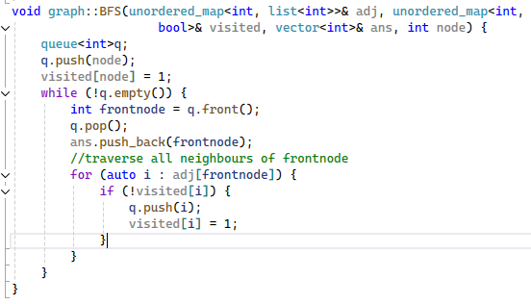 we use a queue

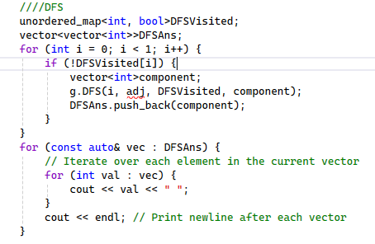 DFS TRAVERSAL IN GRAPHS | we use recursion

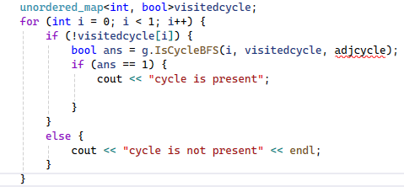 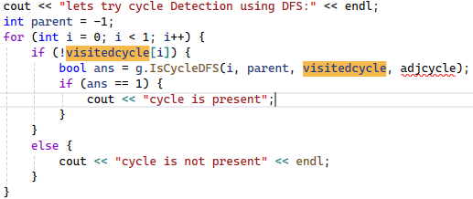 Cycle Detection in a grpah | 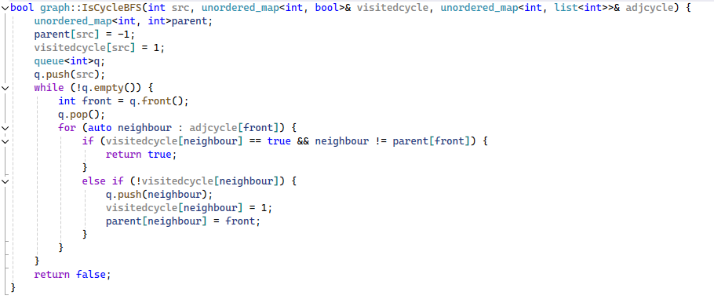 visited[neighbour]==true && neighbour !=parent[front] using BFS | 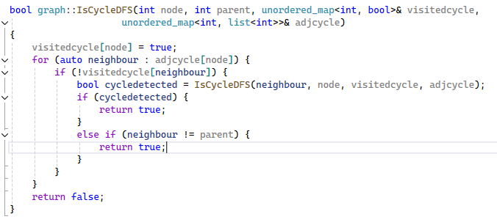 using DFS | using DFS

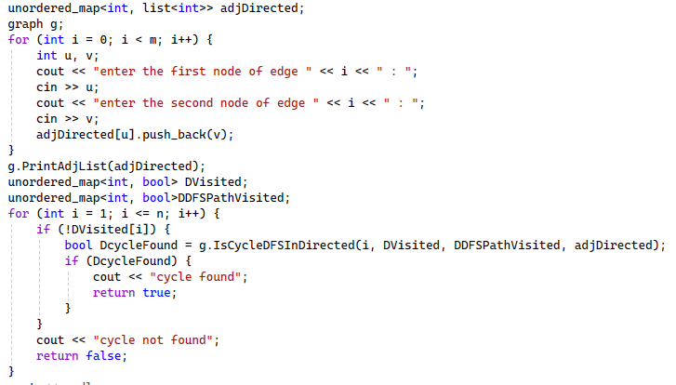 Cycle Detection in a Directed Graph : need to create graph in one direction only | 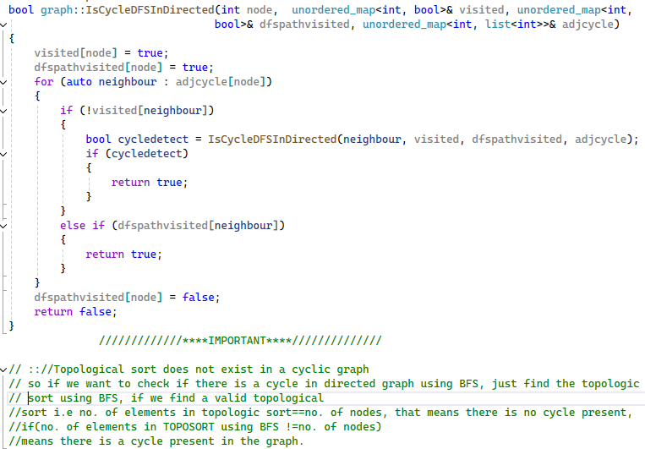 topological sort does not exist in cyclic graph

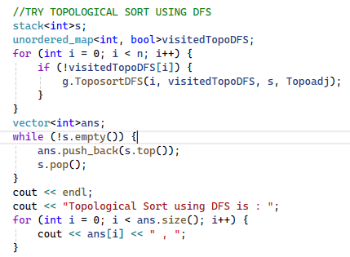 Topological Sort(using DFS) | Just travel the DFS using recursion, and while returning store them in a vector

Topological Sort(using BFS) | 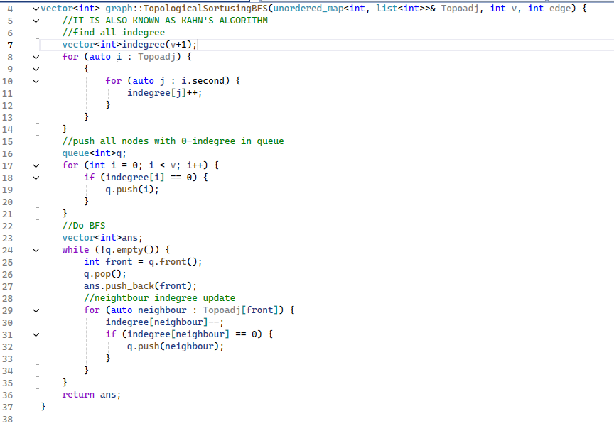 also known as Kahn's Algorithm

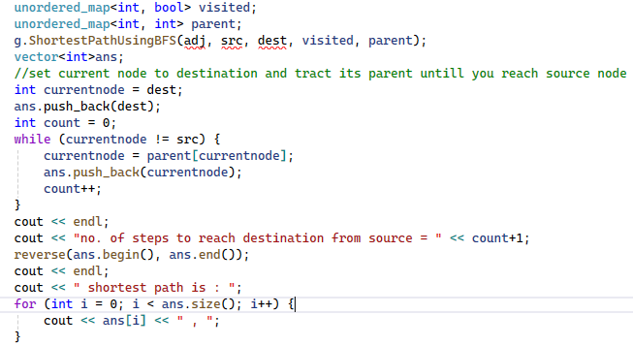 Shortest path in undirected graph using BFS | 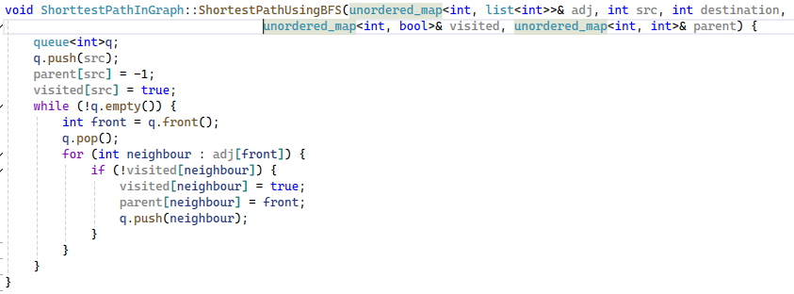 just find the parent array using BFS,parent[neighbour]=front; from destination trace back the parent array till you find the source

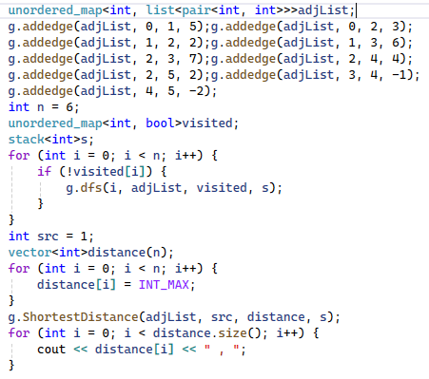 Shortest path from src to all nodes in Directed Acyclic Graph(DAG) | 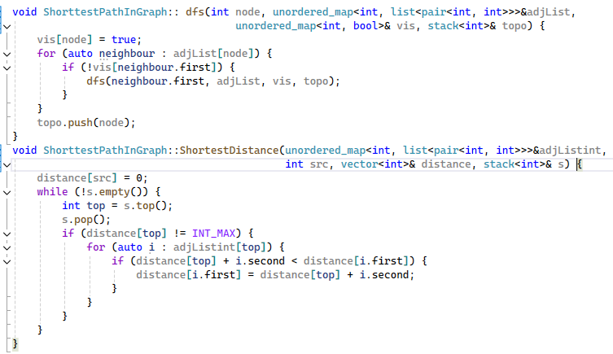 | step 1: find the topological sort and store in stack,dis[src]=0; step2: getshortestdistance(){pop from stack step3: while(!s.empty()){ if(distance[top]!=INT_MAX){ for(auto i:adj[top]){ if(dis[top]+i.second<dis[i.first]){ dis[i.first]=dis[top]+i.second;}} step 4: print dis[]

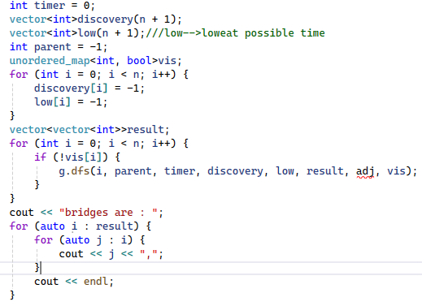 Bridges in a graph | 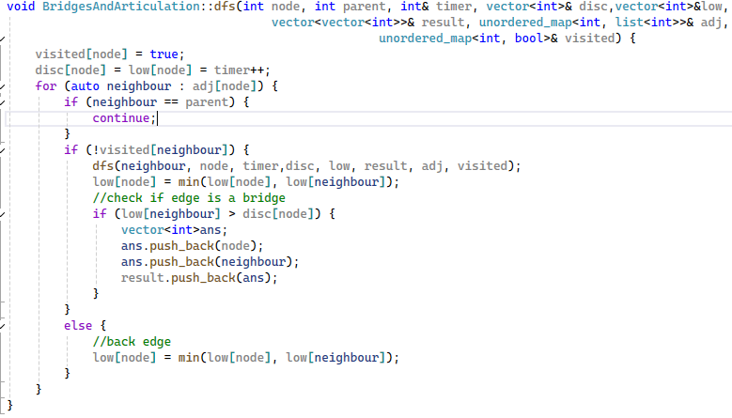 | void dfs(node,parent,timer,dis,vis,low,result,adj){ vis[node]=true;dis[node]=low[node]=timer++; for(auto nbr:adj[node]){ if(neighbour==parent)continue; if(!vis[nbr]){dfs(nbr,node,timer,disc,vis,low,result,adj); low[node]=min(low[node],low[nbr]); //check the bridge if(low[nbr]>dis[node]){ vector<int>ans;ans.push_back(nbr);ans.push_back(node); result.push_back(ans);}} else{ low[node]=min(low[node],dis[nbr]);}

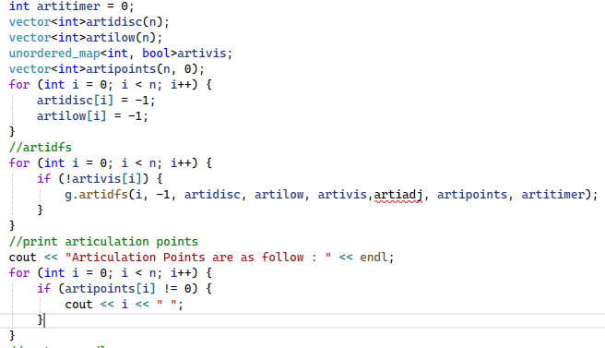 Articulation points in a graph | 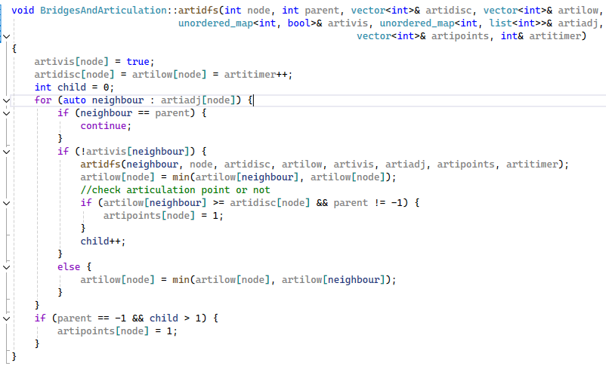 | void dfs(node,parent,timer,dis,vis,low,result,adj){ vis[node]=true;dis[node]=low[node]=timer++; int child=0; for(auto nbr:adj[node]){ if(neighbour==parent)continue; if(!vis[nbr]){dfs(nbr,node,timer,disc,vis,low,result,adj); low[node]=min(low[node],low[nbr]); //check the bridge if(low[nbr]>dis[node]&& parent!=-1){ ap[node]=1;child++;}} else{ low[node]=min(low[node],dis[nbr]);} //special case for src node if(parent==-1 &&child>1{ ap[node]=1;}

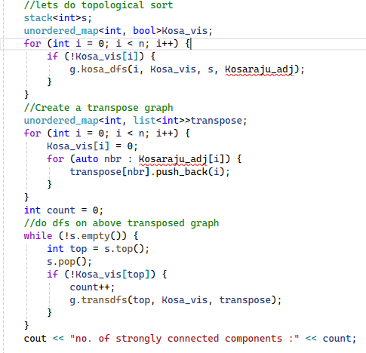 Kosaraju's algorithm for strongly connected components | 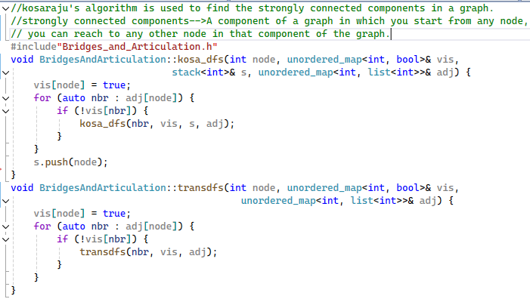 | step1:find the topological sort step2:transpose the graph in adj step3:pop and do dfs and countafter dfs, count will give you the no.of nodes in strongly connected components

Bellmenford's algorithm for shortest path in case of -ive wieghts |  | just apply the below formula n-1 time if(dist[u]+wt<dist[v] dist[v]=dist[u]+wt; //aply one more time, if distance array changes means, there is some -ive cycle present and solution can not be found ,just return the distance array

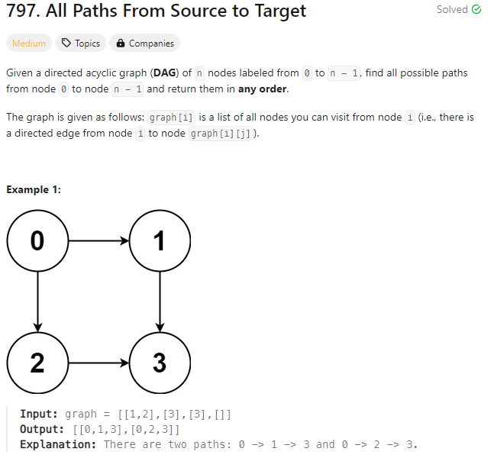 All path from source to target | 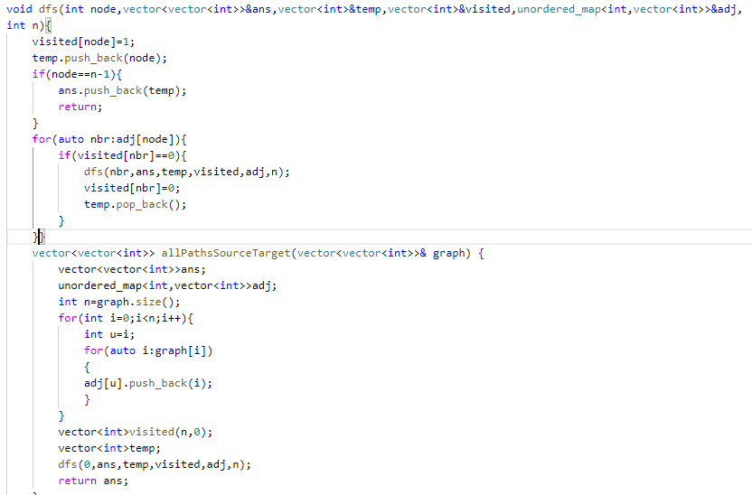

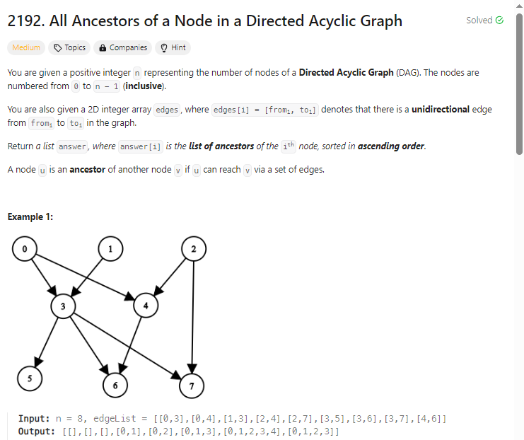 All Ancestors of a node in a DAG | 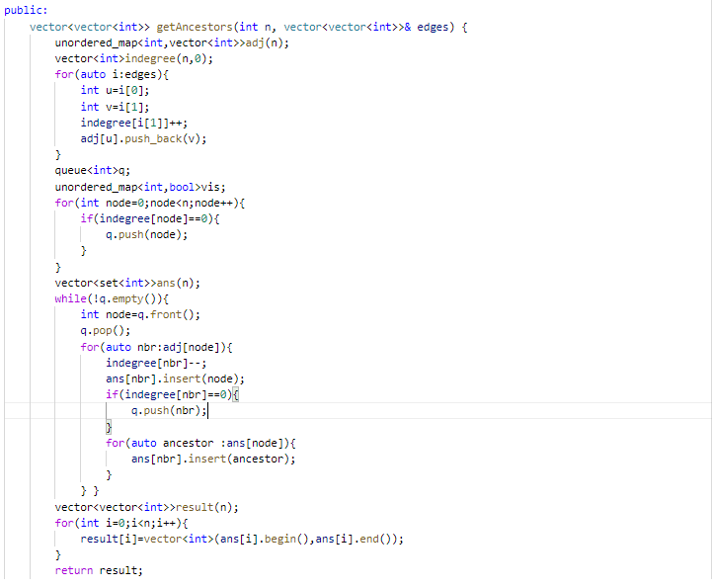 Here using TOPOLOGICAL SORT USING KAHN'S ALGORITHM

