Sheet3
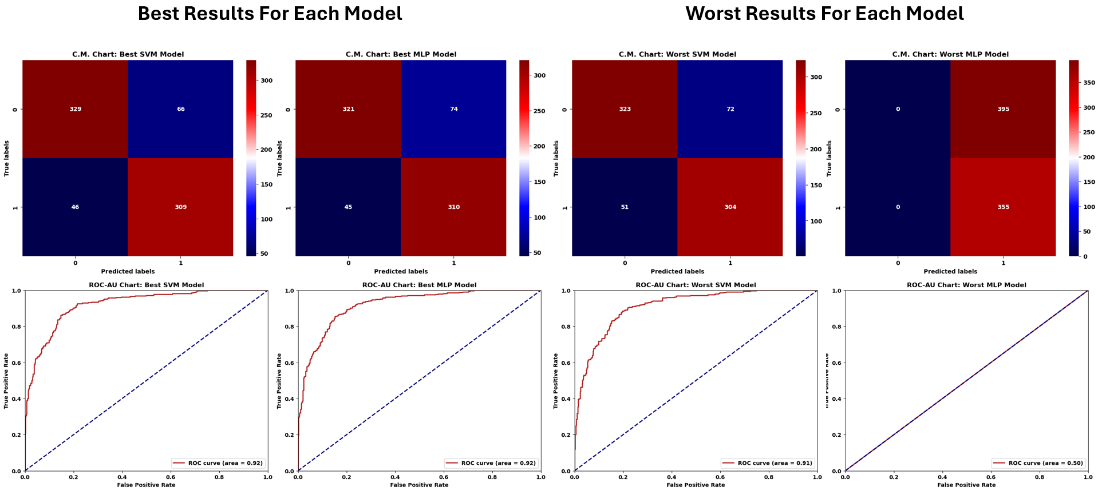

RESULTS
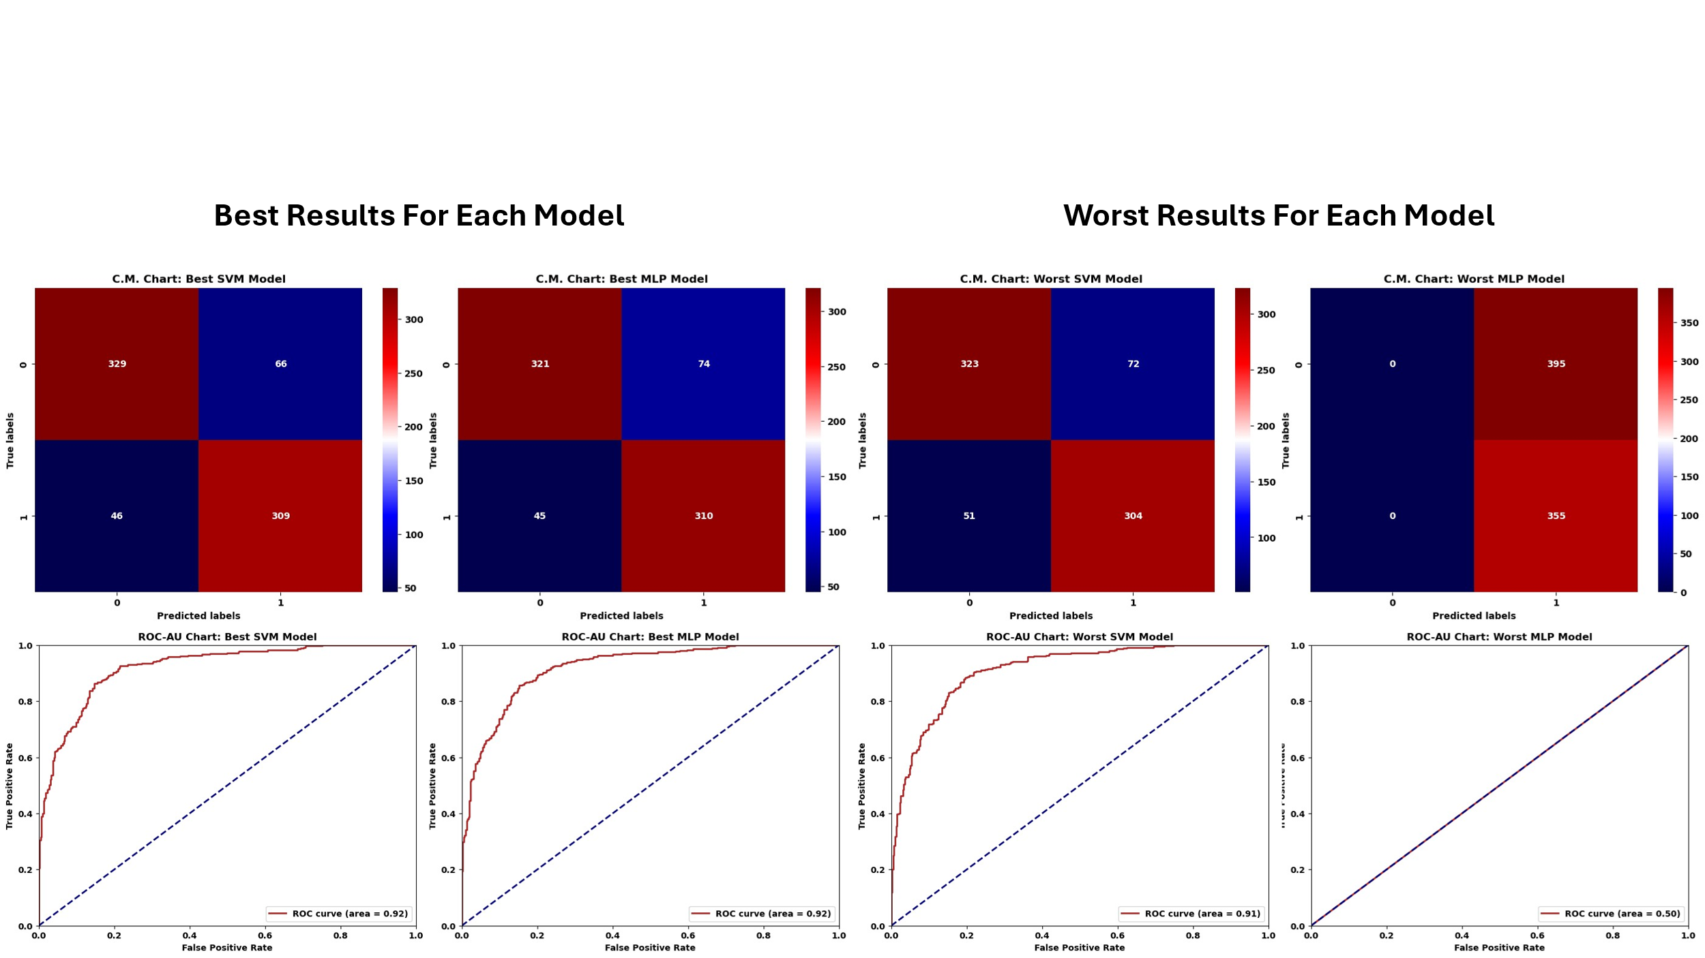

Statistics
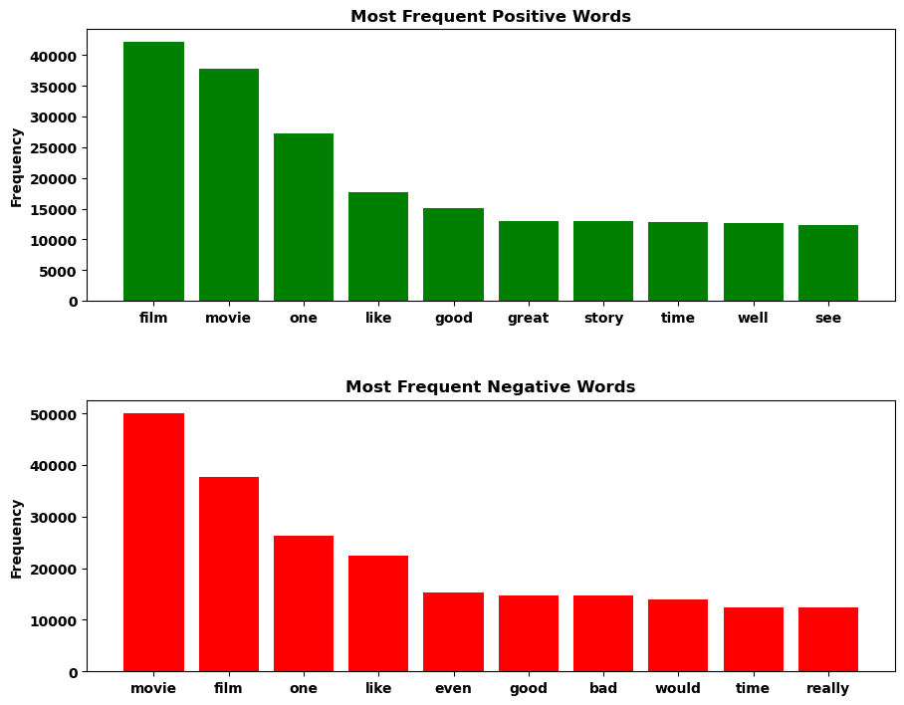

Sentiment | Min | Max | Mean | Variance | Standard Deviation
Negative | 3 | 824 | 118 | 7386 | 86
Positive | 6 | 1429 | 121 | 8905 | 94

Average Words: 120 |  |  | Unique Words: 103774

