ASS-FOREST FIRES
...
 |  |  |  |  |  |  |  |  |  |  | MEASURES OF DISPERSION:
 |  |  |  |  |  |  |  |  |  |  |  | -0.79230658 | 0.6277497167 | 3.38984847
 |  |  |  |  |  |  |  | SECOND QUARTILE (Q2): |  |  |  | -17.79230658 | 316.5661734 | 1709.457337
 |  |  |  |  |  |  |  | N | 517 |  |  | 2.20769342 | 4.873910237 | 23.88216016
 |  |  |  |  |  |  |  | N+1 | 518 |  |  | -9.79230658 | 95.88926816 | 383.5570726
 |  |  |  |  |  |  |  | (N+1)/2 | 259 |  |  | -0.79230658 | 0.6277497167 | 2.824873725
 |  |  |  |  |  |  |  | Ceil | 259 |  |  | -4.79230658 | 22.96620236 | 62.00874636
 |  |  |  |  |  |  |  |  |  |  |  | -6.79230658 | 46.13542868 | 124.5656574
 |  |  |  |  |  |  |  | Q1-259th DATA | 41 |  |  | -0.79230658 | 0.6277497167 | 2.824873725
 |  |  |  |  |  |  |  |  |  |  |  | -1.79230658 | 3.212362877 | 18.63170468
 |  |  |  |  |  |  |  |  |  | BOXPLOT: |  | -12.79230658 | 163.6431076 | 949.1300243
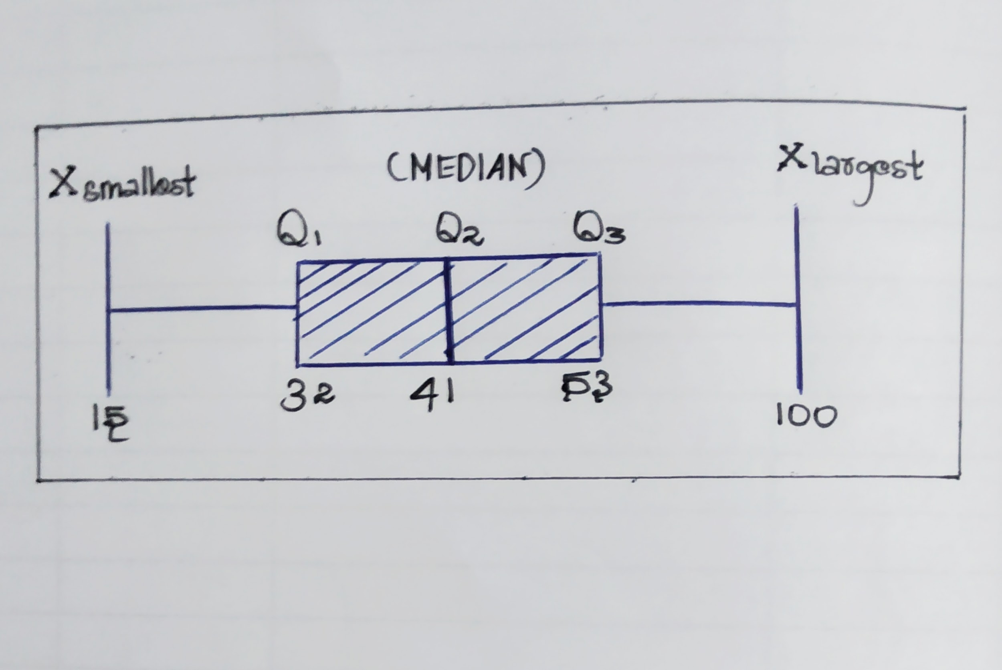
 |  |  |  |  |  |  |  |  |  |  |  | 15.20769342 | 231.2739392 | 1248.879271
 |  |  |  |  |  |  |  |  |  |  |  | -10.79230658 | 116.4738813 | 675.5485116
 |  |  |  |  |  | 0 |  | MIN | 15 |  |  | 3.20769342 | 10.28929708 | 13.3760862
 |  |  |  |  |  | 32 |  | Q1 | 32 |  |  | -20.79230658 | 432.3200129 | 1167.264035
 |  |  |  |  |  | 41 |  | Q2 | 41 |  |  | -5.79230658 | 33.55081552 | 120.7829359
 |  |  |  |  |  | 53 |  | Q3 | 53 |  |  | -20.79230658 | 432.3200129 | 1556.352047
 |  |  |  |  |  | 0 |  | MAX | 100 |  |  | 33.20769342 | 1102.750902 | 8380.906857
 |  |  |  |  |  |  |  |  |  |  |  | -7.79230658 | 60.72004184 | 109.2960753
 |  |  |  |  |  |  |  |  |  |  |  | -5.79230658 | 33.55081552 | 120.7829359
 |  |  |  |  |  |  | NEGATIVELY SKEWED: |  |  |  |  | -12.79230658 | 163.6431076 | 441.8363906
 |  |  |  |  |  |  |  |  |  |  |  | 17.20769342 | 296.1047128 | 1332.471208
 |  |  |  |  |  |  |  |  |  |  |  | -20.79230658 | 432.3200129 | 1945.440058
 |  |  |  |  |  |  |  |  |  |  |  | 15.20769342 | 231.2739392 | 1248.879271
 |  |  |  |  |  |  |  |  |  |  |  | -17.79230658 | 316.5661734 | 1266.264694
 |  |  |  |  |  |  |  |  |  |  |  | -1.79230658 | 3.212362877 | 8.673379767
 |  |  |  |  |  |  |  |  |  |  |  | -7.79230658 | 60.72004184 | 188.2321297
 |  |  |  |  |  |  |  |  |  |  |  | -2.79230658 | 7.796976037 | 52.23973945
 |  |  |  |  |  |  |  |  |  |  |  | 9.20769342 | 84.78161812 | 457.8207378
1.86923172 | 9.159235427 | 0.01351351351 | 0.06621621622 |  |  |  |  |  |  |  |  | 3.20769342 | 10.28929708 | 27.78110211 | 3.20769342
1.380211242 | 5.520844967 | 0.04166666667 | 0.1666666667 |  |  |  |  |  |  |  |  | 29.20769342 | 853.0893549 | 4180.137839 | 29.20769342
1.84509804 | 6.642352944 | 0.01428571429 | 0.05142857143 |  |  |  |  |  |  |  |  | -20.79230658 | 432.3200129 | 1729.280052 | 20.79230658
1.556302501 | 4.824537752 | 0.02777777778 | 0.08611111111 |  |  |  |  |  |  |  |  | 25.20769342 | 635.4278076 | 2287.540107 | 25.20769342
1.544068044 | 2.77932248 | 0.02857142857 | 0.05142857143 |  |  |  |  |  |  |  |  | -8.79230658 | 77.304655 | 239.6444305 | 8.79230658
1.662757832 | 9.643995424 | 0.02173913043 | 0.1260869565 | VARIETIES OF REPRESENTATION OF DATA: |  |  |  |  |  |  |  | -9.79230658 | 95.88926816 | 172.6006827 | 9.79230658
1.230448921 | 1.599583598 | 0.05882352941 | 0.07647058824 |  |  |  |  |  |  |  |  | 1.20769342 | 1.458523397 | 8.459435701 | 1.20769342
1.531478917 | 3.369253617 | 0.02941176471 | 0.06470588235 |  |  |  |  |  |  |  |  | -27.79230658 | 772.412305 | 1004.135997 | 27.79230658
1.62324929 | 7.953921523 | 0.02380952381 | 0.1166666667 |  | SCATTER POINTS REPRESENTATION: |  |  |  | BAR CHART REPRESENTATION: |  |  | -10.79230658 | 116.4738813 | 256.2425389 | 10.79230658
1.62324929 | 7.953921523 | 0.02380952381 | 0.1166666667 |  |  |  |  |  |  |  |  | -2.79230658 | 7.796976037 | 38.20518258 | 2.79230658
WIND vs RH
WIND vs RH
1.653212514 | 5.95156505 | 0.02222222222 | 0.08 |  |  |  |  |  |  |  |  | -2.79230658 | 7.796976037 | 38.20518258 | 2.79230658
1.380211242 | 3.036464732 | 0.04166666667 | 0.09166666667 |  |  |  |  |  |  |  |  | 0.20769342 | 0.04313655671 | 0.1552916042 | 0.20769342
1.799340549 | 8.816768692 | 0.01587301587 | 0.07777777778 |  |  |  |  |  |  |  |  | -20.79230658 | 432.3200129 | 951.1040284 | 20.79230658
1.698970004 | 4.587219012 | 0.02 | 0.054 |  |  |  |  |  |  |  |  | 18.20769342 | 331.5200997 | 1624.448488 | 18.20769342
1.602059991 | 8.651123953 | 0.025 | 0.135 |  |  |  |  |  |  |  |  | 5.20769342 | 27.12007076 | 73.22419104 | 5.20769342
1.707570176 | 1.536813158 | 0.01960784314 | 0.01764705882 |  |  |  |  |  |  |  |  | -4.79230658 | 22.96620236 | 124.0174927 | 4.79230658
1.591064607 | 9.228174721 | 0.02564102564 | 0.1487179487 |  |  |  |  |  |  |  |  | 6.20769342 | 38.5354576 | 34.68191184 | 6.20769342
1.770852012 | 11.15636767 | 0.01694915254 | 0.106779661 |  |  |  |  |  |  |  |  | -5.79230658 | 33.55081552 | 194.59473 | 5.79230658
1.544068044 | 7.565933417 | 0.02857142857 | 0.14 |  |  |  |  |  |  |  |  | 14.20769342 | 201.8585523 | 1271.70888 | 14.20769342
1.51851394 | 4.099987638 | 0.0303030303 | 0.08181818182 |  |  |  |  |  |  |  |  | -9.79230658 | 95.88926816 | 469.857414 | 9.79230658
1.491361694 | 4.623221251 | 0.03225806452 | 0.1 |  |  |  |  |  |  |  |  | -11.79230658 | 139.0584945 | 375.4579351 | 11.79230658
1.643452676 | 7.395537044 | 0.02272727273 | 0.1022727273 |  |  |  |  |  |  |  |  | -13.79230658 | 190.2277208 | 589.7059345 | 13.79230658
1.568201724 | 7.056907758 | 0.02702702703 | 0.1216216216 |  |  |  |  |  |  |  |  | -0.79230658 | 0.6277497167 | 2.824873725 | 0.79230658
1.51851394 | 8.199975275 | 0.0303030303 | 0.1636363636 |  |  |  |  |  |  |  |  | -7.79230658 | 60.72004184 | 273.2401883 | 7.79230658
1.51851394 | 9.566637821 | 0.0303030303 | 0.1909090909 |  |  |  |  |  |  |  |  | -11.79230658 | 139.0584945 | 750.9158702 | 11.79230658
1.414973348 | 6.367380066 | 0.03846153846 | 0.1730769231 |  |  |  |  |  |  |  |  | -11.79230658 | 139.0584945 | 876.0685152 | 11.79230658
1.431363764 | 10.87836461 | 0.03703703704 | 0.2814814815 |  |  |  |  |  |  |  |  | -18.79230658 | 353.1507866 | 1589.17854 | 18.79230658
1.568201724 | 5.645526207 | 0.02702702703 | 0.0972972973 |  |  |  |  |  |  |  |  | -17.79230658 | 316.5661734 | 2405.902918 | 17.79230658
1.397940009 | 8.807022055 | 0.04 | 0.252 |  |  |  |  |  |  |  |  | -7.79230658 | 60.72004184 | 218.5921506 | 7.79230658
1.633468456 | 7.35060805 | 0.02325581395 | 0.1046511628 |  |  |  |  |  |  |  |  | -19.79230658 | 391.7353998 | 2467.933018 | 19.79230658
1.477121255 | 1.920257631 | 0.03333333333 | 0.04333333333 |  |  |  |  |  |  |  |  | -1.79230658 | 3.212362877 | 14.45563295 | 1.79230658
1.897627091 | 5.882643983 | 0.01265822785 | 0.03924050633 |  |  |  |  |  |  |  |  | -14.79230658 | 218.812334 | 284.4560341 | 14.79230658
1.633468456 | 5.063752212 | 0.02325581395 | 0.07209302326 |  |  |  |  |  |  |  |  | 34.20769342 | 1170.166289 | 3627.515496 | 34.20769342
1.857332496 | 5.757730739 | 0.01388888889 | 0.04305555556 |  | PIE CHART REPRESENTATION: |  |  |  | FREQUENCY RESPONSE CURVE: |  |  | -1.79230658 | 3.212362877 | 9.958324918 | 1.79230658
1.819543936 | 4.912768626 | 0.01515151515 | 0.04090909091 |  |  |  |  |  |  |  |  | 27.20769342 | 740.2585812 | 2294.801602 | 27.20769342
WIND vs RH
WIND vs RH
1.278753601 | 8.567649126 | 0.05263157895 | 0.3526315789 |  |  |  |  |  |  |  |  | 21.20769342 | 449.7662602 | 1214.368903 | 21.20769342
1.591064607 | 10.02370702 | 0.02564102564 | 0.1615384615 |  |  |  |  |  |  |  |  | -25.79230658 | 665.2430787 | 4457.128627 | 25.79230658
1.643452676 | 3.615595888 | 0.02272727273 | 0.05 |  |  |  |  |  |  |  |  | -5.79230658 | 33.55081552 | 211.3701378 | 5.79230658
1.707570176 | 7.684065792 | 0.01960784314 | 0.08823529412 |  |  |  |  |  |  |  |  | -0.79230658 | 0.6277497167 | 1.381049377 | 0.79230658
1.672097858 | 1.504888072 | 0.02127659574 | 0.01914893617 |  |  |  |  |  |  |  |  | 6.20769342 | 38.5354576 | 173.4095592 | 6.20769342
1.653212514 | 5.95156505 | 0.02222222222 | 0.08 |  |  |  |  |  |  |  |  | 2.20769342 | 4.873910237 | 4.386519213 | 2.20769342
1.176091259 | 1.058482133 | 0.06666666667 | 0.06 |  |  |  |  |  |  |  |  | 0.20769342 | 0.04313655671 | 0.1552916042 | 0.20769342
1.431363764 | 3.149000281 | 0.03703703704 | 0.08148148148 |  |  |  |  |  |  |  |  | -29.79230658 | 887.5815314 | 798.8233782 | 29.79230658
1.531478917 | 3.369253617 | 0.02941176471 | 0.06470588235 |  |  |  |  |  |  |  |  | -17.79230658 | 316.5661734 | 696.4455816 | 17.79230658
1.556302501 | 5.602689003 | 0.02777777778 | 0.1 |  |  |  |  |  |  |  |  | -10.79230658 | 116.4738813 | 256.2425389 | 10.79230658
1.397940009 | 6.849906042 | 0.04 | 0.196 |  |  |  |  |  |  |  |  | -8.79230658 | 77.304655 | 278.296758 | 8.79230658
1.770852012 | 10.27094167 | 0.01694915254 | 0.09830508475 |  |  |  |  |  |  |  |  | -19.79230658 | 391.7353998 | 1919.503459 | 19.79230658
1.380211242 | 7.453140705 | 0.04166666667 | 0.225 |  |  |  |  |  |  |  |  | 14.20769342 | 201.8585523 | 1170.779603 | 14.20769342
1.505149978 | 9.482444863 | 0.03125 | 0.196875 |  |  |  |  |  |  |  |  | -20.79230658 | 432.3200129 | 2334.52807 | 20.79230658
1.633468456 | 8.003995432 | 0.02325581395 | 0.1139534884 |  |  |  |  |  |  |  |  | -12.79230658 | 163.6431076 | 1030.951578 | 12.79230658
1.342422681 | 3.624541238 | 0.04545454545 | 0.1227272727 |  |  |  |  |  |  |  |  | -1.79230658 | 3.212362877 | 15.7405781 | 1.79230658
1.806179974 | 2.348033966 | 0.015625 | 0.0203125 |  |  |  |  |  |  |  |  | -22.79230658 | 519.4892392 | 1402.620946 | 22.79230658
1.681241237 | 3.026234227 | 0.02083333333 | 0.0375 |  |  |  |  |  |  |  |  | 19.20769342 | 368.9354865 | 479.6161325 | 19.20769342
1.380211242 | 7.453140705 | 0.04166666667 | 0.225 |  |  |  |  |  |  |  |  | 3.20769342 | 10.28929708 | 18.52073474 | 3.20769342
1.939519253 | 8.727836637 | 0.01149425287 | 0.05172413793 |  |  |  |  |  |  |  |  | -20.79230658 | 432.3200129 | 2334.52807 | 20.79230658
1.591064607 | 8.591748878 | 0.02564102564 | 0.1384615385 |  |  |  |  |  |  |  |  | 42.20769342 | 1781.489384 | 8016.702227 | 42.20769342
1.591064607 | 8.591748878 | 0.02564102564 | 0.1384615385 |  |  |  |  |  |  |  |  | -5.79230658 | 33.55081552 | 181.1744038 | 5.79230658
1.819543936 | 9.825537252 | 0.01515151515 | 0.08181818182 |  |  |  |  |  |  |  |  | -5.79230658 | 33.55081552 | 181.1744038 | 5.79230658
1.602059991 | 6.408239965 | 0.025 | 0.1 |  |  |  |  |  |  |  |  | 21.20769342 | 449.7662602 | 2428.737805 | 21.20769342
1.462397998 | 6.580790991 | 0.03448275862 | 0.1551724138 |  |  |  |  |  |  |  |  | -4.79230658 | 22.96620236 | 91.86480943 | 4.79230658
1.892094603 | 5.865493268 | 0.01282051282 | 0.03974358974 |  |  |  |  |  |  |  |  | -15.79230658 | 249.3969471 | 1122.286262 | 15.79230658
1.716003344 | 10.81082106 | 0.01923076923 | 0.1211538462 |  |  |  |  |  |  |  |  | 33.20769342 | 1102.750902 | 3418.527797 | 33.20769342
1.462397998 | 4.533433793 | 0.03448275862 | 0.1068965517 |  |  |  |  |  |  |  |  | 7.20769342 | 51.95084444 | 327.29032 | 7.20769342
1.51851394 | 4.707393214 | 0.0303030303 | 0.09393939394 |  |  |  |  |  |  |  |  | -15.79230658 | 249.3969471 | 773.1305361 | 15.79230658
1.653212514 | 5.124958793 | 0.02222222222 | 0.06888888889 |  |  |  |  |  |  |  |  | -11.79230658 | 139.0584945 | 431.0813329 | 11.79230658
1.748188027 | 9.440215346 | 0.01785714286 | 0.09642857143 |  |  |  |  |  |  |  |  | 0.20769342 | 0.04313655671 | 0.1337233258 | 0.20769342
1.633468456 | 9.474117042 | 0.02325581395 | 0.1348837209 |  |  |  |  |  |  |  |  | 11.20769342 | 125.6123918 | 678.3069157 | 11.20769342
1.255272505 | 5.648726273 | 0.05555555556 | 0.25 |  |  |  |  |  |  |  |  | -1.79230658 | 3.212362877 | 18.63170468 | 1.79230658
...

