LED_Driver
LED | MLCAWT-A1-0000-000051
Mouser | https://www.mouser.it/ProductDetail/Cree-Inc/MLCAWT-A1-0000-000051?qs=%2fha2pyFaduixVGhUxsGngeqgSBsxbO7OUlr5WRQo9g6GzIdyU0BQnFGyB5SlbI4a

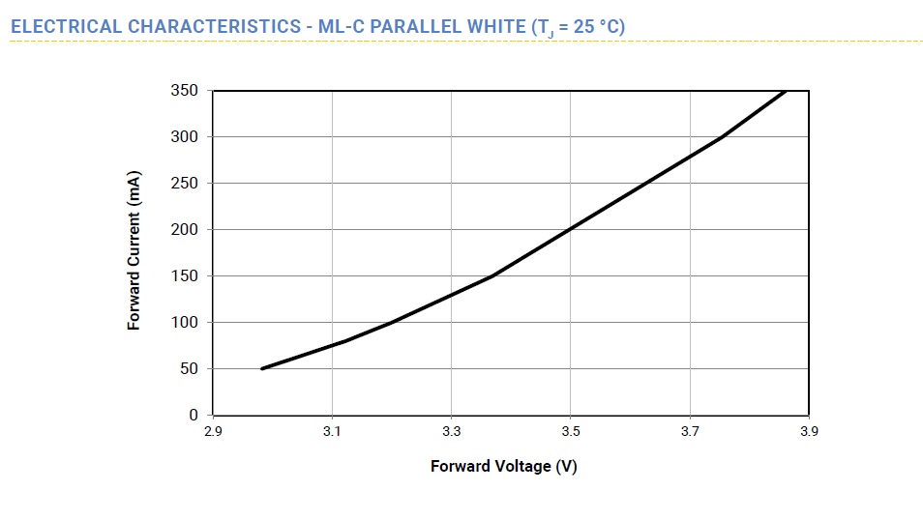
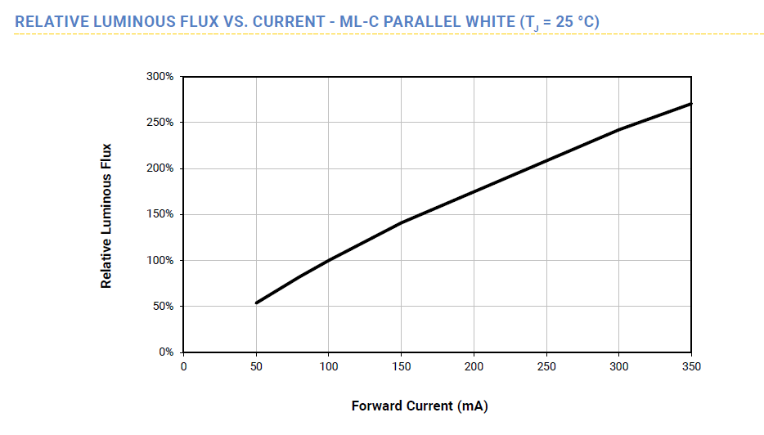

TPS61169 |  |  |  | boost
MAX Iled | 136 | mA |  |  | MIN | TYP | MAX
Rset | 1.5 | Ohm |  | VIN | 3 | 3.7 | 4.2 | V
R pd | 0.03 | W |  | VOUT |  | 10.104 |  | V
VF led | 3.3 | V |  | IOUT |  | 0.14 |  | A
Nled | 3 |  |  | IIN | 0.396 | 0.450 | 0.555 | A
 |  |  |  | D | 0.58 | 0.63 | 0.70 | %
 |  |  |  | L |  | 10 |  | uH | 2A inductor
 |  |  |  | Ipp | 0.176 | 0.195 | 0.205 | A
 |  |  |  | Ipeak | 0.484 | 0.547 | 0.657 | A
 |  |  |  | Ivalley | 0.308 | 0.352 | 0.452 | A
 |  |  |  | COUT |  | 1.48 |  | uF | 4.7uF 50V ceramic
 |  |  | Ind | https://www.digikey.com/product-detail/en/wurth-electronics-inc/74437336100/732-6170-6-ND/5050994
 |  |  | Sch | https://www.digikey.com/product-detail/en/diodes-incorporated/MBR0580S1-7/MBR0580S1-7DITR-ND/5080335
 |  |  | Cout | https://www.digikey.com/product-detail/en/samsung-electro-mechanics/CL31A475KB9LNNC/1276-2731-2-ND/3888389

