Sheet1
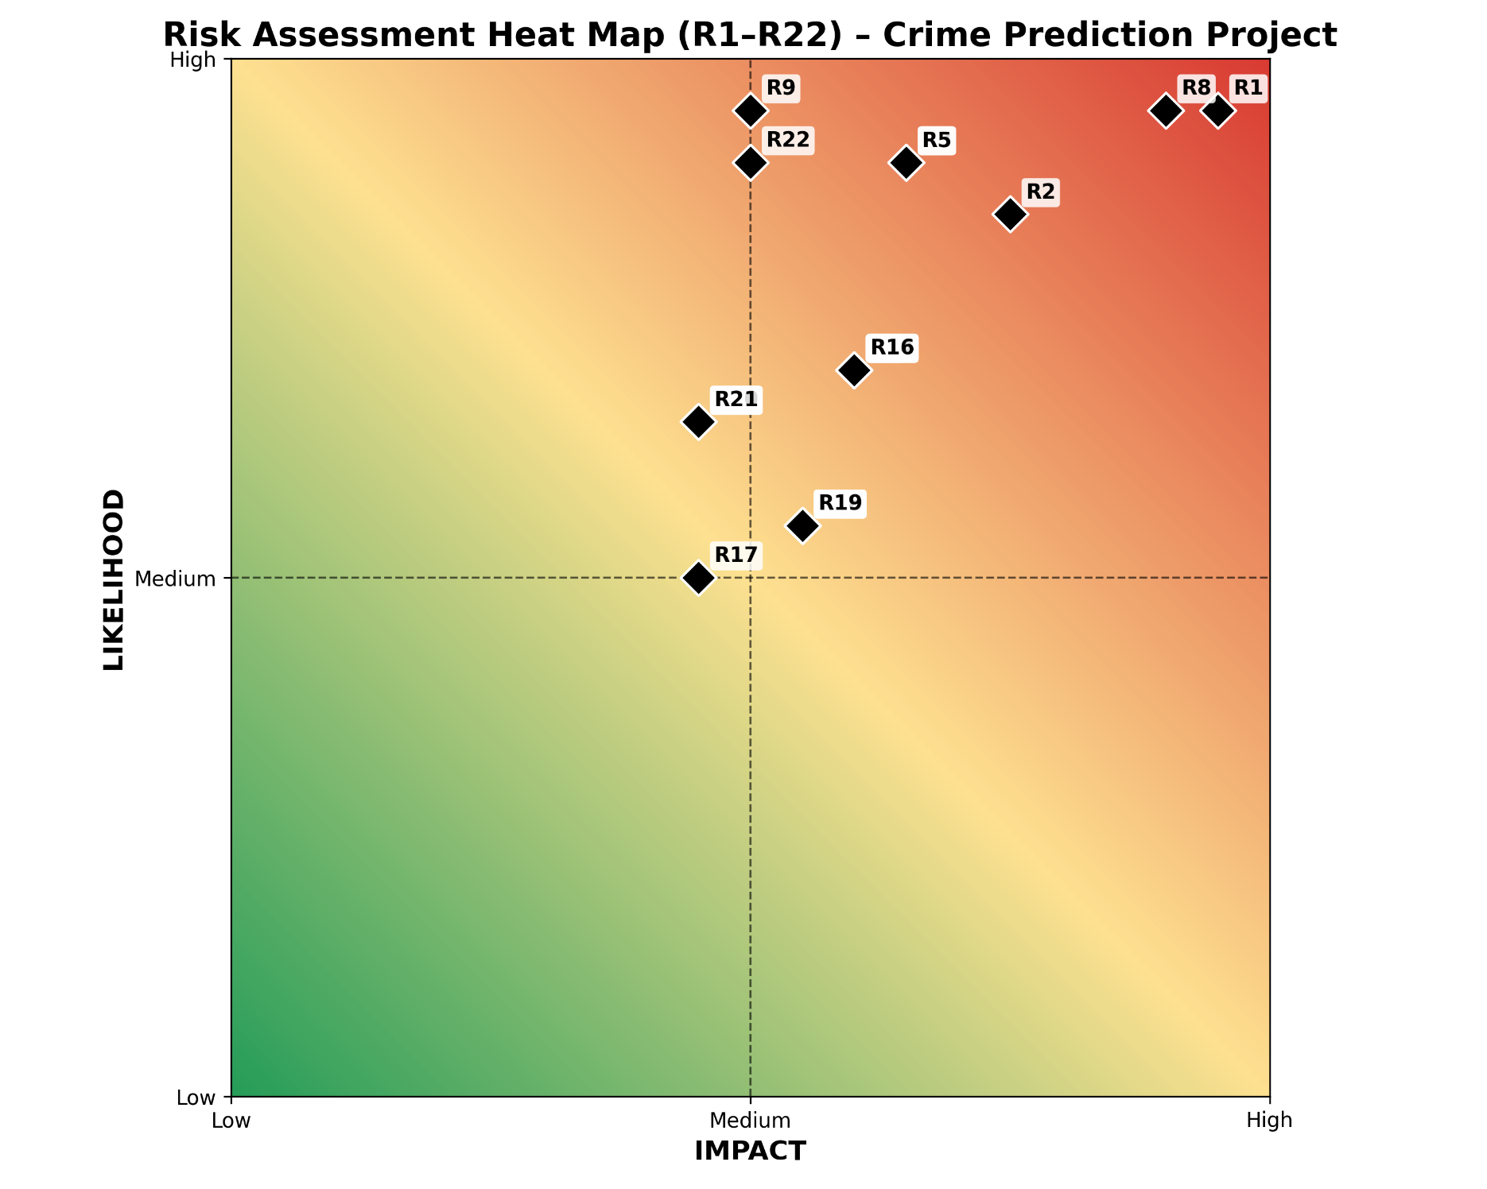
Risk ID | Risk Category | Risk Description | Pipeline / Area | Likelihood (1-5) | Impact (1-5) | Risk Score | ROAM Strategy | Mitigation / Action Plan | Risk Owner | Status
R1 | Data Quality | Invalid or missing geo-coordinates reduce spatial accuracy | Pre-processing | 4 | 5 | 20 | Mitigate | Validate coordinates, remove 'No Location' entries | Data Lead | Mitigated
R2 | Data Quality | High proportion of missing outcome data biases learning | Feature Engineering | 4 | 4 | 16 | Accept | Exclude outcome from primary prediction target | Project Lead | accepted
R3 | Evaluation | Temporal data leakage due to incorrect splitting | Validation | 3 | 5 | 15 | Resolve | Enforce chronological split only | ML Lead | resolved
R4 | Modelling | Spatial grid resolution may oversmooth hotspots | Spatial Modelling | 3 | 3 | 9 | Mitigate | Test multiple grid sizes | ML Lead | Mitigated
R5 | Modelling | Deep learning overfitting due to limited time series depth | CNN/GRU Model | 3 | 5 | 15 | Mitigate | Regularisation and early stopping | ML Lead | Mitigated
R6 | Technical | Incorrect feature fusion between crime and socio-economic data | Feature Fusion | 3 | 4 | 12 | Mitigate | Temporal alignment and normalization | Data Lead | Mitigated
R7 | Technical | High computational cost slows experimentation | Training | 3 | 3 | 9 | Mitigate | Batching, sampling, caching | ML Lead | Mitigated
R8 | Responsible AI | Historical bias reinforces over-policing risk | Outputs | 4 | 5 | 20 | Mitigate | Bias awareness and decision-support framing | Ethics Lead | Mitigated
R9 | Governance | Outputs misused as predictive policing | Deployment | 2 | 5 | 10 | Accept | Clear disclaimers and limitations | Project Lead | accepted
R10 | Data Integration | Inconsistent crime categories across years | Data Integration | 3 | 3 | 9 | Mitigate | Normalize crime taxonomy | Data Lead | Mitigated
R11 | Team | Uneven workload distribution impacts delivery | Project Management | 3 | 4 | 12 | Own | Sprint planning and task rebalancing | Scrum Master | owned
R12 | Team | Skill gaps in deep learning slow progress | Development | 3 | 3 | 9 | Mitigate | Peer learning and tutorials | Scrum Master | Mitigated
R13 | Team | Poor communication causes duplicated work | Collaboration | 2 | 4 | 8 | Resolve | Weekly stand-ups and documentation | Scrum Master | resolved
R14 | Schedule | Academic workload clashes delay milestones | Timeline | 3 | 4 | 12 | Mitigate | Buffer time and reprioritisation | Project Lead | Mitigated
R15 | Scope | Client-driven scope creep | Requirements | 3 | 3 | 9 | Resolve | Formal change control via sprint review | Project Lead | resolved
R16 | Technical | Model performance degrades over time due to concept drift | Evaluation | 3 | 4 | 12 | Mitigate | Monitor temporal stability and retrain if required | ML Lead | Mitigated
R17 | Technical | Baseline models outperform deep models | Modelling | 2 | 3 | 6 | Accept | Justify model choice and retain interpretable baselines | ML Lead | accepted
R18 | Technical | Incorrect hyperparameter tuning leads to unstable results | Training | 3 | 3 | 9 | Mitigate | Grid/Random search with validation | ML Lead | Mitigated
R19 | Data Quality | Outliers distort hotspot intensity estimates | Pre-processing | 3 | 3 | 9 | Mitigate | Outlier detection and smoothing | Data Lead | Mitigated
R20 | Team | Key member unavailable during critical sprint | Project Management | 2 | 4 | 8 | Mitigate | Knowledge sharing and task redundancy | Scrum Master | Mitigated
R21 | Team | Lack of version control discipline causes conflicts | Development | 2 | 4 | 8 | Resolve | Branching strategy and pull-request reviews | Scrum Master | resolved
R22 | Governance | Insufficient documentation affects assessment quality | Reporting | 2 | 5 | 10 | Resolve | Dedicated documentation sprint | Project Lead | resolved

