Sheet1
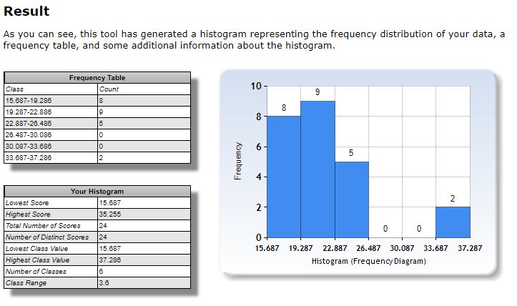
Congruent | Incongruent | Difference | Answers
12.079 | 19.278 | -7.199 |  | Mean | -7.964791667
16.791 | 18.741 | -1.95 |  | Std.dev | 4.86482691
9.564 | 21.214 | -11.65 |  | no.of.values | 24
8.63 | 15.687 | -7.057 |  | Degree of Freedom | 23
14.669 | 22.803 | -8.134 |  | Std error of mean | 0.9930286348
12.238 | 20.878 | -8.64
14.692 | 24.572 | -9.88 |  | H0 | mu = 0
8.987 | 17.394 | -8.407 |  | Ha | mu != 0
9.401 | 20.762 | -11.361 |  | alpha | 0.01
14.48 | 26.282 | -11.802 |  | t-critical two-tailed +- | 2.807
22.328 | 24.524 | -2.196 |  | t-statistic | -8.020706944 | Reject H0
15.298 | 18.644 | -3.346 |  | margin of error (99%) | 2.787431378
15.073 | 17.51 | -2.437 |  | Confidence interval | lower | upper
16.929 | 20.33 | -3.401 |  |  | -10.75222304 | -5.177360289
18.2 | 35.255 | -17.055 |  | r^2 | 0.7366364161 | coeff of determination
12.13 | 22.158 | -10.028 |  | Cohen's d | -1.637219949
18.495 | 25.139 | -6.644
10.639 | 20.429 | -9.79
11.344 | 17.425 | -6.081
12.369 | 34.288 | -21.919
12.944 | 23.894 | -10.95
14.233 | 17.96 | -3.727
19.71 | 22.058 | -2.348
16.004 | 21.157 | -5.153

con | incon | diff | specification
15.34506667 | 22.9884375 | -8.014875 | mean
15.073 | 22.058 | -6.081 | median
3.31668269 | 5.478012007 | 5.836034652 | stddev
15 | 15 | 15 | n
4.89 | 4.89 | 4.89 | sqrt(n)
0.73 | 0.98 | 0.99 | std error
11.00038407 | 30.00861555 | 34.05930046 | s^2

Congurent Data:

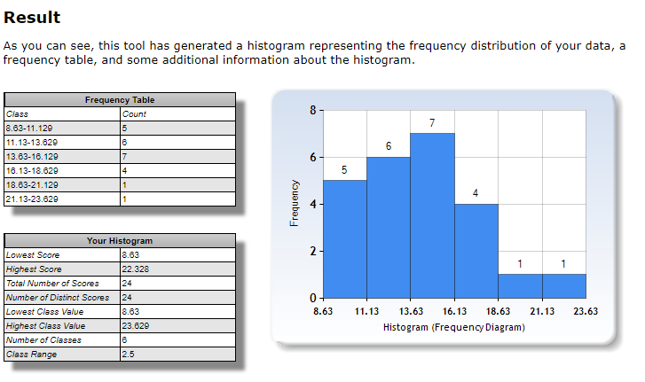

Incongruent Data:

