Criticality Profile
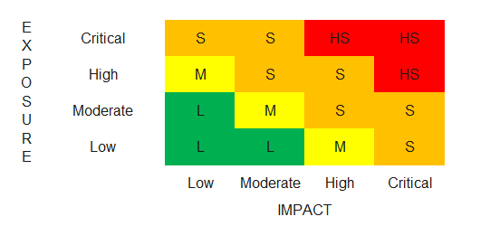
EXPOSURE |  |  |  | IMPACT
 | RISK RATING | RESPONSE | SCORE |  | RISK RATING | RESPONSE | SCORE
DEVICE (B1) | CRITICAL | Custom-made service | 5 | CON (A1) | CRITICAL | Secret | 5
 | HIGH | Client/Server (Windows/MAC/Linux) and Mobile Application (Windows/IOS/Android) | 3 |  | HIGH | Confidential | 3
 | MODERATE | Client/Server (Windows/MAC/Linux) or Mobile Application (Windows/IOS/Android) | 2 |  | MODERATE | Internal use only | 2
 | LOW | Embedded System | 1 |  | LOW | Public Information | 1
WHO (B2) | CRITICAL | External - Public | 5 | INT (A2) | HIGH | High | 3
 | HIGH | External - Customer | 3 |  | LOW | Normal | 1
 | MODERATE | External - Partners, Vendors and Suppliers | 2 | AVA (A3) | HIGH | Very critical | 3
 | LOW | Internal - Employees and Consultants, A2A | 1 |  | MODERATE | Critical | 2
HOW (B3) | CRITICAL | External - via Web and Mobile Application | 5 |  | LOW | Important | 1
 | HIGH | External - via Web or Mobile Application | 3 | SCORE (A1+A2+A3)
 | MODERATE | External - via VPN and/or restricted and/or whitlisted channels | 2 | RATING (CRITICAL, HIGH, MODERATE, LOW)
 | LOW | Internal - Network only | 1 | CRITERIA
WHERE (B4) | CRITICAL | External - Customer | 5 | CRITICAL | >=10
 | HIGH | External - Vendor/Supplier, Partener, Service Provider (IaaS/PaaS) | 3 | HIGH | DA 8 A 9
 | MODERATE | External - Vendor/Supplier, Partener, Service Provider (SaaS) | 2 | MODERATE | DA 5 A 7
 | LOW | Internal - Netwrok | 1 | LOW | DA 3 A 4
SCORE (B1 + B2 + B3 + B4)
RATING (CRITICAL,HIGH, MODERATE, LOW)
CRITERIA
CRITICAL | DA 15 A 20
HIGH | DA 10 A 14
MODERATE | DA 6 A 9
LOW | DA 4 A 5

