Hoja1
Alexander Reyes - Grupo 65 - Métodos Numéricos
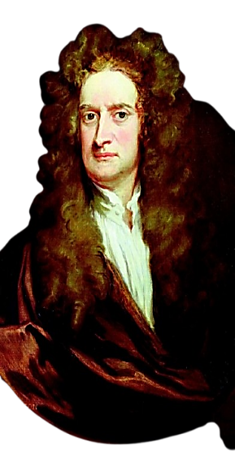
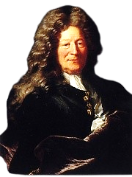

Método de Newton - Raphson

 | Método de Newton - Raphson
$$f_{1}(x, y)$$
$$4x^{2}+7xy−14=0$$
$$f_{2}(x, y)$$
$${∂f}_{1}/∂x$$
6$x^{2}y−3y−11=0$
$$8x+7y$$
$${(∂f_{1}/∂x∗∂f}_{2}/∂y)− {(∂f}_{2}/∂x∗∂f_{1}/∂y)$$
 |  |  |  |  | n= | 10 |  |  | Jacobiano
$${∂f}_{1}/∂y$$
$$7x$$
$${∂f}_{2}/∂x$$
$${∂f}_{2}/∂y$$
$$12xy$$
$${6x}^{2}−3$$
$$x_{n+1}$$
$$y_{n+1}$$
$$f_{1}(x, y)$$
$$f_{2}(x, y)$$
$${∂f}_{1}/∂x$$
$${∂f}_{1}/∂y$$
$${∂f}_{2}/∂x$$
$${∂f}_{2}/∂y$$
$$InverJ_{11}$$
$$InverJ_{12}$$
$$InverJ_{21}$$
$$InverJ_{22}$$
$$∆x$$
$$∆y$$
n | x | y |  |  |  |  |  |  | Det |  |  |  |  |  |  |  |  | Tol | Convergencia
0 | 6 | 8 | 466 | 1693 | 104 | 42 | 576 | 213 | -2040 | -0.10441176471 | 0.020588235294 | 0.28235294118 | -0.050980392157 | 13.8 | -45.266666667 | 19.8 | -37.266666667 | 0.001 | No Convergido
1 | 19.8 | -37.266666667 | -3611 | -87559.344 | -102.46666667 | 138.6 | -8854.56 | 2349.24 | 986523.224 | 0.0023813326872 | -0.00014049339806 | 0.0089755210872 | -0.00010386645157 | -3.7025174365 | 23.316128283 | 16.097482563 | -13.950538384 | 0.001 | No Convergido
2 | 16.097482563 | -13.950538384 | -549.46405917 | -21659.078136 | 31.126091821 | 112.68237794 | -2694.8225806 | 1551.7736693 | 351959.66624 | 0.004408953122 | -0.00032015707694 | 0.0076566232984 | 8.8436530679E-05 | -4.5117458663 | 6.1224930451 | 11.585736697 | -7.8280453387 | 0.001 | No Convergido
3 | 11.585736697 | -7.8280453387 | -111.93852577 | -6292.0338976 | 37.889576207 | 81.10015688 | -1088.3240658 | 802.3757689 | 118664.93031 | 0.0067616924966 | -0.00068343828852 | 0.009171404415 | 0.00031929885356 | -3.5433229885 | 3.0356726995 | 8.0424137086 | -4.7923726392 | 0.001 | No Convergido
4 | 8.0424137086 | -4.7923726392 | -25.074030828 | -1856.4588827 | 30.792701195 | 56.29689596 | -462.50692092 | 385.08250957 | 37895.434661 | 0.010161712434 | -0.0014855851758 | 0.012204818999 | 0.00081257020722 | -2.5031327047 | 1.8145271868 | 5.539281004 | -2.9778454524 | 0.001 | No Convergido
5 | 5.539281004 | -2.9778454524 | -6.7313230652 | -550.29318419 | 23.469329865 | 38.774967028 | -197.94147296 | 181.10180425 | 11925.512071 | 0.015186082004 | -0.0032514299426 | 0.016598152917 | 0.0019679934686 | -1.6870173122 | 1.1947009219 | 3.8522636917 | -1.7831445305 | 0.001 | No Convergido
6 | 3.8522636917 | -1.7831445305 | -2.7242583201 | -164.42106587 | 18.336097821 | 26.965845842 | -82.429715182 | 86.039613304 | 3800.4177584 | 0.022639514594 | -0.0070954951682 | 0.021689645829 | 0.0048247584835 | -1.1049729924 | 0.85238013051 | 2.7472906993 | -0.93076439996 | 0.001 | No Convergido
7 | 2.7472906993 | -0.93076439996 | -1.7091379085 | -50.35796566 | 15.462974795 | 19.231034895 | -30.684964551 | 42.285637119 | 1243.965365 | 0.03399261612 | -0.015459461683 | 0.024667056989 | 0.01243039013 | -0.72040897174 | 0.66812856149 | 2.0268817276 | -0.26263583847 | 0.001 | No Convergido
8 | 2.0268817276 | -0.26263583847 | -1.2933243236 | -16.685933856 | 14.376602951 | 14.188172093 | -6.387981384 | 21.649497226 | 401.88000491 | 0.053870550814 | -0.035304498655 | 0.01589524561 | 0.03577337209 | -0.5194164357 | 0.61746982829 | 1.5074652919 | 0.35483398982 | 0.001 | No Convergido
9 | 1.5074652919 | 0.35483398982 | -1.1658941068 | -7.2264435488 | 14.543560264 | 10.552257043 | 6.4187990884 | 10.634709637 | 86.93372261 | 0.12233123485 | -0.12138278135 | -0.073835548458 | 0.16729480606 | -0.73454055139 | 1.1228620412 | 0.77292474049 | 1.477696031 | 0.001 | No Convergido
10 | 0.77292474049 | 1.477696031 | -3.6153146334 | -10.136322243 | 16.527270141 | 5.4104731834 | 13.705773855 | 0.58447592675 | -64.494930369 | -0.0090623545666 | 0.083889898826 | 0.21250932091 | -0.25625688789 | 0.81757178434 | -1.8292143349 | 1.5904965248 | -0.35151830396 | 0.001 | No Convergido

