Cash Flow Representations
Cash Flow Diagram
 | Cash Flow Table
 | Year | Transaction
Start (Now) | 0 | $25,000
Senior Year | 1 | $0
1st Year Working | 2 | -$6,000
2nd Year Working | 3 | -$6,000
3rd Year Working | 4 | -$6,000
4th Year Working | 5 | -$6,000
5th Year Working | 6 | -$6,000

Simple Interest Chart
Account Balance under Simple Interest P = $10,000; r = 12%
 | Simple Interest
2023 | $10,000
2024 | $10,000
2024 | $11,200
2025 | $11,200
2025 | $12,400
2026 | $12,400
2026 | $13,600
2027 | $13,600
2027 | $14,800
2028 | $14,800
2028 | $16,000
2029 | $16,000
2029 | $17,200
2030 | $17,200
2030 | $18,400
2031 | $18,400
2031 | $19,600
2032 | $19,600
2032 | $20,800
2033 | $20,800
2033 | $22,000
2034 | $22,000
2034 | $23,200
2035 | $23,200
2035 | $24,400
2036 | $24,400
2036 | $25,600
2037 | $25,600
2037 | $26,800
2038 | $26,800
2038 | $28,000
2039 | $28,000
2039 | $29,200
2040 | $29,200
2040 | $30,400
2041 | $30,400
2041 | $31,600
2042 | $31,600
2042 | $32,800
2043 | $32,800
2043 | $34,000

Compound Interest Chart
Account Balance under Compound Interest P = $10,000; r = 12%
 | Compound Interest
2023 | $10,000
2024 | $10,000
2024 | $11,200
2025 | $11,200
2025 | $12,544
2026 | $12,544
2026 | $14,049
2027 | $14,049
2027 | $15,735
2028 | $15,735
2028 | $17,623
2029 | $17,623
2029 | $19,738
2030 | $19,738
2030 | $22,107
2031 | $22,107
2031 | $24,760
2032 | $24,760
2032 | $27,731
2033 | $27,731
2033 | $31,058
2034 | $31,058
2034 | $34,785
2035 | $34,785
2035 | $38,960
2036 | $38,960
2036 | $43,635
2037 | $43,635
2037 | $48,871
2038 | $48,871
2038 | $54,736
2039 | $54,736
2039 | $61,304
2040 | $61,304
2040 | $68,660
2041 | $68,660
2041 | $76,900
2042 | $76,900
2042 | $86,128
2043 | $86,128
2043 | $96,463

Simple_Compount Interest_Chart
Account Balance -- Compound vs. Simple Interest P = $10,000; r = 12%
 | Simple Interest | Compound Interest
2023 | $10,000 | $10,000
2024 | $10,000 | $10,000
2024 | $11,200 | $11,200
2025 | $11,200 | $11,200
2025 | $12,400 | $12,544
2026 | $12,400 | $12,544
2026 | $13,600 | $14,049
2027 | $13,600 | $14,049
2027 | $14,800 | $15,735
2028 | $14,800 | $15,735
2028 | $16,000 | $17,623
2029 | $16,000 | $17,623
2029 | $17,200 | $19,738
2030 | $17,200 | $19,738
2030 | $18,400 | $22,107
2031 | $18,400 | $22,107
2031 | $19,600 | $24,760
2032 | $19,600 | $24,760
2032 | $20,800 | $27,731
2033 | $20,800 | $27,731
2033 | $22,000 | $31,058
2034 | $22,000 | $31,058
2034 | $23,200 | $34,785
2035 | $23,200 | $34,785
2035 | $24,400 | $38,960
2036 | $24,400 | $38,960
2036 | $25,600 | $43,635
2037 | $25,600 | $43,635
2037 | $26,800 | $48,871
2038 | $26,800 | $48,871
2038 | $28,000 | $54,736
2039 | $28,000 | $54,736
2039 | $29,200 | $61,304
2040 | $29,200 | $61,304
2040 | $30,400 | $68,660
2041 | $30,400 | $68,660
2041 | $31,600 | $76,900
2042 | $31,600 | $76,900
2042 | $32,800 | $86,128
2043 | $32,800 | $86,128
2043 | $34,000 | $96,463

Rule of 72
Years required to double an investment
No. of Years to Double Investment given Annual Interest Rate
Interest Rate | Rule of 72 | Actual
1% | 72.00 | 69.66
2% | 36.00 | 35.00
3% | 24.00 | 23.45
4% | 18.00 | 17.67
5% | 14.40 | 14.21
6% | 12.00 | 11.90
7% | 10.29 | 10.24
8% | 9.00 | 9.01
9% | 8.00 | 8.04
10% | 7.20 | 7.27
15% | 4.80 | 4.96
20% | 3.60 | 3.80
25% | 2.88 | 3.11
30% | 2.40 | 2.64

Effect of Interest, r
Compounding -- Same compounding period & Horizon
 | 5% | 10% | 12% | 15% | 20%
0 | $10,000 | $10,000 | $10,000 | $10,000 | $10,000
1 | $10,500 | $11,000 | $11,200 | $11,500 | $12,000
2 | $11,025 | $12,100 | $12,544 | $13,225 | $14,400
3 | $11,576 | $13,310 | $14,049 | $15,209 | $17,280
4 | $12,155 | $14,641 | $15,735 | $17,490 | $20,736
5 | $12,763 | $16,105 | $17,623 | $20,114 | $24,883
6 | $13,401 | $17,716 | $19,738 | $23,131 | $29,860
7 | $14,071 | $19,487 | $22,107 | $26,600 | $35,832
8 | $14,775 | $21,436 | $24,760 | $30,590 | $42,998
9 | $15,513 | $23,579 | $27,731 | $35,179 | $51,598
10 | $16,289 | $25,937 | $31,058 | $40,456 | $61,917
11 | $17,103 | $28,531 | $34,785 | $46,524 | $74,301
12 | $17,959 | $31,384 | $38,960 | $53,503 | $89,161
13 | $18,856 | $34,523 | $43,635 | $61,528 | $106,993
14 | $19,799 | $37,975 | $48,871 | $70,757 | $128,392
15 | $20,789 | $41,772 | $54,736 | $81,371 | $154,070
16 | $21,829 | $45,950 | $61,304 | $93,576 | $184,884
17 | $22,920 | $50,545 | $68,660 | $107,613 | $221,861
18 | $24,066 | $55,599 | $76,900 | $123,755 | $266,233
19 | $25,270 | $61,159 | $86,128 | $142,318 | $319,480

Effect of No. Periods, n
Compounding -- Different Compounding Periods/ year, r = 20%
 | 1.00 | 2.00 | 4.00 | 12.00 | Continuous
1 | $12,000.00 | $12,100.00 | $12,155.06 | $12,193.91 | $12,478.26
2 | $14,400.00 | $14,641.00 | $14,774.55 | $14,869.15 | $15,570.69
3 | $17,280.00 | $17,715.61 | $17,958.56 | $18,131.30 | $19,429.52
4 | $20,736.00 | $21,435.89 | $21,828.75 | $22,109.15 | $24,244.65
5 | $24,883.20 | $25,937.42 | $26,532.98 | $26,959.70 | $30,253.11
6 | $29,859.84 | $31,384.28 | $32,251.00 | $32,874.42 | $37,750.61
7 | $35,831.81 | $37,974.98 | $39,201.29 | $40,086.77 | $47,106.19
8 | $42,998.17 | $45,949.73 | $47,649.41 | $48,881.45 | $58,780.32
9 | $51,597.80 | $55,599.17 | $57,918.16 | $59,605.61 | $73,347.61
10 | $61,917.36 | $67,275.00 | $70,399.89 | $72,682.55 | $91,525.05
11 | $74,300.84 | $81,402.75 | $85,571.50 | $88,628.45 | $114,207.32
12 | $89,161.00 | $98,497.33 | $104,012.70 | $108,072.75 | $142,510.86
13 | $106,993.21 | $119,181.77 | $126,428.08 | $131,782.94 | $177,828.74
14 | $128,391.85 | $144,209.94 | $153,674.12 | $160,694.95 | $221,899.31
15 | $154,070.22 | $174,494.02 | $186,791.86 | $195,949.98 | $276,891.70
16 | $184,884.26 | $211,137.77 | $227,046.67 | $238,939.66 | $345,512.64
17 | $221,861.11 | $255,476.70 | $275,976.65 | $291,360.90 | $431,139.62
18 | $266,233.33 | $309,126.81 | $335,451.34 | $355,282.88 | $537,987.18
19 | $319,480.00 | $374,043.43 | $407,743.20 | $433,228.78 | $671,314.34
20 | $383,376.00 | $452,592.56 | $495,614.41 | $528,275.31 | $837,683.43
21 | $460,051.20 | $547,636.99 | $602,422.41 | $644,174.20 | $1,045,283.08
22 | $552,061.44 | $662,640.76 | $732,248.21 | $785,500.28 | $1,304,331.30
23 | $662,473.73 | $801,795.32 | $890,052.27 | $957,832.03 | $1,627,578.38
24 | $794,968.47 | $970,172.34 | $1,081,864.10 | $1,167,971.84 | $2,030,934.46
25 | $953,962.17 | $1,173,908.53 | $1,315,012.58 | $1,424,214.45 | $2,534,252.62
26 | $1,144,754.60 | $1,420,429.32 | $1,598,406.01 | $1,736,674.40 | $3,162,306.06
27 | $1,373,705.52 | $1,718,719.48 | $1,942,872.49 | $2,117,685.29 | $3,946,007.41
28 | $1,648,446.62 | $2,079,650.57 | $2,361,573.66 | $2,582,286.56 | $4,923,930.25
29 | $1,978,135.95 | $2,516,377.19 | $2,870,507.54 | $3,148,817.21 | $6,144,207.70
30 | $2,373,763.14 | $3,044,816.40 | $3,489,119.86 | $3,839,639.63 | $7,666,901.51
31 | $2,848,515.77 | $3,684,227.84 | $4,241,046.99 | $4,682,022.34 | $9,566,958.29
32 | $3,418,218.92 | $4,457,915.68 | $5,155,019.13 | $5,709,216.30 | $11,937,898.35
33 | $4,101,862.70 | $5,394,077.98 | $6,265,957.97 | $6,961,767.45 | $14,896,418.77
34 | $4,922,235.24 | $6,526,834.35 | $7,616,311.07 | $8,489,117.17 | $18,588,137.18
35 | $5,906,682.29 | $7,897,469.57 | $9,257,673.71 | $10,351,553.79 | $23,194,759.04
36 | $7,088,018.75 | $9,555,938.18 | $11,252,760.25 | $12,622,592.41 | $28,943,021.11
37 | $8,505,622.50 | $11,562,685.19 | $13,677,800.42 | $15,391,876.66 | $36,115,851.40
38 | $10,206,747.00 | $13,990,849.09 | $16,625,451.89 | $18,768,717.17 | $45,066,294.83
39 | $12,248,096.40 | $16,928,927.39 | $20,208,340.69 | $22,886,406.40 | $56,234,889.97
40 | $14,697,715.68 | $20,484,002.15 | $24,563,364.41 | $27,907,479.93 | $70,171,352.27

Future Value (FV)
Future Value -- FV Function

Suppose you invest $100 today in an account that earns 10% per year, how much will it be worth in 5 years?

Investment (PV) | -100
Annual Interest Rate (RATE) | 10%
No. of Years (NPER) | 5
Annual Investments (PMT) | 0

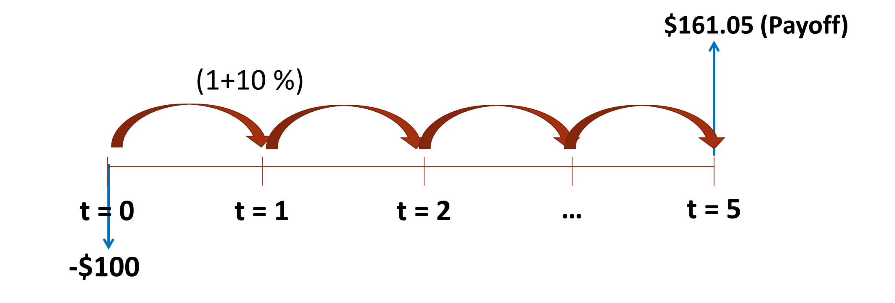

 | Investor | Bank
Future Value (FV) | $161.05 | -$161.05

Present Value (PV)
Present Value -- PV Function

How much is $100 two years from now worth today, if your discount rate (i.e. opportunity cost) is 5% per year?

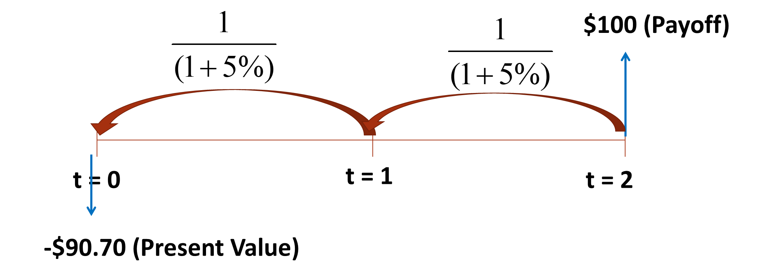
Future Value (FV) | 100
Annual Interest Rate (RATE) | 5%
No. of Years (NPER) | 2
Annual Investments (PMT) | 0

Present Value (PV) | -$90.70

Future Value (FV) -- 2
Future Value -- FV Function

Suppose you invest $1,000 today, plus $200 annually in an account that earns 10% per year, how much will it be worth in 5 years?
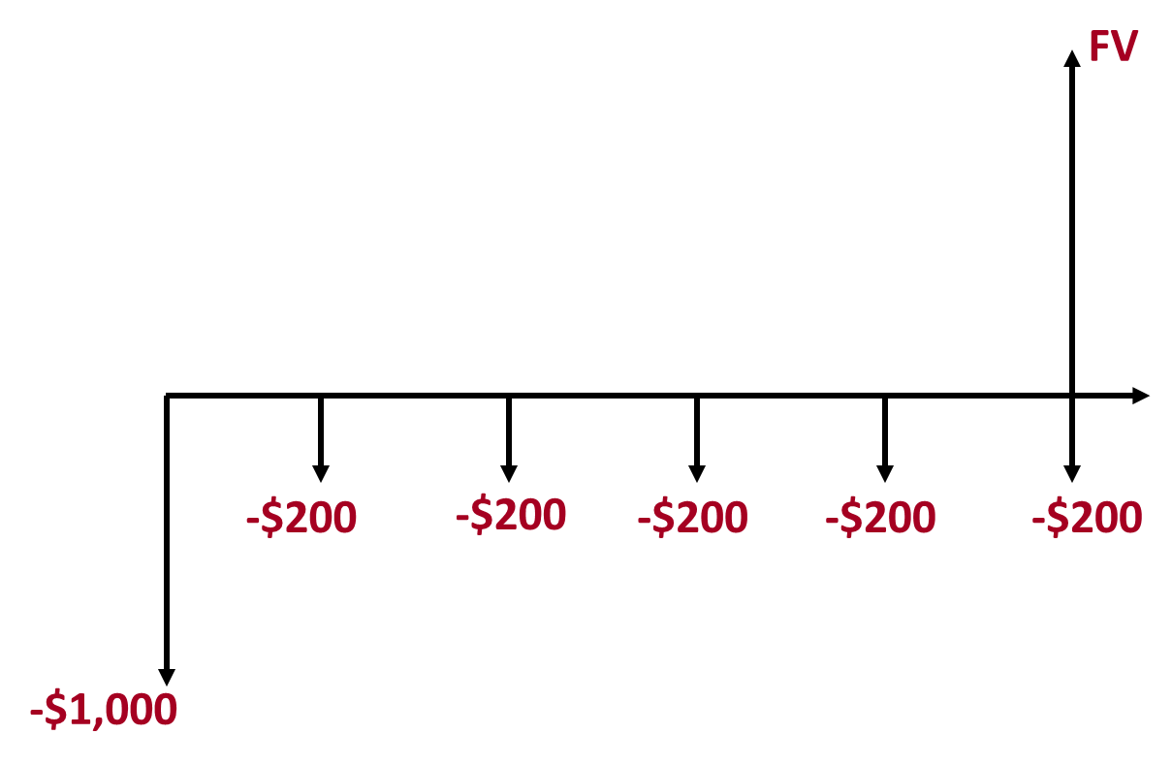
Initial Investment (PV) | -1000
Annual Interest Rate (RATE) | 10%
No. of Years (NPER) | 5
Annual deposits (PMT) | -200

Future Value (FV) | $2,831.53

Quote, EAR, FV Example
EAR and APR Example

Initial Investment | $1,000
i_weekly | 0.15%
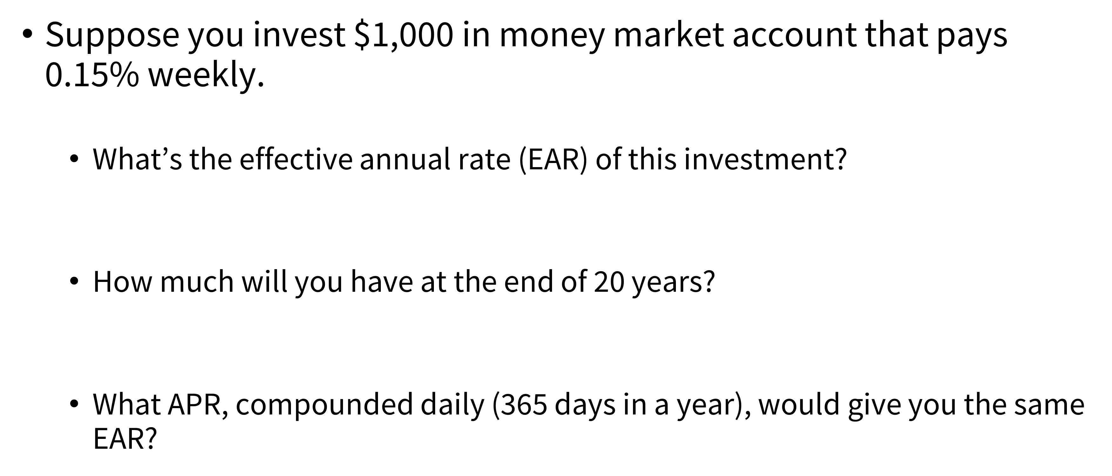
APR | 7.8000% | i_a | 8.11%

EAR | 8.11%

 |  | Weekly Rate
Future Value_20 | $4,753 | $4,753
 |  | No. Periods | 1040

i_daily | 0.021%

APR | 7.79499%

Mismatch quoted rate & period
More Complex EAR and FV Example

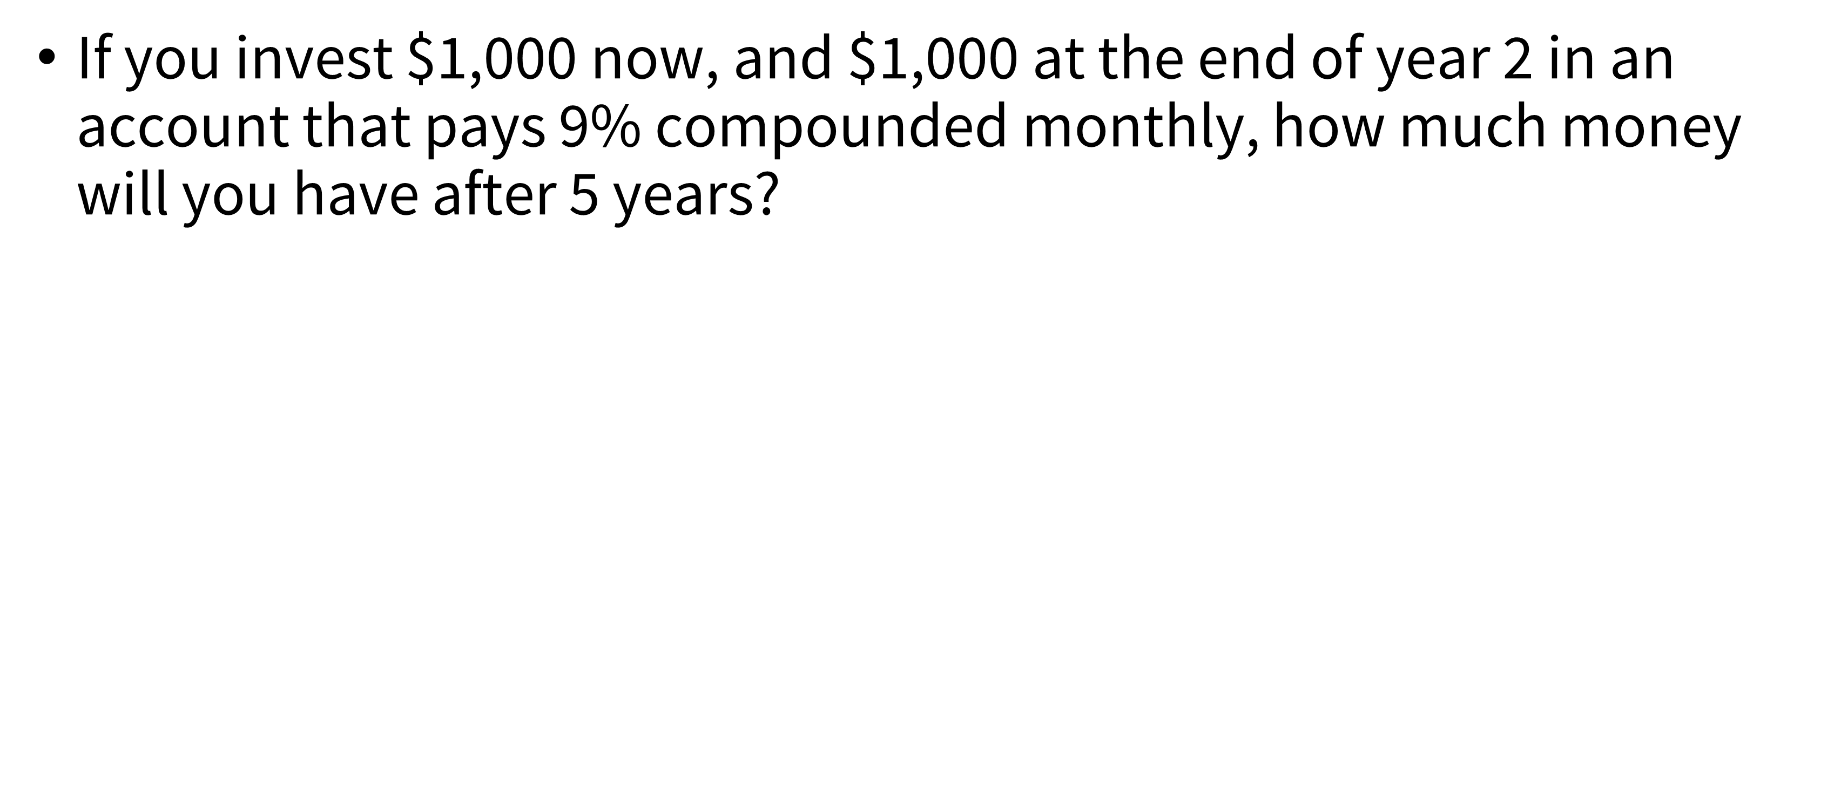
APR | 9% | Compounded Monthly
Term | 5 | years
EAR | 9.38%

EOY | Cash Flow | FV_EOY5
0 | 1000 | $1,565.68
1 | 0 | $0.00
2 | 1000 | $1,308.65
 | Total | $2,874.33

XNPV
$$XNPV= \sum_{t=1}^{T}{\frac{{CF}_{t}}{{(1+r_{daily})}^{\left(d_{t}−d_{1}\right)}}}$$
Using Dates for Net Present Value Function (XNPV Function)

Discount Rate | 6% | Discount Rate | 6% | Daily Rate | 0.0160%

Date | Cash Flows | Date | Cash Flows | Day | Cash Flows | Present Value
2023-01-01 | -$85,000 | 2021-12-28 | -$10,000 | 0 | -$10,000 | -$10,000
2023-12-31 | $0 | 2022-02-26 | $2,750 | 60 | $2,750 | $2,724
2024-12-31 | $21,000 | 2022-10-27 | $4,250 | 303 | $4,250 | $4,049
2025-12-31 | $30,000 | 2023-02-12 | $3,250 | 411 | $3,250 | $3,044
2026-12-31 | $42,000 | 2023-03-29 | $2,750 | 456 | $2,750 | $2,557
NPV | -$7,853.56 | NPV | $2,373.63 |  | NPV | $2,373.63

Example - Annuity Payout
Annuity Example: Lottery Payout

Lotto PV | $100,000,000
Discount Rate | 5% | $100,000,000

No. Periods | 20

Yearly Disbursements | $8,024,258.72
 |  | 0 1 2 … 19 20 | payments

$A??
...
$A??
$A??

Example - Annuity
Annuity Example: Lottery

Rate | 10%
 |  |  | Finding Present Value using Cash Flow Structure
EOY | Payouts | Present Value | Present Value | $4,682,460.05 | =PV($C$4, 19, -500000)+500000
0 | $500,000 | $500,000.00 |  | $4,682,460.05 | =-PV($C$4, 19, 500000)+500000
1 | $500,000 | $454,545.45
2 | $500,000 | $413,223.14 | PV_brute force | $4,682,460.05 | =SUM(D7:D26)
3 | $500,000 | $375,657.40
4 | $500,000 | $341,506.73 | PV???
5 | $500,000 | $310,460.66
6 | $500,000 | $282,236.97 |  |  |  | ===
7 | $500,000 | $256,579.06
8 | $500,000 | $233,253.69 |  |  |  |  | 0 1 2 … 19 | payments
9 | $500,000 | $212,048.81
10 | $500,000 | $192,771.64
$500K
$500K
...
$500K
$500K
11 | $500,000 | $175,246.95
12 | $500,000 | $159,315.41
13 | $500,000 | $144,832.19
14 | $500,000 | $131,665.63
15 | $500,000 | $119,696.02
16 | $500,000 | $108,814.57
17 | $500,000 | $98,922.33
18 | $500,000 | $89,929.39
19 | $500,000 | $81,754.00

