Bank Server Example
Dealing with ongoing projects -- Using a a horizon specified by decision maker

Discount Rate | 8%

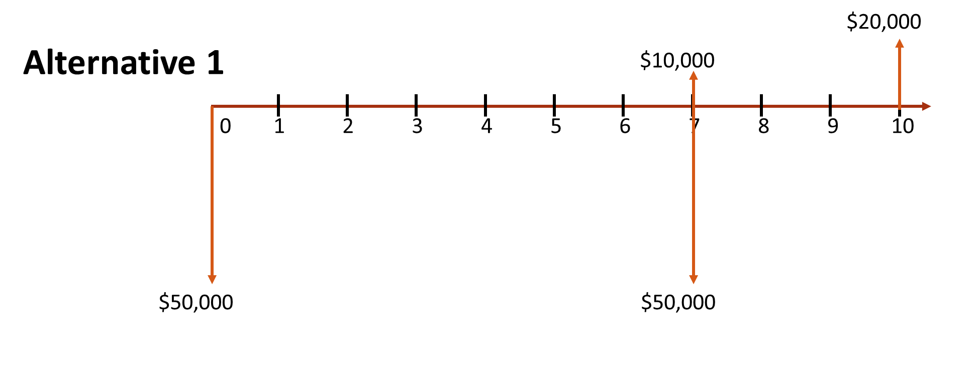
Year | Alternative 1 | Alternative 2
0 | -$50,000 | -$75,000
1 | $0 | $0
2 | $0 | $0
3 | $0 | $0
4 | $0 | $0
5 | $0 | $0
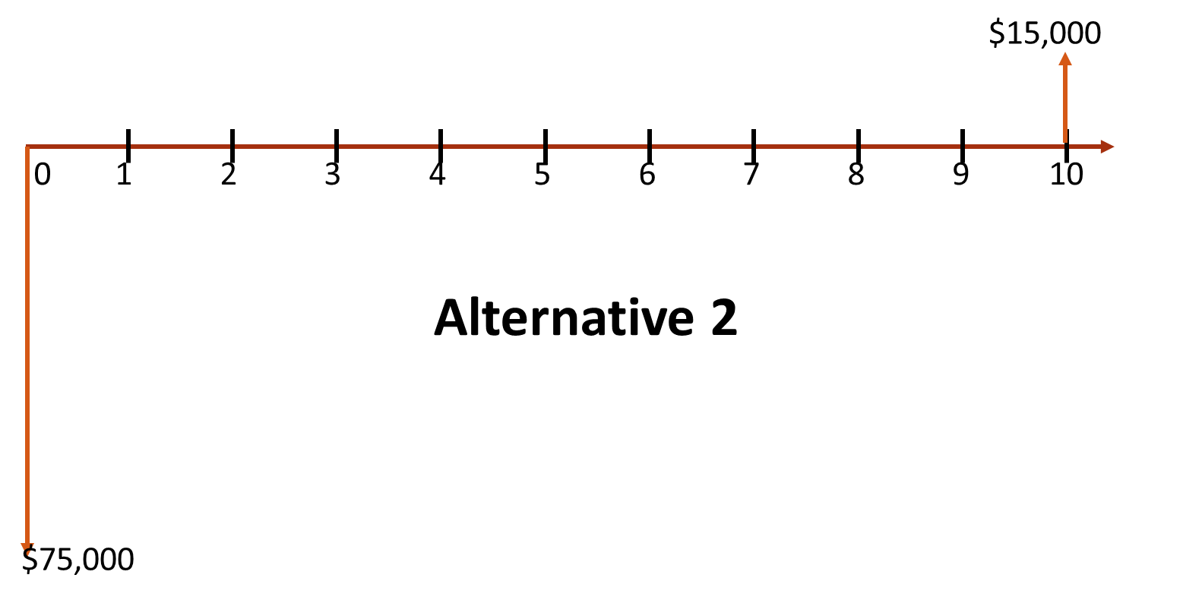
6 | $0 | $0
7 | -$40,000 | $0
8 | $0 | $0
9 | $0 | $0
10 | $20,000 | $15,000

NPV | -$64,075.75 | -$68,052.10
NPV | -$64,075.75 | -$68,052.10

RATE
Internal Rate of Return Analysis

Discount Rate | 10.00%
 |  | 16K 16K 16K 16K 16K
EOY | Cash Flow |  |  | -59
0 | -17,000
1 | 16,000
2 | 16,000
3 | 16,000
4 | 16,000
5 | -59,000 | -17K
NPV | -$2,916.51

IRR | 59.71%
IRR w/ RATE Function | 59.71%
 |  |  | -75K

NPV for different Interest Rates
0% | -$12,000.00
5% | -$6,492.84
10% | -$2,916.51
15% | -$653.77
20% | $708.98
25% | $1,452.48
30% | $1,769.44
35% | $1,793.37
40% | $1,617.54
45% | $1,307.48
50% | $909.47
55% | $456.23
60% | -$29.02
65% | -$529.91
Rate | NPV
0% | -$12,000.00
5% | -$6,492.84
10% | -$2,916.51
15% | -$653.77
20% | $708.98
25% | $1,452.48
30% | $1,769.44
35% | $1,793.37
40% | $1,617.54
45% | $1,307.48
50% | $909.47
55% | $456.23
60% | -$29.02
65% | -$529.91

