Amortization Schedule
Amortization Schedule Construction
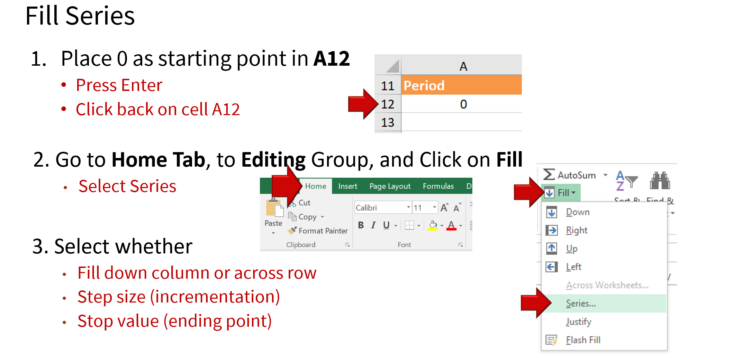

B15
B15
Loan Amount | $20,000

APR (monthly compounding) | 6%
Loan Term (in years) | 4

Monthly Payment | $469.70

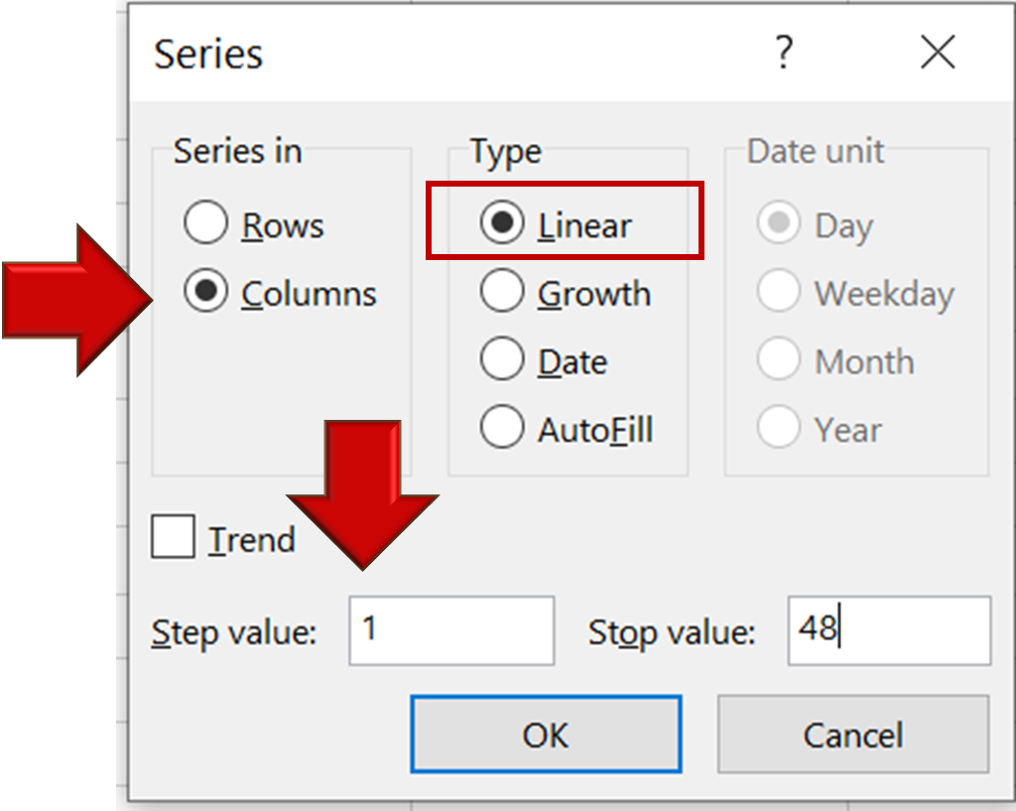
Period | Interest | Principal | Total Payment | Loan Balance
0 |  |  |  | $20,000
1 | $100.00 | $369.70 | $469.70 | $19,630.30
2 | $98.15 | $371.55 | $469.70 | $19,258.75
3 | $96.29 | $373.41 | $469.70 | $18,885.34
4 | $94.43 | $375.27 | $469.70 | $18,510.07
5 | $92.55 | $377.15 | $469.70 | $18,132.92
6 | $90.66 | $379.04 | $469.70 | $17,753.88
7 | $88.77 | $380.93 | $469.70 | $17,372.95
8 | $86.86 | $382.84 | $469.70 | $16,990.12
9 | $84.95 | $384.75 | $469.70 | $16,605.37
10 | $83.03 | $386.67 | $469.70 | $16,218.69
11 | $81.09 | $388.61 | $469.70 | $15,830.09
12 | $79.15 | $390.55 | $469.70 | $15,439.54
13 | $77.20 | $392.50 | $469.70 | $15,047.03
14 | $75.24 | $394.47 | $469.70 | $14,652.57
15 | $73.26 | $396.44 | $469.70 | $14,256.13
16 | $71.28 | $398.42 | $469.70 | $13,857.71
17 | $69.29 | $400.41 | $469.70 | $13,457.30
18 | $67.29 | $402.41 | $469.70 | $13,054.88
19 | $65.27 | $404.43 | $469.70 | $12,650.46
20 | $63.25 | $406.45 | $469.70 | $12,244.01
21 | $61.22 | $408.48 | $469.70 | $11,835.53
22 | $59.18 | $410.52 | $469.70 | $11,425.01
23 | $57.13 | $412.58 | $469.70 | $11,012.43
24 | $55.06 | $414.64 | $469.70 | $10,597.79
25 | $52.99 | $416.71 | $469.70 | $10,181.08
26 | $50.91 | $418.80 | $469.70 | $9,762.28
27 | $48.81 | $420.89 | $469.70 | $9,341.40
28 | $46.71 | $422.99 | $469.70 | $8,918.40
29 | $44.59 | $425.11 | $469.70 | $8,493.29
30 | $42.47 | $427.23 | $469.70 | $8,066.06
31 | $40.33 | $429.37 | $469.70 | $7,636.69
32 | $38.18 | $431.52 | $469.70 | $7,205.17
33 | $36.03 | $433.67 | $469.70 | $6,771.50
34 | $33.86 | $435.84 | $469.70 | $6,335.65
35 | $31.68 | $438.02 | $469.70 | $5,897.63
36 | $29.49 | $440.21 | $469.70 | $5,457.42
37 | $27.29 | $442.41 | $469.70 | $5,015.01
38 | $25.08 | $444.63 | $469.70 | $4,570.38
39 | $22.85 | $446.85 | $469.70 | $4,123.53
40 | $20.62 | $449.08 | $469.70 | $3,674.45
41 | $18.37 | $451.33 | $469.70 | $3,223.12
42 | $16.12 | $453.58 | $469.70 | $2,769.54
43 | $13.85 | $455.85 | $469.70 | $2,313.68
44 | $11.57 | $458.13 | $469.70 | $1,855.55
45 | $9.28 | $460.42 | $469.70 | $1,395.13
46 | $6.98 | $462.72 | $469.70 | $932.40
47 | $4.66 | $465.04 | $469.70 | $467.36
48 | $2.34 | $467.36 | $469.70 | $0.00

