KPIs
KPI Names | SQL Logic | KPI Code | Colour
Change Request KPI
 | 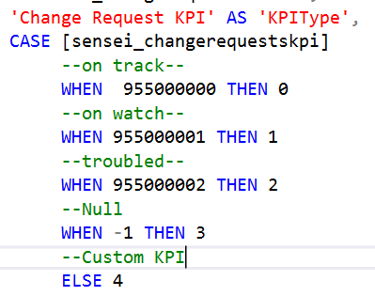 | =Switch(IsNothing(Fields!KPI.Value), "x",First(Fields!KPI.Value) = 0, "l", First(Fields!KPI.Value) = 1, "n", First(Fields!KPI.Value) = 2, "u", First(Fields!KPI.Value) = 3 , "x", First(Fields!KPI.Value) = 4, "m")

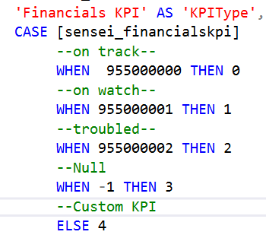
Project KPI |  | Symbols
 | 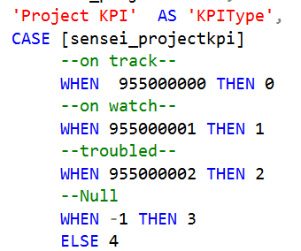 | =Switch(IsNothing(Fields!KPI.Value), "x",First(Fields!KPI.Value) = 0, "l", First(Fields!KPI.Value) = 1, "n", First(Fields!KPI.Value) = 2, "u", First(Fields!KPI.Value) = 3 , "x", First(Fields!KPI.Value) = 4, "m")
Financials KPI
 |  | x | black
 |  | l | green
 |  | n | yellow
 |  | u | red
 |  | m | Orange

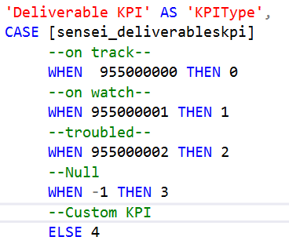
Deliverable KPI

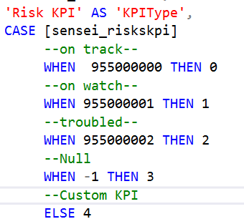
Risks KPI

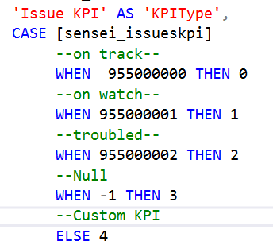
Issue KPI

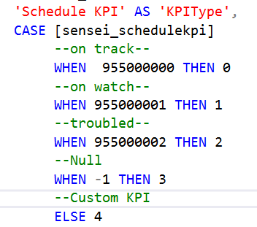
Schedule KPI

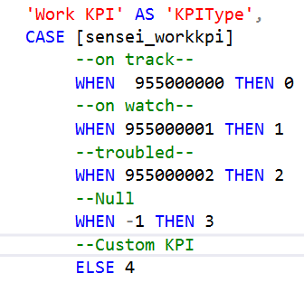
Work KPI

