epoch=5 fold=5
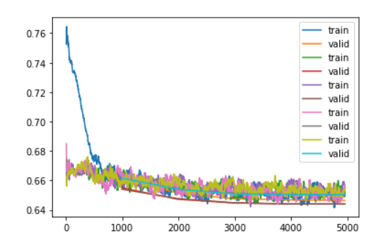
 | Kfold |  | stratifiedKFold
lr=suggest[0] | 1.45E-06
lr=2e-5 |  | 2.00E-05 |  | 2.00E-05
fold=0 | 20.487019
 | 19.19628
 | 18.712587
 | 18.604034
 | 18.550104
mean | 19.1100048
fold=1 | 19.985928
 | 19.036282
 | 18.723402
 | 18.626709
 | 18.628292
mean | 19.0001226
fold=2 | 19.280655
 | 18.48341
 | 18.112698
 | 18.00515
 | 17.992931
mean | 18.3749688
fold=3 | 20.856167
 | 20.046211
 | 19.706087
 | 19.562956
 | 19.521124
mean | 19.938509
fold=4 | 19.07789
 | 18.108038
 | 17.666479
 | 17.634943
 | 17.613319
mean | 18.0201338

