epoch=5 fold=5
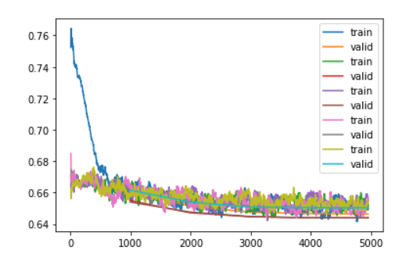
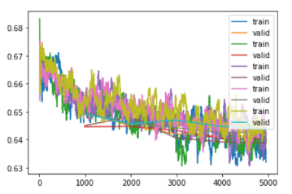
version | version40 | version41 | version43 | version42
fold | Kfold |  | stratifiedKFold
lr=suggest[0] | 1.45E-06
lr=2e-5 |  | 2.00E-05 |  | 2.00E-05
fold=0 | 20.487019 | 17.87295 |  | 18.896317
 | 19.19628 | 17.889015 |  | 18.237698
 | 18.712587 | 17.417202 |  | 17.868242
 | 18.604034 | 17.43416 |  | 17.745932
 | 18.550104 | 17.38661 |  | 17.768475
mean | 19.1100048 | 17.5999874 | #DIV/0! | 18.1033328
fold=1 | 19.985928 | 18.420162 |  | 18.134224
 | 19.036282 | 17.92173 |  | 18.178968
 | 18.723402 | 17.768656 |  | 17.978865
 | 18.626709 | 17.516155 |  | 17.590349
 | 18.628292 | 17.531881 |  | 17.591051
mean | 19.0001226 | 17.8317168 | #DIV/0! | 17.8946914
fold=2 | 19.280655 | 20.221741 |  | 18.215357
 | 18.48341 | 19.554825 |  | 18.638985
 | 18.112698 | 19.102396 |  | 17.672844
 | 18.00515 | 19.06316 |  | 17.456705
 | 17.992931 | 19.102913 |  | 17.413788
mean | 18.3749688 | 19.409007 | #DIV/0! | 17.8795358
fold=3 | 20.856167 | 17.841892 |  | 18.822882
 | 20.046211 | 17.543966 |  | 18.371365
 | 19.706087 | 17.366581 |  | 18.157206
 | 19.562956 | 17.237898 |  | 17.92429
 | 19.521124 | 17.23727 |  | 17.952993
mean | 19.938509 | 17.4455214 | #DIV/0! | 18.2457472
fold=4 | 19.07789 | 18.399555 |  | 18.73457
 | 18.108038 | 18.413563 |  | 18.259331
 | 17.666479 | 18.033613 |  | 18.397352
 | 17.634943 | 17.757217 |  | 18.133154
 | 17.613319 | 17.768974 |  | 18.040077
mean | 18.0201338 | 18.0745844 | #DIV/0! | 18.3128968
ave_mean | 18.8887478 | 18.0721634 | #DIV/0! | 18.0872408

