LR
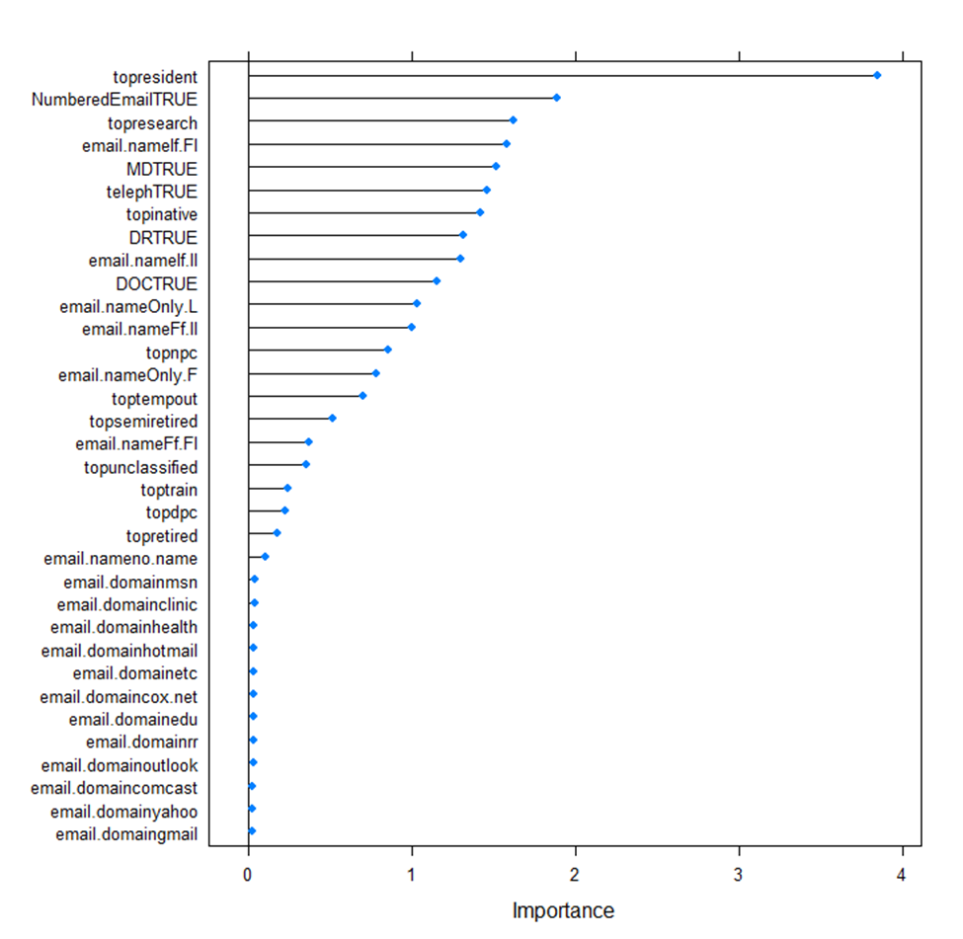

Confusion Matrix and Statistics

Reference
Prediction Bad Good
Bad 102 44
Good 32 541

Accuracy : 0.8943
95% CI : (0.8695, 0.9158)
No Information Rate : 0.8136
P-Value [Acc > NIR] : 2.05e-09

Kappa : 0.6631

Mcnemar's Test P-Value : 0.207

Sensitivity : 0.7612
Specificity : 0.9248
Pos Pred Value : 0.6986
Neg Pred Value : 0.9442
Prevalence : 0.1864
Detection Rate : 0.1419
Detection Prevalence : 0.2031
Balanced Accuracy : 0.8430

'Positive' Class : Bad

PLR
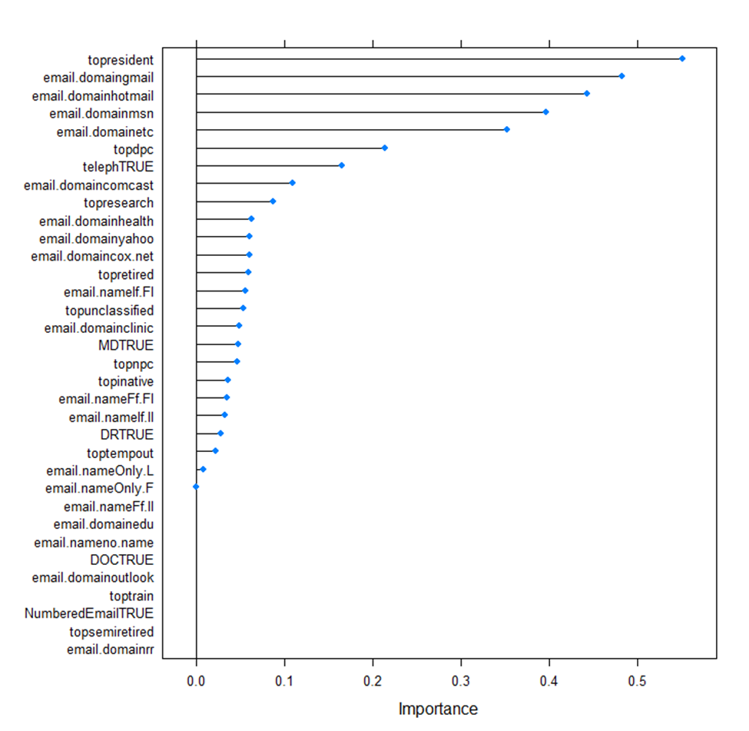
Random Search | Grid Search

Confusion Matrix and Statistics | Confusion Matrix and Statistics

Reference | Reference
Prediction Bad Good | Prediction Bad Good
Bad 94 42 | Bad 95 42
Good 40 543 | Good 39 543

Accuracy : 0.886 | Accuracy : 0.8873
95% CI : (0.8604, 0.9083) | 95% CI : (0.8619, 0.9095)
No Information Rate : 0.8136 | No Information Rate : 0.8136
P-Value [Acc > NIR] : 8.91e-08 | P-Value [Acc > NIR] : 4.918e-08

Kappa : 0.6261 | Kappa : 0.6317

Mcnemar's Test P-Value : 0.9121 | Mcnemar's Test P-Value : 0.8241

Sensitivity : 0.7015 | Sensitivity : 0.7090
Specificity : 0.9282 | Specificity : 0.9282
Pos Pred Value : 0.6912 | Pos Pred Value : 0.6934
Neg Pred Value : 0.9314 | Neg Pred Value : 0.9330
Prevalence : 0.1864 | Prevalence : 0.1864
Detection Rate : 0.1307 | Detection Rate : 0.1321
Detection Prevalence : 0.1892 | Detection Prevalence : 0.1905
Balanced Accuracy : 0.8148 | Balanced Accuracy : 0.8186

'Positive' Class : Bad | 'Positive' Class : Bad

alpha lambda | alpha lambda
0.2421053 0.01784913 | 0.15 0.04897436

LDA
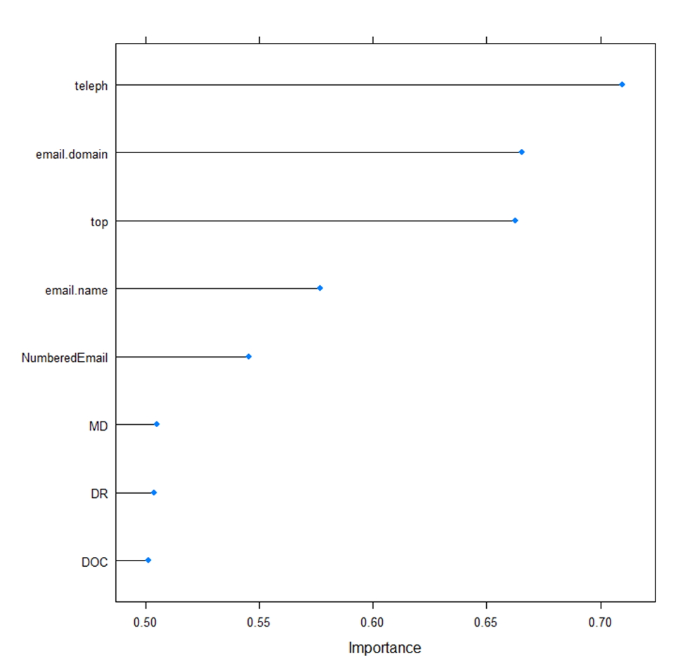

Confusion Matrix and Statistics

Reference
Prediction Bad Good
Bad 106 47
Good 28 538

Accuracy : 0.8957
95% CI : (0.871, 0.9171)
No Information Rate : 0.8136
P-Value [Acc > NIR] : 1.041e-09

Kappa : 0.6739

Mcnemar's Test P-Value : 0.03767

Sensitivity : 0.7910
Specificity : 0.9197
Pos Pred Value : 0.6928
Neg Pred Value : 0.9505
Prevalence : 0.1864
Detection Rate : 0.1474
Detection Prevalence : 0.2128
Balanced Accuracy : 0.8554

'Positive' Class : Bad

PLS
Grid Search |  | Random Search
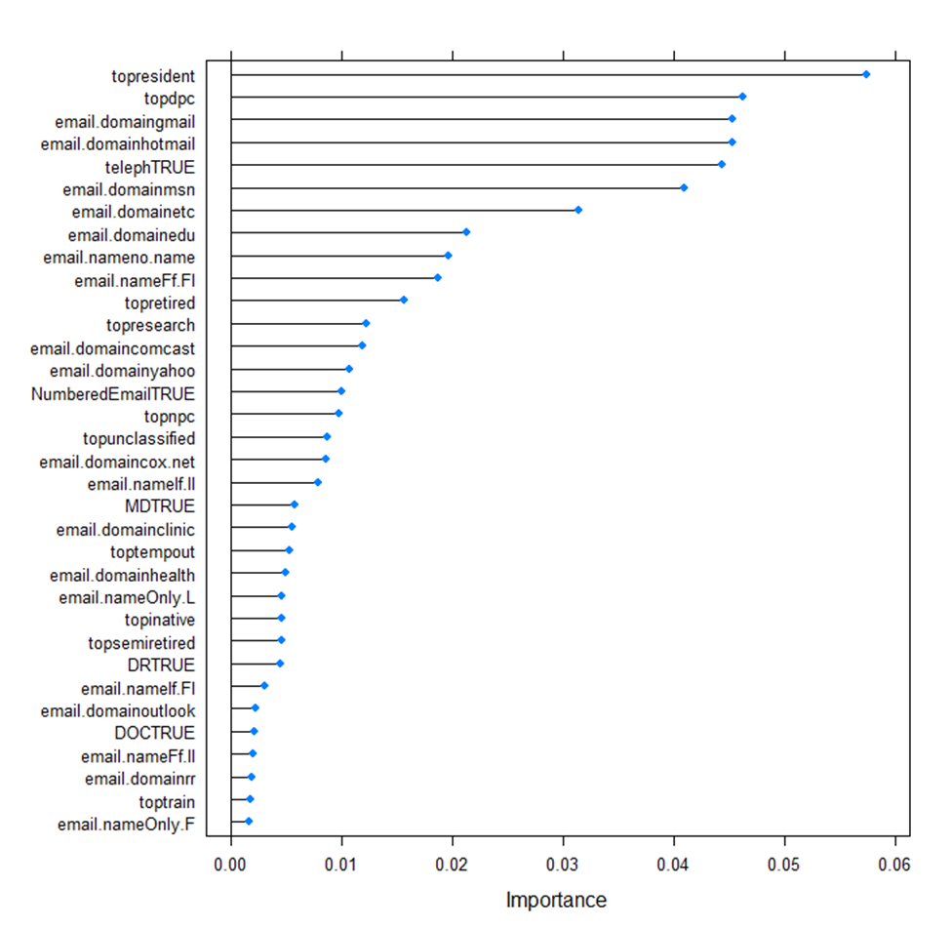
Confusion Matrix and Statistics |  | Confusion Matrix and Statistics

Reference |  | Reference
Prediction Bad Good |  | Prediction Bad Good
Bad 88 40 |  | Bad 88 40
Good 46 545 |  | Good 46 545

Accuracy : 0.8804 |  | Accuracy : 0.8804
95% CI : (0.8544, 0.9032) |  | 95% CI : (0.8544, 0.9032)
No Information Rate : 0.8136 |  | No Information Rate : 0.8136
P-Value [Acc > NIR] : 8.409e-07 |  | P-Value [Acc > NIR] : 8.409e-07

Kappa : 0.5987 |  | Kappa : 0.5987

Mcnemar's Test P-Value : 0.5898 |  | Mcnemar's Test P-Value : 0.5898

Sensitivity : 0.6567 |  | Sensitivity : 0.6567
Specificity : 0.9316 |  | Specificity : 0.9316
Pos Pred Value : 0.6875 |  | Pos Pred Value : 0.6875
Neg Pred Value : 0.9222 |  | Neg Pred Value : 0.9222
Prevalence : 0.1864 |  | Prevalence : 0.1864
Detection Rate : 0.1224 |  | Detection Rate : 0.1224
Detection Prevalence : 0.1780 |  | Detection Prevalence : 0.1780
Balanced Accuracy : 0.7942 |  | Balanced Accuracy : 0.7942

'Positive' Class : Bad |  | 'Positive' Class : Bad

 | ncomp |  | ncomp
 | 2 |  | 2

FDA
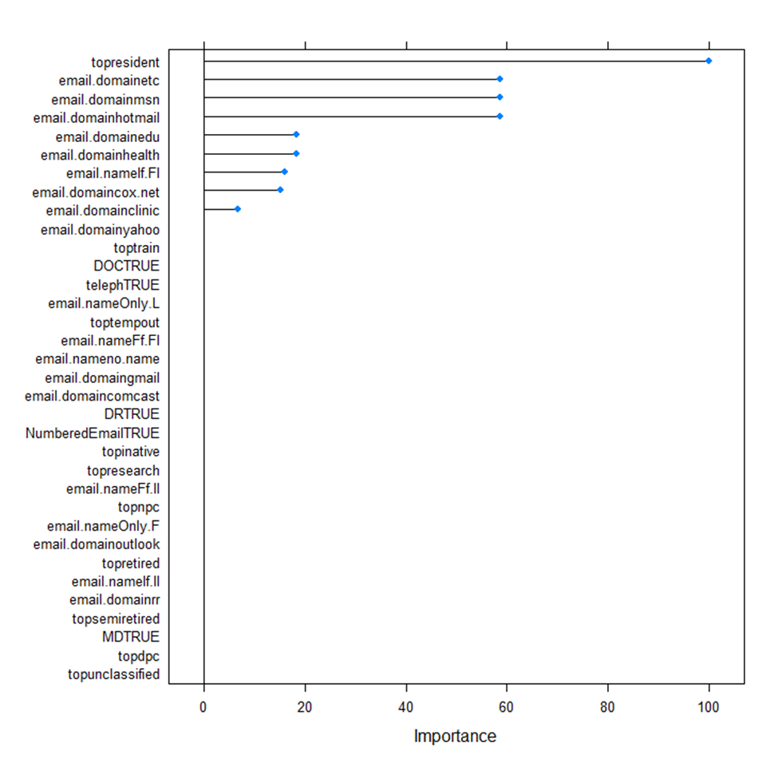
Random Search

Confusion Matrix and Statistics

Reference
Prediction Bad Good
Bad 109 53
Good 25 532

Accuracy : 0.8915
95% CI : (0.8665, 0.9133)
No Information Rate : 0.8136
P-Value [Acc > NIR] : 7.62e-09

Kappa : 0.669

Mcnemar's Test P-Value : 0.002235

Sensitivity : 0.8134
Specificity : 0.9094
Pos Pred Value : 0.6728
Neg Pred Value : 0.9551
Prevalence : 0.1864
Detection Rate : 0.1516
Detection Prevalence : 0.2253
Balanced Accuracy : 0.8614

'Positive' Class : Bad

 | degree nprune
 | 1 10

NSC
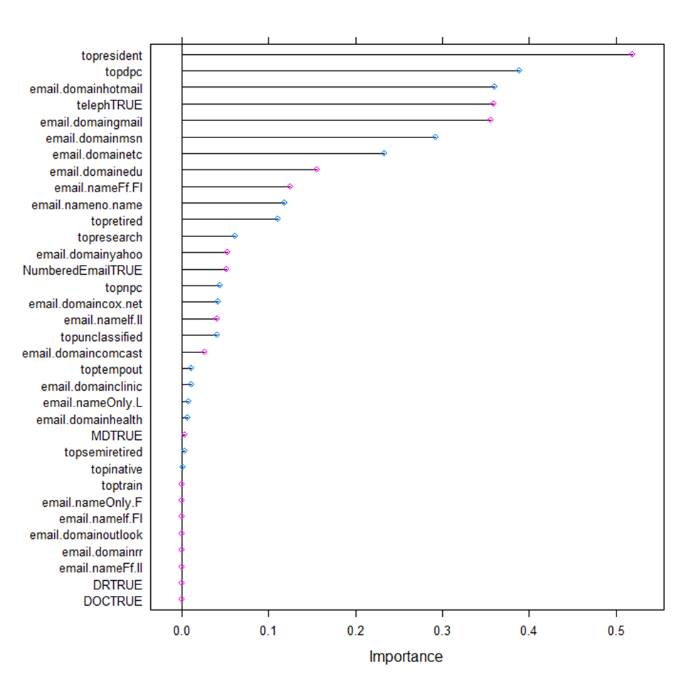

Confusion Matrix and Statistics

Reference
Prediction Bad Good
Bad 20 8
Good 114 577

Accuracy : 0.8303
95% CI : (0.8008, 0.8571)
No Information Rate : 0.8136
P-Value [Acc > NIR] : 0.1348

Kappa : 0.1951

Mcnemar's Test P-Value : <2e-16

Sensitivity : 0.14925
Specificity : 0.98632
Pos Pred Value : 0.71429
Neg Pred Value : 0.83502
Prevalence : 0.18637
Detection Rate : 0.02782
Detection Prevalence : 0.03894
Balanced Accuracy : 0.56779

'Positive' Class : Bad

 | threshold
 | 0.5908726

NN
Grid Search | Random Search
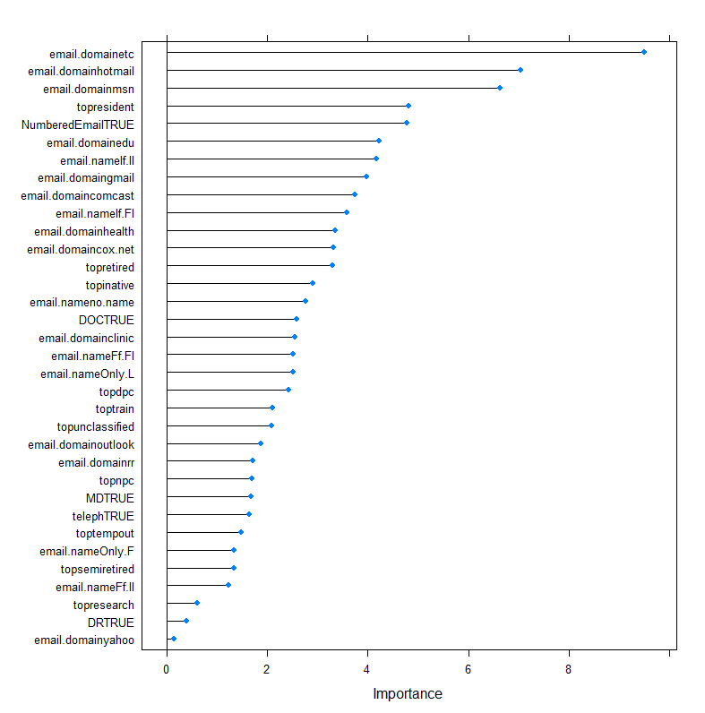
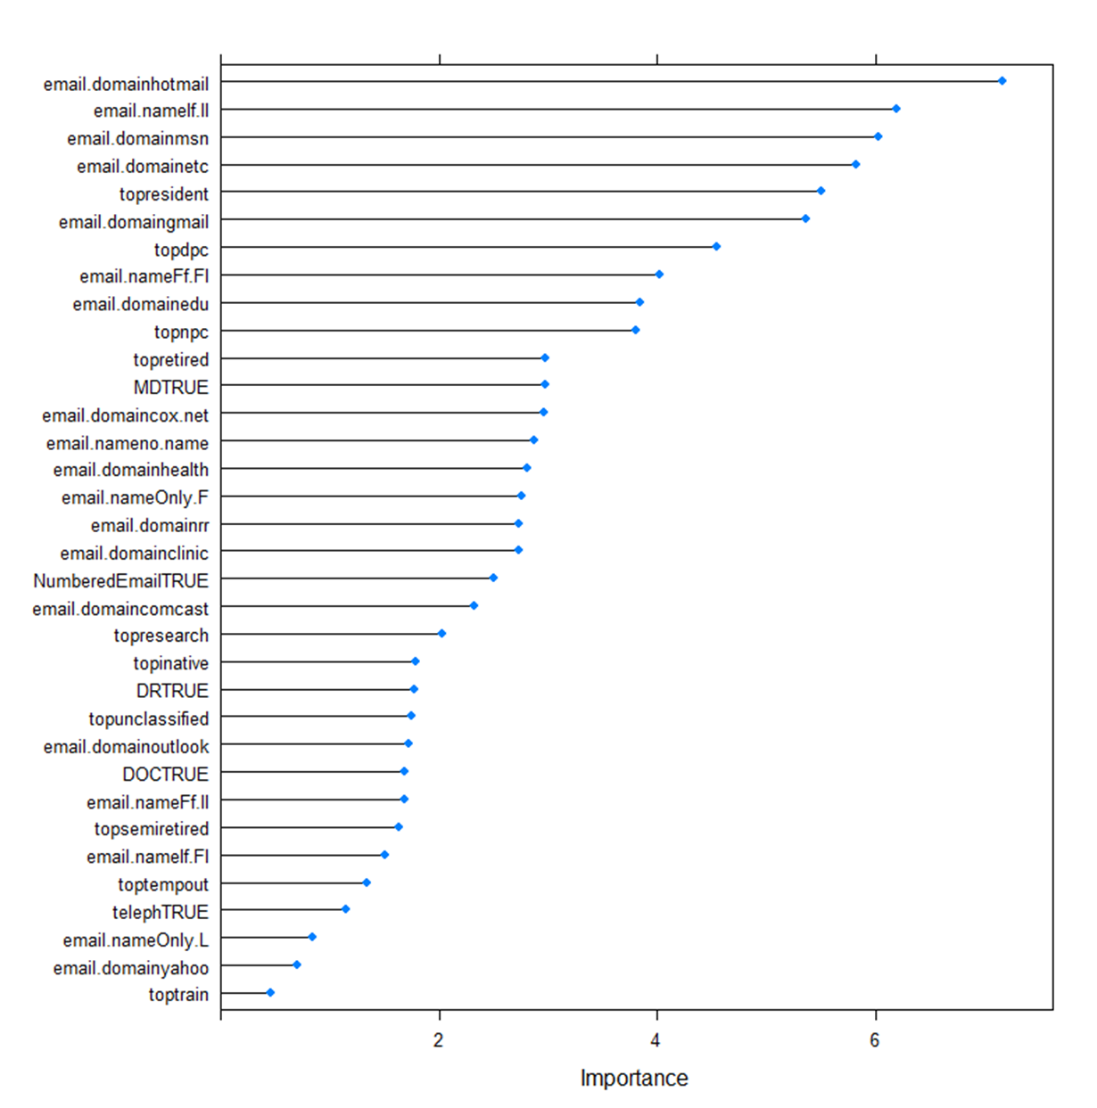
Confusion Matrix and Statistics | Confusion Matrix and Statistics

Reference | Reference
Prediction Bad Good | Prediction Bad Good
Bad 95 39 | Bad 98 52
Good 51 534 | Good 36 533

Accuracy : 0.8748 | Accuracy : 0.8776
95% CI : (0.8484, 0.8981) | 95% CI : (0.8514, 0.9007)
No Information Rate : 0.7969 | No Information Rate : 0.8136
P-Value [Acc > NIR] : 2.75e-08 | P-Value [Acc > NIR] : 2.391e-06

Kappa : 0.601 | Kappa : 0.6142
Mcnemar's Test P-Value : 0.2463 | Mcnemar's Test P-Value : 0.1098

Sensitivity : 0.6507 | Sensitivity : 0.7313
Specificity : 0.9319 | Specificity : 0.9111
Pos Pred Value : 0.7090 | Pos Pred Value : 0.6533
Neg Pred Value : 0.9128 | Neg Pred Value : 0.9367
Prevalence : 0.2031 | Prevalence : 0.1864
Detection Rate : 0.1321 | Detection Rate : 0.1363
Detection Prevalence : 0.1864 | Detection Prevalence : 0.2086
Balanced Accuracy : 0.7913 | Balanced Accuracy : 0.8212

'Positive' Class : Bad | 'Positive' Class : Bad

RF
Grid Search |  | Random Search

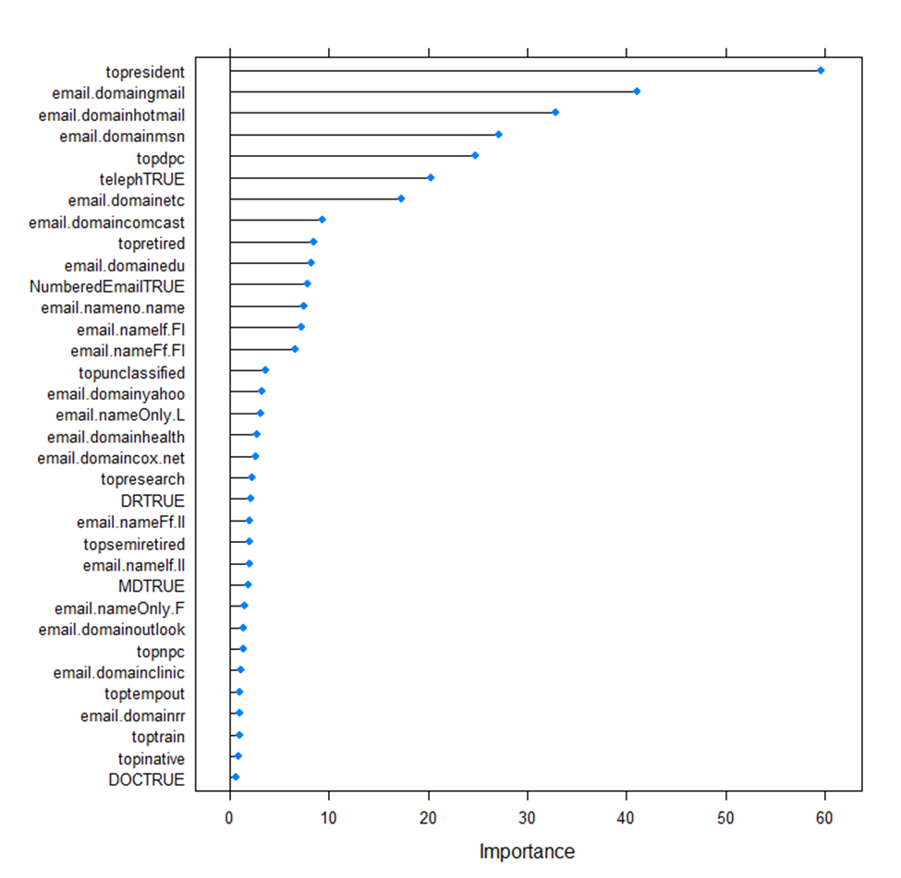
Confusion Matrix and Statistics |  | Confusion Matrix and Statistics

Reference |  | Reference
Prediction Bad Good |  | Prediction Bad Good
Bad 78 28 |  | Bad 88 40
Good 56 557 |  | Good 46 545

Accuracy : 0.8832 |  | Accuracy : 0.8804
95% CI : (0.8574, 0.9057) |  | 95% CI : (0.8544, 0.9032)
No Information Rate : 0.8136 |  | No Information Rate : 0.8136
P-Value [Acc > NIR] : 2.81e-07 |  | P-Value [Acc > NIR] : 8.409e-07

Kappa : 0.581 |  | Kappa : 0.5987

Mcnemar's Test P-Value : 0.00322 |  | Mcnemar's Test P-Value : 0.5898

Sensitivity : 0.5821 |  | Sensitivity : 0.6567
Specificity : 0.9521 |  | Specificity : 0.9316
Pos Pred Value : 0.7358 |  | Pos Pred Value : 0.6875
Neg Pred Value : 0.9086 |  | Neg Pred Value : 0.9222
Prevalence : 0.1864 |  | Prevalence : 0.1864
Detection Rate : 0.1085 |  | Detection Rate : 0.1224
Detection Prevalence : 0.1474 |  | Detection Prevalence : 0.1780
Balanced Accuracy : 0.7671 |  | Balanced Accuracy : 0.7942

'Positive' Class : Bad |  | 'Positive' Class : Bad

mtry | Numer of Trees
3 | 3000 | mtry | Numer of Trees
 |  | 7 | 3000

