Ark1
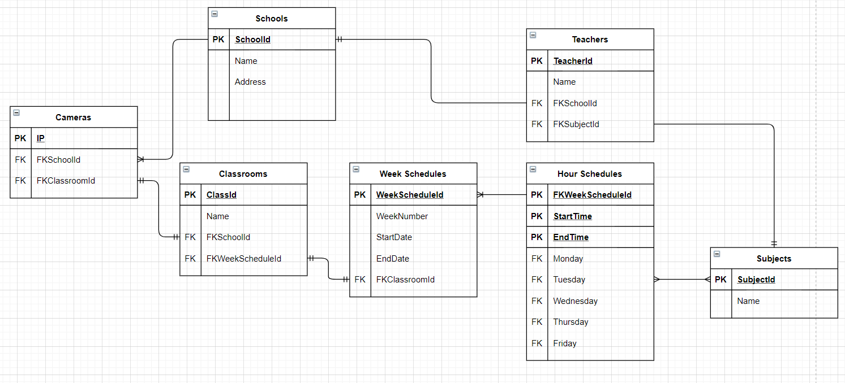
Schools
SchoolId | Name | Address
18 | EUC Syd | Hilmar Finsensgade

Classrooms
ClassId | Name | FKSchoolId | FKWeekScheduleId
5 | Tokyo | 18

Cameras
IP | FKSchoolId | FKClassroomId
192.168.0.5 | 18 | 5

Week Schedules
PKWeekScheduleId | WeekNumber | StartDate | EndDate | FKClassroomId

