Defect & Issue List
TOUCHLESS ORDER CREATION — UAT & TESTING DEFECT LIST
Project: Touchless Order Creation — AI Extraction & Mapping Agent | Version: 1.0 | Date: June 2026
Defect ID | Scenario / Module | Title of Issue | Description | Expected Result | Actual Result | Priority (P1/P2/P3) | Status (Open/In Progress/Resolved/Closed) | Final Status | Reported By | Assigned To | Date | Comments | updated feedback by dev team | Status
1 | 1536248 | Month and day requested is transpossed | Requested date on the PO has been transpossed. July 1 2026 requested date. Agent put in the correct PO date of 04/29/2026 but did not transpose the requested date to 07/01/2026 but rather 01/07/2026 | RDD should have been 07/01/2026 which is in the past. I would expect it to go on Double scedule lines with the best date. | RDD was entered for 01/07/2026. It is on double schedule lines for best date. | P1 | open |  | Erin Munoz |  | 2026-07-09 | Would prefer to have a backorder indicator alerting the CSR to the date accepted by SAP (ABO or DMAN). | in-progess . becuase all po have different date format but we pass one spefic date format when creating order so thats why it switch. so we are working on it . As soon as possible this also fixed .
2 | Processed POs FOLDER | Outlook, Processed POs foler | Original email from me showing the request to process is in the PROCESSED POs folder in Touchless Orders but there is no SO in Celnois to reference | Processed order in Celonis and EPQ | Order not in Celonis nor EPQ | P2 | open |  | Erin Munoz |  | 2026-07-09 |  | fixed
3 | 1536260 | Procesed in wrong sales org | Customer is extended to 2600 and 2620. This particular order was intended for 2620 sales org entry | PO should have been entered in 2620 | SO was entered in 2600 | p1 | open |  | Erin Munoz |  | 2026-07-10 |  | logic is fixed now again you can share the po so when agent run it process it successful
4 | 1536257 | Procesed two lines for same date. Only one listed on PO | Procesed two lines for same date. Only one listed on PO | One line listed as shown on the PO | Two lines listed for same material, volume and date | P1 | open |  | Erin Munoz |  |  |  | yes we resolve this issue and if you send the po again then it will create the sales order succesfula with all fields mapped correctly .
5 | 1536257 | UOM incorrect | Processed as LBs but PO states KGs | Agent should have rejected or should have entered as KGs rather than LB | Agent created as LBs and did not reject the PO | P1 | open |  | Erin Munoz |  |  |  | yes now we add lbs,lb and kg for unit so now it is fixed . you can send furthur po for testing . currently in some po we get nos in unit so we send those po in exception .
6 | 1536278 | Ship to party is not correct | Ship to party code should be 4020035300 PT. PLASMOTECH BATAM, but it shows ship to party code is 4020011523 PT. SUNTECH PLASTICS INDUSTRIES Route is blank Routes no are used for shipment planning (calculation of transit time and transportation planning lead time), service agent determination, and shipment costing (contracts based on departure zone and destination zone). Route also determines the shipping type, the means of transport and the legs involved. At order entry; a route can be determined for every order item on the basis of: Country and zone of shipping point Shipping condition from the sold-to-party Transportation group from the material master record Country and zone of the ship-to-party In customer portal,route will be maintained in route table (in SAP) for sea shipment at first, the condition is sales org + plant + shipping condition (10:sea shipment) + ship to party. For road shipment, will be trigged auto . 20.07 Jonas | Ship to party should be correct , and route no should be tiggered |  | P1 | open |  | Jonas Sun |  | 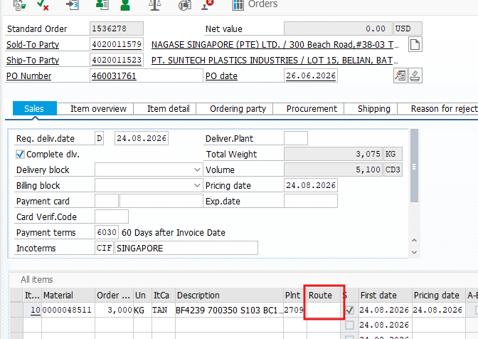 |  | yes this error comes becuase direcity ship to is not written in po so now it ship to on the consignee 1 . now we add this logic to the agent so it work fine now . so we can again test it if you send the po again to salesorder mailbox. 21.07 Jonas :Retest the order, submit 2 orders: PO:450012469+460031761, but agent just recognized one order:PO:450012469. Route no is missing
7 | 1536274 | PO date is not correct | Why PO date is 17.10.2025 ? | PO date should be correct |  | P1 | open |  | Jonas Sun |  |  |  | in po it is mention 17-oct-2025 so agnet transform it as 17.10.2025 . can you tell me what should we correct date for it . 20.07 Jonas: For China, SEA, Korea, PO date is triggered in customer portal, CRM, the date is the order which entered in SAP. | 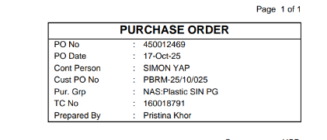
8 | PO121020152933 | Procesed in wrong sales org | The order number 0001536259 associated with this PO in the email does not match the actual order number in ePQ. |  |  |  | open |  | Ji Tao |  |  | Picture | Customer matierla is incorrect in cmir epq and material description is ok but sales org is 2545 . it is correct .in master data customer material is 15/PA6GF30GR BUT IN PO it is 15/1PA6GF30A2 SO like this their is simliar customer material for this like 15/1PA6GF30A2 SO WE DONT USE FUZZY LOGIC . so we need to update it
9 | 1536234 | Duplicate entry | I sent this order twice within a short period of time. As a result, all items were entered twice into the same sales order, so the SO now contains four items instead of two. | If the same PO is sent repeatedly within a short period of time, the system could either send a confirmation email back to the customer or prevent the order from being entered again. |  |  | open |  | Ji Tao |  |  | Picture | fixed . it is double process . logic is correct . we rerun it .
10 | - | Multiple orders | It seems multiple orders can not be placed in SAP in successfully. | one customer with different sales org |  | P1 | open |  | Jonas Sun |  |  |  | 21.07 Jonas : Submit 3 orders, but agent just recognized one order:300045803 | for all three omni system we create order so pls check and send your feedback .
11 | - | Korean order | It seems Korean order can not be placed in SAP in successfully. | Local language |  | P1 | open |  | Jonas Sun |  |  | 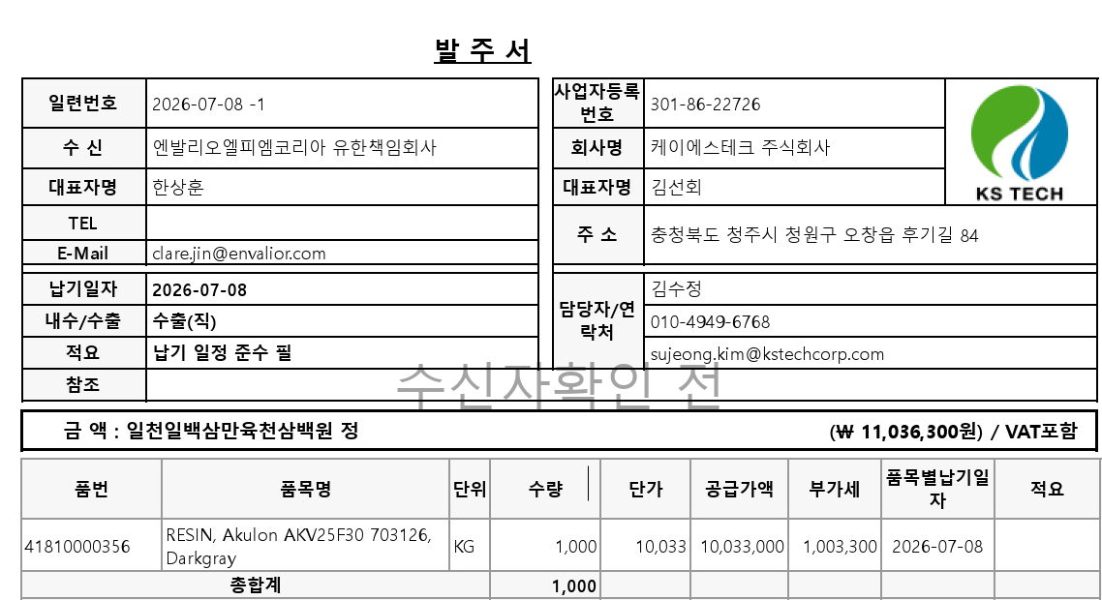 | customer material and material description is missing and sold to and ship to is missing . 21.07 Jonas: No missing, agent struggled to parse field names in local Asian languages
12 | 1536236 /1536237 | address incorrect | The Ship-to Party in the system is completely different from the Ship-to Party on the order. | The system can recognize the address on the order and select the corresponding Ship-to Party in SAP. |  | P1 | open |  | Ji Tao
13 | PO 121020151927 |  | This order was identified as a PO Exception, but the notification was sent to A. Deep rather than to me. |  |  | P1 | open |  | Ji Tao
14 |  | CMIR update request in EPQ
15 | Xudong Sun | customer material missing and material description is incomplete | pls review it and give me feedback |  |  | P1 | open |  |  |  |  | 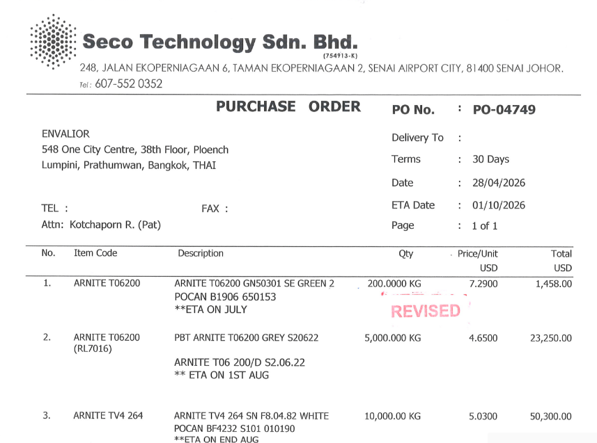 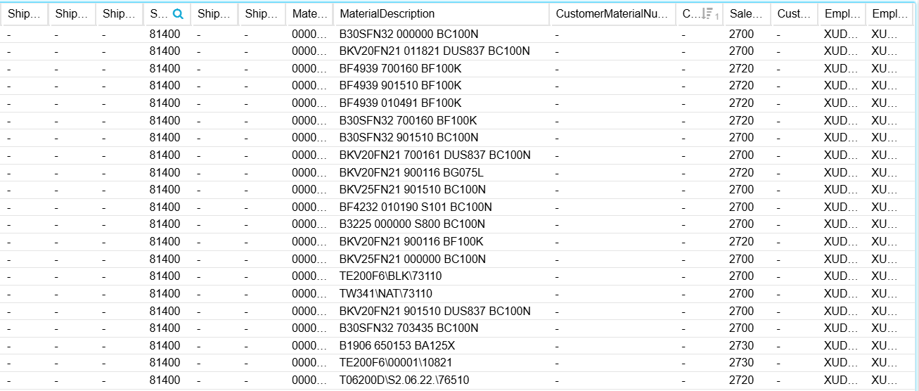
16 | Ralf Loeher | customer material and material description is missing | pls review it and give me feedback feedback: correct, there is no CMIR data in EPQ for this one and I understand that the agent has trouble understanding "PBT Pocan B3235 GF30 natur" - in this case I would indeed expect the mail to be forwarded to the ER contact feedback 2: I now added CMIR into EPQ and resent same PO (will update here) |  |  | P1 |  |  |  |  |  |  | ok thanks . we will process it and check and also now added the exception mail sending logic to csr and regional mailbox . so we get correct exception for it .
17 | Xudong Sun | customer material and material description is missing | pls review it and give me feedback
18 | 1536296 | Completely wrong order created? | Yesterday I sent a few test orders and couldnt find this one (expected result); at first I thought the agent just couldnt figure it out but then I searched for PO# and found 1536296, completely different country/customer/sales org. Now I thought maybe thats just another order using same PO but it has the exact matching PO date, requested date and quantity. I do hope this is just a massive coincidence....however, even in the website showing the auto created orders, it does show exactly the attachment for "my" order that was placed for India. | Picture |  |  |  |  | Ralf | 16.07.26 |  | ok thanks Ralf for update yes correct , we fix the logic if you want you can again send the order for it but fields are missing and not align properly if we see the pdf . sold to is missing Feedback: we discussed this in length, I would just like to add that even the customer material number in the attachment is not identical to the one from the Indian customer | 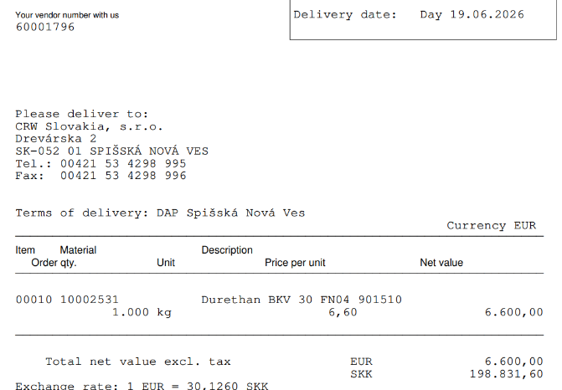
19 | general question | Data beyond "numbers"? | I do recall quite long ago when we were talking about the touchless order agent and asked about scenarious where customers may add text somewhere on the order, things like "attention: we are closed next week" or other, special infos. Unless Im mistaken back then the reply was more or less that the agent can see and if not process, at least highlight this to the ER to review. Is this implemented at all? (/I recall wrongly? / out of scope?) | Some info/warning to ER to review |  |  |  |  | Ralf | 16.07.26 |  | the escalation is always to ER and so this does not matter because we are not sending anything to the customer directly Feedback (Ralf) Yes but that was not my question; here I was talking about the agent clearly understanding the basic order details but the customer added a one time comment somewhere...I think thats out of scope but then we are blind to such a scenario
20 | any | Attachments for Roborana | This was mentioned in recent meetings but Id like to keep it here for tracking; we do expect the mails sent to Roborana to include the full, original email plus attachements to it. So far I couldnt see/test this. (Also, looking at the touchless order mailbox under sent, I see the last mails to SO ArchiveRobot on Tuesday) Feedback: Sorry, its not really fixed; we do not only need the PDF attached but the whole correspondence, so the actual mail from the customer (or us during testing) with the attachment |  |  |  |  |  | Ralf | 16.07.26 |  | fixed pls check we send all mail related to sales order creation with attachment in email . so pls check and update . your feedback is helpful for us . Feedback added (Ralf)
21 | po number | 4020016008 | for this po jai Ganesh Enterprises their unit in NOS so we send this in exception currenlty lbs, lb and kg is mapped. | so please reveiw it and send your feedback . | 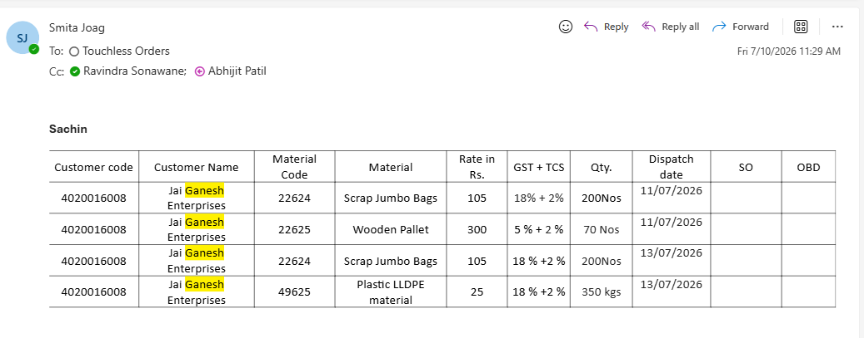
22 | 1536310 | Wrong Material ordered | BKV15 901510 DUS800 BC100N DURETHAN mentioned in the PO but order was placed under 50312 - BKV35H2.0 901510 BC100W |  |  |  |  |  | Liza Bety |  |  | yes material description is wrong for it so pls check material description customer mateiral is present
23 | 1536309 | 2 line items entered for 1 line item order | order only for 20T, SO 1536309 |  |  |  |  |  | Liza Bety |  |  | yes issue fixed in next run it create succesful order
24 | Email with subject line Christian Burwinkel 6 - customer uses term "lead time" instead of "delivery date" | Order creation failed due to wrong customer determination + customer email attached in wrong format | Unclear why PO creation has failed, as customer master data are complete. Formatted e-mail in msg format has been converted into unformatted and therefore almost unreadable txt file. The text "body_aamkagez_" has been added in front of the subject line | Sold-to 4020033497 + Material 68 has been maintained with the correct customer-material reference A05.1603A, as in the PO. Additionally the Envalior material description is printed. By checking the CMIR the tool should be able to determine the Sold-to party. N.B. the Ship-to party address is correctly printed, just without reprinting the company name again Original email in original formatting and intact subject line should be attached to these reports | System determined the wrong Sold-to party (4020021946 Pandrol UK Ltd) and the wrong Ship-to party (4020032531 Pandrol USA), so it is unable to resolve "PANDROL IBERICA S.A.U" into "PANDROL IBERICA SAU" and "Ctra. Asteasu km 22" into "CARRETERA ASTEASU KM 22". Even the place name "ZIZURKIL" as exact match is not recognised. |  |  |  | Christian Burwinkel |  |  | Hi @Christian Burwinkel pls check ones again , sales order is created for it successfully . sales order number 1536354 . so pls check . for "Pandrol IBERICA S.A.U" Christian: Thanks, but then I should receive a mail with the SO number in the SO ArchiveRobot mailbox for Roborana to archive, but I have received this email. Furthermore the Ship-to party in this order is 4020033629 instead of 4020033497 in the original order in EPP (1555479), even though the only difference is the place name (ASTEASU instead of ZIKURZIL). I think that 4020033497 should be removed from the partner functions of the Sold-to party, as the place name should be ZIKURZIL for this postal code
25 | Order 1536341 | When a newly entered order cannot meet the requested delivery date (RDD), the system response is inconsistent. | The order contains three items, and according to the ATP logic, none of them can meet the first requested delivery date (RDD). However, for Item 10 and Item 20, there is no second schedule line, no confirmed quantity, and both items have a T-block. Item 30 does not have a T-block and a second schedule line has been generated. | For newly entered orders, the system response should be consistent when the ATP check determines that the requested delivery date (RDD/first date) cannot be met. | Christian Burwinkel: The system response is normal. For Items 10 + 20, due to the ATP checking rules for Material 15875 there is no confirmed quantity in the schedule lines and due to fix date/quanity indicator not set for Sales org 2700 this result in automatic T-BO. For Item 30 there is a confirmed quantity in the ATP check that gets confirmed in the Schedule Lines. The system response it not in scope of the touchless order solution, this needs to be solved by harmonizing ATP checks in the materials and the setting for fix indicator on Sales org level |  |  |  | Ji Tao |  |  |  | Working on it in next 24 hour it will fixed . working on it .
26 | Order 1536356 | Order created with wrong Ship-to party | PO document mentions "Bitte liefern an LPD Betrieb Covestro Deutschland AG Chempark, Geb. B 768 41538 Dormagen". "Bitte liefern an" is DE language and means "Please deliver to". The customer has several Ship-to parties. The address components on the PO have the highest match with the address details of Ship-to party 4020041584 (Covestro Deutschland AG LPD Betrieb / Plant BYDL, Chempark Dormagen, Gebäude B768, 41538 Dormagen" | Order should have been created with Ship-to party 4020041584, as in EPP (1555726) The email should have had the original email attached, with PDF attachment | Order was created with wrong Ship-to party 4020041562 (Covestro Deutschland AG, Folienbetrieb Dormagen, Chempark Dormagen, Alte Heerstraße, Gebäude E31, 41538 Dormagen). Only company name and postal code are identical, the building number and street name for the selected Ship-to are not even mentioned in the PO The email only has the PO document itself attached, not the email |  |  |  | Christian Burwinkel |  |  |  | Hi,Thank you for raising this — we have investigated and fixed the issue. The root cause was that the Ship-to disambiguation logic was relying only on generic identifiers (company name, city, postal code), which are shared across multiple Covestro ship-to parties in the same location. As a result, the system selected Folienbetrieb Dormagen (4020041562) instead of the correct LPD Betrieb / Plant BYDL (4020041584). We have now enhanced the logic to prioritise specific identifiers from the PO delivery address — such as building numbers (e.g. Geb. B 768 → B768) and plant/department codes (e.g. LPD). These are now matched directly against the Ship-to master data, ensuring the correct party is selected even when multiple Ship-tos share the same postal code. This fix is deployed and will apply to all future POs.
27 | Orders 1536330, 1536331, 1536332, 1536333 | Duplicate orders created for multi-item PO of customer with Z01 setting + wrong Ship-to party detected + PO document missing | PO document has two items with two materials and the same delivery date. Due to the Z01 setting in the customer master file the system should create two separate sales orders. The document mentions "SHIP ALL ITEMS TO NB POLSKA, l. Kolejowa 12, 62-200 Gniezno. This has the highest match with the address details of Ship-to party 4020044981 (NB POLSKA Magazyn Expedycyjny Velux, ul. Kolejowa 12, 62-200 Gniezno) | Two separate orders should have been created with Ship-to party 4020044981 The email should have had the original email attached, with PDF attachment | Four orders were created with the wrong Ship-to party 4020041521 (identical to Sold-to party number) The sequence of creation is unusual - 1536330 and 1536333 are the duplicated orders for the first PO item. 1536331 and 1536332 are the duplicated orders for the second PO item. Actually you would expect that the first and the second duplicated order are for the first PO item and the third and fourth duplicated order for the second PO item Formatted e-mail in msg format has been converted into unformatted and therefore almost unreadable txt file. The text "body_aamkagez_" has been added in front of the subject line. The PO document itself is not attached |  |  |  |  |  |  |  | issue fixed . and we process it again soon it reflect in sales order creation till 22-07-2026
28 | Order 1536339 | Exception + Order | I did receive an exception mail (PDF extraction failed) but it seems the order got created afterall; in such a scenario the risk is that "I" would now manually enter the order and therefore create a duplicate |  |  |  |  |  | Ralf |  | 21.07.26 | Actually first it create exception so we check it from end why we get error and so we check and enahce logic and again i send same po from my mail id and agent this time create sales order successful . so thats why it . earlier you get exception but we fix it and again run it .
29 | PO date | Alignment | We discussed this briefly before but should have a clear alignment; do we use PO date from actual PO, day of order creation or leave blank |  |  |  |  |  | Ralf |  | 21.07.26 | Thank you for raising this — happy to align on it. Our current implementation extracts the PO date directly from the purchase order document (i.e. the date printed on the PO itself, e.g. "Bestellung Nr. 2415935002 vom 2026-07-17"). This is what gets passed into the Sales Order as the order date field. Our recommendation is to continue using the actual PO date from the document, for the following reasons: It reflects when the customer actually placed the order, which is important for backlog reporting and delivery lead-time calculations in SAP. Using today's date (creation day) would cause all backlogged or late-arriving POs to appear as if they were ordered today — this could distort historical reporting. Leaving it blank is not ideal as SAP typically requires an order date for downstream processes. The only edge case is when the PO date cannot be extracted (e.g. scanned documents with no clear date field). In those cases, we currently fall back to 00/00/0000 — we can discuss whether a fallback to today's date is preferred in those situations. Please confirm if this aligns with your expectation, or if there is a specific business rule you'd like us to apply.
30 |  | Exception after Fix | The attachment VO-2026-311-000149 was originally rejected since material couldnt be determined; I completed CMIR and re-sent; mail is again in exception folder |  |  |  |  |  | Ralf |  | 21.07.26 | yes correct cmir is updated , we fixed the logic again i put in processing . till tommrrow it will fixed or order will create .
31 |  | Missing Exception Notification | I find it very hard to doublecheck on exceptions since I sent 8 mails on 17.07. for (only) 4 I received exception mails but from what I can tell only 1 got created. From the looks of it, some mails ended up in exception folder but were not forwarded. PS: with the increased number of test orders, we really need a better way to check what went through (the table with date/sender header on that website I mentioned) |  |  |  |  |  | Ralf |  | 21.07.26 | yes i totally agreewith you in some po we dont have csr mail in cmir data and currenlty we dont get the regional mailbox mapping according to sales org. so in place of regional mailbox we use our mail if you provide it asap .we add those mapping so you recieve mail properly .
31 |  | Missing (processed) order | For my mail with subject "Fw: Request for Support on PA66 Raw Material Supply_2026_02_12 // FOR TESTING - hard one", I find it under "processed POs" but I cannot find the order anywhere |  |  |  |  |  | Ralf |  | 21.07.26 |  | we are working on it soon we will fix it . currenly sold to is not able to find in cmir but with customer material is mapped with wrong sold to. agent not able to find the SANG-A FRONTEC EU in cmir .
33 | PO:11750120 | The feedback email to the wrong person | Why Touchless Orders <salesorders@envalior.com> send email to my colleague ? |  |  |  |  |  | Jonas Sun |  | 2026-07-21 | 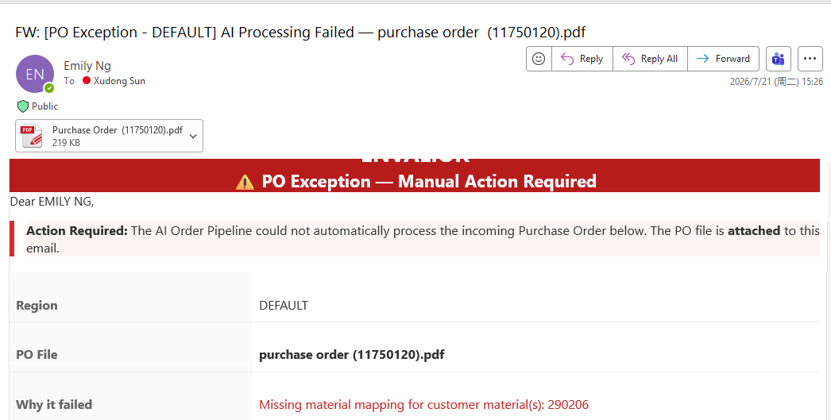 | fixed . its wrong mapped . customer material is missing pls update the cmir data . we fix the mail issue . pls resend again
34 | Christian 5 - No material description on PO, only in email text and CMIR + separate document attached (no PO) | Exception PO not sent to ER email address - customer not recognised or regional fallback email not configured | The exception email for "Christian 5 - No material description on PO, only in email text and CMIR + separate document attached (no PO)" was only sent to the Touchless Order mailbox and archived in subfolder "Exception POs" | The customer sent a PO with missing material description / code and a CoA document for an already created order of another customer. Based on the customer address in the PO document header the system should be able to recognise Sold-to party 4020044368. This customer has two ER partners, 697537 in Sales org 2540 (email CUSTOMERCARE-EU@ENVALIOR.COM) and 197 in Sales org 2500 (email CUSTOMERCARE-EU03@ENVALIOR.COM). The fallback email for Europe is CUSTOMERCARE-EU@ENVALIOR.COM. So the exception should have been sent to one of these mailboxes | The exception email was was only sent to the Touchless Order mailbox and archived in subfolder "Exception POs". It is not clear why this happened (no analysis provided) |  |  |  | Christian Burwinkel |  |  |  | regional mail mapping we dont get .so currenlty we dont send mail to regional mail box instead we add our mail . in place of regional mailbox .
35 | Order 1536334 | Order was created with 3 pallets instead of 1 pallet (due to automatic rounding) | The minimum order quantity (MOQ) is maintained in the material master file. For all packed performance materials it is 3 pallets. If a customer-specific MOQ has been agreed for a customer, this should be maintained by BEM via ZSD36 transaction. This was not done here (either because it was forgotten or this was a one-time MOQ exception). In the EPP system (Order 1555043) the CSR manually overwrote the rounded quantity with 1 pallet before saving the order | The result is as expected, only that the CSR is not aware of it. The customer would receive an order confirmation for 3 pallets and needs to react | If the customer does not receive an order confirmation (e.g. wrong email address) or received it, but did not check it on time, the result can be that Envalior needs to cancel the shipment (possible deadfreight costs) or even arrange a return for 2 pallets (return + admin costs) This is probably not a issue for OFI to solve, but I just added it to have a discussion on this topic |  |  |  |  |  |  |  | Working on it from our end also so we also try to update you if we find it .
36 | seco technology | missing material | customer material missing | update cmir in epo |  |  |  |  | Xudong Sun
37 | Christian 8 - 2 POs (one of them with two positions) + customer in Sales org 2500, 2540 and 2545 SO# 0001536335 | Only one email sent to SO ArchiveRobot mailbox (for one of two SOs created) + wrong Ship-to party | The customer sent two PO documents in one email (133.PDF and 155.PDF). The system created two SOs (1536335 and 1536338). However, only one email was sent to the mailbox (133.pdf with SO 1536335) Both orders were created with the wrong Ship-to party. | The system should either sent one email with two SO numbers and the original email with both POs attached. Or it should sent two separate emails (one per SO number) with the original email with both POs attached The PO document mentions "Destinazone: SISTEMA SRL, VIA DEL PADULE 50, 50018 SCANDICCI (ITA)". This is the address in Ship-to party 4020040559. | The system only sent one email (133.pdf with SO 1536335). This means that no email would be attached to the second SO (1536338). The system picked the wrong Ship-to party 4020000301. Postal code and city are the same, but the street is different (Via degli Stagnacci, 18) and not even mentioned on the PO document Furthermore instead of the original email with both POs only the PO document was attached |  |  |  | Christian Burwinkel |  |  |  | it is fixed for this one mail process ans one goes in exception for faurecia material is missing .
38 |  | SECO TECHNOLOGY SDN BHD | first material is missing in cmir in epq apart from this 2 material mapped but one is not available so it goes in exception | pls check and update . |  |  |  |  | Xudong Sun |  |  | 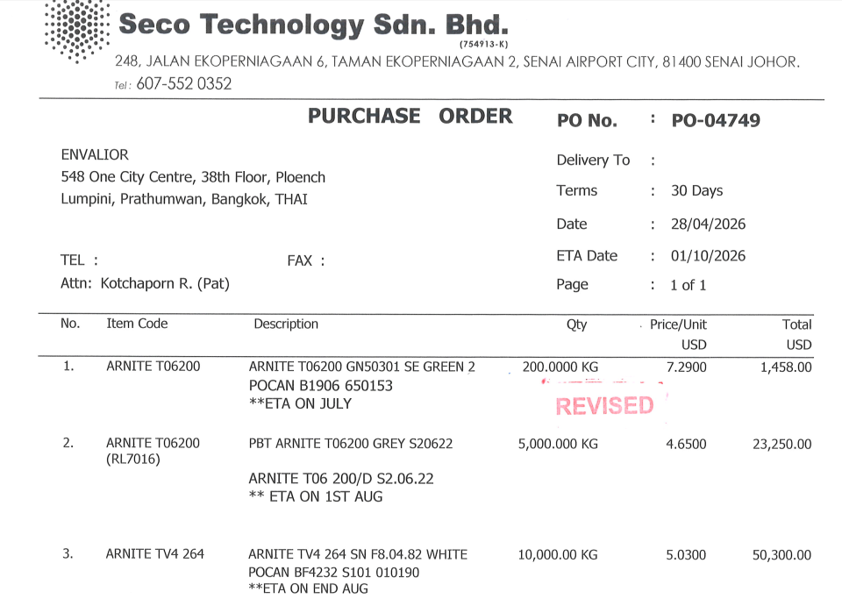 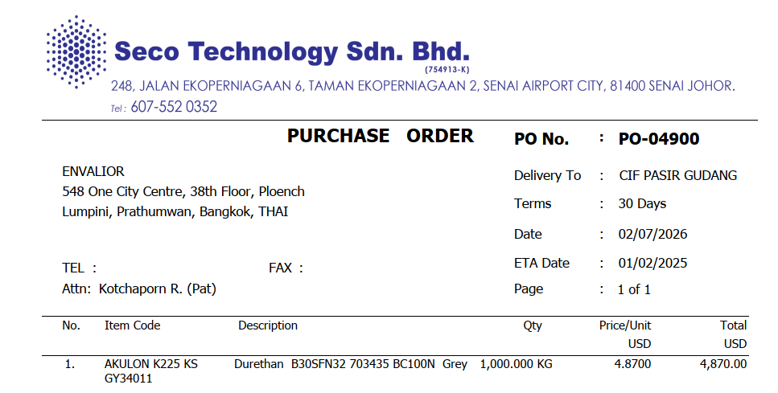 | yes thanks for update the CMIR data in epq env. so we also check . so when agent run it create order successful for it .
39 |  | LS ELECTRIC Co., Ltd. | customer material missing | pls check and update . |  |  |  |  |  |  |  | 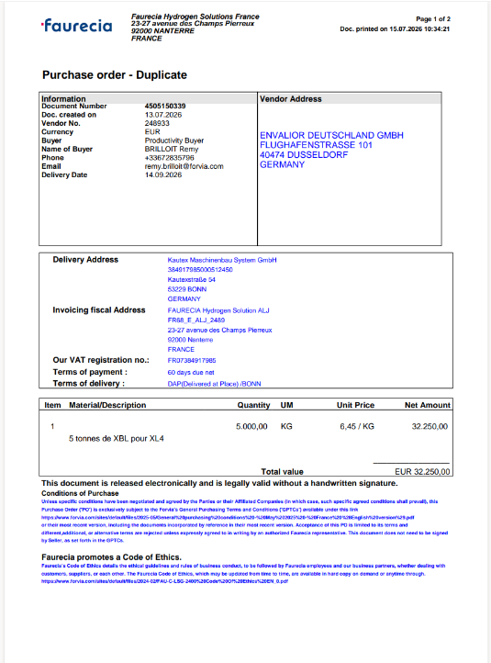
40 |  | PEGASUS POLYMERS | customer material missing | pls check and update . |  |  |  |  | Xudong Sun |  |  | 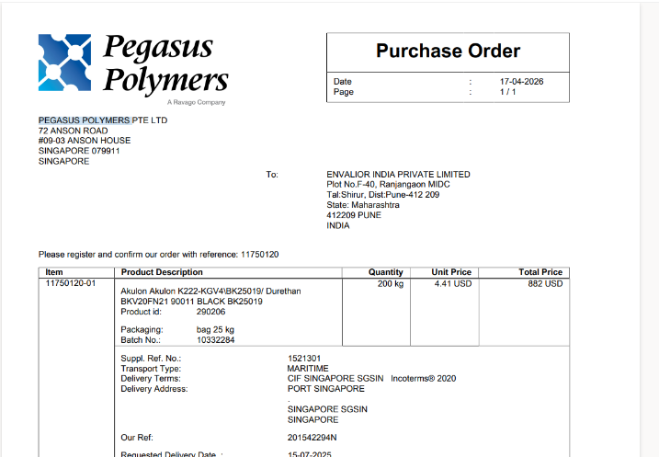 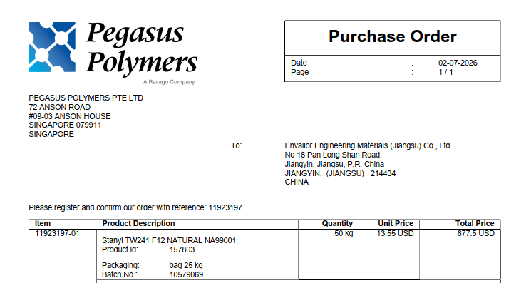 | thanks for update the cmir data . we also check cmir is updated . so its fixed so in next run we will see successful creation of sales order fixed .
41 | Christian 9 - only place name of Ship-to mentioned + customer in Sales org 2540 + 2545 SO# 0001536350 | PO number not recognised | The system identified and used the customer's supplier code as PO number instead of using the PO number | The PO document mentions "ORDINE N. 26 055138 A2". "ORDINE" means "Order" in IT language, so this is the PO reference The email should have had the original email attached, with PDF attachment | The system used the reference mentioned behind "COD. FORN." This is the abbreviation of "Codice Fornitore", which means "supplier code" Furthermore instead of the original email with both POs only the PO document was attached |  |  |  |  |  |  |  | thanks yes issue fixed and now they take proepr po number for itilan case also and also we map the correct regional mail box for this type of po exception cases also .
42 | order 97 SO 1536449 | PO number not mentioned in the order ( DEUTSCHE instead of 97) |  | SO should have the correct PO no. reference |  |  |  |  | Liza Bety |  |  |  | yes we check the issue and fixed it and in next 8 hour you will see the sales order for it .
43 | PO 1495 SO 1536451 | PO number not mentioned in the order ( 14029941 instead of 14945) |  | SO should have the correct PO no. reference |  |  |  |  | Liza Bety |  |  |  | yes we check the issue and fixed it and in next 8 hour you will see the sales order for it .
44 | order 97 SO 1536449 | 2 item lines entered, PO has only 1 line item |  | SO should have only 1 line item |  |  |  |  | Liza Bety |  |  |  | yes we check the issue and fixed it and in next 8 hour you will see the sales order for it .
45 | order 97 SO 1536449 | order was created under sales org. 2500. It should be under sales org. 2545 since it is an Italian customer |  | order should be created under 2545 since it's Italian customer, if sold to is both active in 2 sales org. it should be rejected and email sent to CCR to check |  |  |  |  | Liza Bety |  |  |  | yes we check the issue and fixed it and in next 8 hour you will see the sales order for it .
46 | PO 1495 SO 1536451 | 2 item lines entered, PO has only 1 line item |  | SO should have only 1 line item |  |  |  |  | Liza Bety |  |  |  | yes we check the issue and fixed it and in next 8 hour you will see the sales order for it .
47 | Wrong group email address | Touchless Orders <salesorders@envalior.com> send to the wrong group emai address. | Clare Jin is Korean CSR, the group email address should be Envalior_KOREA_CSR <CSR-KR@envalior.com> , not Envalior_China_CSR <CSR-GC@envalior.com> Xudong Sun is SEA CSR,the group email address should be Envalior_SEA_CSR <CSR-SEA@envalior.com>, not Envalior_China_CSR <CSR-GC@envalior.com> | should be correct the group address |  |  |  |  | Xudong Sun |  | 2026-07-28 |  | ok we are working on it . as what regional mapping we get from christian accordingly we update but we wil lagain check why this happen and update you in next 24 hr .
48 | 1536439 | QTY and item are not correct | Please help to check why QTY is not correct in EPQ? The QTY should be 200kg in PO. Why also shows double items in SO? | QTY and item issue |  |  |  |  | Xudong Sun |  | 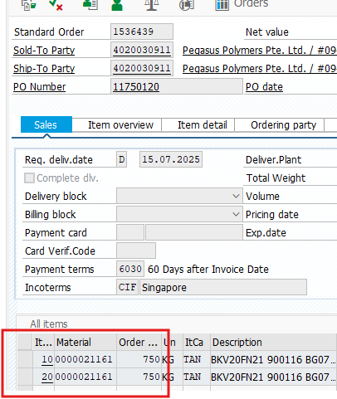 2026-07-28 |  | realted to this pegasus we already created order for 200 kg po but their is duplicate we are working i fixed the issue again in next 8 hour order will create.
49 | 1536447 | Double items | Please help to check why two doulbe items in EPQ? | Double items issue |  |  |  |  | Xudong Sun |  | 2026-07-28 | 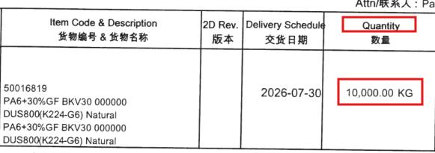 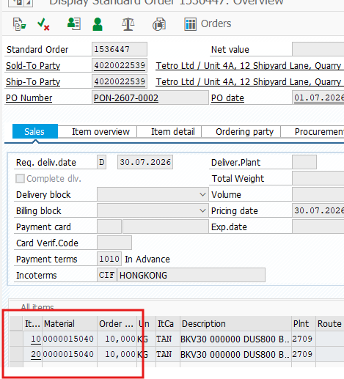 | yes this defect is fixed and order will will we created in next 8 hr .
50 | 1536447 | Ship to address is not correct | Ship to code should be 4020037263 | Ship to address |  |  |  |  | Xudong Sun |  | 2026-07-28 | 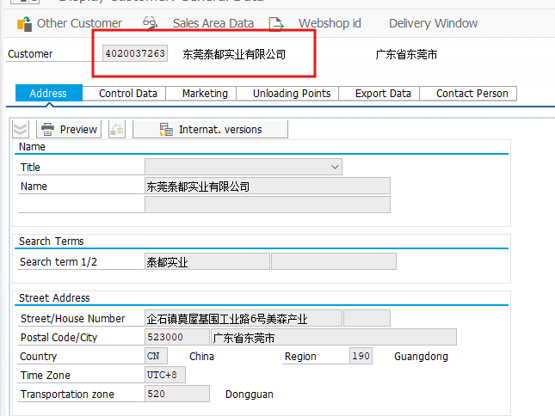 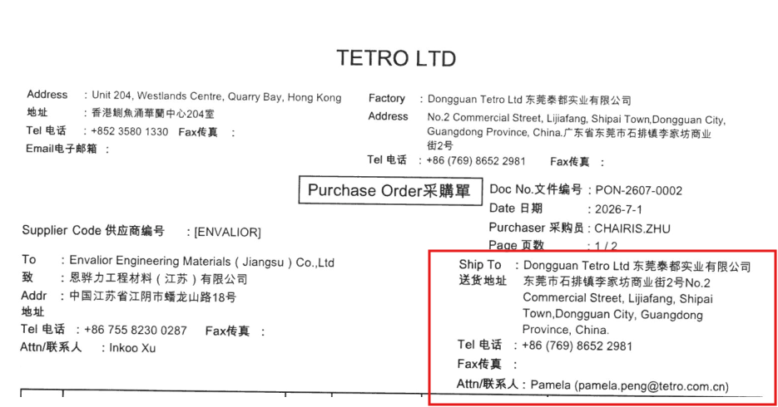 | fixed the ship to issue becasue for same cusotmwr mateiral we have ship to tetro ltd so it map with wrong so we enhace logic in next run it will run fine .
51 | 1536395 | Ship to address and items | shIp to code should be 4020035300 More items in PO | Ship to address and more items issue |  |  |  |  | Xudong Sun |  | 2026-07-28 | 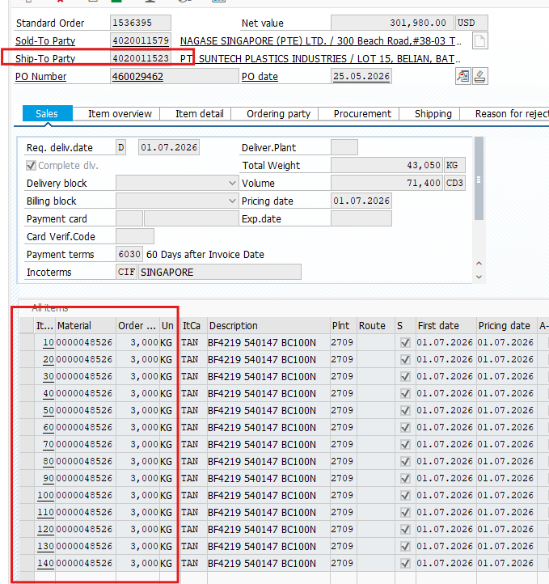 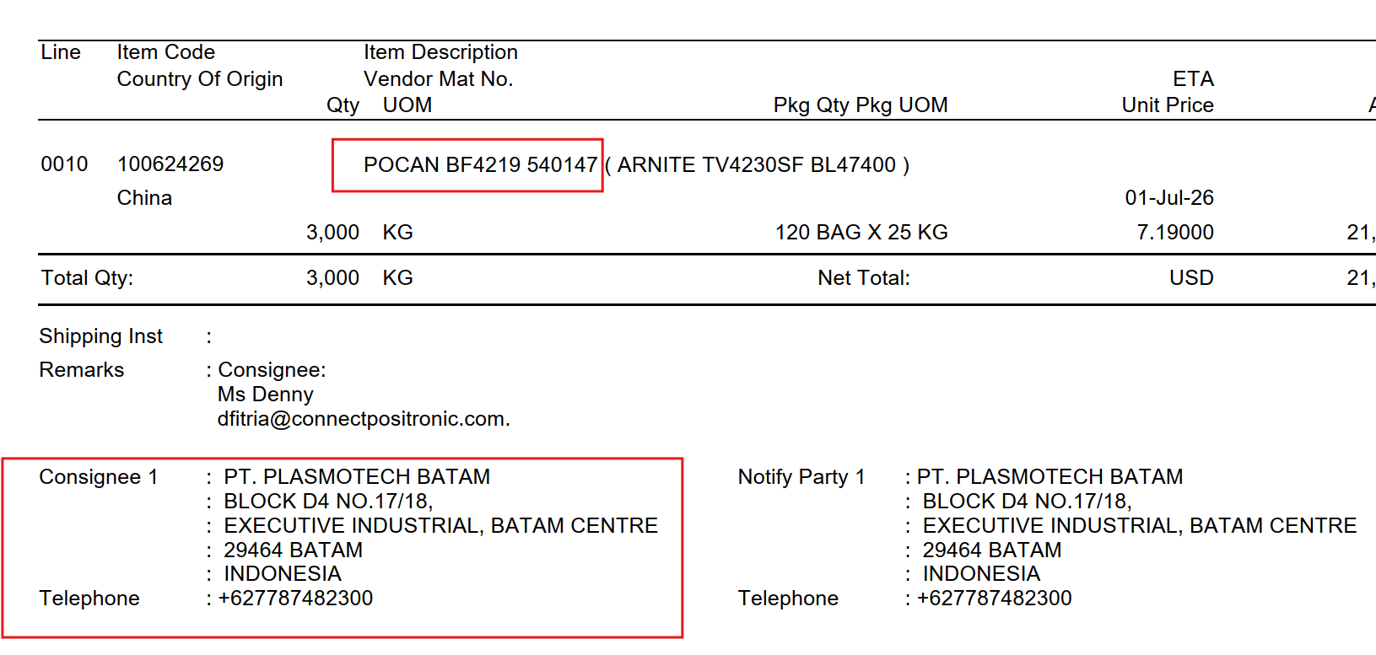 | yes fixed this multiple so creation . now you can check their is no repetition for this . so in next 8 hour we will run it and create order .
 | 1536339 | so already created for it. in first run it is fail but we process it again . |  |  |  |  |  |  |  |  |  | 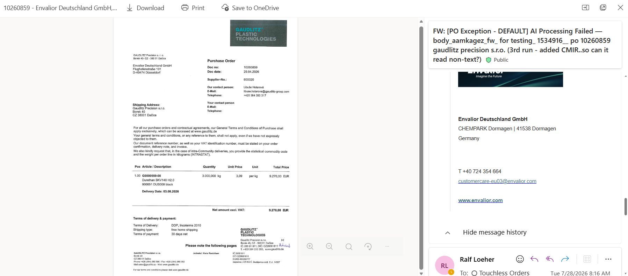 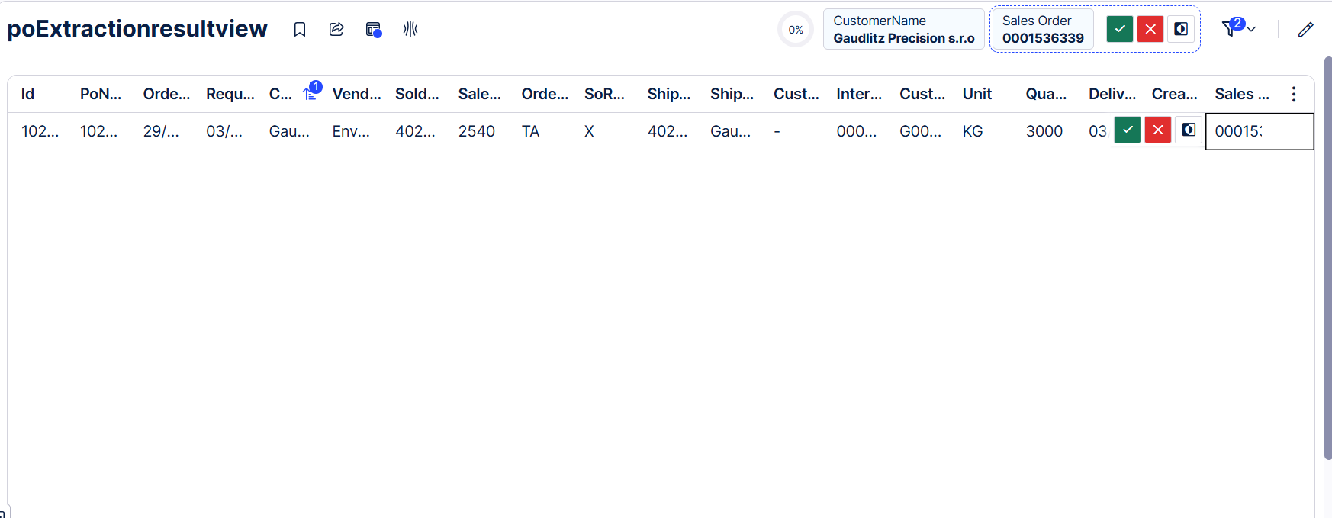
53 | 1536396 | 2 line items on the PO but 30 line items entered on the order | 2 line items on the PO but 30 line items entered on the order |  |  |  |  |  | Erin |  | 2026-07-28 | 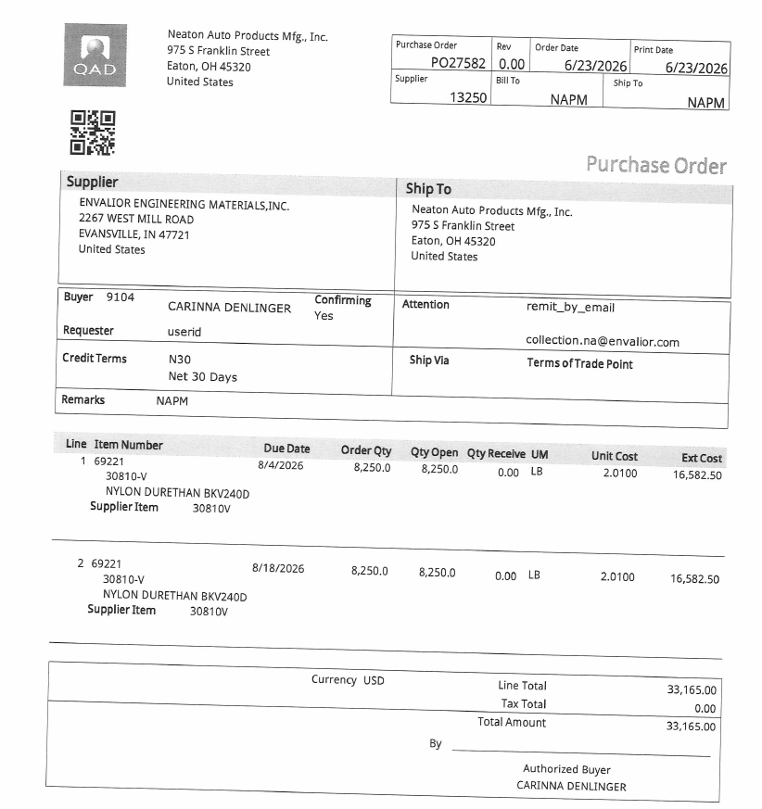 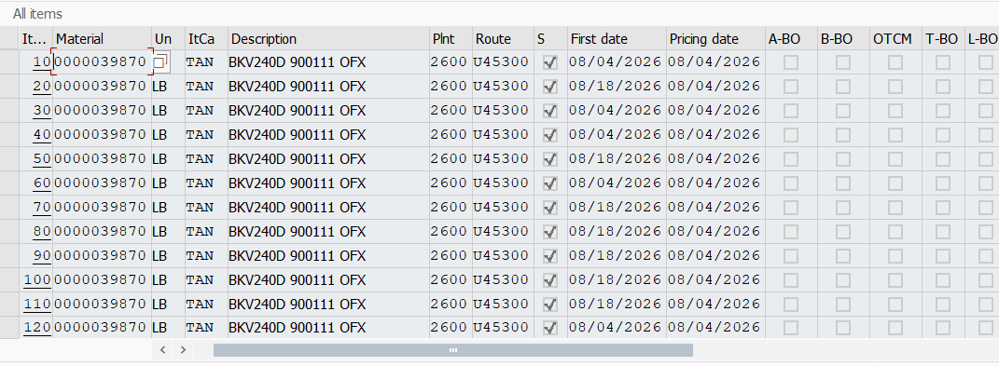
54 | 1536566 | More questions | 1.Why trigger item 20 with no material and qty ? and Item category is TATX ? 2.Customer did't mention the ship to party in PO, why agent can recoganize the correct ship to ? 3.Customer key the wrong vendor information as Evalior Thailand, why agent can recoganize the correct vebdir as Envalior Jiangsu ? | can agent get some information from history sales order, for example, can get the ship to party , sales organization , material no ? |  |  |  |  | Xudong Sun |  | 2026-07-30 | 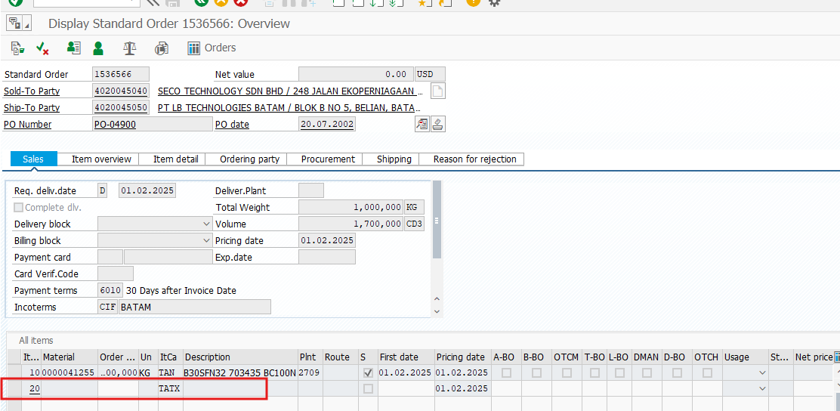 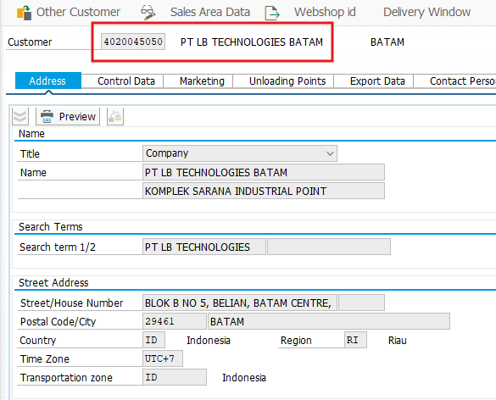 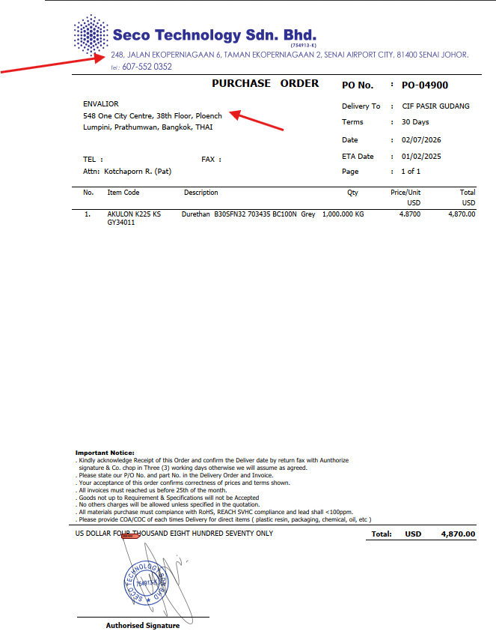
55 | 1536547 | No material information in the order+sold to /ship to | Why no material information in the order? and Item category should be "TAN"? Sold to / ship to 4020038865 is not correct , Sold to / ship to should be 4020030911 |  |  |  |  |  | Xudong Sun |  | 2026-07-30 | 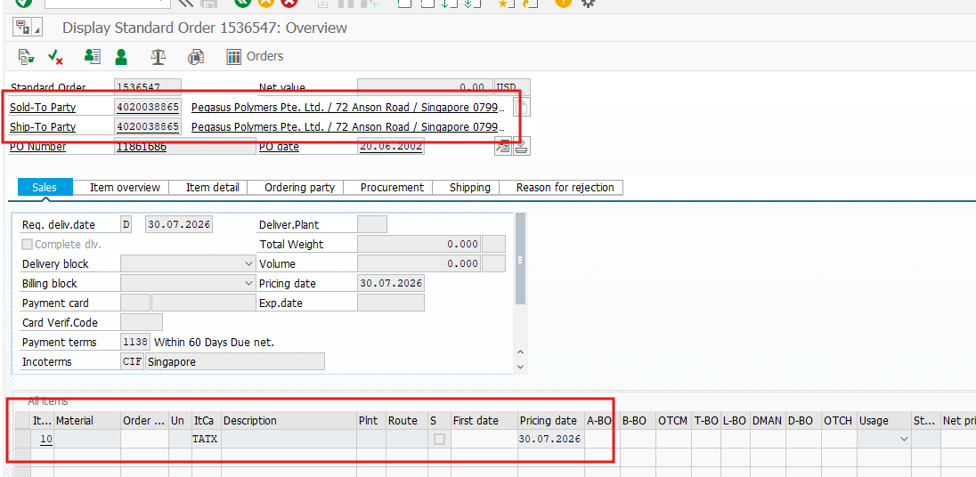
56 | 1536566+1536501 | Employee Responsible is not correct | Employee Responsible should be Xudong Sun |  |  |  |  |  | Xudong Sun |  | 2026-07-30
57 | ASOS Test Scenario 1, 2 and 3 | No orders were created | Yesterday, I sent four emails to Touchless Order to start a UAT. Two emails were moved to “unprocessed” and two to “exception.” How can I tell what needs to be changed so that the test is successful? | Creation of the ASOS orders | No orders were created and no mails with explanation of the issues were send out |  |  |  | Patrick Adam |  | 2026-07-30
58 | PO 516 (Logital) | Sold to not recognized. supplier was checked | Supplier name and address was checked instead of the customer address | check should be done on customer level not supplier |  |  |  |  | Liza Bety
59 | PO 516 (Logital) | PO exception email sent to another address | Exception mail sent to CustomerCare-EU@envalior.com iso CustomerCare-EU05@envalior.com | PO exception mail should be sent to the correct mail group |  |  |  |  | Liza Bety
60 | 1536446 1536440 1536445 1536442 1536441 | Why do these SOs have the duplicated items although all of them are based on the POs with only one item? | 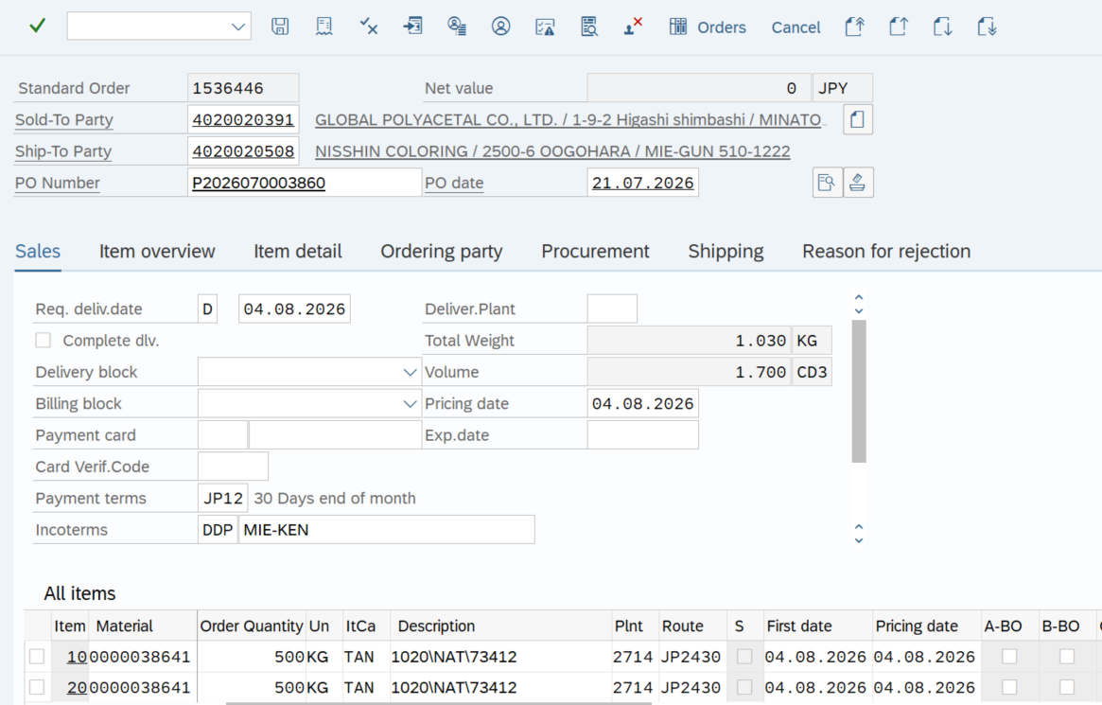 |  |  |  |  |  |  |  |  | fixed . team is working on it due to data recovery this happen till monday it will be fixed no duplicate will show .
61 | 1536516 1536515 1536517 1536513 1536514 1536519 | No email in the SO Archive Robot mailbox + all orders created with wrong Ship-to | No email in the SO Archive Robot mailbox + all orders created with wrong Ship-to | Ship-to party is 4020044845 (Sistemas Técnicos del Accesorio y Componentes S.L. STAC, Paseo de Xelmires 1, 15900 Padrón (A Coruña)). "Dirección de Entrega" is ES language for delivery address. The document mentions "PASEO DE XELMIREZ Nº1 36612 CATOIRA CATOIRA (PONTEVEDRA)" PORTAL 12 - CATOIRA | Orders were created with Ship-to 4020044282, so with the Sold-to party address Polígono Industrial Picusa La Matanza 15900 Padrón (A Coruña) This is a completely different address |  |  |  | Christian Burwinkel
62 | Emails in SO Archive Robot mailbox with incorrect / incomplete attachments | Original email should be attached to archive email of successfully created orders | Our requirement was to attach the original email with PO attachments, as this might be needed for audit reasons and to be able to reply to the customer instead of creating a mail from scratch | Email with order number(s) and msg file attached, which can be opened in Outlook Please also note that the company is "Roborana" and not "Robona" We also have limited space in the subject line, so if several orders are created sometimes only 2 order number are added in the subject line | Some emails have no attachments Some emails have only the PO itself attached Some emails only have the email converted into PDF attached Some emails have both PO and email converted to PO attached Some emails have the msg file attached, but it cannot be opened Some emails have both the PO and the msg file attached, but it cannot be opened |  |  |  | Christian Burwinkel |  |  | this is already fixed , earlier we send the mail with po attachment then according to your requirement we send po attachement with email body as pdf , then furthur your requiment we change the .eml to .msg type and attach yuor orginal mail so pls check . and it is openble pls check again proper . because it is fine for me i tested . | 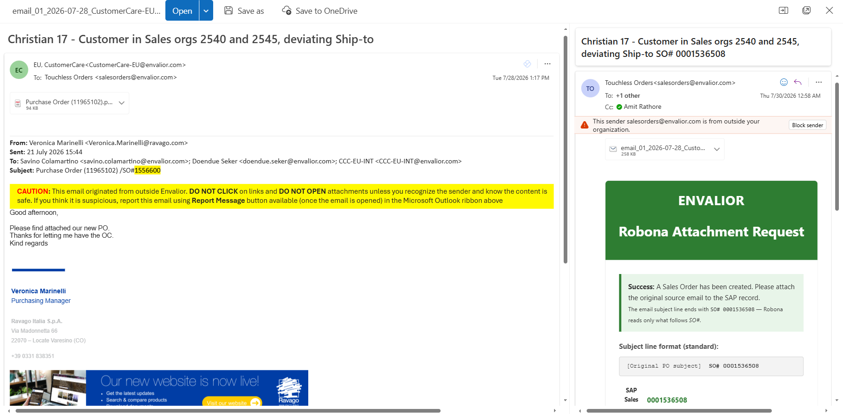 | 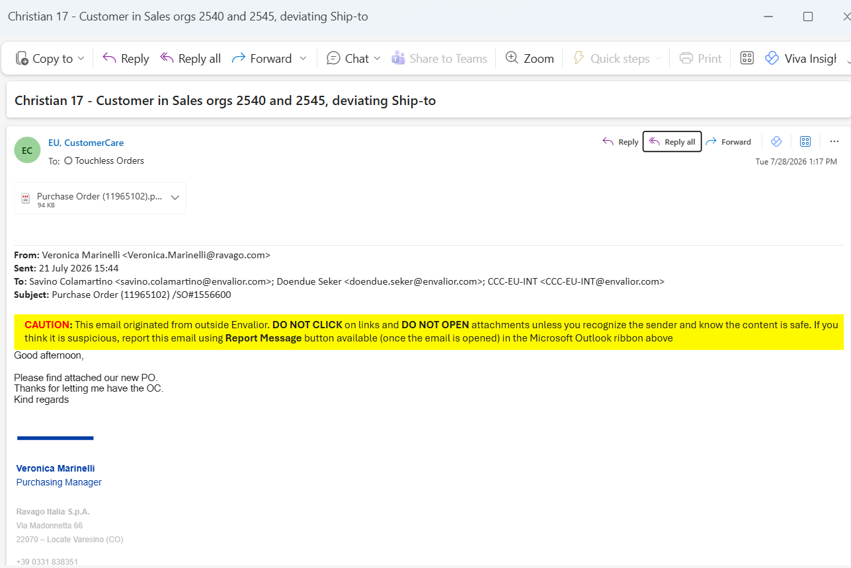
63 | Christian 19 - PO in DE language, Z01 activated in Customer grp 2 | No orders created and no exception mail received either | Email with subject line Christian 19 - PO in DE language, Z01 activated in Customer grp 2 sent on 28-07-2026 | Order should have been created or failure report should be sent to the ER email address or at least the regional fallback mailbox |  |  |  |  | Christian Burwinkel
64 | 1536505 | Completely wrong PO date | PO date is 20.07.2021 instead of 21.07.2026. So this would be reported in OTIF as order created with a 5 year delay | The document mentions "Data documento 21/07/2026" - "Data documento" is IT language for document date | PO date in the order is 20.07.2021. This case is also strange because the delivery date in the same format has been correctly recognised. |  |  |  | Christian Burwinkel
65 | 1556600 | Completely wrong PO date | PO date is 20.07.2021 instead of 21.07.2026. So this would be reported in OTIF as order created with a 5 year delay | The document mentions "Date: 21-07-2026" in the header section under "Purchase Order" | PO date in the order is 20.07.2021. This case is also strange because the delivery date in the same format has been correctly recognised. |  |  |  | Christian Burwinkel |  |  | no sales order we have in record with the sales order 1556600 . that is wrong . may be in past we created but we delete it already due to wrong but you can check in touchless sales order dashbaord . | 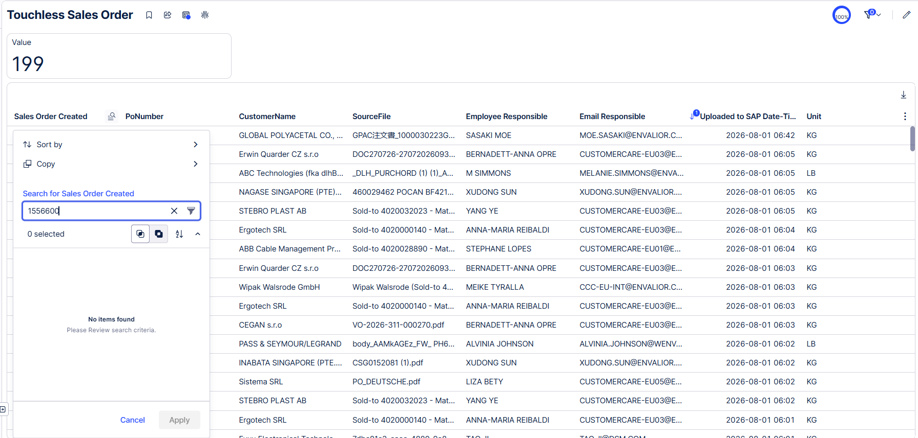
66 | 1536498 | Completely wrong PO date | PO date is 20.07.2022 instead of 22.07.2026. So this would be reported in OTIF as order created with a 4 year delay | The document mentions "Bestelldatum: 22.07.26". "Bestelldatum" is DE language for purchase order date | PO date in the order is 20.07.2022. This case is also strange because the delivery date in the same format has been correctly recognised. |  |  |  | Christian Burwinkel |  |  | it is correct only pls check properly ones again . and i also attach the screenshot pls look into it . |  | 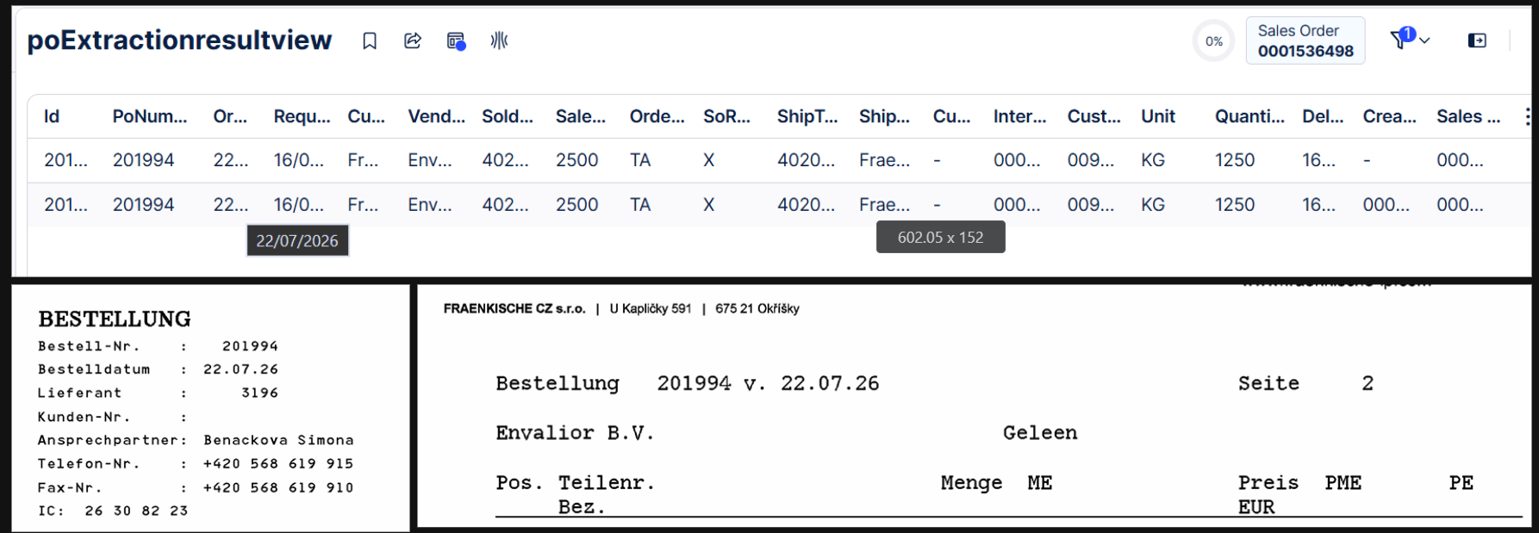
67 | 1536504 + 1536518 | No email in the SO Archive Robot mailbox + duplicated orders + wrong Ship-to parties + completely wrong PO date | No email in the SO Archive Robot mailbox + duplicated orders + wrong Ship-to parties + completely wrong PO date | One order with Ship-to party 4020043003 and PO date 23.07.2026 | Duplicated order with wrong Ship-to party 4020037210 and wrong PO date 20.07.2023 |  |  |  | Christian Burwinkel |  |  | please check ship to address is wrong in po . so according agent create order . in po address mention only Ostrava but which ship to use mention in which ship to city is Ostrava | 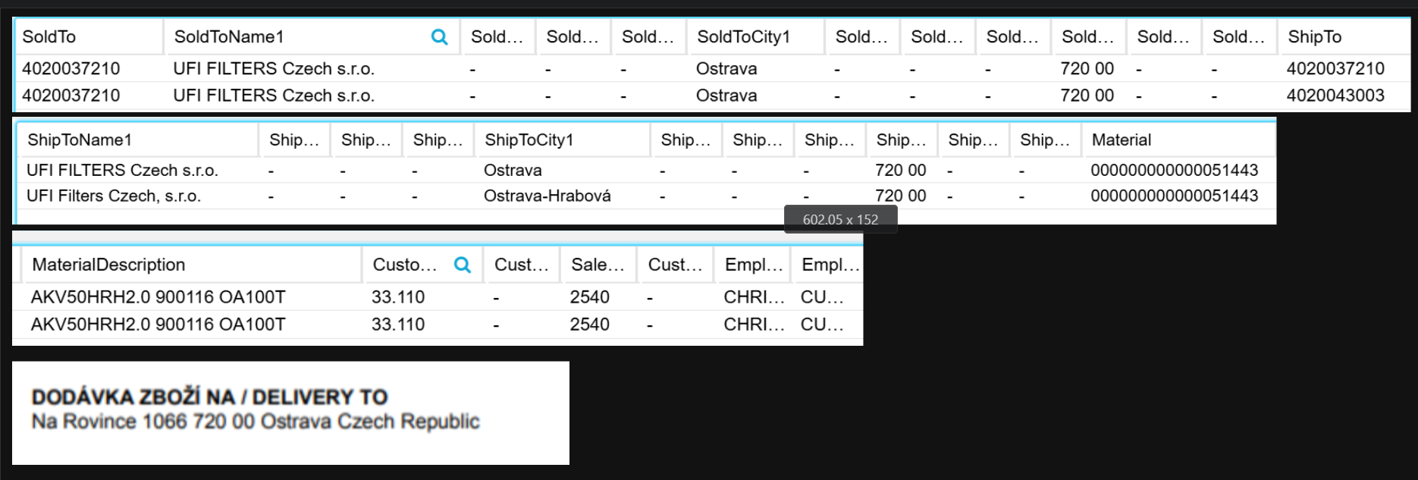
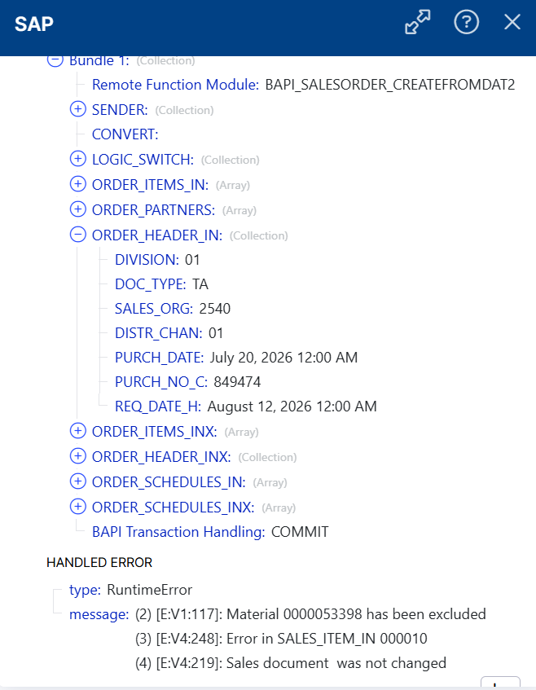
68 | Christian 13 - Dates in format DDMMYY, but quantities in US format | No orders created, but no exception email received either | No orders created, but no failure report received either. Email with subject was sent to Touchless Orders on Tue 28/07/2026 09:20 CET | System should be able to identify customer with ER 697537 | No orders created, but no exception email received either |  |  |  | Christian Burwinkel |  |  | Based on the screenshots, this is an SAP master data/configuration issue, not an issue with the Action Flow itself. The Action Flow successfully invoked the BAPI, and SAP rejected the material during its internal validation
69 | 1536512 | Completely wrong PO date | PO date is 20.07.2024 instead of 24.07.2026. So this would be reported in OTIF as order created with a 2 year delay | The document mentions "PO number/date 24.07.2026" |  |  |  |  | Christian Burwinkel |  |  | please check properly . po date is 24.07.2026 only .

Sheet1
Employee Responsible | PO Details | Exception reason | Source File name
Liza Bety | ITW Automotive Products GmbH | Postal Code, Ship - To, Customer Material is missing | ITW_ENK_PURCHASE_391767_26-07-13.pdf
 | BİMED TEKNİK ALETLER SAN. VE TİC. A.Ş. | Customer Material is null & Material Description is not matching | Satınalma Siparişi_P103510.pdf

Tao Ji

Xudong Sun | NAGASE Singapore | customer material missing. | 450012469 Pocan.pdf
 | NAGASE Singapore |  | 460031761 POCAN BF4239-700350 S103.pdf
 | KS tech | 41810000356 customer material missing. | 케이에스테크 PO 1000kg.PDF

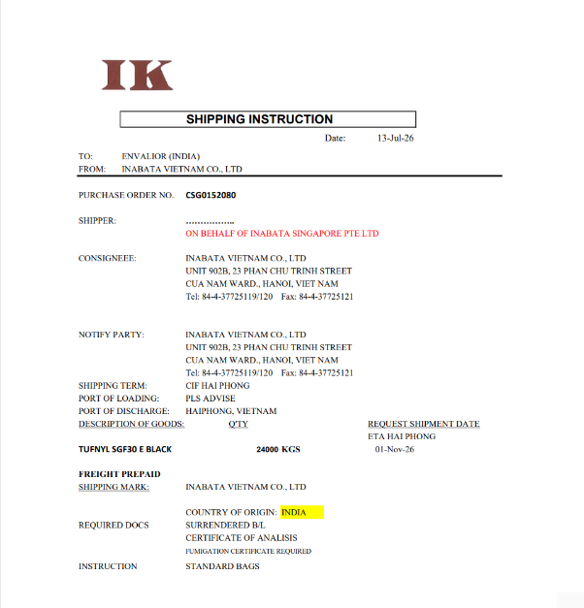 |  | 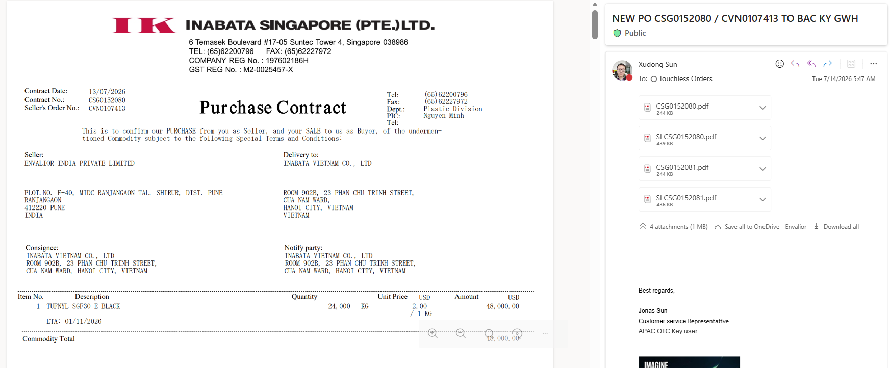 | 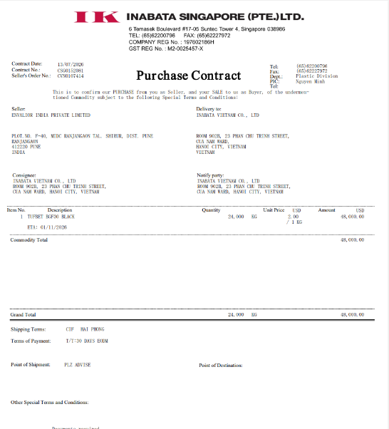
Kaoru Matoba

Gaurav Gupta

L Pabhakaran

Mudha Chavan | ITW India Pvt Ltd | Ship to Sold to is missing but Customer Material & Description is Available | ENVALIOR.xlsx

Smta Jaog

Sunil Desai | apex engineers | material description or customer material missing .

 |  | multiple mail like this sold to ship to is missing .
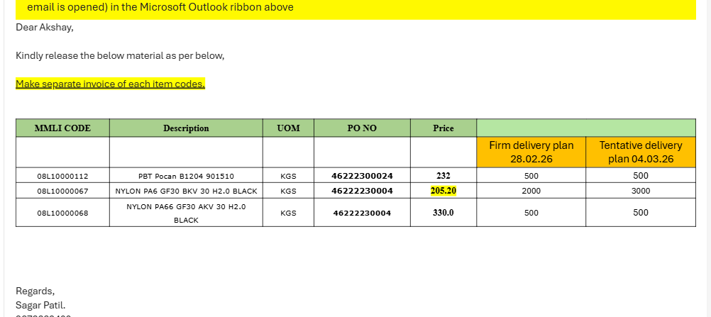 |  |  | 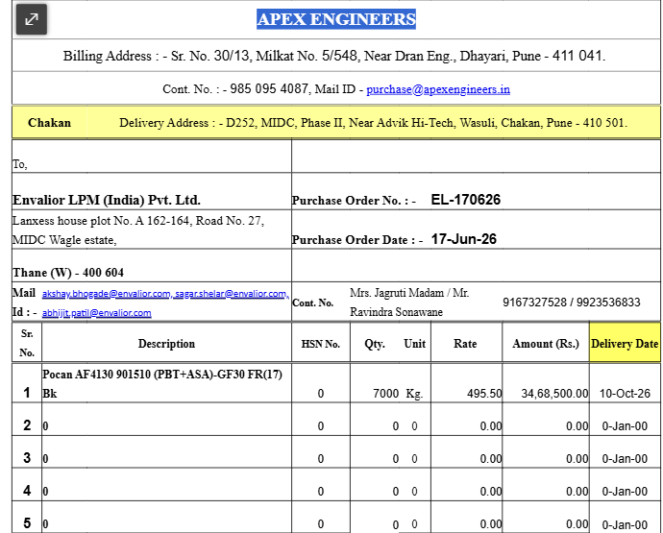
Erin Munoz | Performance Gear Systems | Ship toSold to is matching but Customer material is missing & Material Desc. Is missmatching SAP - TW275F6\NAT\55B & PDF - STANYL TW271F6 NATURAL | PGS_PURCHORD_DJ_REV3.pdf
 |  | other po fixed

Christian Burwinkel

Meike Tyralla

Akshay Bhogade

Lisa Noyes

Ralf Loeher

Patrick Adam

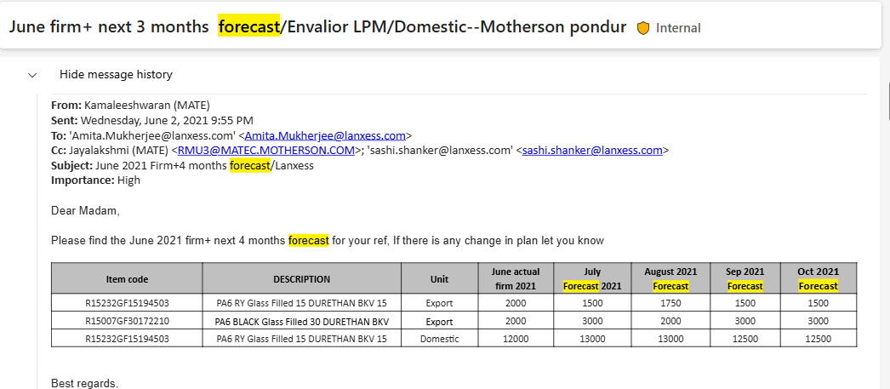

 |  |  | forcast mail get so it not work

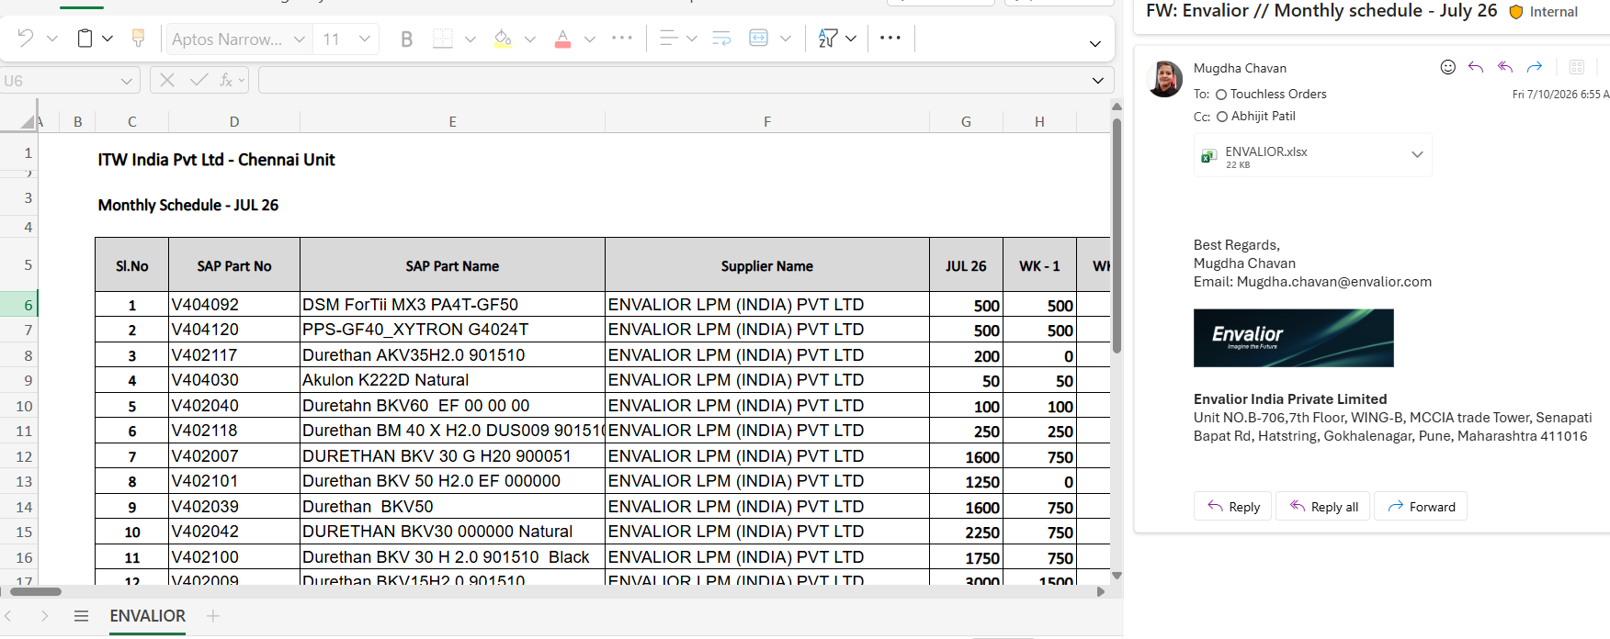

 |  |  | sold to ship to missing .

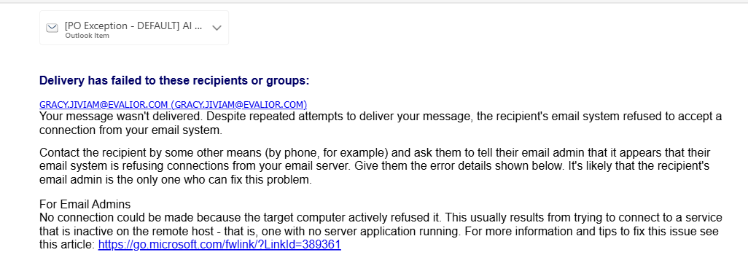

 |  |  | csr mail wrong mention

