Visualizations
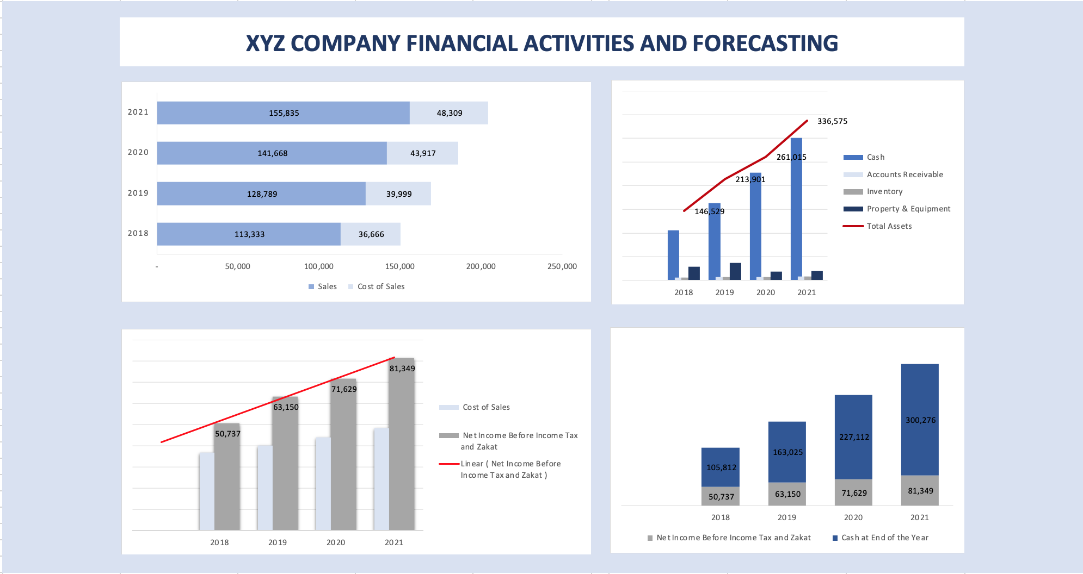

Sensitivity Analysis
Sensitivity Analysis, XYZ Company

Net Income Before Income Tax and Zakat sensitivity analysis

The following is the impact in Net Income Before Income Tax and Zakat in 2020 based on Sales Growth and Cost of Sale:
(Cost of sales (% of Revenue)) |  | Sales Growth (% Change)
Changing rate | 66,257 | 0% | 2% | 4% | 6% | 8% | 10% | 12% | 14% | 16% | 18% | 20%
-6% | 25% | 65,185 | 66,972 | 68,759 | 70,546 | 72,333 | 74,120 | 75,906 | 77,693 | 79,480 | 81,267 | 83,054
-4% | 27% | 62,802 | 64,541 | 66,281 | 68,020 | 69,759 | 71,499 | 73,238 | 74,977 | 76,717 | 78,456 | 80,195
-2% | 29% | 60,420 | 62,111 | 63,803 | 65,495 | 67,186 | 68,878 | 70,569 | 72,261 | 73,953 | 75,644 | 77,336
0 | 31% | 58,037 | 59,681 | 61,325 | 62,969 | 64,613 | 66,257 | 67,901 | 69,545 | 71,189 | 72,833 | 74,477
2% | 33% | 55,654 | 57,251 | 58,847 | 60,443 | 62,040 | 63,636 | 65,232 | 66,829 | 68,425 | 70,021 | 71,618
4% | 35% | 53,272 | 54,821 | 56,369 | 57,918 | 59,467 | 61,015 | 62,564 | 64,113 | 65,661 | 67,210 | 68,759
6% | 37% | 50,889 | 52,390 | 53,891 | 55,392 | 56,893 | 58,394 | 59,895 | 61,396 | 62,898 | 64,399 | 65,900

The following is the impact in Net Income Before Income Tax and Zakat in 2020 based on revenue Sales Growth and Salaries and Benefits :
 |  | Sales Growth (% Change)
Changing rate | 66,257 | 0% | 2% | 4% | 6% | 8% | 10% | 12% | 14% | 16% | 18% | 20%
-20% | 16,800 | 61,922 | 63,566 | 65,210 | 66,854 | 68,498 | 70,142 | 71,786 | 73,430 | 75,074 | 76,718 | 78,362
-15% | 15,900 | 62,755 | 64,398 | 66,042 | 67,686 | 69,330 | 70,974 | 72,618 | 74,262 | 75,906 | 77,550 | 79,194
-10% | 18,900 | 59,980 | 61,623 | 63,267 | 64,911 | 66,555 | 68,199 | 69,843 | 71,487 | 73,131 | 74,775 | 76,419
0% | 21,000 | 58,037 | 59,681 | 61,325 | 62,969 | 64,613 | 66,257 | 67,901 | 69,545 | 71,189 | 72,833 | 74,477
10% | 23,100 | 56,095 | 57,738 | 59,382 | 61,026 | 62,670 | 64,314 | 65,958 | 67,602 | 69,246 | 70,890 | 72,534
15% | 24,150 | 55,123 | 56,767 | 58,411 | 60,055 | 61,699 | 63,343 | 64,987 | 66,631 | 68,275 | 69,919 | 71,563
20% | 25,200 | 54,152 | 55,796 | 57,440 | 59,084 | 60,728 | 62,372 | 64,016 | 65,660 | 67,304 | 68,948 | 70,592

The following is the impact in Net Income Before Income Tax and Zakat in 2020 based on revenue Sales Growth and Rent and Overhead :
 |  | Sales Growth (% Change)
Changing rate | 66,257 | 0% | 2% | 4% | 6% | 8% | 10% | 12% | 14% | 16% | 18% | 20%
-20% | 3,200 | 58,777 | 60,421 | 62,065 | 63,709 | 65,353 | 66,997 | 68,641 | 70,285 | 71,929 | 73,573 | 75,217
-15% | 3,400 | 58,592 | 60,236 | 61,880 | 63,524 | 65,168 | 66,812 | 68,456 | 70,100 | 71,744 | 73,388 | 75,032
-10% | 3,600 | 58,407 | 60,051 | 61,695 | 63,339 | 64,983 | 66,627 | 68,271 | 69,915 | 71,559 | 73,203 | 74,847
0% | 4,000 | 58,037 | 59,681 | 61,325 | 62,969 | 64,613 | 66,257 | 67,901 | 69,545 | 71,189 | 72,833 | 74,477
10% | 4,400 | 57,667 | 59,311 | 60,955 | 62,599 | 64,243 | 65,887 | 67,531 | 69,175 | 70,819 | 72,463 | 74,107
15% | 4,600 | 57,482 | 59,126 | 60,770 | 62,414 | 64,058 | 65,702 | 67,346 | 68,990 | 70,634 | 72,278 | 73,922
20% | 4,800 | 57,297 | 58,941 | 60,585 | 62,229 | 63,873 | 65,517 | 67,161 | 68,805 | 70,449 | 72,093 | 73,737

The following is the impact in Net Income Before Income Tax and Zakat in 2020 based on revenue Sales Growth and Depreciation & Amortization (% of PP&E Open Bal) :
 |  | Sales Growth (% Change)
Changing rate | 66,257 | 0% | 2% | 4% | 6% | 8% | 10% | 12% | 14% | 16% | 18% | 20%
-6% | 5.1% | 66,357 | 66,357 | 66,357 | 66,357 | 66,357 | 66,357 | 66,357 | 66,357 | 66,357 | 66,357 | 66,357
-4% | 5.3% | 66,324 | 66,324 | 66,324 | 66,324 | 66,324 | 66,324 | 66,324 | 66,324 | 66,324 | 66,324 | 66,324
-2% | 5.5% | 66,290 | 66,290 | 66,290 | 66,290 | 66,290 | 66,290 | 66,290 | 66,290 | 66,290 | 66,290 | 66,290
0 | 5.7% | 66,257 | 66,257 | 66,257 | 66,257 | 66,257 | 66,257 | 66,257 | 66,257 | 66,257 | 66,257 | 66,257
2% | 5.9% | 66,223 | 66,223 | 66,223 | 66,223 | 66,223 | 66,223 | 66,223 | 66,223 | 66,223 | 66,223 | 66,223
4% | 6.1% | 66,190 | 66,190 | 66,190 | 66,190 | 66,190 | 66,190 | 66,190 | 66,190 | 66,190 | 66,190 | 66,190
6% | 6.3% | 66,157 | 66,157 | 66,157 | 66,157 | 66,157 | 66,157 | 66,157 | 66,157 | 66,157 | 66,157 | 66,157

The following table shows a sensitivity comparison between salaries and benefits and rent and overhead and its impact in Net Income Before Income Tax and Zakat in 2020:
 | Assumption (10% worse) | Forecast profit | Change (V $200,000)
Salaries and Benefits | 21,000 | 68,199 | 3% | Most sensetive for 10 percent changing
Rent and Overhead | 4,000 | 66,627 | 1%

Net Income Before Income Tax and Zakat | 66,257
Net Income Before Income Tax and Zakat Sensitivity Analysis

 | Salaries and Benefits | Rent and Overhead

20% | 62,372 | 65,517
15% | 63,343 | 65,702
10% | 64,314 | 65,887
0% | 66,257 | 66,257
-10% | 68,199 | 66,627
-15% | 70,974 | 66,812
-20% | 70,142 | 66,997

