Exponential_train1
Raw x | Raw y | Dist to X0 | Dist to Y0 | Distance (m) | Truncated distance | Time (min) | Status | Dose | Combined dose | P from combined dose | Infection probability | Combined prob | combined | X0
0 | 0 | 0 | 2.3622047244 | 2.3622047244 | 2 | 110 |  | 0 | 0 | 0 | 0 | 0 |  | 0
0 | 31 | 0 | 1.5748031496 | 1.5748031496 | 1.5748031496 | 110 |  | 2.3415474899E-05 | 2.3415474899E-05 | 2.3415200759E-05 | 2.3415200759E-05 | 2.3415200759E-05 |  | Y0
0 | 62 | 0 | 0.7874015748 | 0.7874015748 | 0.7874015748 | 110 |  | 0.021272974373 | 0.021272974373 | 0.021048300633 | 0.021048300633 | 0.021048300633 |  | 93
0 | 93 | 0 | 0 | 0 | 0 | 110 |  | 0.55 | 0.55 | 0.42305018962 | 0.42305018962 | 0.42305018962 |  | ID
0 | 124 | 0 | 0.7874015748 | 0.7874015748 | 0.7874015748 | 110 |  | 0.021272974373 | 0.021272974373 | 0.021048300633 | 0.021048300633 | 0.021048300633 |  | 20
0 | 155 | 0 | 1.5748031496 | 1.5748031496 | 1.5748031496 | 110 |  | 2.3415474899E-05 | 2.3415474899E-05 | 2.3415200759E-05 | 2.3415200759E-05 | 2.3415200759E-05
0 | 186 | 0 | 2.3622047244 | 2.3622047244 | 2 | 110 |  | 0 | 0 | 0 | 0 | 0
0 | 217 | 0 | 3.1496062992 | 3.1496062992 | 2 | 110 |  | 0 | 0 | 0 | 0 | 0
0 | 248 | 0 | 3.937007874 | 3.937007874 | 2 | 110 |  | 0 | 0 | 0 | 0 | 0
18 | 0 | 0.4572009144 | 2.3622047244 | 2.4060431908 | 2 | 110 |  | 0 | 0 | 0 | 0 | 0
18 | 31 | 0.4572009144 | 1.5748031496 | 1.6398285386 | 1.6398285386 | 110 |  | 7.9611930375E-06 | 7.9611930375E-06 | 7.9611613473E-06 | 7.9611613473E-06 | 7.9611613473E-06
18 | 62 | 0.4572009144 | 0.7874015748 | 0.91051299614 | 0.91051299614 | 110 |  | 0.010607451849 | 0.010607451849 | 0.010551391227 | 0.010551391227 | 0.010551391227
18 | 93 | 0.4572009144 | 0 | 0.4572009144 | 0.4572009144 | 110 |  | 0.10178379532 | 0.10178379532 | 0.096775188006 | 0.096775188006 | 0.096775188006
18 | 124 | 0.4572009144 | 0.7874015748 | 0.91051299614 | 0.91051299614 | 110 |  | 0.010607451849 | 0.010607451849 | 0.010551391227 | 0.010551391227 | 0.010551391227
18 | 155 | 0.4572009144 | 1.5748031496 | 1.6398285386 | 1.6398285386 | 110 |  | 7.9611930375E-06 | 7.9611930375E-06 | 7.9611613473E-06 | 7.9611613473E-06 | 7.9611613473E-06
18 | 186 | 0.4572009144 | 2.3622047244 | 2.4060431908 | 2 | 110 |  | 0 | 0 | 0 | 0 | 0
18 | 217 | 0.4572009144 | 3.1496062992 | 3.1826172431 | 2 | 110 |  | 0 | 0 | 0 | 0 | 0
18 | 248 | 0.4572009144 | 3.937007874 | 3.963466119 | 2 | 110 |  | 0 | 0 | 0 | 0 | 0
36 | 31 | 0.9144018288 | 1.5748031496 | 1.8210259923 | 1.8210259923 | 110 |  | 8.4489449211E-08 | 3.7619911593E-07 | 3.7619904514E-07 | 8.4489445662E-08 | 3.7619904514E-07 | sum
36 | 62 | 0.9144018288 | 0.7874015748 | 1.2067029231 | 1.2067029231 | 110 |  | 0.0013489652711 | 0.0013646552823 | 0.0013637245637 | 0.0013480558264 | 0.0013637245637 | 1.1099806774
36 | 93 | 0.9144018288 | 0 | 0.9144018288 | 0.9144018288 | 110 |  | 0.010363749028 | 0.010364040738 | 0.010310519127 | 0.010310230425 | 0.010310519127
36 | 124 | 0.9144018288 | 0.7874015748 | 1.2067029231 | 1.2067029231 | 110 |  | 0.0013489652711 | 0.0013489652711 | 0.0013480558264 | 0.0013480558264 | 0.0013480558264 | 1.1099806774 |  |  | Actual | 1 |  |  |  |  |  |  |  |  | X | Y
36 | 155 | 0.9144018288 | 1.5748031496 | 1.8210259923 | 1.8210259923 | 110 |  | 8.4489449211E-08 | 8.4489449211E-08 | 8.4489445662E-08 | 8.4489445662E-08 | 8.4489445662E-08 |  |  |  |  |  | rest_exp | UK_exp | Bus_exp | Van_exp | Train_exp | TRAIN_1 |  | 13 | 81 | 31
36 | 186 | 0.9144018288 | 2.3622047244 | 2.5330104351 | 2 | 110 |  | 0 | 0 | 0 | 0 | 0 |  |  |  | d0 | 2 | 3.5 | 3.5 | 3.5 | 3.5 | 2 | 2 |  | 27 | 36 | 124
36 | 217 | 0.9144018288 | 3.1496062992 | 3.2796570773 | 2 | 110 |  | 0 | 0 | 0 | 0 | 0 | 0.10998067744 |  |  | alpha | 6.5 | 2.5 | 2.4 | 3.3 | 3.8 | 6.3 | 6.5 |  | 28 | 81 | 124
36 | 248 | 0.9144018288 | 3.937007874 | 4.0418017894 | 2 | 110 |  | 0 | 0 | 0 | 0 | 0 |  |  |  | kappa | 0.005 | 0.15 | 0.2 | 0.02 | 0.03 | 0.007 | 0.005
91 | 0 | 2.3114046228 | 2.3622047244 | 3.3049360796 | 2 | 110 |  | 0 | 1.9119096268E-05 | 1.9118913499E-05 | 0 | 1.9118913499E-05 |  |  |  | All person | 1.110
91 | 31 | 2.3114046228 | 1.5748031496 | 2.7968904681 | 2 | 110 |  | 0 | 0.018498031186 | 0.01832799268 | 0 | 0.01832799268 |  |  |  | error | 0.110
91 | 62 | 2.3114046228 | 0.7874015748 | 2.4418420445 | 2 | 110 |  | 0 | 0.27410400562 | 0.23974699944 | 0 | 0.23974699944
91 | 93 | 2.3114046228 | 0 | 2.3114046228 | 2 | 110 |  | 0 | 0.018498031186 | 0.01832799268 | 0 | 0.01832799268
91 | 124 | 2.3114046228 | 0.7874015748 | 2.4418420445 | 2 | 110 |  | 0 | 1.9119096268E-05 | 1.9118913499E-05 | 0 | 1.9118913499E-05
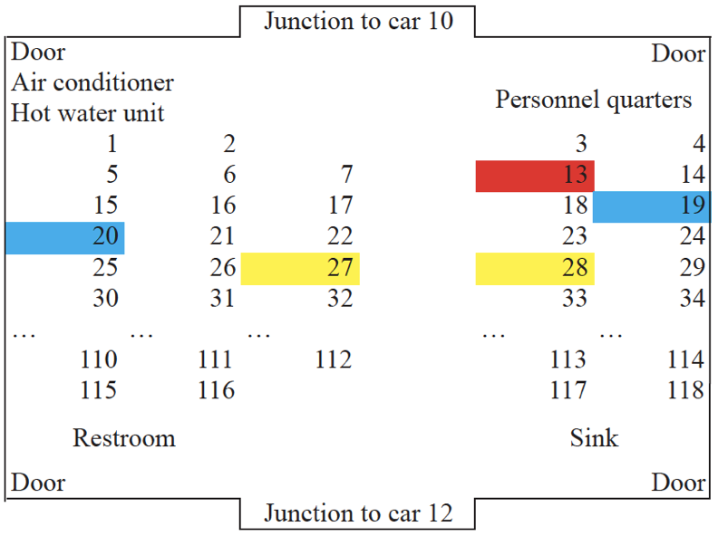
91 | 155 | 2.3114046228 | 1.5748031496 | 2.7968904681 | 2 | 110 |  | 0 | 0 | 0 | 0 | 0
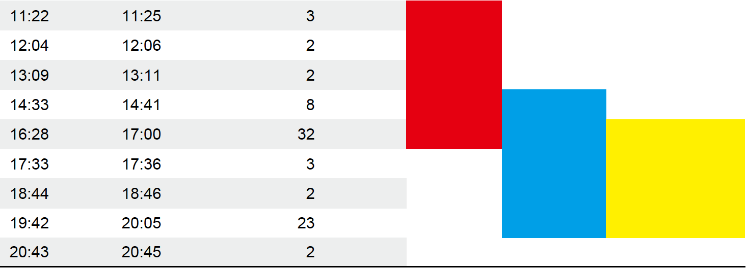
91 | 186 | 2.3114046228 | 2.3622047244 | 3.3049360796 | 2 | 110 |  | 0 | 0 | 0 | 0 | 0
91 | 217 | 2.3114046228 | 3.1496062992 | 3.9067391992 | 2 | 110 |  | 0 | 0 | 0 | 0 | 0
91 | 248 | 2.3114046228 | 3.937007874 | 4.5653720911 | 2 | 110 |  | 0 | 0 | 0 | 0 | 0
109 | 0 | 2.7686055372 | 2.3622047244 | 3.6393938755 | 2 | 110 |  | 0 | 1.7023191135E-05 | 1.7023046241E-05 | 0 | 1.7023046241E-05
109 | 31 | 2.7686055372 | 1.5748031496 | 3.1851501661 | 2 | 110 |  | 0 | 0.017109943828 | 0.016964400003 | 0 | 0.016964400003 |  |  | 0
109 | 62 | 2.7686055372 | 0.7874015748 | 2.8783984889 | 2 | 110 |  | 0 | 0.22748588366 | 0.20346633444 | 0 | 0.20346633444 |  |  | 31
109 | 93 | 2.7686055372 | 0 | 2.7686055372 | 2 | 110 |  | 0 | 0.017109943828 | 0.016964400003 | 0 | 0.016964400003 |  |  | 62 |  | 99,62
109 | 124 | 2.7686055372 | 0.7874015748 | 2.8783984889 | 2 | 110 |  | 0 | 1.7023191135E-05 | 1.7023046241E-05 | 0 | 1.7023046241E-05 |  | 0,93 | 93
109 | 155 | 2.7686055372 | 1.5748031496 | 3.1851501661 | 2 | 110 |  | 0 | 0 | 0 | 0 | 0 |  |  | 124
109 | 186 | 2.7686055372 | 2.3622047244 | 3.6393938755 | 2 | 110 |  | 0 | 0 | 0 | 0 | 0 |  |  | 155
109 | 217 | 2.7686055372 | 3.1496062992 | 4.1934706939 | 2 | 110 |  | 0 | 0 | 0 | 0 | 0 |  |  | 186
109 | 248 | 2.7686055372 | 3.937007874 | 4.8130247891 | 2 | 110 |  | 0 | 0 | 0 | 0 | 0 |  |  | 217
 |  |  |  |  |  |  |  | 0.72866924965 |  |  |  |  |  |  | 248
 |  |  |  |  |  |  |  |  |  |  |  |  |  | X0 | 279
0 | 0 | 2.5146050292 | 1.5748031496 | 2.9670260216 | 2 | 110 |  | 0 |  |  | 0 |  |  | 99 | 310
0 | 31 | 2.5146050292 | 0.7874015748 | 2.635002788 | 2 | 110 |  | 0 |  |  | 0 |  |  | Y0
0 | 62 | 2.5146050292 | 0 | 2.5146050292 | 2 | 110 |  | 0 |  |  | 0 |  |  | 62
0 | 93 | 2.5146050292 | 0.7874015748 | 2.635002788 | 2 | 110 |  | 0 |  |  | 0 |  |  | ID
0 | 124 | 2.5146050292 | 1.5748031496 | 2.9670260216 | 2 | 110 |  | 0 |  |  | 0 |  |  | 19
0 | 155 | 2.5146050292 | 2.3622047244 | 3.4501086378 | 2 | 110 |  | 0 |  |  | 0
0 | 186 | 2.5146050292 | 3.1496062992 | 4.0302925816 | 2 | 110 |  | 0 |  |  | 0 |  |  |  |  |  |  |  |  |  |  | Start | 14:41:00 |  | 17:00:00 |  | 17:36:00 |  | 18:46:00 |  | 20:05:00
0 | 217 | 2.5146050292 | 3.937007874 | 4.671538232 | 2 | 110 |  | 0 |  |  | 0 |  |  |  |  |  |  |  |  |  |  | Stop |  | 16:28:00 |  | 17:33:00 |  | 18:44:00 |  | 19:42:00 |  | 20:43:00
0 | 248 | 2.5146050292 | 4.7244094488 | 5.3519419927 | 2 | 110 |  | 0 |  |  | 0
18 | 0 | 2.0574041148 | 1.5748031496 | 2.5909296887 | 2 | 110 |  | 0 |  |  | 0
18 | 31 | 2.0574041148 | 0.7874015748 | 2.2029328023 | 2 | 110 |  | 0 |  |  | 0
18 | 62 | 2.0574041148 | 0 | 2.0574041148 | 2 | 110 |  | 0 |  |  | 0
18 | 93 | 2.0574041148 | 0.7874015748 | 2.2029328023 | 2 | 110 |  | 0 |  |  | 0
18 | 124 | 2.0574041148 | 1.5748031496 | 2.5909296887 | 2 | 110 |  | 0 |  |  | 0 |  |  |  |  |  |  |  |  |  |  |  | 110mins |  | 160mins
18 | 155 | 2.0574041148 | 2.3622047244 | 3.1325585153 | 2 | 110 |  | 0 |  |  | 0
18 | 186 | 2.0574041148 | 3.1496062992 | 3.7620382151 | 2 | 110 |  | 0 |  |  | 0
18 | 217 | 2.0574041148 | 3.937007874 | 4.442177697 | 2 | 110 |  | 0 |  |  | 0
18 | 248 | 2.0574041148 | 4.7244094488 | 5.152956077 | 2 | 110 |  | 0 |  |  | 0
36 | 31 | 1.6002032004 | 0.7874015748 | 1.7834381185 | 1.7834381185 | 110 |  | 2.9170966672E-07 |  |  | 2.9170962412E-07
36 | 62 | 1.6002032004 | 0 | 1.6002032004 | 1.6002032004 | 110 |  | 1.5690011203E-05 |  |  | 1.5689888116E-05
36 | 93 | 1.6002032004 | 0.7874015748 | 1.7834381185 | 1.7834381185 | 110 |  | 2.9170966672E-07 |  |  | 2.9170962412E-07
36 | 124 | 1.6002032004 | 1.5748031496 | 2.2451403614 | 2 | 110 |  | 0 |  |  | 0
36 | 155 | 1.6002032004 | 2.3622047244 | 2.8531844389 | 2 | 110 |  | 0 |  |  | 0
36 | 186 | 1.6002032004 | 3.1496062992 | 3.5327991908 | 2 | 110 |  | 0 |  |  | 0
36 | 217 | 1.6002032004 | 3.937007874 | 4.2497860279 | 2 | 110 |  | 0 |  |  | 0
36 | 248 | 1.6002032004 | 4.7244094488 | 4.9880552245 | 2 | 110 |  | 0 |  |  | 0
91 | 0 | 0.2032004064 | 1.5748031496 | 1.5878587359 | 1.5878587359 | 110 |  | 1.9119096268E-05 |  |  | 1.9118913499E-05
91 | 31 | 0.2032004064 | 0.7874015748 | 0.81319840455 | 0.81319840455 | 110 |  | 0.018498031186 |  |  | 0.01832799268
91 | 62 | 0.2032004064 | 0 | 0.2032004064 | 0.2032004064 | 110 |  | 0.27410400562 |  |  | 0.23974699944
91 | 93 | 0.2032004064 | 0.7874015748 | 0.81319840455 | 0.81319840455 | 110 |  | 0.018498031186 |  |  | 0.01832799268
91 | 124 | 0.2032004064 | 1.5748031496 | 1.5878587359 | 1.5878587359 | 110 |  | 1.9119096268E-05 |  |  | 1.9118913499E-05
91 | 155 | 0.2032004064 | 2.3622047244 | 2.3709284184 | 2 | 110 |  | 0 |  |  | 0
91 | 186 | 0.2032004064 | 3.1496062992 | 3.1561543443 | 2 | 110 |  | 0 |  |  | 0
91 | 217 | 0.2032004064 | 3.937007874 | 3.9422482678 | 2 | 110 |  | 0 |  |  | 0
91 | 248 | 0.2032004064 | 4.7244094488 | 4.7287773309 | 2 | 110 |  | 0 |  |  | 0
109 | 0 | 0.254000508 | 1.5748031496 | 1.5951555467 | 1.5951555467 | 110 |  | 1.7023191135E-05 |  |  | 1.7023046241E-05
109 | 31 | 0.254000508 | 0.7874015748 | 0.82735572644 | 0.82735572644 | 110 |  | 0.017109943828 |  |  | 0.016964400003
109 | 62 | 0.254000508 | 0 | 0.254000508 | 0.254000508 | 110 |  | 0.22748588366 |  |  | 0.20346633444
109 | 93 | 0.254000508 | 0.7874015748 | 0.82735572644 | 0.82735572644 | 110 |  | 0.017109943828 |  |  | 0.016964400003
109 | 124 | 0.254000508 | 1.5748031496 | 1.5951555467 | 1.5951555467 | 110 |  | 1.7023191135E-05 |  |  | 1.7023046241E-05
109 | 155 | 0.254000508 | 2.3622047244 | 2.3758214197 | 2 | 110 |  | 0 |  |  | 0
109 | 186 | 0.254000508 | 3.1496062992 | 3.1598316566 | 2 | 110 |  | 0 |  |  | 0
109 | 217 | 0.254000508 | 3.937007874 | 3.9451929304 | 2 | 110 |  | 0 |  |  | 0
109 | 248 | 0.254000508 | 4.7244094488 | 4.7312324925 | 2 | 110 |  | 0 |  |  | 0

Exponential_Travel bus
Raw x | Raw y | Dist to X0 | Dist to Y0 | Distance (m) | Truncated distance | Time (min) | Status | Infection probability |  | X0 |  |  |  |  |  |  |  | Exposure | Dose | Total | Dose/min
0 | -50 | 0.6858013716 | 10.769621539 | 10.791435105 | 3.5 | 150 |  | 0 |  | 27 |  |  |  |  |  |  |  | 150 | 0 | 13.658108691 | 0.09105405794
0 | 0 | 0.6858013716 | 9.4996189992 | 9.5243416913 | 3.5 | 150 |  | 0 |  | Y0 |  |  |  |  |  |  |  |  | 0
27 | 0 | 0 | 9.4996189992 | 9.4996189992 | 3.5 | 150 |  | 0 |  | 374 |  |  |  |  |  |  |  |  | 0
73 | 0 | 1.1684023368 | 9.4996189992 | 9.5712029104 | 3.5 | 150 |  | 0 |  |  |  |  |  |  |  |  |  |  | 0
100 | 0 | 1.8542037084 | 9.4996189992 | 9.6788859133 | 3.5 | 150 |  | 0 |  |  |  |  |  |  |  |  |  |  | 0
0 | 34 | 0.6858013716 | 8.636017272 | 8.6632048252 | 3.5 | 150 |  | 0 |  |  |  |  |  |  |  |  |  |  | 0
18 | 34 | 0.2286004572 | 8.636017272 | 8.6390423365 | 3.5 | 150 |  | 0 |  |  |  |  |  |  |  |  |  |  | 0
0 | 68 | 0.6858013716 | 7.7724155448 | 7.8026128267 | 3.5 | 150 |  | 0 |  |  |  |  |  |  |  |  |  |  | 0
18 | 68 | 0.2286004572 | 7.7724155448 | 7.7757765895 | 3.5 | 150 |  | 0 |  |  |  |  |  |  |  |  |  |  | 0
54 | 68 | 0.6858013716 | 7.7724155448 | 7.8026128267 | 3.5 | 150 |  | 0 |  |  |  |  |  |  |  |  |  |  | 0
72 | 68 | 1.143002286 | 7.7724155448 | 7.8560102869 | 3.5 | 150 |  | 0 |  |  |  |  |  |  |  |  |  |  | 0
0 | 102 | 0.6858013716 | 6.9088138176 | 6.9427683159 | 3.5 | 150 |  | 0 |  |  |  |  |  |  |  |  |  |  | 0
18 | 102 | 0.2286004572 | 6.9088138176 | 6.9125947759 | 3.5 | 150 |  | 0 |  |  |  |  |  |  |  |  |  |  | 0
54 | 102 | 0.6858013716 | 6.9088138176 | 6.9427683159 | 3.5 | 150 |  | 0 |  |  |  |  |  |  |  |  |  |  | 0
72 | 102 | 1.143002286 | 6.9088138176 | 7.0027253689 | 3.5 | 150 |  | 0 |  |  |  |  |  |  |  |  |  |  | 0
0 | 136 | 0.6858013716 | 6.0452120904 | 6.0839882264 | 3.5 | 150 | Yes | 0 |  |  |  |  |  |  |  |  |  |  | 0
18 | 136 | 0.2286004572 | 6.0452120904 | 6.0495328239 | 3.5 | 150 | Yes | 0 |  |  |  |  |  |  |  |  |  |  | 0
54 | 136 | 0.6858013716 | 6.0452120904 | 6.0839882264 | 3.5 | 150 |  | 0 |  |  |  |  |  |  |  |  |  |  | 0
72 | 136 | 1.143002286 | 6.0452120904 | 6.1523201675 | 3.5 | 150 |  | 0 |  |  |  |  |  |  |  |  |  |  | 0
0 | 170 | 0.6858013716 | 5.1816103632 | 5.2267972486 | 3.5 | 150 | Yes | 0 |  |  |  |  |  |  |  |  |  |  | 0
18 | 170 | 0.2286004572 | 5.1816103632 | 5.186650569 | 3.5 | 150 |  | 0 |  |  |  |  |  |  |  |  |  |  | 0
54 | 170 | 0.6858013716 | 5.1816103632 | 5.2267972486 | 3.5 | 150 | Yes | 0 |  |  |  |  |  |  |  |  |  |  | 0
72 | 170 | 1.143002286 | 5.1816103632 | 5.3061794336 | 3.5 | 150 |  | 0 |  |  |  |  |  |  |  |  |  |  | 0
0 | 204 | 0.6858013716 | 4.318008636 | 4.3721301561 | 3.5 | 150 |  | 0 |  |  |  |  |  |  |  |  |  |  | 0
18 | 204 | 0.2286004572 | 4.318008636 | 4.3240555905 | 3.5 | 150 |  | 0 |  |  |  |  |  |  |  |  |  |  | 0
54 | 204 | 0.6858013716 | 4.318008636 | 4.3721301561 | 3.5 | 150 |  | 0 |  |  |  |  |  |  |  |  |  |  | 0
72 | 204 | 1.143002286 | 4.318008636 | 4.4667273038 | 3.5 | 150 |  | 0 |  | Actual | 8 |  |  |  |  |  |  |  | 0
0 | 238 | 0.6858013716 | 3.4544069088 | 3.5218248981 | 3.5 | 150 |  | 0 |  |  |  |  |  |  |  |  |  |  | 0
18 | 238 | 0.2286004572 | 3.4544069088 | 3.4619626313 | 3.4619626313 | 150 |  | 9.9172447321E-07 |  | d0 | 3.5 |  | rest_exp | UK_exp | Bus_exp | Van_exp |  |  | 9.9172496501E-07
0 | 272 | 0.6858013716 | 2.5908051816 | 2.6800363823 | 2.6800363823 | 150 |  | 0.024649631453 |  | alpha | 3.3 |  | 3.5 | 3.5 | 3.5 | 3.5 | 2 |  | 0.02495852018
18 | 272 | 0.2286004572 | 2.5908051816 | 2.6008709422 | 2.6008709422 | 150 | Yes | 0.033264723041 |  | kappa | 0.02 |  | 2.5 | 2.4 | 3.3 | 3.8 | 6.3 |  | 0.03383057803
54 | 272 | 0.6858013716 | 2.5908051816 | 2.6800363823 | 2.6800363823 | 150 |  | 0.024649631453 |  | Total | 8.046 |  | 0.15 | 0.2 | 0.02 | 0.03 | 0.007 |  | 0.02495852018
72 | 272 | 1.143002286 | 2.5908051816 | 2.8317354599 | 2.8317354599 | 150 |  | 0.012626128964 |  | error | 0.57% |  |  |  |  |  |  |  | 0.012706515898
0 | 306 | 0.6858013716 | 1.7272034544 | 1.8583743687 | 1.8583743687 | 150 |  | 0.21859482353 |  |  |  |  |  |  |  |  |  |  | 0.24666147177
18 | 306 | 0.2286004572 | 1.7272034544 | 1.7422657495 | 1.7422657495 | 150 |  | 0.26586302798 |  |  |  |  |  |  |  |  |  |  | 0.30905965739
54 | 306 | 0.6858013716 | 1.7272034544 | 1.8583743687 | 1.8583743687 | 150 |  | 0.21859482353 |  |  |  |  |  |  |  |  |  |  | 0.24666147177
72 | 306 | 1.143002286 | 1.7272034544 | 2.0711557157 | 2.0711557157 | 150 |  | 0.14444765877 |  |  |  |  | 2.200 |  |  |  |  |  | 0.15600800548
0 | 340 | 0.6858013716 | 0.8636017272 | 1.1027835075 | 1.1027835075 | 150 |  | 0.57703250231 |  |  |  |  | 3.3 |  |  |  |  |  | 0.86045994051
18 | 340 | 0.2286004572 | 0.8636017272 | 0.89334546076 | 0.89334546076 | 150 |  | 0.67838998046 |  |  |  |  | 0.070 |  |  |  |  |  | 1.1344155869
54 | 340 | 0.6858013716 | 0.8636017272 | 1.1027835075 | 1.1027835075 | 150 | Yes | 0.57703250231 |  |  |  |  | 8.031 |  |  |  |  |  | 0.86045994051
72 | 340 | 1.143002286 | 0.8636017272 | 1.4325718722 | 1.4325718722 | 150 |  | 0.41020457759 |  |  |  |  | 0.004 |  |  |  |  |  | 0.52797954389
0 | 374 | 0.6858013716 | 0 | 0.6858013716 | 0.6858013716 | 150 |  | 0.76793118583 |  |  |  |  |  |  |  |  |  |  | 1.4607213385
27 | 374 | 0 | 0 | 0 | 0 | 150 | Index | 0.95021293163 |  |  |  |  |  |  |  |  |  |  | 3
73 | 374 | 1.1684023368 | 0 | 1.1684023368 | 1.1684023368 | 150 |  | 0.54394952802 |  |  |  |  |  |  |  |  |  |  | 0.78515179143
100 | 374 | 1.8542037084 | 0 | 1.8542037084 | 1.8542037084 | 150 |  | 0.22021379928 |  |  |  |  |  |  |  |  |  |  | 0.24873549851
16 | 408 | 0.2794005588 | 0.8636017272 | 0.90767428932 | 0.90767428932 | 150 | Yes | 0.67174577138 |  |  |  |  |  |  |  |  |  |  | 1.1139668836
34 | 408 | 0.1778003556 | 0.8636017272 | 0.88171475528 | 0.88171475528 | 150 |  | 0.68374455107 |  |  |  |  |  |  |  |  |  |  | 1.1512050093
52 | 408 | 0.63500127 | 0.8636017272 | 1.0719302944 | 1.0719302944 | 150 |  | 0.59243289993 |  |  |  |  |  |  |  |  |  |  | 0.89754969711
70 | 408 | 1.0922021844 | 0.8636017272 | 1.3923769442 | 1.3923769442 | 150 | Yes | 0.43028425094 |  |  |  |  |  |  |  |  |  |  | 0.5626177284

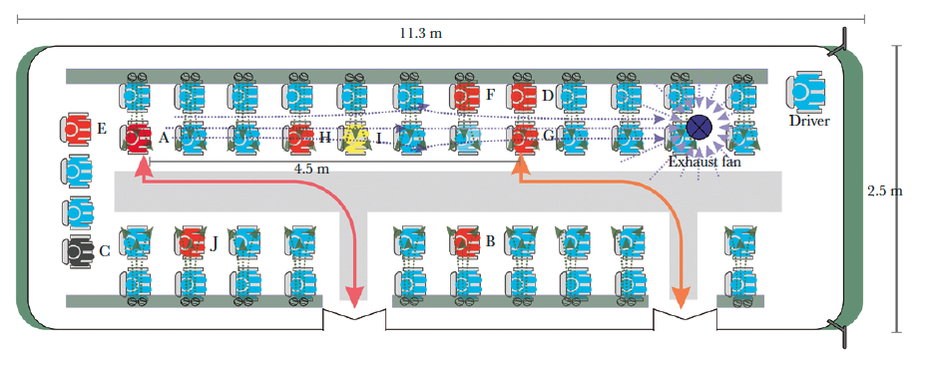
 |  |  |  |  |  |  |  |  | 0 | X | X | X | X | X

 |  |  |  |  |  |  |  | Y
 |  |  |  |  |  |  |  | Y
 |  |  |  |  |  |  |  | Y
 |  |  |  |  |  |  |  | Y
 |  |  |  |  |  |  |  | Y
 |  |  |  |  |  |  |  | Y
 |  |  |  |  |  |  |  | Y
 |  |  |  |  |  |  |  | Y
 |  |  |  |  |  |  |  | Y

Exponential_mini bus
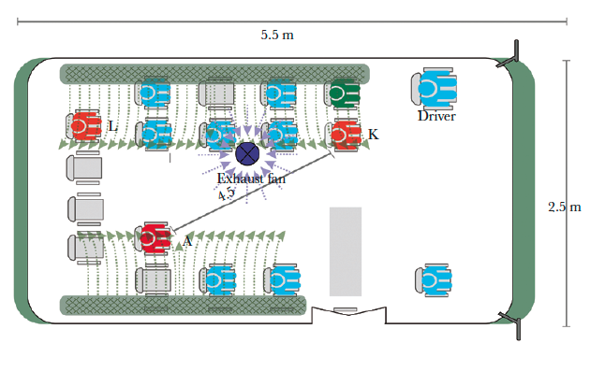
Person | Raw x | Raw y | Dist to X0 | Dist to Y0 | Distance (m) | Truncated distance | Time (min) | Status | Infection probability |  | X0 | Exposure | DOSE | TOTAL | Dose/min
 | 0 | -55 | 1.8542037084 | 4.3688087376 | 4.7460047596 | 3.5 | 60 |  | 0 |  | 73 | 60 | 0 | 3.1311355406 | 0.05218559
 | 100 | -55 | 0.6858013716 | 4.3688087376 | 4.4223085947 | 3.5 | 60 |  | 0 |  | Y0 |  | 0
 | 0 | 0 | 1.8542037084 | 2.9718059436 | 3.5028134348 | 3.5 | 60 |  | 0 |  | 117 |  | 0
SI | 27 | 0 | 1.1684023368 | 2.9718059436 | 3.1932420183 | 3.1932420183 | 60 |  | 0.00017282267324 |  |  |  | 0.0001728376088
 | 0 | 39 | 1.8542037084 | 1.9812039624 | 2.7135291657 | 2.7135291657 | 60 |  | 0.0061668775509 |  |  |  | 0.0061859712799
 | 27 | 39 | 1.1684023368 | 1.9812039624 | 2.3000724252 | 2.3000724252 | 60 |  | 0.030334112534 |  |  |  | 0.030803712731
 | 100 | 39 | 0.6858013716 | 1.9812039624 | 2.0965430265 | 2.0965430265 | 60 |  | 0.054336945257 |  |  |  | 0.055868952296
 | 27 | 78 | 1.1684023368 | 0.9906019812 | 1.53181471 | 1.53181471 | 60 |  | 0.18287212339 |  |  |  | 0.20195967665
 | 100 | 78 | 0.6858013716 | 0.9906019812 | 1.2048301982 | 1.2048301982 | 60 |  | 0.30383470349 |  |  |  | 0.36216815186
 | 0 | 117 | 1.8542037084 | 0 | 1.8542037084 | 1.8542037084 | 60 |  | 0.097276921121 |  |  |  | 0.10233944051
 | 27 | 117 | 1.1684023368 | 0 | 1.1684023368 | 1.1684023368 | 60 |  | 0.31920984642 |  |  |  | 0.38450116484
II | 73 | 117 | 0 | 0 | 0 | 0 | 60 |  | 0.83470111178 |  |  |  | 1.8
SI | 25 | 156 | 1.2192024384 | 0.9906019812 | 1.5709063852 | 1.5709063852 | 60 |  | 0.17066875575 |  |  |  | 0.18713563278

 |  |  |  |  |  |  |  |  |  |  | Actual | 2
 |  |  |  |  |  |  |  |  |  |  |  |  | min
 |  |  |  |  |  |  |  |  |  |  | d0 | 3.5 | 0.9 | 2.200
 |  |  |  |  |  |  |  |  |  |  | alpha | 3.8 | 0.1
 |  |  |  |  |  |  |  |  |  |  | kappa | 0.03 | intv
 |  |  |  |  |  |  |  |  |  |  | Total | 2.000
 |  |  |  |  |  |  |  |  |  |  | error | 0.02%

 |  |  |  |  |  |  |  | rest_exp | UK_exp | Bus_exp | Van_exp
 |  |  |  |  |  |  |  | 3.5 | 3.5 | 3.5 | 3.5 | 2
 |  |  |  |  |  |  |  | 2.5 | 2.4 | 3.3 | 3.8 | 6.3
 |  |  |  |  |  |  |  | 0.15 | 0.2 | 0.02 | 0.03 | 0.007

beta_restaurant
Person | Raw x | Raw y | x (m) | y (m) | Distance (m) | Truncated distance | Time (min) | Status | Infection probability |  |  | Notes | x scaling | y scaling | A1 x | A1 y | Avg exposure | Dose | Total dose | Dose/min
B1 | 7.1 | 0.9 | 1.775 | 0.27108433735 | 1.7955811644 | 1.7955811644 | 53 | Infected | 0.58171720619 |  |  |  | 0.250 | 0.301 | 9 | 2.5 | 43.952380952 | 23.464816066 | 178.6247961 | 4.0640527824
B2 | 3.9 | 0.7 | 0.975 | 0.21084337349 | 0.99753693072 | 0.99753693072 | 53 | Infected | 0.75713324954 |  |  |  | 0.250 | 0.301 |  |  |  | 43.379377696
B3 | 4.2 | 3.7 | 1.05 | 1.1144578313 | 1.5311813275 | 1.5311813275 | 53 | Infected | 0.65078517405 |  |  |  | 0.250 | 0.301 |  |  |  | 29.554538741
B4 | 7.2 | 3.7 | 1.8 | 1.1144578313 | 2.1170772914 | 2.1170772914 | 53 | Not infected | 0.48103968806 |  |  |  | 0.250 | 0.301 |  |  |  | 16.794678219
C1 | 11.3 | 0.7 | 2.825 | 0.21084337349 | 2.8328572022 | 2.8328572022 | 73 | Infected | 0.26279403935 |  |  |  | 0.250 | 0.301 |  |  |  | 7.2059643282
C2 | 12.3 | 4.8 | 3.075 | 1.4457831325 | 3.3979278783 | 3.3979278783 | 73 | Infected | 0.015998976923 | Possibility of later infection |  |  | 0.250 | 0.301 |  |  |  | 0.35743201729
C3 | 12.7 | 0.7 | 3.175 | 0.21084337349 | 3.1819930748 | 3.1819930748 | 73 | Not infected | 0.092980568758 |  |  |  | 0.250 | 0.301 |  |  |  | 2.2021178086
C4 | 13.2 | 2.9 | 3.3 | 0.8734939759 | 3.413647862 | 3.413647862 | 73 | Not infected | 0.012276015742 |  |  |  | 0.250 | 0.301 |  |  |  | 0.27351363179
C5 | 10.2 | 5.6 | 2.55 | 1.686746988 | 3.0573870218 | 3.0573870218 | 73 | Not infected | 0.15060808279 |  |  |  | 0.250 | 0.301 |  |  |  | 3.7374953006
C6 | 8.3 | 4.9 | 2.075 | 1.4759036145 | 2.5463535652 | 2.5463535652 | 73 | Not infected | 0.40243535648 |  |  |  | 0.250 | 0.301 |  |  |  | 12.763266809
C7 | 8.8 | 0.7 | 2.2 | 0.21084337349 | 2.210080299 | 2.210080299 | 73 | Not infected | 0.54364195462 |  |  |  | 0.250 | 0.301 |  |  |  | 20.693898095
E1 | 0.1 | 12.2 | 0.025 | 3.6746987952 | 3.6747838352 | 3.5 | 20 | Not infected | 0 |  |  |  | 0.250 | 0.301 |  |  |  | 0
E2 | 1.1 | 10.4 | 0.275 | 3.1325301205 | 3.1445778661 | 3.1445778661 | 20 | Not infected | 0.031890229636 |  |  |  | 0.250 | 0.301 |  |  |  | 0.72084238087
E3 | 0.7 | 8.5 | 0.175 | 2.5602409639 | 2.5662148766 | 2.5662148766 | 20 | Not infected | 0.13770781018 |  |  |  | 0.250 | 0.301 |  |  |  | 3.3809930767
E4 | 0.6 | 7 | 0.15 | 2.1084337349 | 2.1137627148 | 2.1137627148 | 20 | Not infected | 0.23755328382 |  |  |  | 0.250 | 0.301 |  |  |  | 6.3619357906
E5 | 2.4 | 6.7 | 0.6 | 2.0180722892 | 2.1053778198 | 2.1053778198 | 20 | Not infected | 0.23943971369 |  |  |  | 0.250 | 0.301 |  |  |  | 6.4236174489
F1 | 12.7 | 8 | 3.175 | 2.4096385542 | 3.9858478348 | 3.5 | 20 | Not infected | 0 |  |  |  | 0.250 | 0.301 |  |  |  | 0
F2 | 12.8 | 11.4 | 3.2 | 3.4337349398 | 4.6936697409 | 3.5 | 20 | Not infected | 0 |  |  |  | 0.250 | 0.301 |  |  |  | 0
F3 | 10.4 | 13 | 2.6 | 3.9156626506 | 4.7002568008 | 3.5 | 20 | Not infected | 0 |  |  |  | 0.250 | 0.301 |  |  |  | 0
F4 | 7.7 | 12.3 | 1.925 | 3.7048192771 | 4.17508214 | 3.5 | 20 | Not infected | 0 |  |  |  | 0.250 | 0.301 |  |  |  | 0
F5 | 7.2 | 7.9 | 1.8 | 2.3795180723 | 2.9836397665 | 2.9836397665 | 20 | Not infected | 0.05689074205 |  |  |  | 0.250 | 0.301 |  |  |  | 1.3103086921
 |  |  |  |  |  |  | Expected infected= | 3.9514103125 | 4 | Actual number infected | 4 to 5
 | Error | 0.012147421872 |  |  |  |  | For E and F | 0.70348177937 |  | Actual number infected | 0
beta param | b1 | 50.12863 |  | b1 decrease | number increase
beta param | a1 | 2.27 |  | a1 decrease | number decrease
$$β≫1$$
 | alpha = | 1.6 |  | Condition 1:
$$β≫α$$
 | r0 = (m) | 3.5 |  | Condition 2: |  | Rest | UK | Bus | Van | Train_beta
 | Kappa = (per minute) | 1.4 |  |  |  | 50.12863 | 50.12863 | 50.12863 | 50.12863 | 50.12863
 | E and F times | 20 |  |  |  | 2.27 | 2.27 | 2.27 | 2.27 | 2.27
 | Note: the time for tables E anf F are guesses |  |  |  |  | 3.5 | 3.5 | 3.5 | 3.5 | 2
 |  |  |  |  |  | 1.6 | 1.6 | 3.6 | 2.9 | 2.4
 |  |  |  |  |  | 1.45 | 1.4 | 0.6 | 0.5 | 0.08

