TestCase2
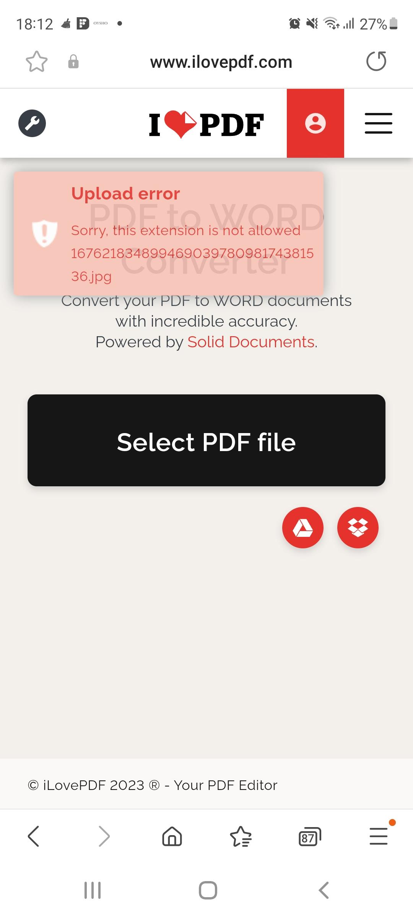
Test Case ID |  |  | Test Case Description
Created By |  | Andreea | Reviewed By | Raluca |  | Version |  | 2.1

QA Tester’s Log

Tester's Name |  | Andreea | Date Tested | 2023-02-12 |  | Test Case (Pass/Fail/Not Executed) |  | Pass

S # | Prerequisites: |  |  | S # | Test Data
1 | Access to Chrome Browser |  |  | 1
2 |  |  |  | 2
3 |  |  |  | 3
4 |  |  |  | 4

Description | Verify that the user can only be able to upload the allowed files only(doc,pdf,jpeg,png)

Step # | Step Details |  | Expected Results | Actual Results |  |  | Pass / Fail / Not executed / Suspended

1 | Navigate to Ilovepdf.com |  | Site should open | As Expected |  |  | Pass
2 | Select PDF to Word Converter |  | Window should open | As Expected |  |  | Pass
3 | Click on Select PDF file and upload a Jpeg file instead |  | This operation shouldnt be posible | A message appeared : Upload Error, this extension is not allowed |  |  | Pass
4

TestCase3
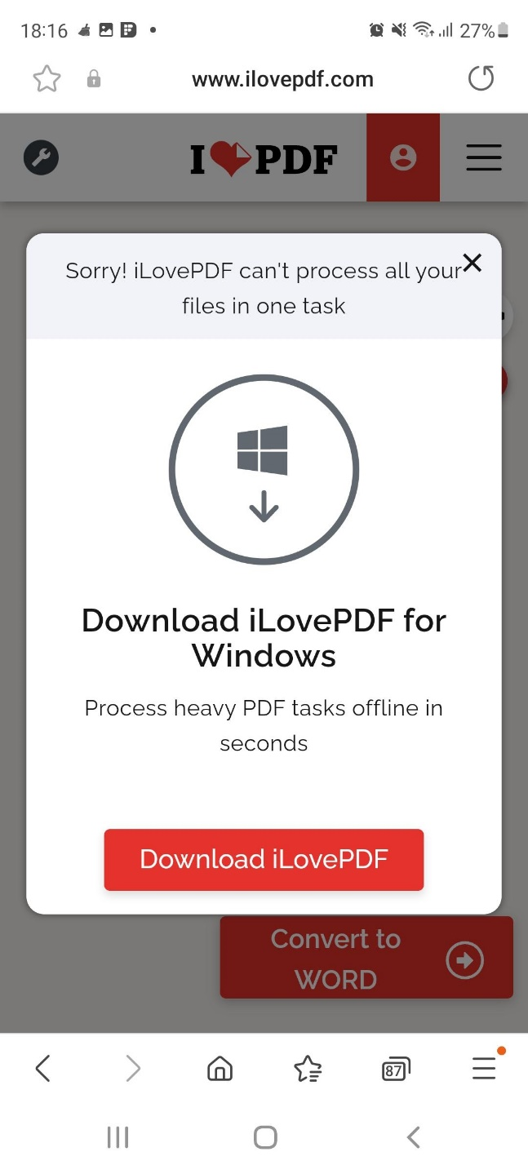
Test Case ID |  |  | Test Case Description
Created By |  | Andreea | Reviewed By | Raluca |  | Version |  | 2.1

QA Tester’s Log

Tester's Name |  | Andreea | Date Tested |  |  | Test Case (Pass/Fail/Not Executed) |  | Pass

S # | Prerequisites: |  |  | S # | Test Data
1 | Access to Chrome Browser |  |  | 1
2 |  |  |  | 2
3 |  |  |  | 3
4 |  |  |  | 4

Description | Verify an error message should be shown in case if the user tries to upload files more than the allowed limit

Step # | Step Details |  | Expected Results | Actual Results |  |  | Pass / Fail / Not executed / Suspended

1 | Navigate to Ilovepdf.com |  | Site should open | As Expected |  |  | Pass
2 | Click on the PDF to Word Button |  | Window should open | As Expected |  |  | Pass
3 | Upload multiple PDF files (15 of them) |  | Error message should be showned | As Expected |  |  | Pass
4

TestCase5
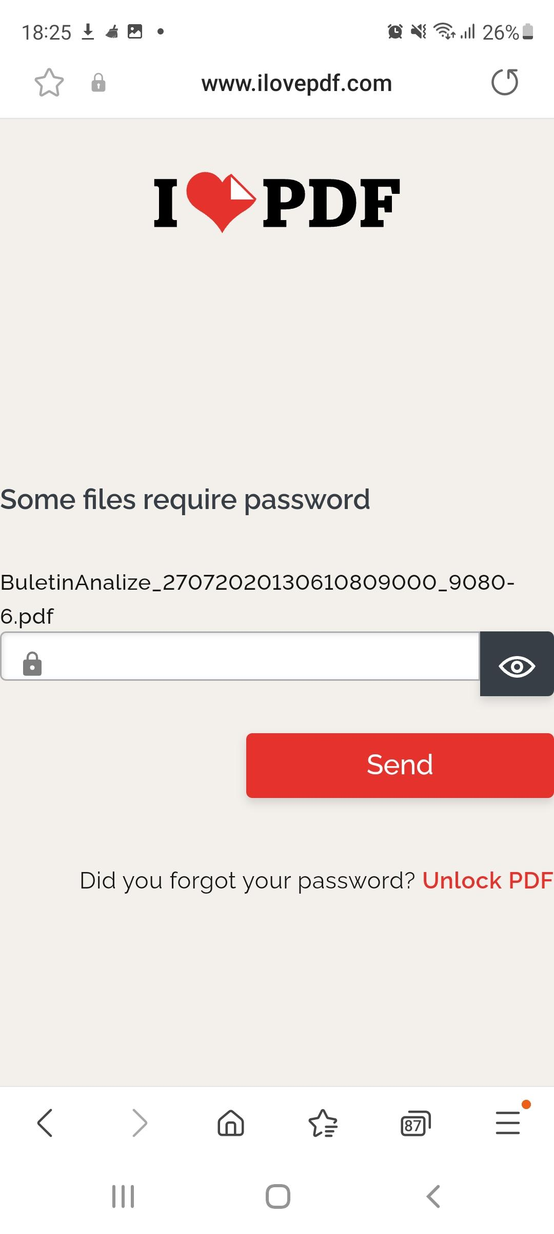
Test Case ID |  |  | Test Case Description
Created By |  | Andreea | Reviewed By | Raluca |  | Version |  | 2.1

QA Tester’s Log

Tester's Name |  | Andreea | Date Tested | 12,02,2023 |  | Test Case (Pass/Fail/Not Executed)

S # | Prerequisites: |  |  | S # | Test Data
1 | Access to Chrome Browser |  |  | 1
2 |  |  |  | 2
3 |  |  |  | 3
4 |  |  |  | 4

Description | Verify on upload a locked file password popup should be shown

Step # | Step Details |  | Expected Results | Actual Results |  |  | Pass / Fail / Not executed / Suspended

1 | Navigate to Ilovepdf.com |  | Site should open | As Expected |  |  | Pass
2 | Click on the PDF to Word Button |  | Window should open | As Expected |  |  | Pass
3 | Select a PDF file with a Password |  | File Password popup should be showned | As Expected |  |  | Pass
4

TestCase6
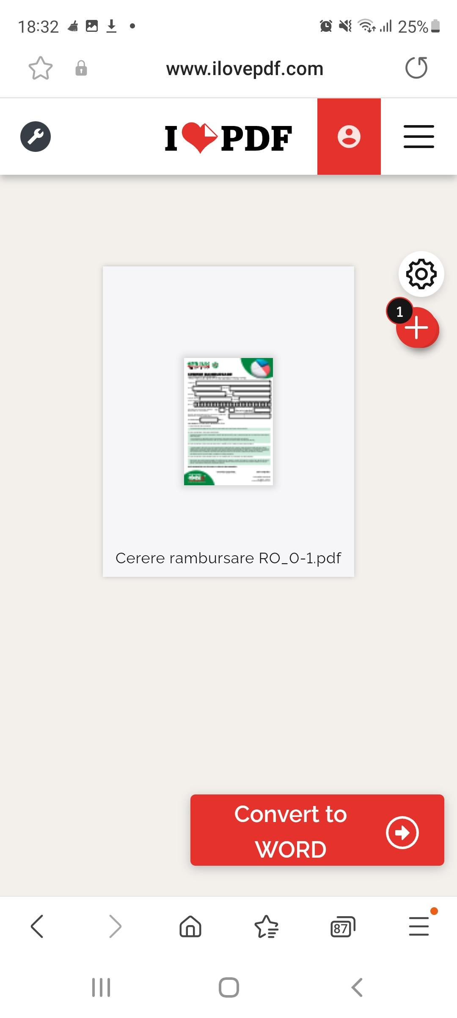
Test Case ID |  |  | Test Case Description
Created By |  | Andreea | Reviewed By | Raluca |  | Version |  | 2.1

QA Tester’s Log

Tester's Name |  | Andreea | Date Tested | 12,02,2023 |  | Test Case (Pass/Fail/Not Executed) |  | Pass

S # | Prerequisites: |  |  | S # | Test Data
1 | Access to Chrome Browser |  |  | 1
2 |  |  |  | 2
3 |  |  |  | 3
4 |  |  |  | 4

Description | Verify that the uploaded file extension should be shown with the file name

Step # | Step Details |  | Expected Results | Actual Results |  |  | Pass / Fail / Not executed / Suspended

1 | Navigate to Ilovepdf.com |  | Site should open | As Expected |  |  | Pass
2 | Click on the PDF to Word Button |  | Window should open | As Expected |  |  | Pass
3 | Upload a PDF file and check if the extension is showned with the file name |  | Extension is Showned | As Expected |  |  | Pass
4

