IAC Portfolio
Care.com halved traffic since acquisition
ahref thinks the traffic is worth $1M
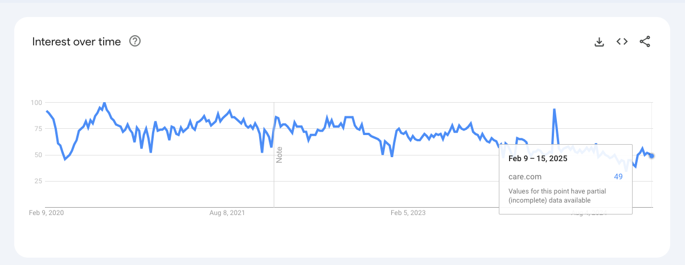

Traffic 50->32 for better & home gardens since acquisiton
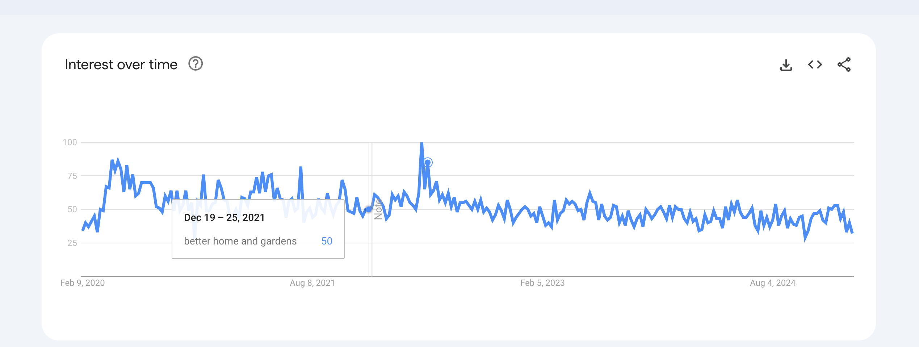

dotdash meredith roughly doubled
Revenue growing a lot

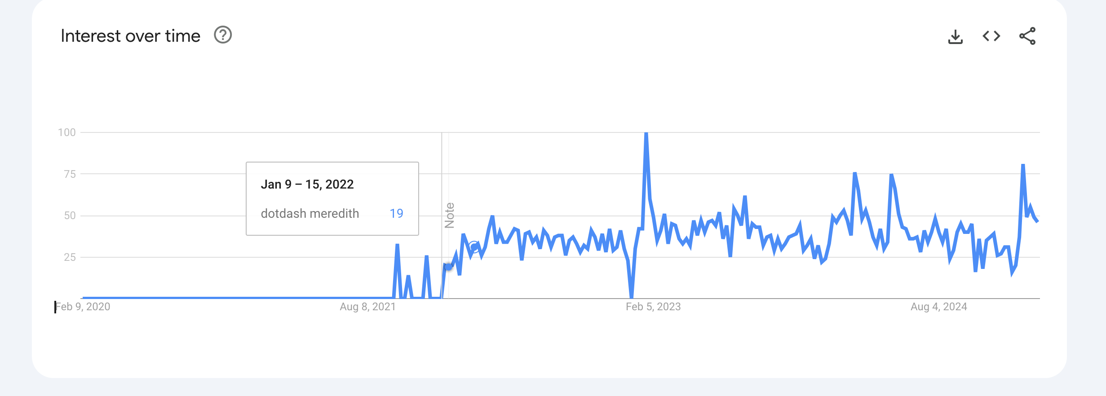

Ask media group
Cut in half in 2024
But traffic seems equal to 2023

