Main
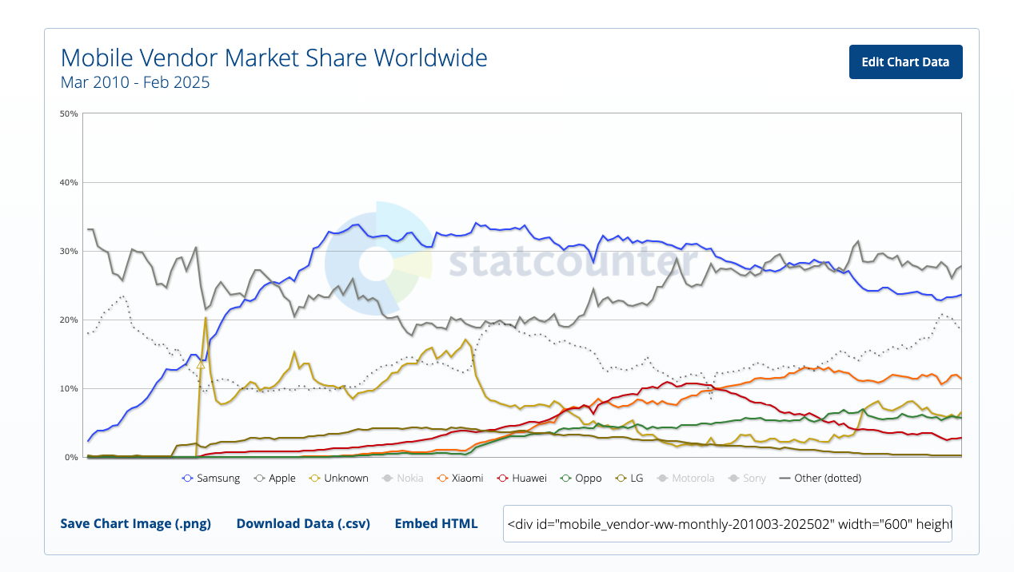
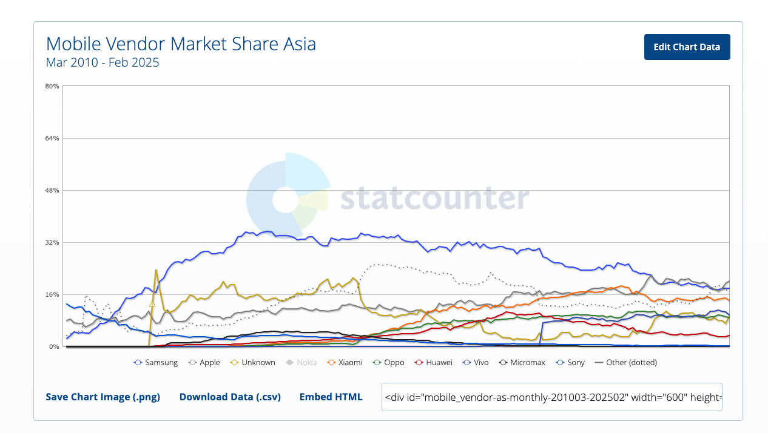
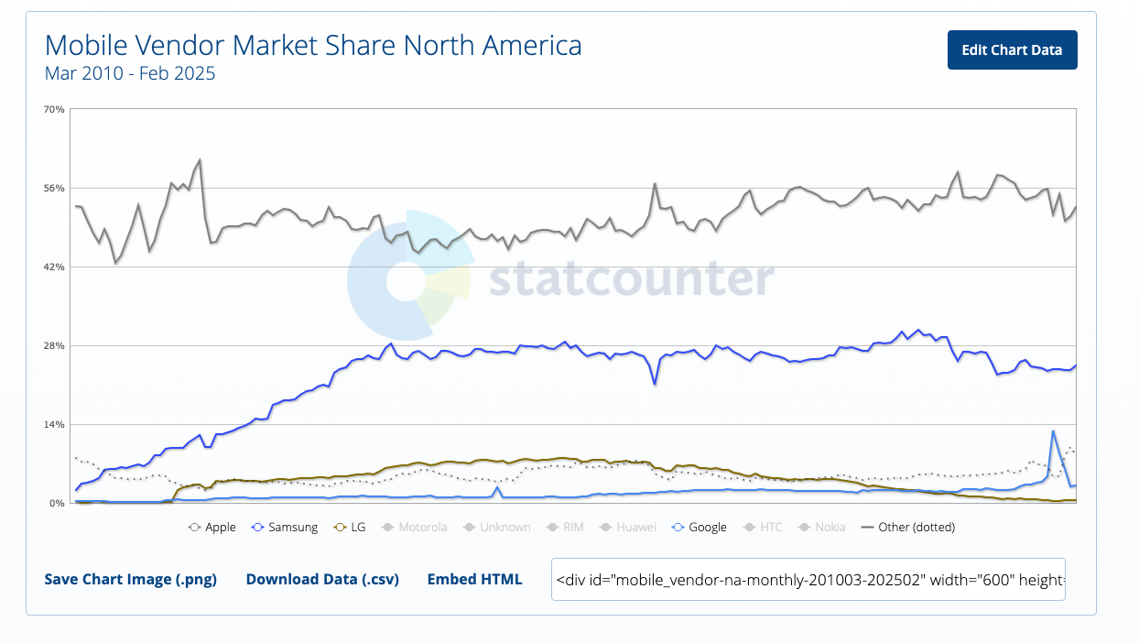
Segments | Description | % Rev 2024
QCT | All of their integrated cicruits/hardware | 84% |  | Price | 155
QTL | Their IP license revenue. 3g-5g, etc | 16% |  | Shares | 1,106 | Q424
QSI | Their investment / ventures to intro new products, acquisitions, and investments | N/A |  | MC | 171,762
 |  |  |  | Cash | 14,305 | Q424
 |  |  |  | Debt | 14,577 | Q424
 |  |  |  | EV | 172,034

 |  |  |  | Net Cash | -272

Business
Sells parts for smart phones | 3g, 4g, 5g
 | high perf, low-power computing and on-device AI | Thesis is gen-ai capable phones (46% of phones in 2027) instead of pumping llms to cloud only
 | Smartphone (android) snapdragon
Automotive, IOT | Snapdragon digital chassis
 | Digital cockpit / driver assistance | Thesis: 67% of new vehicles in 2030 will have embedded cellular activities, with 48% of new vehicles with 5G (vs 11% of vehicles with 4G in 2024)
IOT | PC, tablets, edge networking, industrial
 | Snapdragon, SoCs
 | GPU, NPU, CPUs

Invented | Code Division Multiple Access, Orthogonal Frequency Division Multiple Access
 | LTE
 | 5G

Quant
Past 5 years, there is a R=.53 correlation to Samsung on a daily basis
Much weaker correlation on monthly. .4455
Mostly chinese customers, and snapdragon on samsung

Other stats
https://gs.statcounter.com/os-market-share/mobile/worldwide/#monthly-200901-202502 |  |  | Average phone replacement is 3.6y
Android stagnant mkt share since 2019. |  |  | Average pop growth target phone users, say, 1970 to 2010, about 1.5% per year
Appl more and more market share since 2019
Android/Aapl stagnant mkt share since 2022
Vendor mkt share as of 2025 | Probably android users be android users and vice versa. Hard to switch
Apple
Samsung | 27.81%
Xiaomi | 23.61%
Below: Samsung slowly losing. Apple regaining mkt share. Other/unknown vendors gaining past year or so. | 11.38%
So samsung is hitting maturity and declining over time.
Seems like mobile doesn't matter too much as QCT is diversifying. Drop in Samsung mkt share and revenue for QCOM still goes up
AAPL also slowly taking all of asia mkt share.
AAPL dominates USA.
Neither Samsung/AAPL moved a ton since 2015. Though both slight decline with rise of pixel.

