About
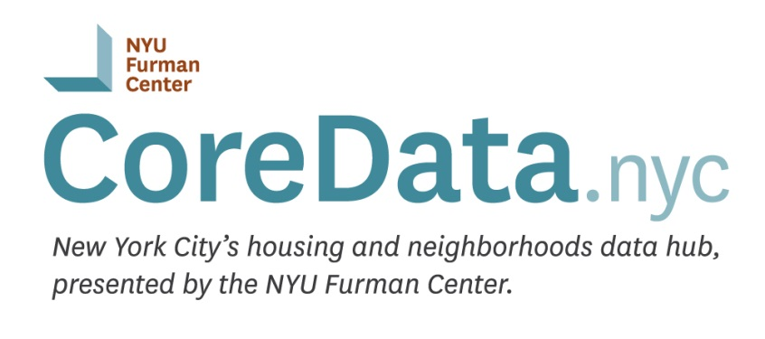

ABOUT THIS DATA EXTRACT
This file includes the full Subsidized Housing Database provided by the NYU Furman Center's CoreData.nyc. This workbook includes the following sheets:

Definitions | Variable labels and definitions

SubsidizedHousingDatabase | This sheet is a stacked data extract of the Subsidized Housing Database (as of the date listed below). Each row represents a unique Property-Subsidy combination. If a property has more than one subsidy associated with it, there will be multiple rows for that property; sort by "BBL" for the unique property identifier. A single subsidy can also apply to more than one property; sort by "fc_subsidy_id" for the unique subsidy identifier.

FOR MORE INFORMATION
User Guide | http://furmancenter.org/coredata/userguide/
Methodology | http://furmancenter.org/coredata/userguide/methodology
About | http://furmancenter.org/coredata/userguide/about
Data Dictionary | http://furmancenter.org/coredata/userguide/dictionary
Directory of New York City Housing Programs | http://furmancenter.org/coredata/directory

FEEDBACK
http://furmancenter.org/coredata/userguide/feedback

Last updated 2018-06-27

