Explanation
In the following file you will find the fermentation raw data obtained with nine commercal strain of S. cerevisae in two sugar concentration conditions (MS210 : 210 g/L of initial sugar - MS250: 250 g/L of initial sugar). The fermentation were monitored by weight loss and CO2 production.
At 1/3 of the fermentation process, 20 g/hL of commercial NutrientVit supplement (Lallemand) was added to simulate winemaking conditions.
Across fermentation, different samples were taken for biomass, nitrogen sources, primary and secondary metabolites analysis,
Samples were taken for cell count and HPLC analysis at the following accumulated CO₂ release values: 1-4 g/l (T1), 5-15 g/l (T2), 20-35 g/l (T3), 35-50 g/l (T4), 50-70 g/l (T5), 70-90 (T6), 90-100 (T7) and at the end of fermentation (T8).
Aromas were quantified at T2, T4, T6, T7 and T8.
Amino acids and NH4Cl were quantified at least at T0, T1, T2, T3, T5, T7 and T8.
Explanation of the data set
 | Units

 | Accumulated time (h)
 | Temperature (ºC)
 | Init. sugar MS (g/l)
 | Viable cells (C/ml)
 | Dead cells (C/ml)
 | Total cells (C/ml)
 | Glucose (g/l)
 | Fructose (g/l)
 | Glycerol (g/l)
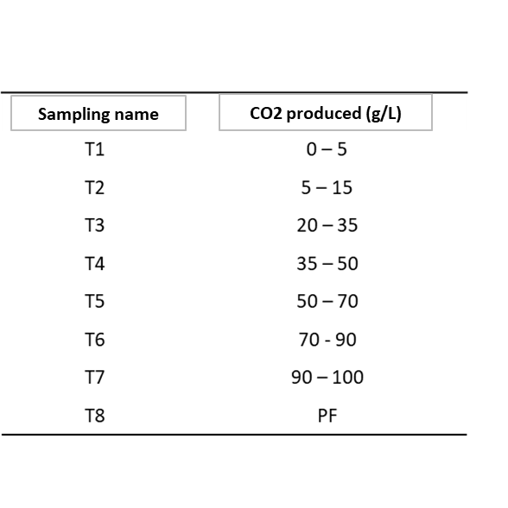
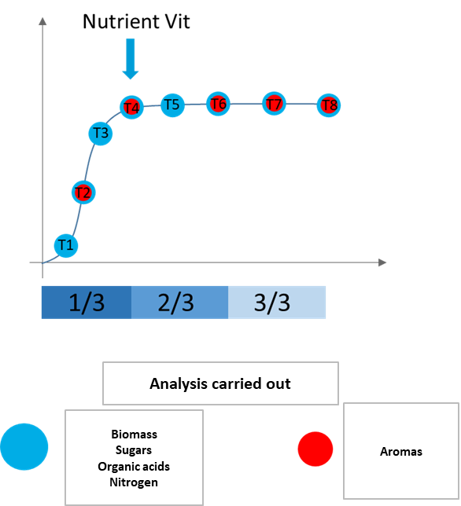
 | Ethanol (%)
 | Acetate (g/l)
 | Citrate (g/l)
 | L-Malate (g/l)
 | Succinate (g/l)
 | Alanine (mg/L)
 | Arginine (mg/L)
 | Aspartate (mg/L)
 | Cysteine (mg/L)
 | Glutamate (mg/L)
 | Glutamine (mg/L)
 | Glycine (mg/L)
 | Histidine (mg/L)
 | Isoleucine (mg/L)
 | Leucine (mg/L)
 | Lysine (mg/L)
 | Methionine (mg/L)
 | NH4Cl (mg/L)
 | Phenylalanine (mg/L)
 | Proline (mg/L)
 | Serine (mg/L)
 | Threonine (mg/L)
 | Tryptophan (mg/L)
 | Tyrosine (mg/L)
 | Valine (mg/L)
 | Ornithine (mg/L)
 | GABA (mg/L)
 | EthAcetate (mg/L)
 | Isobutanol (mg/L)
 | IsoamylAcetate (mg/L)
 | IsoamylAlcohol (mg/L)
 | EthylHexanoate (mg/L)
 | EthOctanoate (mg/L)
 | PhenEthAcetate (mg/L)
 | PhenEtoh (mg/L)
 | OctanoicAcid (mg/L)
 | DecanoicAcid (mg/L)

