Rating Methodology
Indeed Rating Methodology

Purpose and Scope |  |  |  | Screenshot of rating metric from Indeed website
This methodology documents the approach for calculating company or role-filtered rating on Indeed website from review-level star scores or aggregated star-distribution counts.
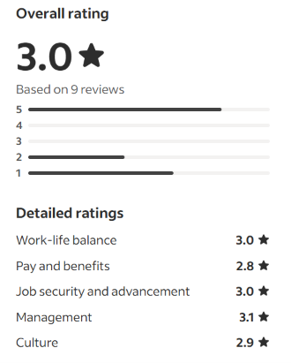

 |  | Methodology / Explanation | Formula / Implementation
Core Principle |  | The overall company rating is a weighted arithmetic mean of the individual star ratings. This is a straightforward average.
Core Formula |  | For a company with reviews rated on a 1–5 star scale: | Overall Rating = Σ (rating value × count of that rating) ÷ total number of ratings.
Calculation Logic |  | Multiply each star level (5, 4, 3, 2, 1) by the number of reviews assigned to that star level, sum the resulting weighted values, and divide by the total number of ratings.
Mapping to Review Counts |  | The review page can provide a total review count and a distribution of reviews across the five star levels. The total number of reviews is effectively the number of participants contributing an overall rating.
Distribution Formula |  |  | Overall Rating = (5×N₅ + 4×N₄ + 3×N₃ + 2×N₂ + 1×N₁) ÷ (N₅ + N₄ + N₃ + N₂ + N₁), where N₅ through N₁ represent the number of reviews receiving each star rating.
DAX Implementation |  | With a Reviews table containing Rating and Count fields: | Overall Rating := DIVIDE(SUMX(Reviews, Reviews[Rating] * Reviews[Count]), SUM(Reviews[Count]))
Limitation When Only Headline Metrics Are Available |  | If only total reviews (N) and an overall rating (R) are known, the underlying star distribution cannot be uniquely reconstructed. Multiple distributions can produce the same average.
Category-Specific Ratings |  | Sub-ratings such as Work-Life Balance and Pay & Benefits follow the same averaging principle: average the valid 1–5 scores for that specific category across reviews that answered the item.
Consistent Method |  | Overall company rating = average of all valid overall star scores. Each category rating = average of valid scores for that category.

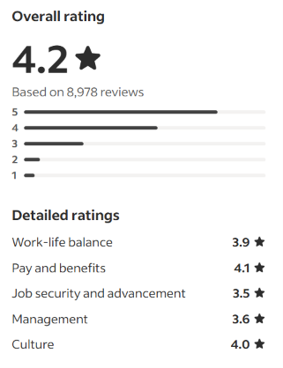
FEASIBLE EMPLOYEE-PERSPECTIVE RATING METHODOLOGY
Section | Methodology | Rating / Formula / Rule
1. Research scope | The dataset concerns Data Analyst jobs in healthcare/health-related organisations, but employee-review ratings usually describe the employer generally. | Use company-level ratings as contextual employee evidence; do not label them Data Analyst-specific unless the source explicitly does so.
2. Overall rating | Where review-level 1–5 ratings are available, calculate the arithmetic mean of valid ratings. | Overall Rating = SUM(valid ratings) / COUNT(valid ratings).
3. Display rating | For presentation, round the verified/calculated rating to one decimal place while retaining the unrounded value for analysis. | Display Rating = ROUND(Overall Rating, 1).
4. Star distribution | When star counts are available, report counts for 5, 4, 3, 2 and 1 stars separately. | Do not reconstruct exact counts from a rounded headline rating.
5. Rating from counts | If only star-distribution counts are available, calculate the weighted mean. | Rating = (5*C5 + 4*C4 + 3*C3 + 2*C2 + 1*C1) / (C5+C4+C3+C2+C1).
6. Category rating | For Work-Life Balance, Pay & Benefits, Job Security & Advancement, Management and Culture, average only valid nonblank category ratings. | Category Rating = mean of valid source-reported category scores.
7. Category respondent count | Report the number of observations contributing to each category where the source provides it. | Do not assume category respondent count equals total review count.
8. Data Analyst-specific filtering | A page containing Data Analyst jobs or reviews does not automatically make the displayed company rating Data Analyst-specific. | Only apply Data Analyst scope when the source explicitly identifies the measured review population as Data Analysts.
9. Healthcare-sector relevance | Employee ratings provide organisational context for Data Analyst roles in healthcare; they do not replace analyst-specific job data such as salary, tools, tasks or requirements. | Use ratings as one evidence layer alongside job-market variables.
10. No composite job score | Do not combine employee ratings with salary, job volume, tech-stack frequency or other variables into an arbitrary single Data Analyst score. | Keep source metrics separate unless a documented research model specifies a composite.
11. No ranking | Do not use employee ratings alone to rank employers for Data Analysts. | Report the underlying metrics, population, year and sample size instead.
12. Source verification | Open and verify the underlying source for every populated value. Confirm figure, metric meaning, year/date, population and sample/review count. | Unverifiable figures are excluded or placed in an evidence-gap log.
13. Employer claims | Employer recruitment/careers statements are not employee-perspective ratings. | Do not convert employer statements such as supportive culture or excellent development into numeric scores.
14. Missing values | A missing metric remains missing. | Never use 0, N/A, estimated, assumed or fabricated values unless the source explicitly reports that value.
15. Sample-size interpretation | Review count is not automatically employee headcount or Data Analyst sample size. | Preserve the source-defined meaning of the count.
16. Quality preference | Prefer a smaller set of fully verified employee-perspective metrics over a larger set containing inferred or fabricated figures. | Every populated Value must be traceable to Source_url.

WORKED EXAMPLE AND SOURCE ASSUMPTIONS
Star Rating | Review Count | Weighted Stars | Formula / Explanation
5 | 50 | 250 | 5-star count multiplied by 5
4 | 30 | 120.00 | 4-star count multiplied by 4
3 | 10 | 30.00 | 3-star count multiplied by 3
2 | 5 | 10.00 | 2-star count multiplied by 2
1 | 5 | 5.00 | 1-star count multiplied by 1
Total valid reviews | 100 | 415.00 | Total count and total stars
Unrounded overall rating |  | 4.15 | Total weighted stars divided by total valid reviews
Displayed overall rating |  | 4.20 | Rounded to one decimal place

Source and Assumptions
Item | Detail | Use / Note
Population scope | Company employee/reviewer evidence is generally broader than Data Analyst-specific evidence. | State this limitation in analysis.
Mathematical basis | Weighted arithmetic mean or mean of valid review-level ratings. | Use source-reported aggregate ratings where directly available; calculate only when the underlying inputs are available.
Rounding | One-decimal display is for presentation only. | Do not reverse-engineer exact distributions from rounded ratings.
Source limitation | The methodology describes reproducible calculations from observable source data. | It does not claim access to proprietary platform algorithms.

