Seat_Booking_Test_Cases
Test Case ID | Test Scenario | Test Steps | Test Data | Expected Result | Actual Result | Status (Pass/Fail) | Screenshot
TC01 | Select valid city | 1. Open website 2. Select city 3. Confirm selection | City: Kannur | Movies for selected city displayed | Movies for selected city displayed | Pass | 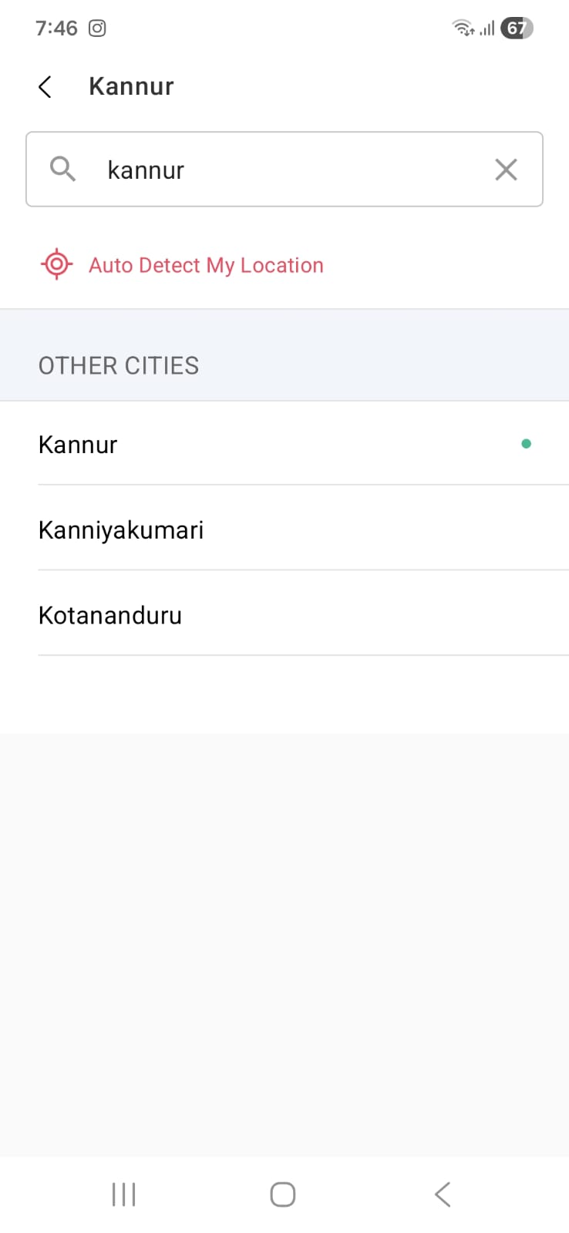
TC02 | Select movie and showtime | 1. Select movie 2. Choose theatre 3. Select showtime | Movie: Available movie Time: 9 PM | Seat selection page opens | Seat selection page opened successfully | Pass | 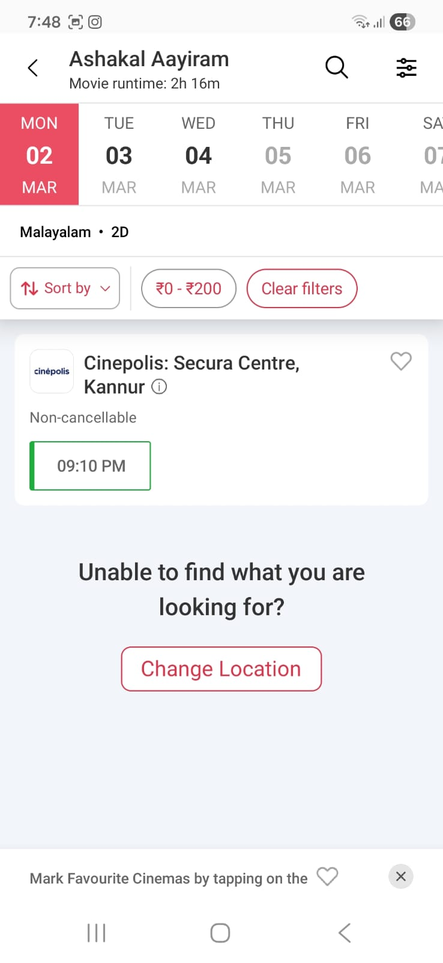
TC03 | Display seat layout | 1. Navigate to seat selection page | N/A | Seat layout displayed correctly | Seat layout displayed correctly | Pass | 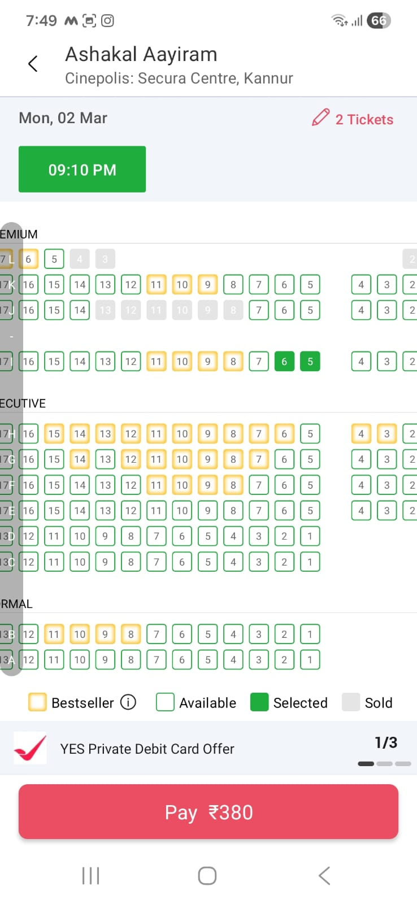
TC04 | Select available seats | 1. Click on available seats | Seats: A1, A2 | Seats highlighted and added to booking | Seats A1 and A2 selected successfully | Pass
TC05 | Verify price calculation | 1. Select 2 seats 2. Verify total amount | 2 Silver seats | Correct total amount displayed | Correct total amount displayed | Pass | 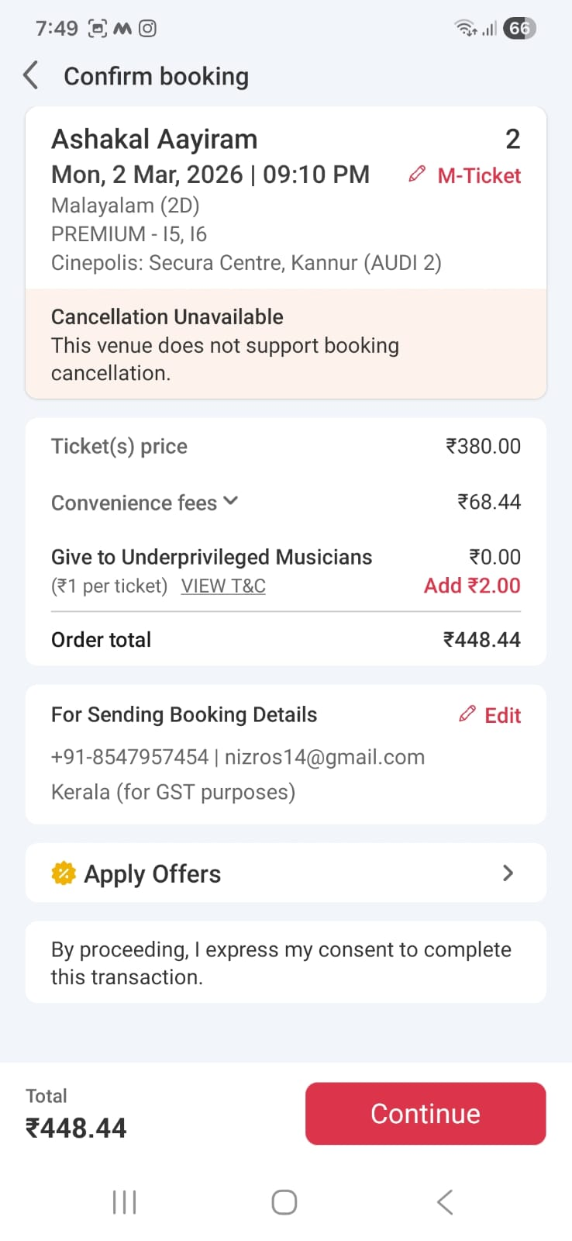
TC06 | Proceed to payment | 1. Select seats 2. Click Pay | Seat: B1 | Payment page displayed | Payment page displayed successfully | Pass
TC07 | Booking Ticket History Display | 1. Login2. Click My Bookings | User with previous bookings | List of past bookings displayed | History displyed successfully | Pass | 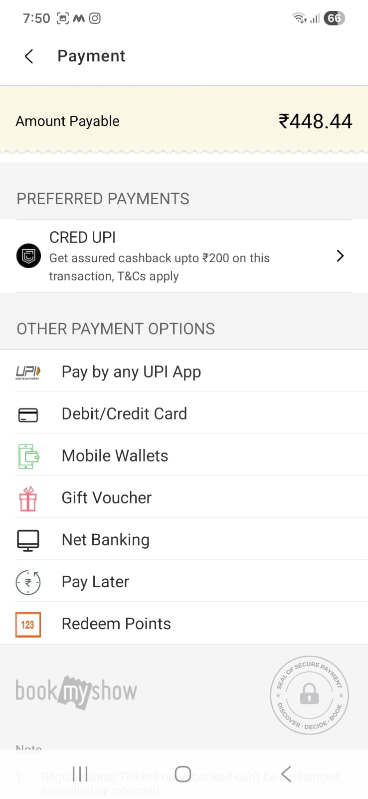 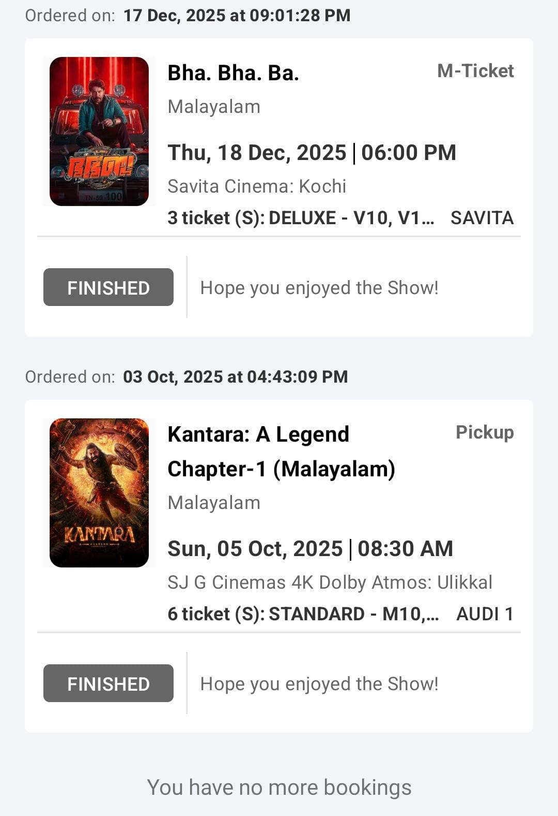
TC08 | Successful card payment | 1. Enter valid card details 2. Complete payment | Valid Debit Card | Booking confirmation displayed | Booking confirmed successfully | Pass | 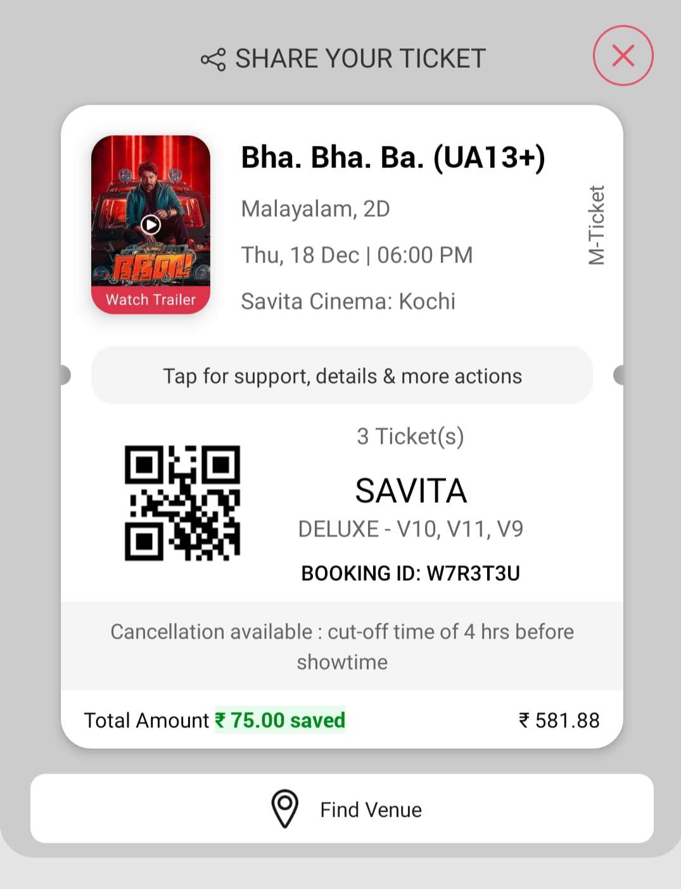
TC09 | Receive booking confirmation | 1. Complete payment 2. Check email/SMS | Registered Email/Mobile | Confirmation email/SMS received | Confirmation received successfully | Pass
TC10 | Deselect selected seat | 1. Select seat 2. Click again to deselect | Seat: C1 | Seat removed from selection | Seat removed from selection | Pass
TC11 | Select already booked seat | 1. Click on booked seat | Seat marked unavailable | User cannot select booked seat | System prevented selection of booked seat | Pass
TC12 | Select more than allowed seats | 1. Select more than 10 seats | 11 seats | Error message displayed | Error message displayed correctly | Pass
TC13 | Proceed without seat selection | 1. Click Pay without selecting seats | No seat selected | Warning message displayed | Warning message displayed correctly | Pass
TC14 | Internet Disconnected During Seat Selection | 1. Login2. Turn off internet3. Select seat | Valid seat | System shows “No Internet Connection” message | Error displayed | Pass | 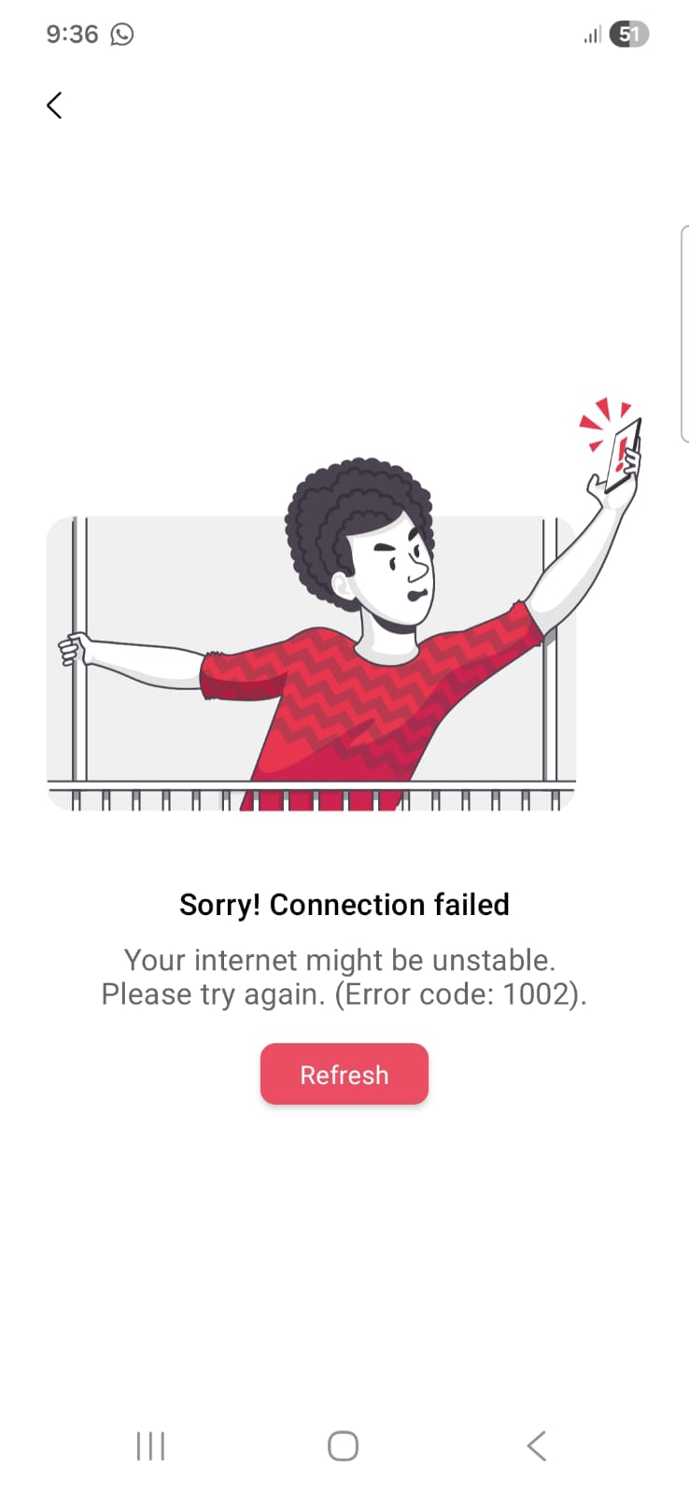
TC15 | Invalid Date Selection | 1. Open booking page2. Select yesterday’s date3. Click Search | Past date | System prevents selection and shows error message | Booking failed | Pass | 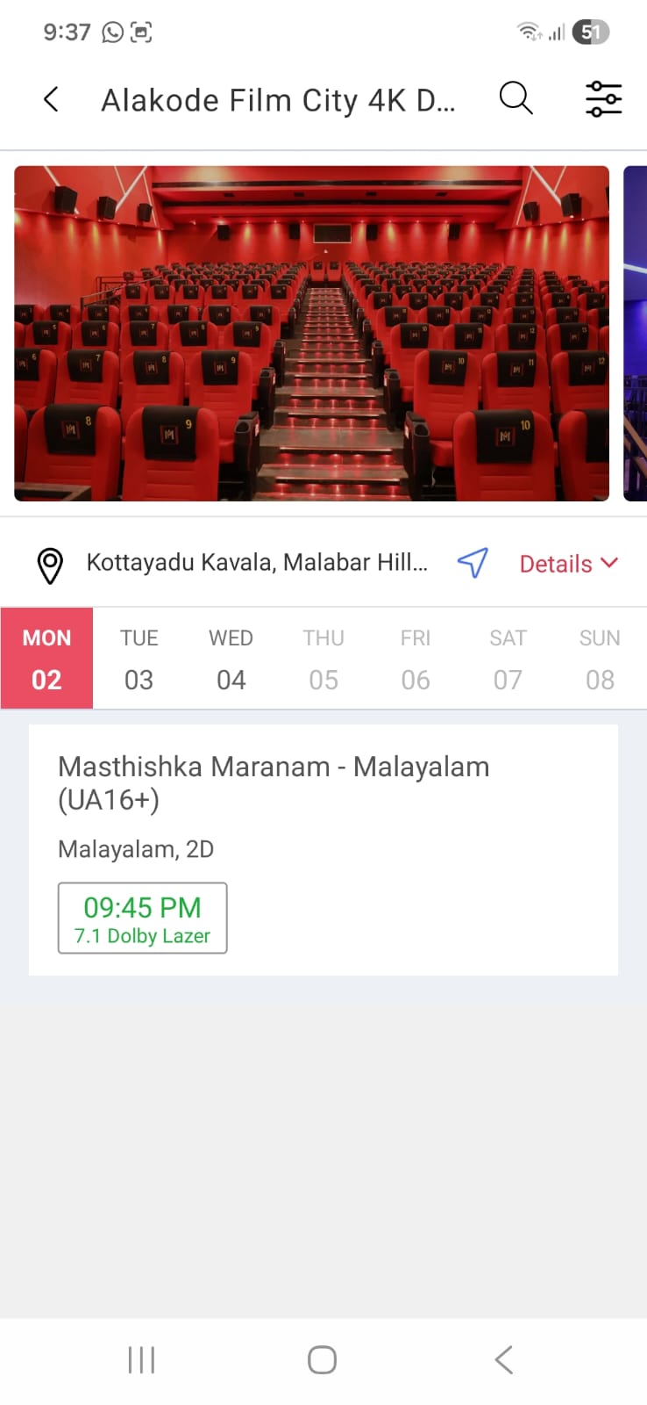
TC16 | Booking Without Login | 1.Open seat selection page 2.select seat 3.click confirm | Not logged-in user | System redirects to login page | Error displyed | Pass | 