Sheet1
Test Case ID | Test Scenario | Test Steps | Test Data | Expected Result | Actual Result | Status (Pass/Fail) | Screenshot
TC_01 | Verify successful login with new account | 1. Open Flipkart 2. Click Login 3. Enter registered mobile/email 4. Enter OTP | Valid registered mobile/email | User logs in successfully and homepage is displayed | User logged in successfully | 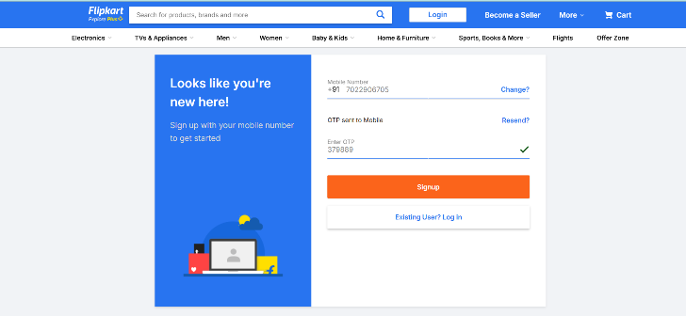 Pass
TC_02 | Verify empty Order History for new account | 1. Login 2. Navigate to Account → Orders | Newly created account | System displays "No orders yet" message | No orders message displayed correctly | Pass | 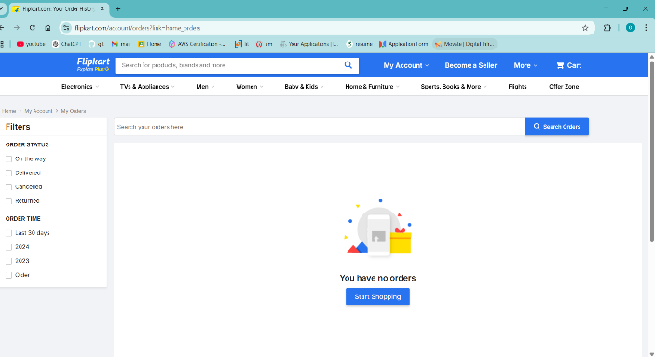
TC_03 | Verify profile details display | 1. Login 2. Go to Account → Profile | New account details | Profile page displays registered name and mobile number | Profile details displayed correctly | Pass | 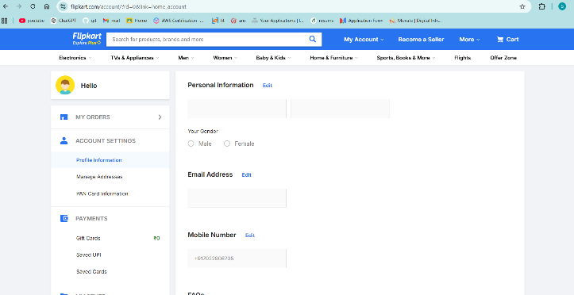 Pass
TC_04 | Verify editing profile name | 1. Login 2. Go to Profile 3. Click Edit 4. Change name 5. Save | Valid new name | Name is updated successfully | Name updated and reflected in profile | Pass | 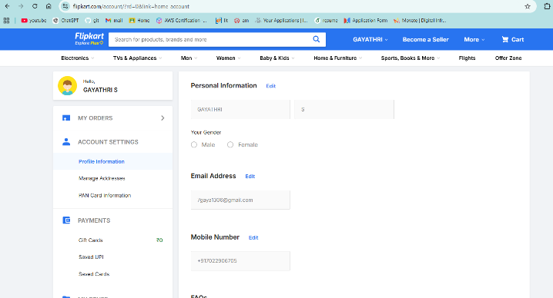
TC_05 | Verify adding new delivery address | 1. Login 2. Go to Address section 3. Click Add Address 4. Enter valid details 5. Save | Valid address details | Address saved successfully | Address added and displayed in list | Pass | 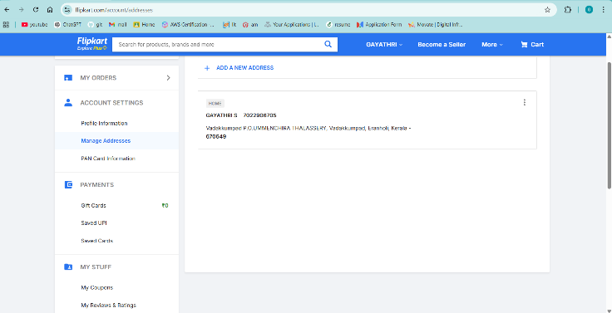
TC_06 | Verify editing saved address | 1. Login 2. Go to Address section 3. Click Edit on existing address 4. Modify details 5. Save | Updated address details | Address updated successfully | Address updated correctly | Pass | 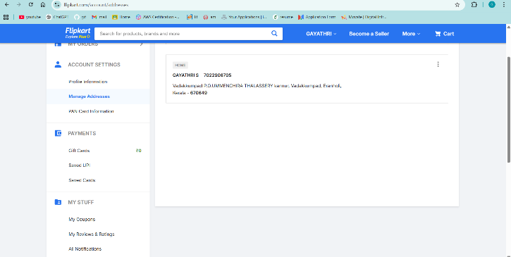
TC_07 | Verify deleting saved address | 1. Login 2. Go to Address section 3. Click Delete 4. Confirm | Existing saved address | Address removed from address list | Address deleted successfully | Pass | 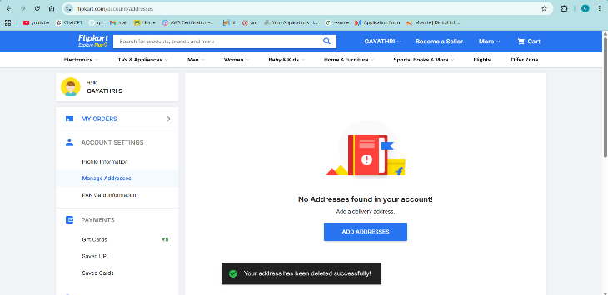
TC_16 | Verify user can update gender information in profile | 1. Login 2. Navigate to Account → Profile 3. Click Edit 4. Select gender option 5. Click Save | Valid gender selection | Selected gender is saved successfully and displayed in profile details | Gender updated successfully and reflected in profile | 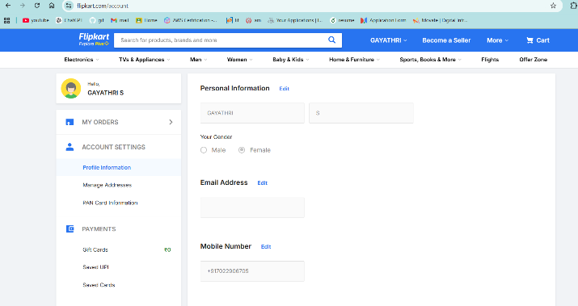 Pass
TC_09 | Verify logout functionality | 1. Login 2. Click Account 3. Click Logout | Valid logged-in session | User logged out and redirected to homepage | User logged out successfully | 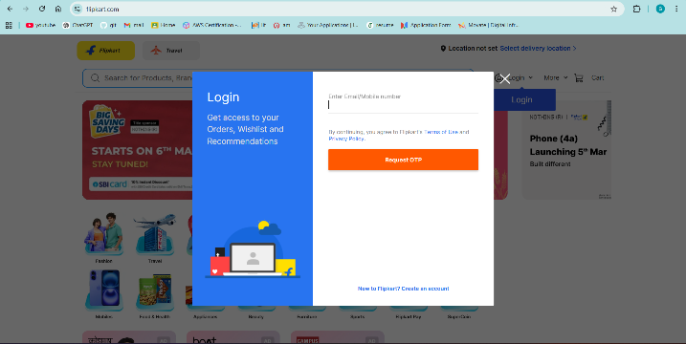 Pass
TC_10 | Verify login again after logout | 1. Logout 2. Click Login 3. Enter valid credentials | Valid registered credentials | User logs in successfully again | User logged in successfully | Pass | 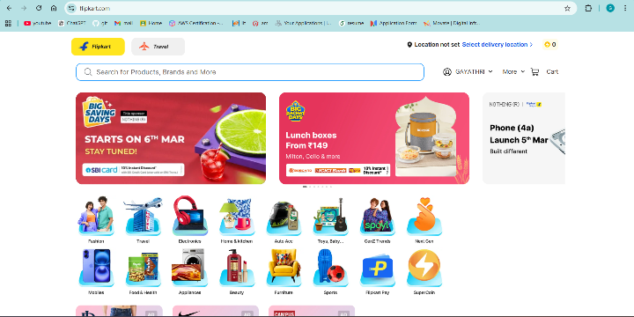
TC_11 | Verify login with invalid OTP | 1. Click Login 2. Enter mobile 3. Enter incorrect_adjont OTP | Incorrect OTP | System displays invalid OTP error message | Error message displayed correctly | Pass | 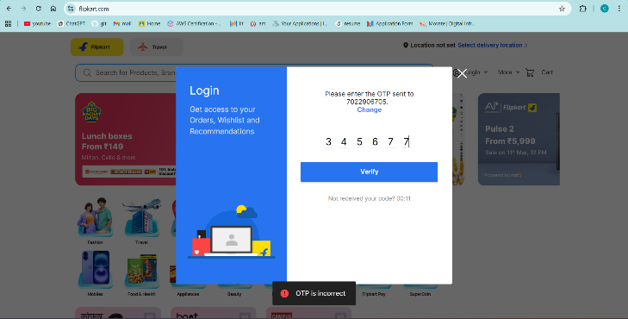
TC_12 | Verify saving address with mandatory fields blank | 1. Login 2. Add address 3. Leave required fields empty 4. Click Save | Empty mandatory fields | Validation error messages displayed | Validation errors displayed correctly | Pass | 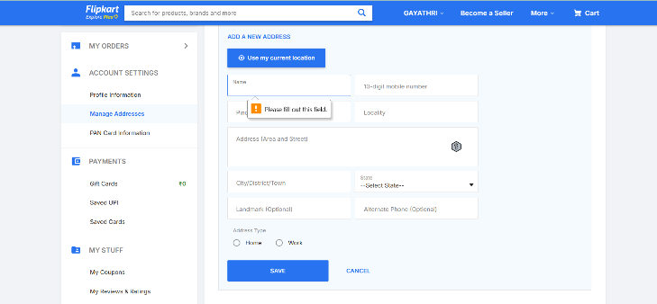
TC_13 | Verify profile update with invalid name | 1. Login 2. Edit profile 3. Enter special characters as name 4. Save | Invalid name (e.g., @@@123) | System shows validation error | Validation error displayed | Pass | 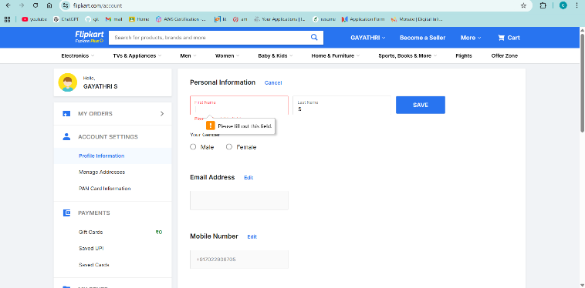
TC_14 | Verify adding address with invalid pincode | 1. Login 2. Go to Address section 3. Click Add Address 4. Enter invalid pincode (less than 6 digits) 5. Click Save | Invalid pincode (e.g., 123) | System displays validation error for invalid pincode and does not save address | Validation error displayed and address not saved | Pass | 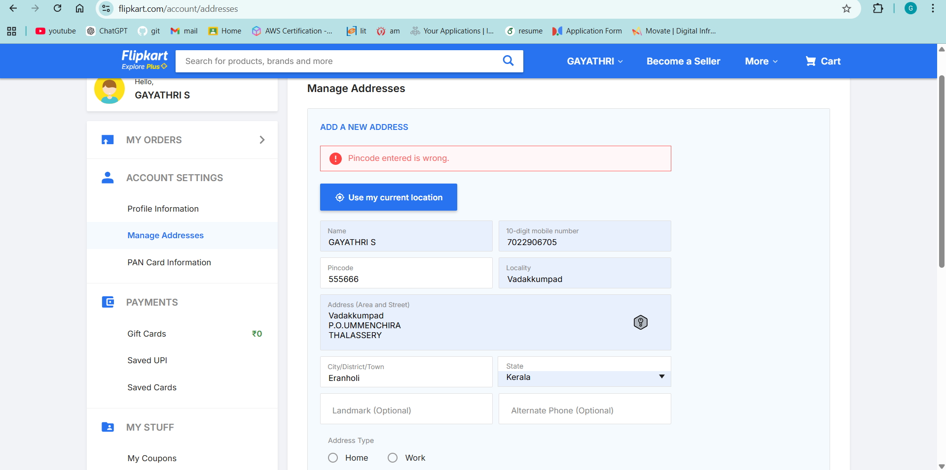
TC_15 | Verify accessing Orders after logout | 1. Logout 2. Try accessing Orders page directly | No active session | System redirects to Login page | Redirected to login page | Pass | 