Main
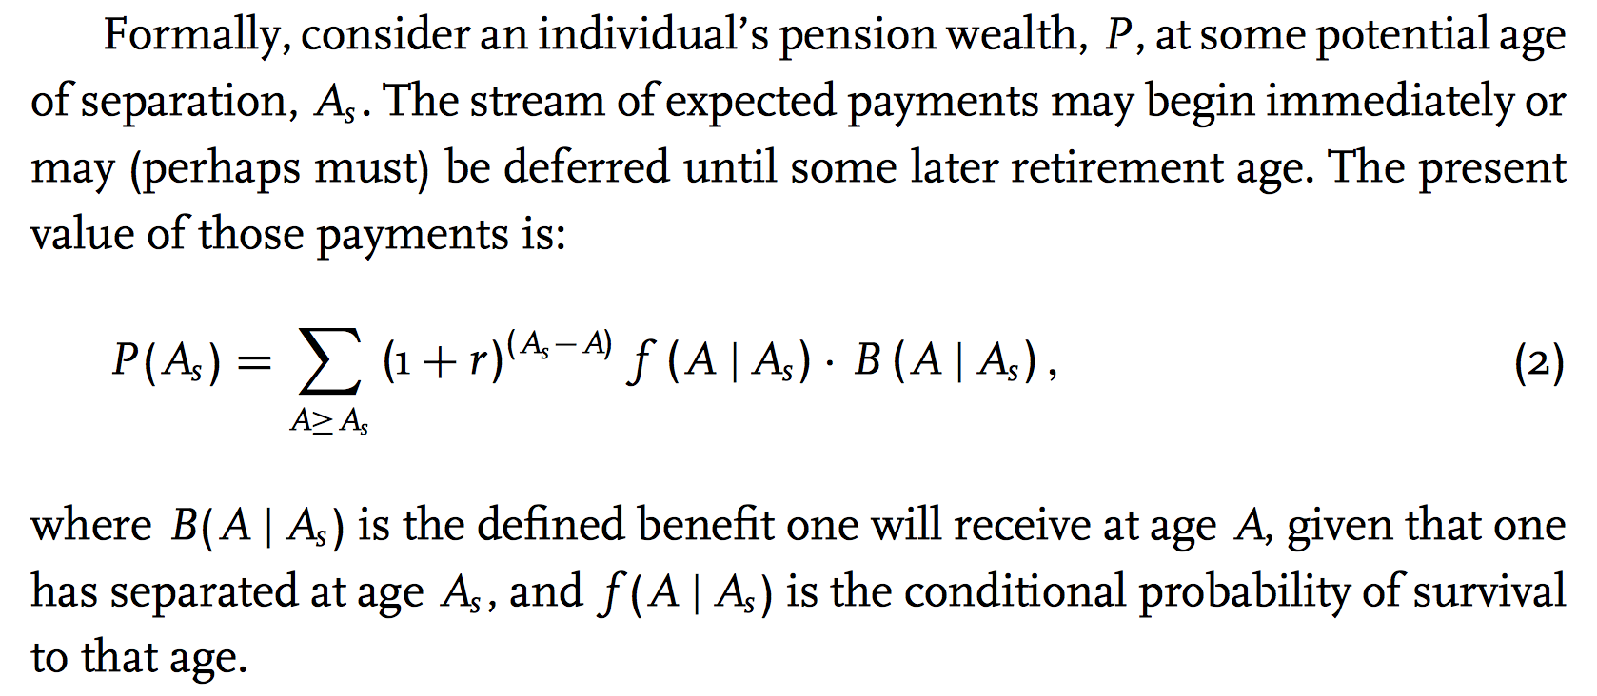
Main Parameters | Variable | Value | Age | YOS | Merit & Promotional Increases |  | ER DC Contribution | EE DC Contribution | DC Balance (ER Only) | Vested DC Balance (Adjusted for Inflation) | DC Balance (EE Only) | Total Vested DC Balance (Adjusted for Inflation) | ER DC Contribution | EE DC Contribution | DC Balance (ER Only) | Vested DC Balance (Adjusted for Inflation) | DC Balance (EE Only) | Total Vested DC Balance (Adjusted for Inflation) | ER DC Contribution | EE DC Contribution | DC Balance (ER Only) | Vested DC Balance (Adjusted for Inflation) | DC Balance (EE Only) | Total Vested DC Balance (Adjusted for Inflation)
Survival Model |  | Plan | 22 | 0 | 7.75% |  | #REF! | #REF! | #REF! | #REF! | #REF! | #REF! | #REF! | #REF! | #REF! | #REF! | #REF! | #REF! | #REF! | #REF! | #REF! | #REF! | #REF! | #REF!
ARR/DR | ARR | 7.25% | 23 | 1 | 3.50% |  | #REF! | #REF! | #REF! | #REF! | #REF! | #REF! | #REF! | #REF! | #REF! | #REF! | #REF! | #REF! | #REF! | #REF! | #REF! | #REF! | #REF! | #REF!
Assumed Price Inflation | assum_infl | 2.30% | 24 | 2 | 2.75% |  | #REF! | #REF! | #REF! | #REF! | #REF! | #REF! | #REF! | #REF! | #REF! | #REF! | #REF! | #REF! | #REF! | #REF! | #REF! | #REF! | #REF! | #REF!
Payroll Growth Rate (Basic) | payroll_growth | 3.30% | 25 | 3 | 2.25% |  | #REF! | #REF! | #REF! | #REF! | #REF! | #REF! | #REF! | #REF! | #REF! | #REF! | #REF! | #REF! | #REF! | #REF! | #REF! | #REF! | #REF! | #REF!
Salary Increase (Wage Inflation) | salary_growth | 3.30% | 26 | 4 | 1.75% |  | #REF! | #REF! | #REF! | #REF! | #REF! | #REF! | #REF! | #REF! | #REF! | #REF! | #REF! | #REF! | #REF! | #REF! | #REF! | #REF! | #REF! | #REF!
Vesting (years) | Vesting | 5 | 27 | 5 | 1.75% |  | #REF! | #REF! | #REF! | #REF! | #REF! | #REF! | #REF! | #REF! | #REF! | #REF! | #REF! | #REF! | #REF! | #REF! | #REF! | #REF! | #REF! | #REF!
Hiring Age | HiringAge | 22 | 28 | 6 | 0.95% |  | #REF! | #REF! | #REF! | #REF! | #REF! | #REF! | #REF! | #REF! | #REF! | #REF! | #REF! | #REF! | #REF! | #REF! | #REF! | #REF! | #REF! | #REF!
Reduced Retirement Age | ReduceRetAge | 40 | 29 | 7 | 0.95% |  | #REF! | #REF! | #REF! | #REF! | #REF! | #REF! | #REF! | #REF! | #REF! | #REF! | #REF! | #REF! | #REF! | #REF! | #REF! | #REF! | #REF! | #REF!
Reduced Retirement YOS | ReduceRetYOS | 20 | 30 | 8 | 0.95% |  | #REF! | #REF! | #REF! | #REF! | #REF! | #REF! | #REF! | #REF! | #REF! | #REF! | #REF! | #REF! | #REF! | #REF! | #REF! | #REF! | #REF! | #REF!
Reduced Retirement Rule of | ReduceRetRule |  | 31 | 9 | 0.95% |  | #REF! | #REF! | #REF! | #REF! | #REF! | #REF! | #REF! | #REF! | #REF! | #REF! | #REF! | #REF! | #REF! | #REF! | #REF! | #REF! | #REF! | #REF!
Early Retirement Rule of | EarlyRetYOS |  | 32 | 10 | 0.95% |  | #REF! | #REF! | #REF! | #REF! | #REF! | #REF! | #REF! | #REF! | #REF! | #REF! | #REF! | #REF! | #REF! | #REF! | #REF! | #REF! | #REF! | #REF!
Early Retirement Rule Min Age | EarlyRetAge |  | 33 | 11 | 0.95% |  | #REF! | #REF! | #REF! | #REF! | #REF! | #REF! | #REF! | #REF! | #REF! | #REF! | #REF! | #REF! | #REF! | #REF! | #REF! | #REF! | #REF! | #REF!
Normal Retirement Age I | NormalRetAgeI | 62 | 34 | 12 | 0.95% |  | #REF! | #REF! | #REF! | #REF! | #REF! | #REF! | #REF! | #REF! | #REF! | #REF! | #REF! | #REF! | #REF! | #REF! | #REF! | #REF! | #REF! | #REF!
Normal Retirement YOS I | NormalYOSI | 5 | 35 | 13 | 0.95% |  | #REF! | #REF! | #REF! | #REF! | #REF! | #REF! | #REF! | #REF! | #REF! | #REF! | #REF! | #REF! | #REF! | #REF! | #REF! | #REF! | #REF! | #REF!
Normal Retirement Age II | NormalRetAgeII |  | 36 | 14 | 0.95% | https://files.eric.ed.gov/fulltext/ED499007.pdf | #REF! | #REF! | #REF! | #REF! | #REF! | #REF! | #REF! | #REF! | #REF! | #REF! | #REF! | #REF! | #REF! | #REF! | #REF! | #REF! | #REF! | #REF!
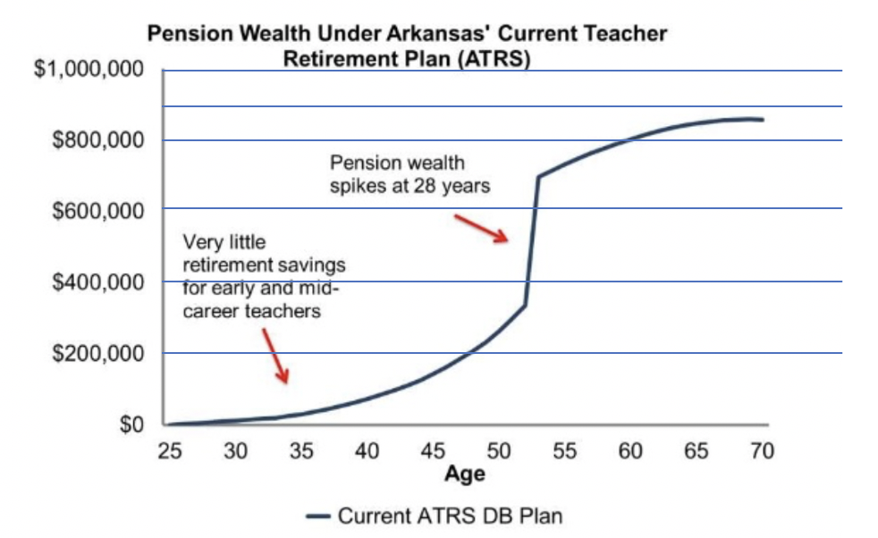
Normal Retirement YOS II | NormalYOSII |  | 37 | 15 | 0.95% |  | #REF! | #REF! | #REF! | #REF! | #REF! | #REF! | #REF! | #REF! | #REF! | #REF! | #REF! | #REF! | #REF! | #REF! | #REF! | #REF! | #REF! | #REF!
Normal Retirement Rule of | NormalRetRule |  | 38 | 16 | 0.95% |  | #REF! | #REF! | #REF! | #REF! | #REF! | #REF! | #REF! | #REF! | #REF! | #REF! | #REF! | #REF! | #REF! | #REF! | #REF! | #REF! | #REF! | #REF!
Normal Retirement Rule Min Age | NormalRetRuleAge |  | 39 | 17 | 0.95% |  | #REF! | #REF! | #REF! | #REF! | #REF! | #REF! | #REF! | #REF! | #REF! | #REF! | #REF! | #REF! | #REF! | #REF! | #REF! | #REF! | #REF! | #REF!
Starting Salary | StartingSalary | $31,000 | 40 | 18 | 0.95% |  | #REF! | #REF! | #REF! | #REF! | #REF! | #REF! | #REF! | #REF! | #REF! | #REF! | #REF! | #REF! | #REF! | #REF! | #REF! | #REF! | #REF! | #REF!
Final Average Salary (years) | FinAvgSalaryYears | 5 | 41 | 19 | 0.95% |  | #REF! | #REF! | #REF! | #REF! | #REF! | #REF! | #REF! | #REF! | #REF! | #REF! | #REF! | #REF! | #REF! | #REF! | #REF! | #REF! | #REF! | #REF!
Credited Interest | Interest | 0.00% | 42 | 20 | 0.95% |  | #REF! | #REF! | #REF! | #REF! | #REF! | #REF! | #REF! | #REF! | #REF! | #REF! | #REF! | #REF! | #REF! | #REF! | #REF! | #REF! | #REF! | #REF!
EE Contribution Rate | DB_EE_cont | 8.00% | 43 | 21 | 0.95% |  | #REF! | #REF! | #REF! | #REF! | #REF! | #REF! | #REF! | #REF! | #REF! | #REF! | #REF! | #REF! | #REF! | #REF! | #REF! | #REF! | #REF! | #REF!
ER Contribution Rate | DB_ER_cont | 17.56% | 44 | 22 | 0.95% |  | #REF! | #REF! | #REF! | #REF! | #REF! | #REF! | #REF! | #REF! | #REF! | #REF! | #REF! | #REF! | #REF! | #REF! | #REF! | #REF! | #REF! | #REF!
Benefit Multiplier | BenMult | 2.50% | 45 | 23 | 0.95% |  | #REF! | #REF! | #REF! | #REF! | #REF! | #REF! | #REF! | #REF! | #REF! | #REF! | #REF! | #REF! | #REF! | #REF! | #REF! | #REF! | #REF! | #REF!
Minimum Retirement Benefit | BenMin |  | 46 | 24 | 0.95% |  | #REF! | #REF! | #REF! | #REF! | #REF! | #REF! | #REF! | #REF! | #REF! | #REF! | #REF! | #REF! | #REF! | #REF! | #REF! | #REF! | #REF! | #REF!
Maximum Retirement Benefit |  |  | 47 | 25 | 0.95% |  | #REF! | #REF! | #REF! | #REF! | #REF! | #REF! | #REF! | #REF! | #REF! | #REF! | #REF! | #REF! | #REF! | #REF! | #REF! | #REF! | #REF! | #REF!
 | DC Accumulated Benefit (6.5% Return) | DB Accumulated Benefit | DC Accumulated Benefit (5.5% Return) | DC Accumulated Benefit (4.5% Return)
22 | 0 | 1 | 0 | 0
23 | 0 |  | 0 | 0
24 | 0 |  | 0 | 0
25 | 0 |  | 0 | 0
26 | 0 |  | 0 | 0
27 | 0 |  | 0 | 0
28 | 0 |  | 0 | 0
29 | 0 |  | 0 | 0
30 | 0 |  | 0 | 0
31 | 0 |  | 0 | 0
32 | 0 |  | 0 | 0
33 | 0 |  | 0 | 0
34 | 0 |  | 0 | 0
35 | 0 |  | 0 | 0
36 | 0 |  | 0 | 0
37 | 0 |  | 0 | 0
38 | 0 |  | 0 | 0
39 | 0 |  | 0 | 0
40 | 0 |  | 0 | 0
41 | 0 |  | 0 | 0
42 | 0 |  | 0 | 0
43 | 0 |  | 0 | 0
44 | 0 |  | 0 | 0
45 | 0 |  | 0 | 0
46 | 0 |  | 0 | 0
47 | 0 |  | 0 | 0
48 | 0 |  | 0 | 0
49 | 0 |  | 0 | 0
50 | 0 |  | 0 | 0
51 | 0 |  | 0 | 0
52 | 0 |  | 0 | 0
53 | 0 |  | 0 | 0
54 | 0 |  | 0 | 0
55 | 0 |  | 0 | 0
56 | 0 |  | 0 | 0
57 | 0 |  | 0 | 0
58 | 0 |  | 0 | 0
59 | 0 |  | 0 | 0
60 | 0 |  | 0 | 0
61 | 0 |  | 0 | 0
62 | 0 |  | 0 | 0
63 | 0 |  | 0 | 0
64 | 0 |  | 0 | 0
65 | 0 |  | 0 | 0
66 | 0 |  | 0 | 0
67 | 0 |  | 0 | 0
68 | 0 |  | 0 | 0
69 | 0 |  | 0 | 0
70 | 0 |  | 0 | 0
71 | 0 |  | 0 | 0
...
Benefit Multiplier 1-25 years |  | 2.50% | 48 | 26 | 0.95% |  | #REF! | #REF! | #REF! | #REF! | #REF! | #REF! | #REF! | #REF! | #REF! | #REF! | #REF! | #REF! | #REF! | #REF! | #REF! | #REF! | #REF! | #REF!
Benefit Multiplier 25+ years |  | 2.50% | 49 | 27 | 0.95% |  | #REF! | #REF! | #REF! | #REF! | #REF! | #REF! | #REF! | #REF! | #REF! | #REF! | #REF! | #REF! | #REF! | #REF! | #REF! | #REF! | #REF! | #REF!
COLA | COLA | 0.50% | 50 | 28 | 0.95% |  | #REF! | #REF! | #REF! | #REF! | #REF! | #REF! | #REF! | #REF! | #REF! | #REF! | #REF! | #REF! | #REF! | #REF! | #REF! | #REF! | #REF! | #REF!
COLA Compounds (1=Yes) | COLACompound | 1 | 51 | 29 | 0.95% |  | #REF! | #REF! | #REF! | #REF! | #REF! | #REF! | #REF! | #REF! | #REF! | #REF! | #REF! | #REF! | #REF! | #REF! | #REF! | #REF! | #REF! | #REF!
IRS Compensation Limit | IRSCompLimit | $280,000 | 52 | 30 | 0.95% |  | #REF! | #REF! | #REF! | #REF! | #REF! | #REF! | #REF! | #REF! | #REF! | #REF! | #REF! | #REF! | #REF! | #REF! | #REF! | #REF! | #REF! | #REF!
Enhanced Refund ER Match (5 YOS) | EnhER5 | 0.00% | 53 | 31 | 0.95% |  | #REF! | #REF! | #REF! | #REF! | #REF! | #REF! | #REF! | #REF! | #REF! | #REF! | #REF! | #REF! | #REF! | #REF! | #REF! | #REF! | #REF! | #REF!
Enhanced Refund ER Match (6-10 YOS) | EnhER610 | 0.00% | 54 | 32 | 0.95% |  | #REF! | #REF! | #REF! | #REF! | #REF! | #REF! | #REF! | #REF! | #REF! | #REF! | #REF! | #REF! | #REF! | #REF! | #REF! | #REF! | #REF! | #REF!
Enhanced Refund ER Match (>10 YOS) | EnhERGreater10 | 100.00% | 55 | 33 | 0.95% |  | #REF! | #REF! | #REF! | #REF! | #REF! | #REF! | #REF! | #REF! | #REF! | #REF! | #REF! | #REF! | #REF! | #REF! | #REF! | #REF! | #REF! | #REF!
Annual Age Reduction (< 62) | AgeRed | 2.5% | 56 | 34 | 0.95% |  | #REF! | #REF! | #REF! | #REF! | #REF! | #REF! | #REF! | #REF! | #REF! | #REF! | #REF! | #REF! | #REF! | #REF! | #REF! | #REF! | #REF! | #REF!
Annual YOS Reduction (< 28) | YOSRed | 2.5% | 57 | 35 | 0.95% |  | #REF! | #REF! | #REF! | #REF! | #REF! | #REF! | #REF! | #REF! | #REF! | #REF! | #REF! | #REF! | #REF! | #REF! | #REF! | #REF! | #REF! | #REF!
Rule of Age + YOS |  |  | 58 | 36 | 0.95% |  | #REF! | #REF! | #REF! | #REF! | #REF! | #REF! | #REF! | #REF! | #REF! | #REF! | #REF! | #REF! | #REF! | #REF! | #REF! | #REF! | #REF! | #REF!
Benefit Tier |  |  | 59 | 37 | 0.95% |  | #REF! | #REF! | #REF! | #REF! | #REF! | #REF! | #REF! | #REF! | #REF! | #REF! | #REF! | #REF! | #REF! | #REF! | #REF! | #REF! | #REF! | #REF!
DC Plan |  |  | 60 | 38 | 0.95% |  | #REF! | #REF! | #REF! | #REF! | #REF! | #REF! | #REF! | #REF! | #REF! | #REF! | #REF! | #REF! | #REF! | #REF! | #REF! | #REF! | #REF! | #REF!
EE Contribution | DC_EE_cont | 4.00% | 61 | 39 | 0.95% |  | #REF! | #REF! | #REF! | #REF! | #REF! | #REF! | #REF! | #REF! | #REF! | #REF! | #REF! | #REF! | #REF! | #REF! | #REF! | #REF! | #REF! | #REF!
ER Contribution | DC_ER_cont | 3.00% | 62 | 40 | 0.95% |  | #REF! | #REF! | #REF! | #REF! | #REF! | #REF! | #REF! | #REF! | #REF! | #REF! | #REF! | #REF! | #REF! | #REF! | #REF! | #REF! | #REF! | #REF!
DC Vesting (years) |  |  | 63 | 41 | 0.95% |  | #REF! | #REF! | #REF! | #REF! | #REF! | #REF! | #REF! | #REF! | #REF! | #REF! | #REF! | #REF! | #REF! | #REF! | #REF! | #REF! | #REF! | #REF!
Optimistic Return Scenario |  | 6.25% | 64 | 42 | 0.95% |  | #REF! | #REF! | #REF! | #REF! | #REF! | #REF! | #REF! | #REF! | #REF! | #REF! | #REF! | #REF! | #REF! | #REF! | #REF! | #REF! | #REF! | #REF!
DC Investment Return | DC_return | 5.25% | 65 | 43 | 0.95% |  | #REF! | #REF! | #REF! | #REF! | #REF! | #REF! | #REF! | #REF! | #REF! | #REF! | #REF! | #REF! | #REF! | #REF! | #REF! | #REF! | #REF! | #REF!
Pessimistic Return Scenario |  | 4.25% | 66 | 44 | 0.95% |  | #REF! | #REF! | #REF! | #REF! | #REF! | #REF! | #REF! | #REF! | #REF! | #REF! | #REF! | #REF! | #REF! | #REF! | #REF! | #REF! | #REF! | #REF!
DC arithmetic return | DC_arith_return | 6.00% | 67 | 45 | 0.95% |  | #REF! | #REF! | #REF! | #REF! | #REF! | #REF! | #REF! | #REF! | #REF! | #REF! | #REF! | #REF! | #REF! | #REF! | #REF! | #REF! | #REF! | #REF!
DC return volatility | DC_return_vol | 11.00% | 68 | 46 | 0.95% |  | #REF! | #REF! | #REF! | #REF! | #REF! | #REF! | #REF! | #REF! | #REF! | #REF! | #REF! | #REF! | #REF! | #REF! | #REF! | #REF! | #REF! | #REF!
DC Plan |  |  | 69 | 47 | 0.95% |  | #REF! | #REF! | #REF! | #REF! | #REF! | #REF! | #REF! | #REF! | #REF! | #REF! | #REF! | #REF! | #REF! | #REF! | #REF! | #REF! | #REF! | #REF!
Under 25 |  | 32,475 | 70 | 48 | 0.95% |  | #REF! | #REF! | #REF! | #REF! | #REF! | #REF! | #REF! | #REF! | #REF! | #REF! | #REF! | #REF! | #REF! | #REF! | #REF! | #REF! | #REF! | #REF!
25 - 29 |  | 40,697 | 71 | 49 | 0.95% |  | #REF! | #REF! | #REF! | #REF! | #REF! | #REF! | #REF! | #REF! | #REF! | #REF! | #REF! | #REF! | #REF! | #REF! | #REF! | #REF! | #REF! | #REF!
30 - 34 |  | 45,641 | 72 | 50 | 0.95% |  | #REF! | #REF! | #REF! | #REF! | #REF! | #REF! | #REF! | #REF! | #REF! | #REF! | #REF! | #REF! | #REF! | #REF! | #REF! | #REF! | #REF! | #REF!
35 - 39 |  | 50,026 | 73 | 51 | 0.95% |  | #REF! | #REF! | #REF! | #REF! | #REF! | #REF! | #REF! | #REF! | #REF! | #REF! | #REF! | #REF! | #REF! | #REF! | #REF! | #REF! | #REF! | #REF!
40 - 44 |  | 55,684 | 74 | 52 | 0.95% |  | #REF! | #REF! | #REF! | #REF! | #REF! | #REF! | #REF! | #REF! | #REF! | #REF! | #REF! | #REF! | #REF! | #REF! | #REF! | #REF! | #REF! | #REF!
45 - 49 |  | 57,229 | 75 | 53 | 0.95% |  | #REF! | #REF! | #REF! | #REF! | #REF! | #REF! | #REF! | #REF! | #REF! | #REF! | #REF! | #REF! | #REF! | #REF! | #REF! | #REF! | #REF! | #REF!
50 - 54 |  | 53,553 | 76 | 54 | 0.95% |  | #REF! | #REF! | #REF! | #REF! | #REF! | #REF! | #REF! | #REF! | #REF! | #REF! | #REF! | #REF! | #REF! | #REF! | #REF! | #REF! | #REF! | #REF!
55 - 59 |  | 53,897 | 77 | 55 | 0.95% |  | #REF! | #REF! | #REF! | #REF! | #REF! | #REF! | #REF! | #REF! | #REF! | #REF! | #REF! | #REF! | #REF! | #REF! | #REF! | #REF! | #REF! | #REF!
60 - 64 |  | 48,368 | 78 | 56 | 0.95% |  | #REF! | #REF! | #REF! | #REF! | #REF! | #REF! | #REF! | #REF! | #REF! | #REF! | #REF! | #REF! | #REF! | #REF! | #REF! | #REF! | #REF! | #REF!
65 - 69 |  | 52,942 | 79 | 57 | 0.95% |  | #REF! | #REF! | #REF! | #REF! | #REF! | #REF! | #REF! | #REF! | #REF! | #REF! | #REF! | #REF! | #REF! | #REF! | #REF! | #REF! | #REF! | #REF!
70 & over |  | 43,643 | 80 | 58 | 0.95% |  | #REF! | #REF! | #REF! | #REF! | #REF! | #REF! | #REF! | #REF! | #REF! | #REF! | #REF! | #REF! | #REF! | #REF! | #REF! | #REF! | #REF! | #REF!
Mortality Rate Scale Multiple | ScaleMultiple | 0.95 | 81 | 59 | 0.95% |  | #REF! | #REF! | #REF! | #REF! | #REF! | #REF! | #REF! | #REF! | #REF! | #REF! | #REF! | #REF! | #REF! | #REF! | #REF! | #REF! | #REF! | #REF!
Mortality Rate Set Back (year) | SetBackYear | 1.00 | 82 | 60 | 0.95% |  | #REF! | #REF! | #REF! | #REF! | #REF! | #REF! | #REF! | #REF! | #REF! | #REF! | #REF! | #REF! | #REF! | #REF! | #REF! | #REF! | #REF! | #REF!
Mortality Rate Scale Multiple Male Active | ScaleMultipleMaleAct | 0.92 | 83 | 61 | 0.95% |  | #REF! | #REF! | #REF! | #REF! | #REF! | #REF! | #REF! | #REF! | #REF! | #REF! | #REF! | #REF! | #REF! | #REF! | #REF! | #REF! | #REF! | #REF!
Mortality Rate Scale Multiple Male Retiree | ScaleMultipleMaleRet | 1.03 | 84 | 62 | 0.95% |  | #REF! | #REF! | #REF! | #REF! | #REF! | #REF! | #REF! | #REF! | #REF! | #REF! | #REF! | #REF! | #REF! | #REF! | #REF! | #REF! | #REF! | #REF!
Mortality Rate Scale Multiple Female Active | ScaleMultipleFemaleAct | 0.92 | 85 | 63 | 0.95% |  | #REF! | #REF! | #REF! | #REF! | #REF! | #REF! | #REF! | #REF! | #REF! | #REF! | #REF! | #REF! | #REF! | #REF! | #REF! | #REF! | #REF! | #REF!
Mortality Rate Scale Multiple Female Retiree | ScaleMultipleFemaleRet | 1.01 | 86 | 64 | 0.95% |  | #REF! | #REF! | #REF! | #REF! | #REF! | #REF! | #REF! | #REF! | #REF! | #REF! | #REF! | #REF! | #REF! | #REF! | #REF! | #REF! | #REF! | #REF!
Mortality Rate Scale Multiple Male Teacher Retiree | ScaleMultipleMaleTeacherRet | 0.95 | 87 | 65 | 0.95% |  | #REF! | #REF! | #REF! | #REF! | #REF! | #REF! | #REF! | #REF! | #REF! | #REF! | #REF! | #REF! | #REF! | #REF! | #REF! | #REF! | #REF! | #REF!
Mortality Rate Scale Multiple Female Teacher Retiree | ScaleMultipleFeMaleTeacherRet | 0.94 | 88 | 66 | 0.95% |  | #REF! | #REF! | #REF! | #REF! | #REF! | #REF! | #REF! | #REF! | #REF! | #REF! | #REF! | #REF! | #REF! | #REF! | #REF! | #REF! | #REF! | #REF!
Mortality Rate Scale Multiple Male GeneralRetiree | ScaleMultipleMaleGeneralRet | 0.97 | 89 | 67 | 0.95% |  | #REF! | #REF! | #REF! | #REF! | #REF! | #REF! | #REF! | #REF! | #REF! | #REF! | #REF! | #REF! | #REF! | #REF! | #REF! | #REF! | #REF! | #REF!
Mortality Rate Scale Multiple Female General Retiree | ScaleMultipleFeMaleGeneralRet | 1.07 | 90 | 68 | 0.95% |  | #REF! | #REF! | #REF! | #REF! | #REF! | #REF! | #REF! | #REF! | #REF! | #REF! | #REF! | #REF! | #REF! | #REF! | #REF! | #REF! | #REF! | #REF!
Mortality Rate Scale Multiple Male Blend Retiree | ScaleMultipleMaleBlendRet | 1.01 | 91 | 69 | 0.95% |  | #REF! | #REF! | #REF! | #REF! | #REF! | #REF! | #REF! | #REF! | #REF! | #REF! | #REF! | #REF! | #REF! | #REF! | #REF! | #REF! | #REF! | #REF!
Mortality Rate Scale Multiple Female Blend Retiree | ScaleMultipleFeMaleBlendRet | 0.95 | 92 | 70 | 0.95% |  | #REF! | #REF! | #REF! | #REF! | #REF! | #REF! | #REF! | #REF! | #REF! | #REF! | #REF! | #REF! | #REF! | #REF! | #REF! | #REF! | #REF! | #REF!
 |  |  | 93 | 71 | 0.95% |  | #REF! | #REF! | #REF! | #REF! | #REF! | #REF! | #REF! | #REF! | #REF! | #REF! | #REF! | #REF! | #REF! | #REF! | #REF! | #REF! | #REF! | #REF!
 |  |  | 94 | 72 | 0.95% |  | #REF! | #REF! | #REF! | #REF! | #REF! | #REF! | #REF! | #REF! | #REF! | #REF! | #REF! | #REF! | #REF! | #REF! | #REF! | #REF! | #REF! | #REF!
 |  |  | 95 | 73 | 0.95% |  | #REF! | #REF! | #REF! | #REF! | #REF! | #REF! | #REF! | #REF! | #REF! | #REF! | #REF! | #REF! | #REF! | #REF! | #REF! | #REF! | #REF! | #REF!
 |  |  | 96 | 74 | 0.95% |  | #REF! | #REF! | #REF! | #REF! | #REF! | #REF! | #REF! | #REF! | #REF! | #REF! | #REF! | #REF! | #REF! | #REF! | #REF! | #REF! | #REF! | #REF!
 |  |  | 97 | 75 | 0.95% |  | #REF! | #REF! | #REF! | #REF! | #REF! | #REF! | #REF! | #REF! | #REF! | #REF! | #REF! | #REF! | #REF! | #REF! | #REF! | #REF! | #REF! | #REF!
 |  |  | 98 | 76 | 0.95% |  | #REF! | #REF! | #REF! | #REF! | #REF! | #REF! | #REF! | #REF! | #REF! | #REF! | #REF! | #REF! | #REF! | #REF! | #REF! | #REF! | #REF! | #REF!
 |  |  | 99 | 77 | 0.95% |  | #REF! | #REF! | #REF! | #REF! | #REF! | #REF! | #REF! | #REF! | #REF! | #REF! | #REF! | #REF! | #REF! | #REF! | #REF! | #REF! | #REF! | #REF!
 |  |  | 100 | 78 | 0.95% |  | #REF! | #REF! | #REF! | #REF! | #REF! | #REF! | #REF! | #REF! | #REF! | #REF! | #REF! | #REF! | #REF! | #REF! | #REF! | #REF! | #REF! | #REF!
 |  |  | 101 | 79 | 0.95%
 |  |  | 102 | 80 | 0.95%
 |  |  | 103 | 81 | 0.95%
 |  |  | 104 | 82 | 0.95%
 |  |  | 105 | 83 | 0.95%
 |  |  | 106 | 84 | 0.95%
 |  |  | 107 | 85 | 0.95%
 |  |  | 108 | 86 | 0.95%
 |  |  | 109 | 87 | 0.95%
 |  |  | 110 | 88 | 0.95%
 |  |  | 111 | 89 | 0.95%
 |  |  | 112 | 90 | 0.95%
 |  |  | 113 | 91 | 0.95%
 |  |  | 114 | 92 | 0.95%
 |  |  | 115 | 93 | 0.95%
 |  |  | 116 | 94 | 0.95%
 |  |  | 117 | 95 | 0.95%

