PriceTags
Id | 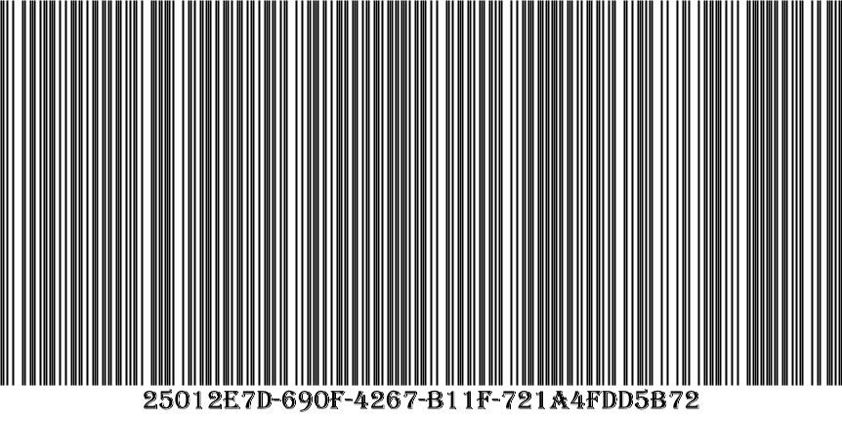 25012e7d-690f-4267-b11f-721a4fdd5b72
TypeName | ProducstLibrary.Model.Bread, ProducstLibrary
Name | дарницкий
Manufacturer | хз3
Price | 2,50 ₽
 | 2,5
Id | 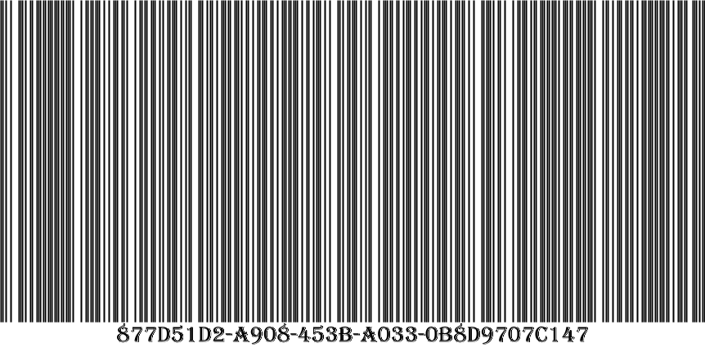 877d51d2-a908-453b-a033-0b8d9707c147
TypeName | ProducstLibrary.Model.Milk, ProducstLibrary
Name | молоко 2
Manufacturer | игра
Price | 2,60 ₽
 | 2,6
Id | 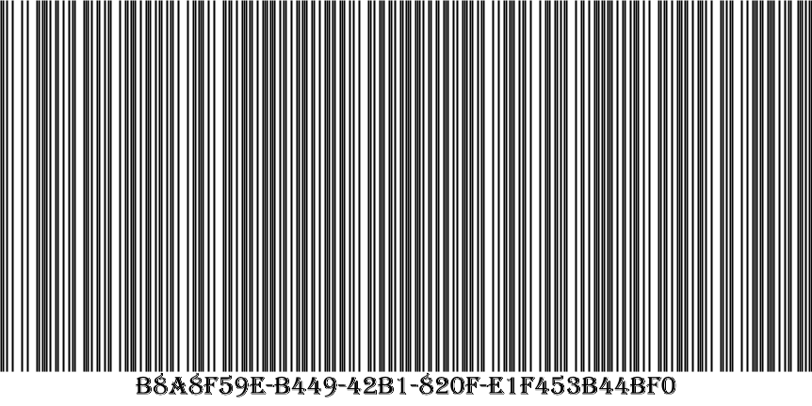 b8a8f59e-b449-42b1-820f-e1f453b44bf0
TypeName | ProducstLibrary.Model.Milk, ProducstLibrary
Name | молоко 3
Manufacturer | игра
Price | 2,40 ₽
 | 2,4

