Urban_Motor
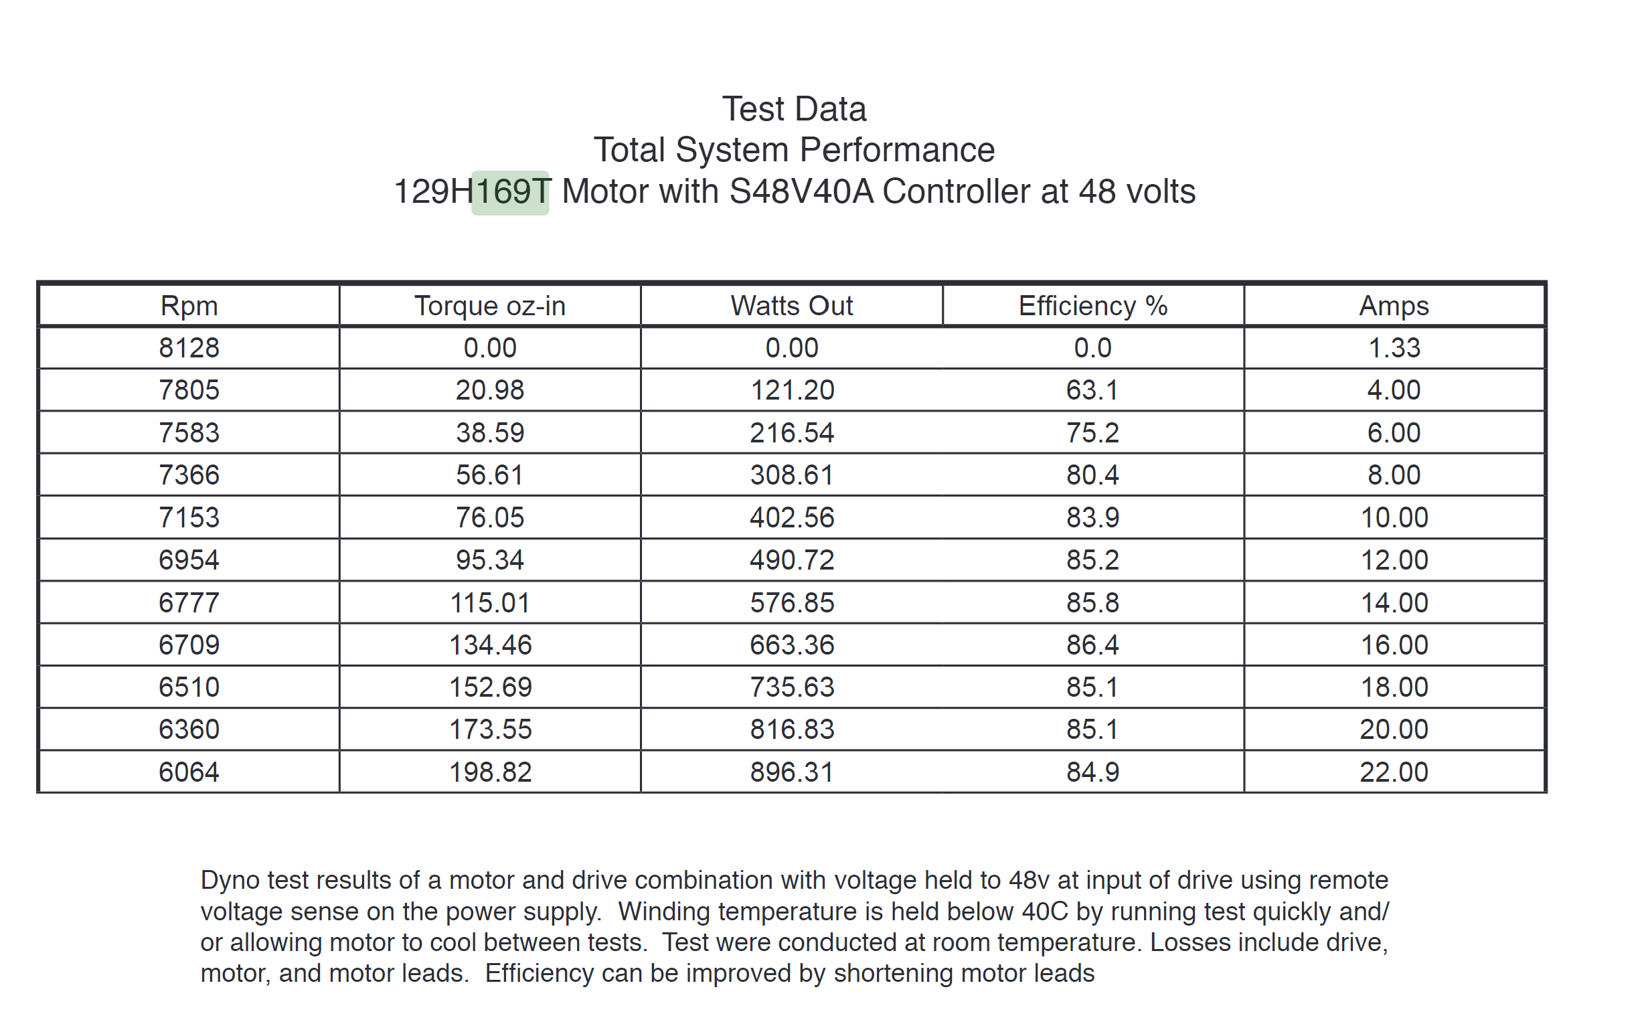

48V
Rpm | Angular Velocity (rad/s) | Torque (oz-in) | Torque (N-m) | Watts Out | Efficiency % | Amps | ang. Vel. | Power
8128 | 851.16216961 | 0 | 0 | 0 | 0% | 1.33 | 851.16216961
7805 | 817.33768871 | 20.98 | 0.14815135746 | 121.2 | 63.10% | 4 | 817.33768871 | 121.08968809
7583 | 794.08990307 | 38.59 | 0.27250528525 | 216.54 | 75.20% | 6 | 794.08990307 | 216.39369555
7366 | 771.36571621 | 56.61 | 0.39975444928 | 308.61 | 80.40% | 8 | 771.36571621 | 308.35687708
7153 | 749.06040837 | 76.05 | 0.53703101692 | 402.56 | 83.90% | 10 | 749.06040837 | 402.26867285
6954 | 728.2211771 | 95.34 | 0.67324835179 | 490.72 | 85.20% | 12 | 728.2211771 | 490.27370722
6777 | 709.68578045 | 115.01 | 0.81214907635 | 576.85 | 85.80% | 14 | 709.68578045 | 576.37065109
6709 | 702.5648371 | 134.46 | 0.94949625951 | 663.36 | 86.40% | 16 | 702.5648371 | 667.08268489
6510 | 681.72560583 | 152.69 | 1.0782283494 | 735.63 | 85.10% | 18 | 681.72560583 | 735.05587474
6360 | 666.01764256 | 173.55 | 1.2255323207 | 816.83 | 85.10% | 20 | 666.01764256 | 816.2261471
6064 | 635.02059505 | 198.82 | 1.4039777355 | 896.31 | 84.90% | 22 | 635.02059505 | 891.55477703
0 | 0 | 413 | 2.9164209072 | 0 | 0.00% |  | 399.69436134 | 1165.6769919

No-load rpm | 8112 | rpm | Winding Resis | 0.053 | ohms
stall torque (w/ heat sink) | 413 | oz-in | Stall current | 905.66037736
speed-torque slope | 10.4 | rpm/oz-in | power in | 43471.698113
 | rpm | torque (oz-in) | Watts Out
 | 8128 | 0 | 0
 | 7805 | 20.98 | 121.2
 | 7583 | 38.59 | 216.54
 | 7366 | 56.61 | 308.61
 | 7153 | 76.05 | 402.56
 | 6954 | 95.34 | 490.72
 | 6777 | 115.01 | 576.85
 | 6709 | 134.46 | 663.36
 | 6510 | 152.69 | 735.63
 | 6360 | 173.55 | 816.83
 | 6064 | 198.82 | 896.31
 | 3816.8 | 413 | 0
 | 0 | 413 | 0

48V - Torque
48V - RPM

FCV_Motor
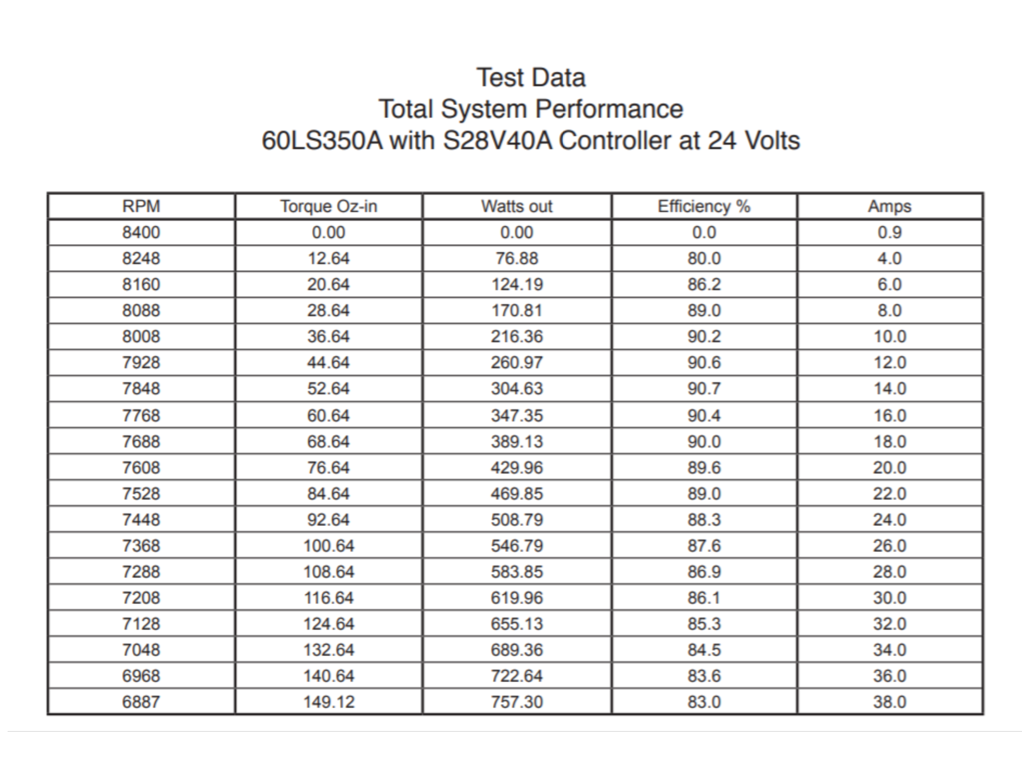
24V - 60LS350A |  |  |  |  |  |  |  |  | No-load speed | 8400 | rpm
RPM | Torque Oz-in | Angular Velocity | Torque N-m | Watts Out | Eff % |  |  |  | Speed-torque slope | 10 | rpm/oz-in
8400 | 0.00 | 879.64594301 | 0 | 0.00 | 0.0 | 0 |  |  | Max Eff. | 93 | %
8248 | 12.64 | 863.72854023 | 0.089258015173 | 76.88 | 80.0 | 77.094695149 |  |  | Rated Torque | 149 | oz-in | 1.0521712232 | N-m
8160 | 20.64 | 854.51320178 | 0.14575042984 | 124.19 | 86.2 | 124.54566646 |  |  | Rated power | 757 | W
8088 | 28.64 | 846.97337941 | 0.20224284451 | 170.81 | 89.0 | 171.29430547 |  |  | Speed @ rated power | 6855 | rpm
8008 | 36.64 | 838.595799 | 0.25873525917 | 216.36 | 90.2 | 216.9743014
7928 | 44.64 | 830.21821859 | 0.31522767384 | 260.97 | 90.6 | 261.70775783
7848 | 52.64 | 821.84063818 | 0.37172008851 | 304.63 | 90.7 | 305.49467476
7768 | 60.64 | 813.46305777 | 0.42821250317 | 347.35 | 90.4 | 348.33505221
7688 | 68.64 | 805.08547736 | 0.48470491784 | 389.13 | 90.0 | 390.22889016
7608 | 76.64 | 796.70789695 | 0.54119733251 | 429.96 | 89.6 | 431.17618862
7528 | 84.64 | 788.33031654 | 0.59768974717 | 469.85 | 89.0 | 471.17694758
7448 | 92.64 | 779.95273613 | 0.65418216184 | 508.79 | 88.3 | 510.23116706
7368 | 100.64 | 771.57515572 | 0.71067457651 | 546.79 | 87.6 | 548.33884704
7288 | 108.64 | 763.19757531 | 0.76716699117 | 583.85 | 86.9 | 585.49998752
7208 | 116.64 | 754.8199949 | 0.82365940584 | 619.96 | 86.1 | 621.71458852
7128 | 124.64 | 746.44241449 | 0.88015182051 | 655.13 | 85.3 | 656.98265002
7048 | 132.64 | 738.06483408 | 0.93664423517 | 689.36 | 84.5 | 691.30417203
6968 | 140.64 | 729.68725367 | 0.99313664984 | 722.64 | 83.6 | 724.67915454
6887 | 149.12 | 721.20495351 | 1.0530186094 | 757.30 | 83.0 | 759.44223723
0 | 840 | 0 | 5.93170354 | 0.00 | 0.0 | 0

12V |  |  |  |  |  |  |  |  | motor torque constant | 3.86 | oz-in/amp |  | 945.30612245
RPM | Torque Oz-in | Angular Velocity | Torque N-m | Watts Out | Eff % | Power | Amps | Amps = Power/V/Eff | stall current | 244.89795918
4200 | 0.00 | 439.8229715 | 0 | 0.00 | 0% | 0 | 0.9 | 0 | Winding resis | 0.049 | ohms
4124 | 12.64 | 431.86427011 | 0.089258015173 | 38.44 | 80% | 38.547347575 | 4 | 4.0153487057 | no load current | 0.26 | A
4080 | 20.64 | 427.25660089 | 0.14575042984 | 62.10 | 86.20% | 62.272833231 | 6 | 6.0201888275 | Stall torque | 840 | oz-in | 5.93170354 | N-m
4044 | 28.64 | 423.4866897 | 0.20224284451 | 85.41 | 89% | 85.647152736 | 8 | 8.0193963236 | No-load speed | 4200 | rpm | 439.8229715 | rad/s
4004 | 36.64 | 419.2978995 | 0.25873525917 | 108.18 | 90.20% | 108.4871507 | 10 | 10.022833583 | Speed-torque slope | 5 | rpm/oz-in | 74.147834351 | rad/s / N-m
3964 | 44.64 | 415.10910929 | 0.31522767384 | 130.49 | 90.60% | 130.85387891 | 12 | 12.035860827 | Max Eff. | 93 | %
3924 | 52.64 | 410.92031909 | 0.37172008851 | 152.32 | 90.70% | 152.74733738 | 14 | 14.034117731 | Rated Torque | 149 | oz-in | 1.0521712232 | N-m
3884 | 60.64 | 406.73152888 | 0.42821250317 | 173.68 | 90.40% | 174.1675261 | 16 | 16.055266049 | Rated power | 378.5 | W
3844 | 68.64 | 402.54273868 | 0.48470491784 | 194.57 | 90% | 195.11444508 | 18 | 18.066152322 | Speed @ rated power | 3427.5 | rpm | 358.92696067 | rad/s
3804 | 76.64 | 398.35394848 | 0.54119733251 | 214.98 | 89.60% | 215.58809431 | 20 | 20.050976033 | Rated current | 40 | A
3764 | 84.64 | 394.16515827 | 0.59768974717 | 234.93 | 89% | 235.58847379 | 22 | 22.058845861 | Speed-torque equation | y = -74.15x + 439.82
3724 | 92.64 | 389.97636807 | 0.65418216184 | 254.40 | 88.30% | 255.11558353 | 24 | 24.076593387
3684 | 100.64 | 385.78757786 | 0.71067457651 | 273.40 | 87.60% | 274.16942352 | 26 | 26.081566164 | Static Friction | 1 | oz-in | 0.0070615518333 | oz-in
3644 | 108.64 | 381.59878766 | 0.76716699117 | 291.93 | 86.90% | 292.74999376 | 28 | 28.073455482
3604 | 116.64 | 377.40999745 | 0.82365940584 | 309.98 | 86.10% | 310.85729426 | 30 | 30.086846134
3564 | 124.64 | 373.22120725 | 0.88015182051 | 327.57 | 85.30% | 328.49132501 | 32 | 32.091766804
3524 | 132.64 | 369.03241704 | 0.93664423517 | 344.68 | 84.50% | 345.65208601 | 34 | 34.087976924
3484 | 140.64 | 364.84362684 | 0.99313664984 | 361.32 | 83.60% | 362.33957727 | 36 | 36.118378915
3443.5 | 149.12 | 360.60247675 | 1.0530186094 | 378.65 | 83% | 379.72111861 | 38 | 38.124610303
0 | 840 | 0 | 5.93170354 | 0.00 | 0% | 0 | 0

12v - torque
12v - RPM
Motor Model | has potential
Koford 60LS350A

inputs
Winding resistance | 0.049 | ohms
damping factor | 0.12
static friction | 1
velocity constant | 350
speed/torque slope | 10
Kt (torque constant) | 3.86
Power supply | 12 | V
In load to the shaft | 63.5 | oz-in
Conversion factor | 0.0007374

Outputs
no load speed | 4200 | rpm
under load speed | 3565 | rpm
power output | 166.9307685 | W

Current | 16.4507772 | A
Loses due to current | 13.26077546 | W

static friction | 2.628831 | W
damping | 1.124613902 | W
Total no load losses | 3.753444902 | W

Total Losses | 17.01422036 | W
input power | 183.9449889 | W

efficiency | 90.75%

