Step 1
Quantitative Reasoning Process |  | Step 1: Identify the problem


 |  |  | Background
 | Rick wants to marry Arianna and needs to buy a ring. He has $1150 saved and is willing to borrow money to buy the perfect ring. Before looking at any more numbers, what do you think Rick should do? |  | • Rick and Ariana are in love. • They are planning to become engaged soon. • They have spent hours window shopping at jewelry stores looking at engagement rings together. • Ariana has even tried on a few rings. • Rick and Ariana are both still in school so they want to be financially careful about their decision. • But Ariana has pointed out that she will have this ring forever. • Rick would like to surprise her with the ring. • Ariana agrees because it is Rick’s gift to her.

Step 3
Quantitative Reasoning Process |  | Step 3: Apply Quantitative Tools

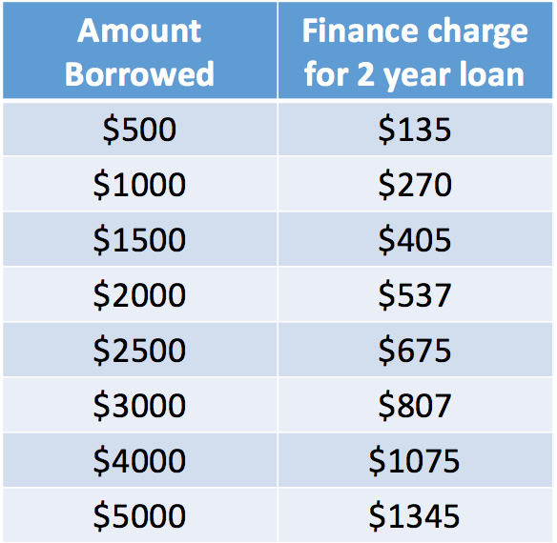

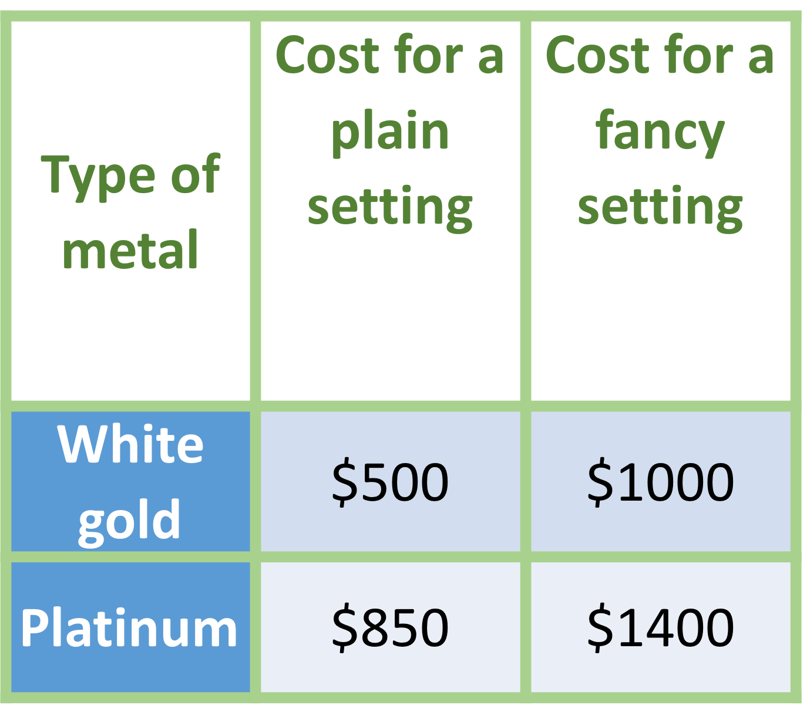
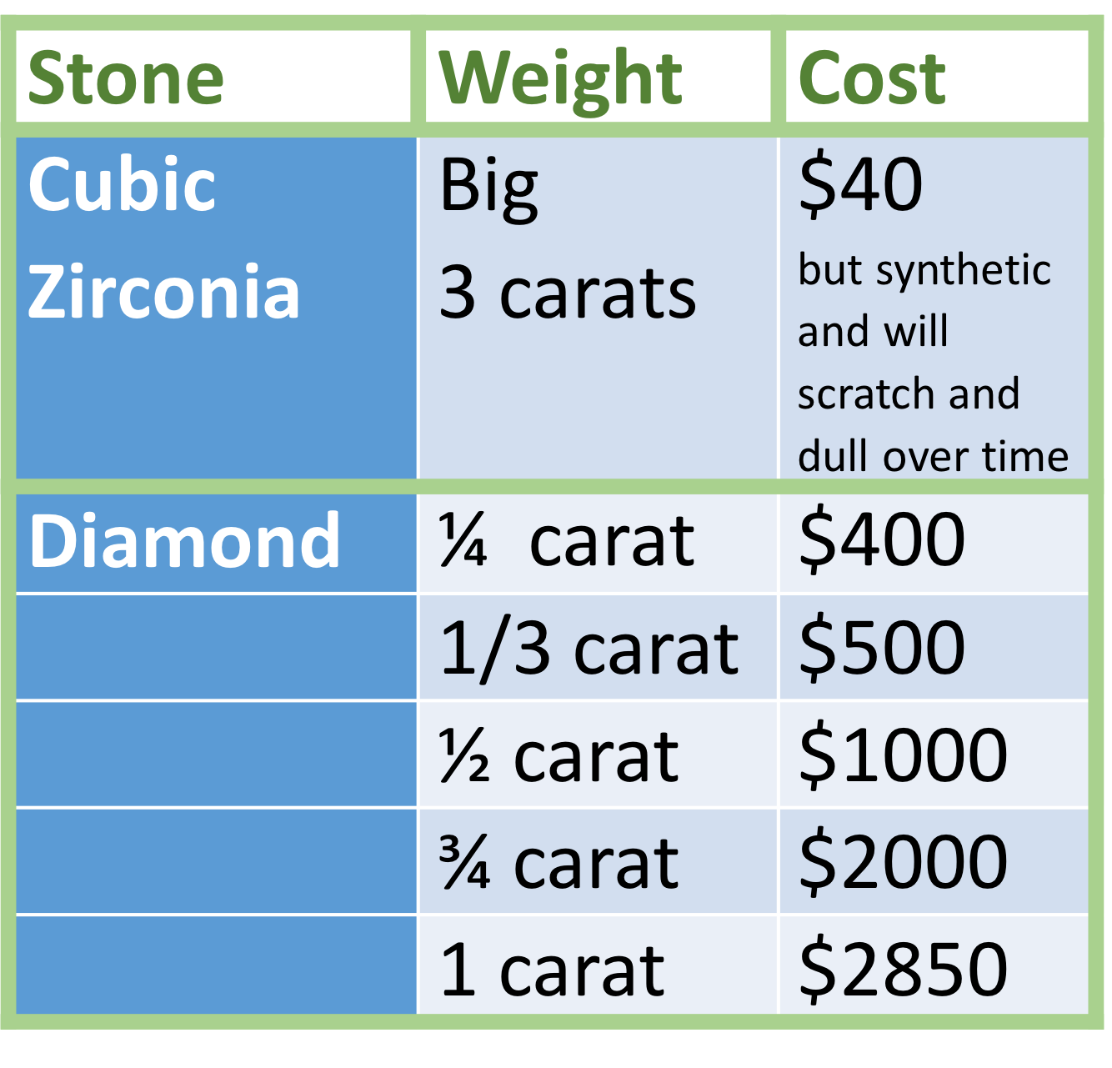

 | Based on the information presented what do you think Rick should decide?

Step 4
Quantitative Reasoning Process |  | Step 4: Make Informed Decisions



 |  |  | The sales person encourages Rick to “just look” at a few of the more expensive options and imagine how thrilled Ariana will be when she shows her stunning engagement ring to friends and family.

 |  |  | Conclusion: Rick buys a much more expensive ring than he originally decided to buy!

 |  |  | Notice that Rick didn't follow-through with the informed decision he made previously. Which type of logical fallacy does this example represent? Explain.

 | Posters At the Store

