Sheet1
Sl.No | Checks | Column Name | Results displayed

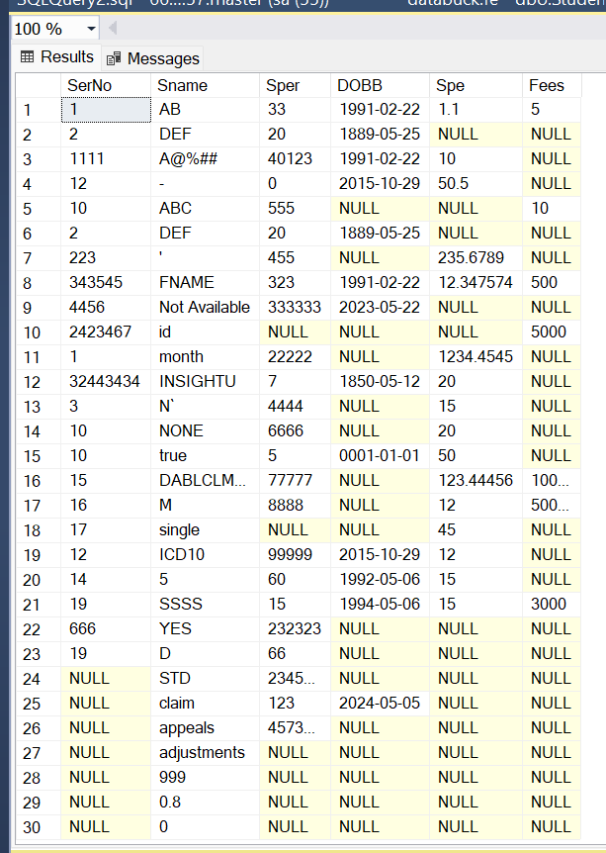
1 | Null check | SerNo | The column name is SerNo
 |  |  | The total records are 30
 |  |  | The failed records are 7
 |  |  | The null percentage is 23.333334
 |  |  | The status is failed

2 | Duplicate check | SerNo | The column name is SerNo
 |  |  | The total records are 23
 |  |  | The failed records are 6
 |  |  | The percentage is 26.086956
 |  |  | The status is failed

3 | Date rule | DOBB | The column name is null
 |  |  | The total records are null
 |  |  | The failed records are null

4 | Value Anamoly | Sper | The column name is Sper
 |  |  | The failed record is 234578900
 |  |  | The standard deviation is 4.8376096E7
 |  |  | The mean is 1.1714158E7
 |  |  | The status is failed

5 | Distribution | Fees, Sper | The column name is Fees
 |  |  | The records are 7
 |  |  | The standard deviation is 38610.62
 |  |  | The mean is 22645.00

 |  |  | The column names are [Fees, Sper]
 |  |  | The records are [7, 24]
 |  |  | The standard deviation are [38610.62, 48376097.01]
 |  |  | The mean are [22645.00, 11714158.42]

6 | Bad Data | Sname | The column name is Sname
 |  |  | The total records are 30
 |  |  | The failed records are 4
 |  |  | The percentage is 13.333333
 |  |  | The status is failed

7 | Default Check | SerNo | The column name is SerNo
 |  |  | The total records are 1
 |  |  | The failed records are 2
 |  |  | The percentage is 8.695652173913043

8 | Length Check | SerNo | The column name is SerNo
 |  |  | The total records are 23
 |  |  | The failed records are 18
 |  |  | The percentage is 78.26087
 |  |  | The status is failed

9 | Max Length check | Fees | The column name is Fees
 |  |  | The percentage is 85.71429
 |  |  | The total records are 7
 |  |  | The failed records are 6
 |  |  | The status is failed

10 | Regex Pattern | SerNo | The column name is SerNo
 |  |  | The total records are 23
 |  |  | The failed records are 12
 |  |  | The percentage is 52.173912
 |  |  | The status is failed

11 | Default Pattern | DOBB | The column name is DOBB
 |  |  | The total records are 13
 |  |  | The failed records are 0
 |  |  | The matched records are 13
 |  |  | The percentage is 0
 |  |  | The status is passed

12 | Data Drift | In progress

13 | Timeliness | In progress

14 | Microseg | Historic | Incremental

1 | Verify the Api results on ui
2 | Verify the Api results on this sheet

