Sheet2
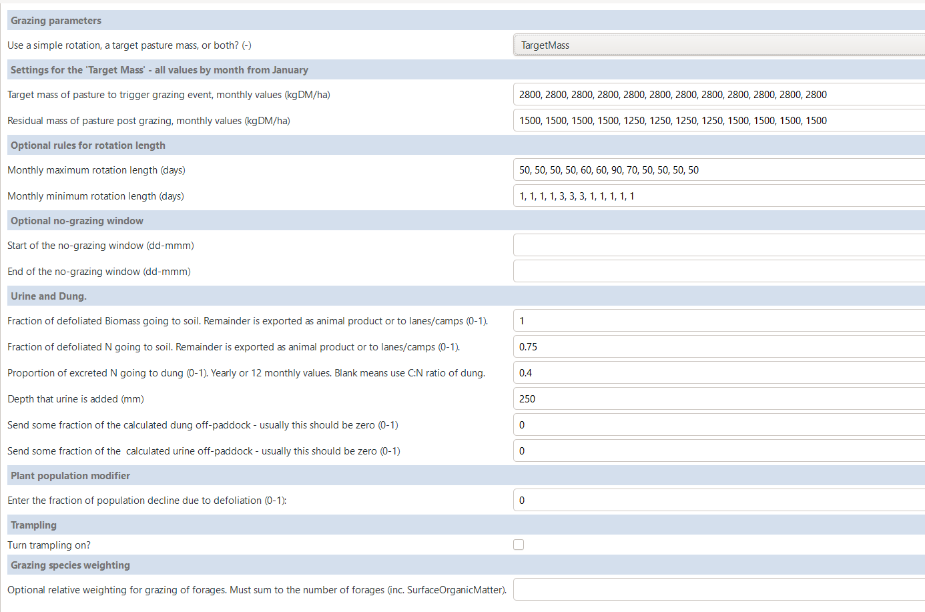

Insert an actual minimum rotaiton length
Grazing duration milking (get status from SC)
Grazing duration dry

Ignored if SimpleCows exists
Hide

Hide

Hide

Hide

Hide

Hide

Hide

No one can make this work!

