Design
!Habit | !Sow time | Sow time order | !Block | !Range | !Row | Range serp order | Row serp order | Plot | !Cultivar | !Release year
Winter |  |  | 1 | 1 | 1 |  |  | 101 | Whistler | 1998 |  | N
Winter |  |  | 1 | 1 | 2 |  |  | 102 | EGA Wedgetail | 2002 |  |  |  | Range |  |  |  |  | Winters
Spring |  |  | 1 | 1 | 3 |  |  | 103 | Wyalkatchem | 2001 |  |  | 1 | 2 | 3 | 4 |  | GPS |  | Springs
Spring |  |  | 1 | 1 | 4 |  |  | 104 | Janz | 1989 |  |  | Buffer | Buffer | Buffer | Buffer |  | 1
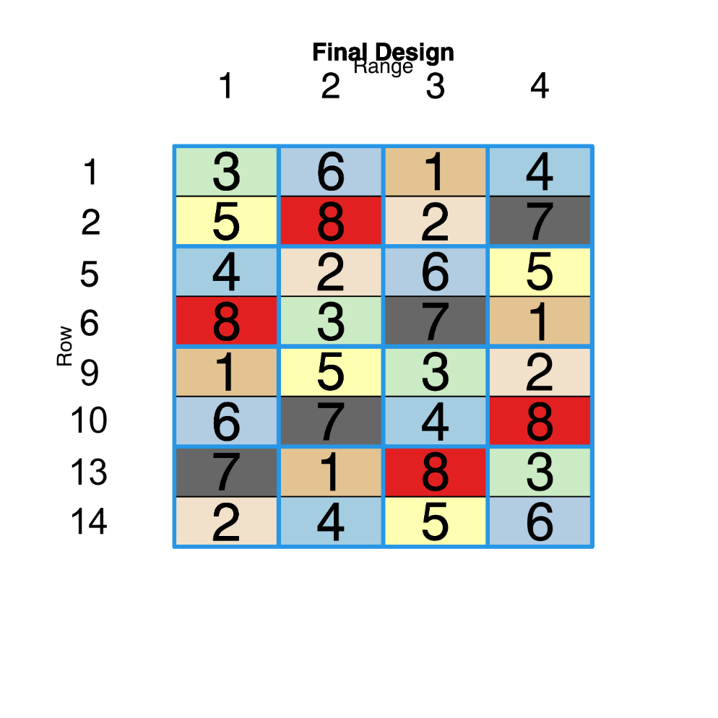
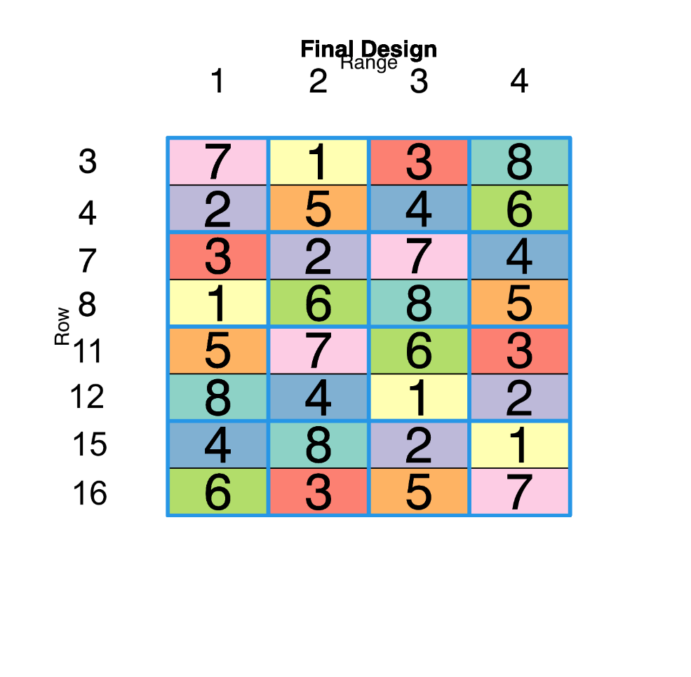
Winter |  |  | 2 | 1 | 5 |  |  | 105 | Wylah | 1999 |  | 1 | Whistler | LRPB Kittyhawk | Osprey | Wylah |  | 2
Winter |  |  | 2 | 1 | 6 |  |  | 106 | Mowhawk | 2023 |  | 2 | EGA Wedgetail | Mowhawk | Rosella | Illabo | block 1 | 3
Spring |  |  | 2 | 1 | 7 |  |  | 107 | Mace | 2008 |  |  | Buffer | Buffer | Buffer | Buffer |  | 4
Spring |  |  | 2 | 1 | 8 |  |  | 108 | EGA Gregory | 2004 |  | 3 | Wyalkatchem | EGA Gregory | Mace | Yitpi |  | 5
Winter |  |  | 3 | 1 | 9 |  |  | 109 | Osprey | 1983 |  | 4 | Janz | Scepter | Meering | Sunmaster |  | 6
Winter |  |  | 3 | 1 | 10 |  |  | 110 | LRPB Kittyhawk | 2016 |  |  | Buffer | Buffer | Buffer | Buffer |  | 7
Spring |  |  | 3 | 1 | 11 |  |  | 111 | Scepter | 2016 | Row | 5 | Wylah | Rosella | LRPB Kittyhawk | EGA Wedgetail |  | 8
Spring |  |  | 3 | 1 | 12 |  |  | 112 | Yitpi | 1999 |  | 6 | Mowhawk | Whistler | Illabo | Osprey | block 2 | 9
Winter |  |  | 4 | 1 | 13 |  |  | 113 | Illabo | 2018 |  |  | Buffer | Buffer | Buffer | Buffer |  | 10
Winter |  |  | 4 | 1 | 14 |  |  | 114 | Rosella | 1985 |  | 7 | Mace | Janz | Wyalkatchem | Meering |  | 11
Spring |  |  | 4 | 1 | 15 |  |  | 115 | Meering | 1984 |  | 8 | EGA Gregory | Sunmaster | Yitpi | Scepter |  | 12
Spring |  |  | 4 | 1 | 16 |  |  | 116 | Sunmaster | 2020 |  |  | Buffer | Buffer | Buffer | Buffer |  | 13
Winter |  |  | 1 | 2 | 1 |  |  | 117 | LRPB Kittyhawk | 2016 |  | 9 | Osprey | EGA Wedgetail | Whistler | Rosella |  | 14
Winter |  |  | 1 | 2 | 2 |  |  | 118 | Mowhawk | 2023 |  | 10 | LRPB Kittyhawk | Illabo | Wylah | Mowhawk | block 3 | 15
Spring |  |  | 1 | 2 | 3 |  |  | 119 | EGA Gregory | 2004 |  |  | Buffer | Buffer | Buffer | Buffer |  | 16
Spring |  |  | 1 | 2 | 4 |  |  | 120 | Scepter | 2016 |  | 11 | Scepter | Wyalkatchem | Sunmaster | Mace |  | 17
Winter |  |  | 2 | 2 | 5 |  |  | 121 | Rosella | 1985 |  | 12 | Yitpi | Meering | EGA Gregory | Janz |  | 18
Winter |  |  | 2 | 2 | 6 |  |  | 122 | Whistler | 1998 |  |  | Buffer | Buffer | Buffer | Buffer |  | 19
Spring |  |  | 2 | 2 | 7 |  |  | 123 | Janz | 1989 |  | 13 | Illabo | Osprey | Mowhawk | Whistler |  | 20
Spring |  |  | 2 | 2 | 8 |  |  | 124 | Sunmaster | 2020 |  | 14 | Rosella | Wylah | EGA Wedgetail | LRPB Kittyhawk |  | 21
Winter |  |  | 3 | 2 | 9 |  |  | 125 | EGA Wedgetail | 2002 |  |  | Buffer | Buffer | Buffer | Buffer | block 4 | 22
Winter |  |  | 3 | 2 | 10 |  |  | 126 | Illabo | 2018 |  | 15 | Meering | Yitpi | Janz | EGA Gregory |  | 23
Spring |  |  | 3 | 2 | 11 |  |  | 127 | Wyalkatchem | 2001 |  | 16 | Sunmaster | Mace | Scepter | Wyalkatchem |  | 24
Spring |  |  | 3 | 2 | 12 |  |  | 128 | Meering | 1984 |  |  | Buffer | Buffer | Buffer | Buffer |  | 25
Winter |  |  | 4 | 2 | 13 |  |  | 129 | Osprey | 1983
Winter |  |  | 4 | 2 | 14 |  |  | 130 | Wylah | 1999
Spring |  |  | 4 | 2 | 15 |  |  | 131 | Yitpi | 1999
Spring |  |  | 4 | 2 | 16 |  |  | 132 | Mace | 2008
Winter |  |  | 1 | 3 | 1 |  |  | 133 | Osprey | 1983
Winter |  |  | 1 | 3 | 2 |  |  | 134 | Rosella | 1985
Spring |  |  | 1 | 3 | 3 |  |  | 135 | Mace | 2008
Spring |  |  | 1 | 3 | 4 |  |  | 136 | Meering | 1984
Winter |  |  | 2 | 3 | 5 |  |  | 137 | LRPB Kittyhawk | 2016
Winter |  |  | 2 | 3 | 6 |  |  | 138 | Illabo | 2018
Spring |  |  | 2 | 3 | 7 |  |  | 139 | Wyalkatchem | 2001
Spring |  |  | 2 | 3 | 8 |  |  | 140 | Yitpi | 1999
Winter |  |  | 3 | 3 | 9 |  |  | 141 | Whistler | 1998
Winter |  |  | 3 | 3 | 10 |  |  | 142 | Wylah | 1999
Spring |  |  | 3 | 3 | 11 |  |  | 143 | Sunmaster | 2020
Spring |  |  | 3 | 3 | 12 |  |  | 144 | EGA Gregory | 2004
Winter |  |  | 4 | 3 | 13 |  |  | 145 | Mowhawk | 2023
Winter |  |  | 4 | 3 | 14 |  |  | 146 | EGA Wedgetail | 2002
Spring |  |  | 4 | 3 | 15 |  |  | 147 | Janz | 1989
Spring |  |  | 4 | 3 | 16 |  |  | 148 | Scepter | 2016
Winter |  |  | 1 | 4 | 1 |  |  | 149 | Wylah | 1999
Winter |  |  | 1 | 4 | 2 |  |  | 150 | Illabo | 2018
Spring |  |  | 1 | 4 | 3 |  |  | 151 | Yitpi | 1999
Spring |  |  | 1 | 4 | 4 |  |  | 152 | Sunmaster | 2020
Winter |  |  | 2 | 4 | 5 |  |  | 153 | EGA Wedgetail | 2002
Winter |  |  | 2 | 4 | 6 |  |  | 154 | Osprey | 1983
Spring |  |  | 2 | 4 | 7 |  |  | 155 | Meering | 1984
Spring |  |  | 2 | 4 | 8 |  |  | 156 | Scepter | 2016
Winter |  |  | 3 | 4 | 9 |  |  | 157 | Rosella | 1985
Winter |  |  | 3 | 4 | 10 |  |  | 158 | Mowhawk | 2023
Spring |  |  | 3 | 4 | 11 |  |  | 159 | Mace | 2008
Spring |  |  | 3 | 4 | 12 |  |  | 160 | Janz | 1989
Winter |  |  | 4 | 4 | 13 |  |  | 161 | Whistler | 1998
Winter |  |  | 4 | 4 | 14 |  |  | 162 | LRPB Kittyhawk | 2016
Spring |  |  | 4 | 4 | 15 |  |  | 163 | EGA Gregory | 2004
Spring |  |  | 4 | 4 | 16 |  |  | 164 | Wyalkatchem | 2001

