Plan
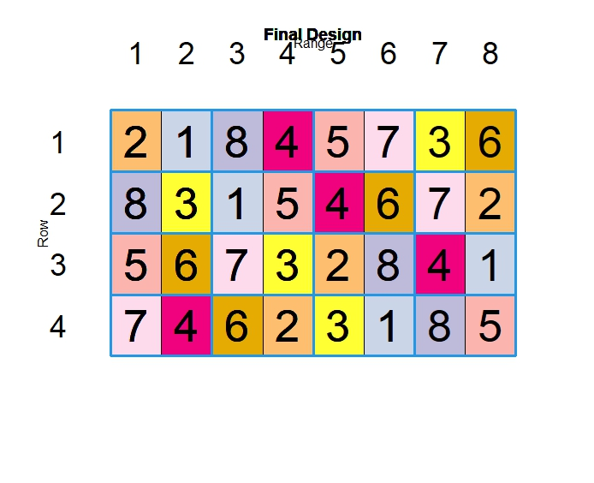
Jordan PhD Wagga Historic set 2024
PHDA24WARI2 |  |  |  |  |  | N |  | Col

 |  |  |  |  |  |  |  |  |  |  |  |  | GPS
 |  |  |  |  | Buffer | Buffer | Buffer | Buffer | Buffer | Buffer | Buffer | Buffer |  | 1
Location | Wagga DPI Lateral Irrigation |  |  | 1 | Rosella | Osprey | Mowhawk | Wylah | EGA Wedgetail | Illabo | Whistler | LRPB Kittyhawk |  | 2
Entries | 16 (8 winters and 8 springs) |  |  |  | Buffer | Buffer | Buffer | Buffer | Buffer | Buffer | Buffer | Buffer | Block 1 | 3
3
Reps/Blocks | 4 |  |  |  | Buffer | Buffer | Buffer | Buffer | Buffer | Buffer | Buffer | Buffer |  | 4
Treatments | 16 entries nested within 2 sow dates and confounded by sow date |  |  | 2 | Scepter | Yitpi | Sunmaster | Mace | Janz | EGA Gregory | Meering | Wyalkatchem |  | 5
Sowing dates | 22nd April and 13th May |  |  |  | Buffer | Buffer | Buffer | Buffer | Buffer | Buffer | Buffer | Buffer |  | 6
5
Plot dimension | 6 rows sown to 6m & cut back to 4m |  |  |  | Buffer | Buffer | Buffer | Buffer | Buffer | Buffer | Buffer | Buffer |  | 7
7
Seeder width | 1.5m with 2m centers |  |  | 3 | Mowhawk | Whistler | Osprey | EGA Wedgetail | Wylah | LRPB Kittyhawk | Illabo | Rosella |  | 8
 |  |  | Block 2 |  | Buffer | Buffer | Buffer | Buffer | Buffer | Buffer | Buffer | Buffer |  | 9
 |  |  |  |  | Buffer | Buffer | Buffer | Buffer | Buffer | Buffer | Buffer | Buffer |  | 10
Winter variety design output
Winter variety plot or Sow date 1 |  | 48m |  | 4 | EGA Gregory | Sunmaster | Yitpi | Wyalkatchem | Scepter | Meering | Mace | Janz |  | 11
 |  |  |  |  | Buffer | Buffer | Buffer | Buffer | Buffer | Buffer | Buffer | Buffer |  | 12
Spring variety plot or Sow date 2 |  |  |  |  | Buffer | Buffer | Buffer | Buffer | Buffer | Buffer | Buffer | Buffer |  | 13
 |  |  |  | 5 | EGA Wedgetail | LRPB Kittyhawk | Illabo | Whistler | Rosella | Mowhawk | Wylah | Osprey |  | 14
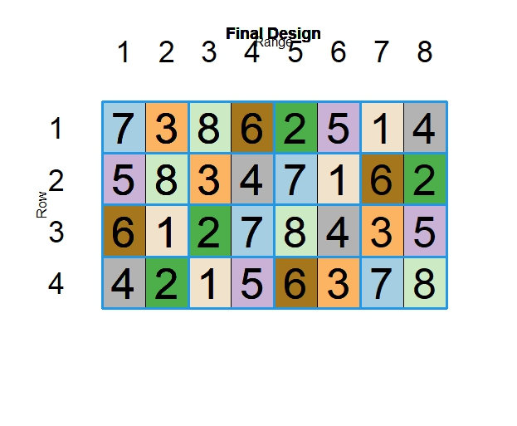
 |  |  |  |  | Buffer | Buffer | Buffer | Buffer | Buffer | Buffer | Buffer | Buffer | Block 3 | 15
 |  | Row |  |  | Buffer | Buffer | Buffer | Buffer | Buffer | Buffer | Buffer | Buffer |  | 16
 |  |  |  | 6 | Mace | Meering | Janz | Scepter | Sunmaster | Wyalkatchem | Yitpi | EGA Gregory |  | 17
 |  |  |  |  | Buffer | Buffer | Buffer | Buffer | Buffer | Buffer | Buffer | Buffer |  | 18
2
 |  |  |  |  | Buffer | Buffer | Buffer | Buffer | Buffer | Buffer | Buffer | Buffer |  | 19
 |  |  |  | 7 | Illabo | Wylah | LRPB Kittyhawk | Rosella | Whistler | Osprey | Mowhawk | EGA Wedgetail |  | 20
4
 |  |  | Block 4 |  | Buffer | Buffer | Buffer | Buffer | Buffer | Buffer | Buffer | Buffer |  | 21
 |  |  |  |  | Buffer | Buffer | Buffer | Buffer | Buffer | Buffer | Buffer | Buffer |  | 22
6
 |  |  |  | 8 | Wyalkatchem | Janz | Meering | EGA Gregory | Mace | Yitpi | Scepter | Sunmaster |  | 23
 |  |  |  |  | Buffer | Buffer | Buffer | Buffer | Buffer | Buffer | Buffer | Buffer |  | 24

8
 |  |  |  |  |  |  |  |  | 48m

Spring variety design output

