Sheet1
Avocado Experiments
Bay of Plenty (the Western Bay of Plenty district)
The experiment was conducted from January 2017 in the Bay of Plenty until November 2019.
five mature trees of Persea americana ‘Hass’ avocado grafted on ‘Zutano’ seedling rootstock were selected.
Experimental trees were well irrigated, with the assumption that they did not experience water stress during the experimental period
The irrigation intervals were 6-8 days in the Bay of Plenty
Measured variables inculde: Sap flow (tree water use), Leaf area, soil water content, total fruit yield and average fruit size.
Soil water layers were divided into 0-30, 30-60, 60-90cm.

Whangarei (near the city of Whangarei)
The experiment was conducted from April 2017 in Whangarei until November 2019
five mature trees of Persea americana ‘Hass’ avocado grafted on ‘Zutano’ seedling rootstock were selected.
The irrigation intervals were 8-12 days in Whangarei
Measured variables inculde: Sap flow (tree water use), Leaf area, soil water content, total fruit yield and average fruit size.
Soil water layers were divided into 0-30, 30-60, 60-90cm.

Far North (the Aupori peninsula in the Far North district)
The experiment was conducted from April 2017 in Far North until 2018
five mature trees of Persea americana ‘Hass’ avocado grafted on ‘Zutano’ seedling rootstock were selected.
The irrigation intervals were 3-4 days
Measured variables inculde: Sap flow (tree water use), Leaf area, soil water content, total fruit yield and average fruit size.
Soil water layers were divided into 0-30, 30-60, 60-90cm.

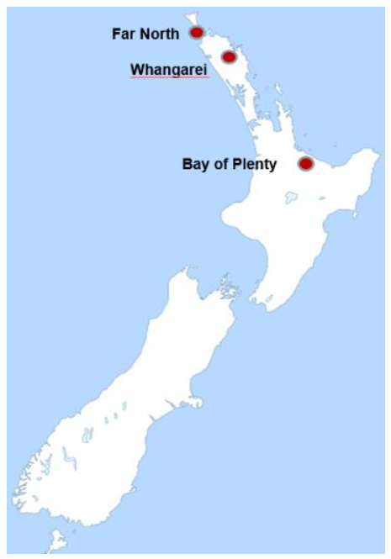
This data are from Teruko Kaneko' thesis ‘Hass’ avocado tree water use and the effects of water stress on fruit development
Three locations were selected in NZ
 | Avocado tree info

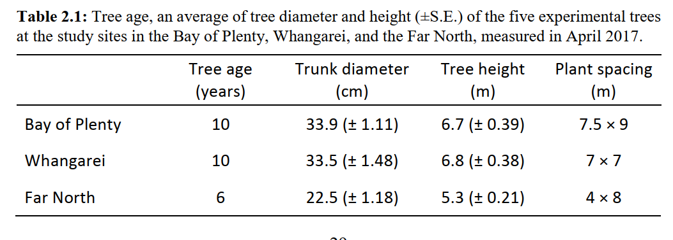
 |  | 10000 | 148.14814815
 |  |  | 204.08163265
 |  |  | 312.5
 |  |  | 0

