Week of
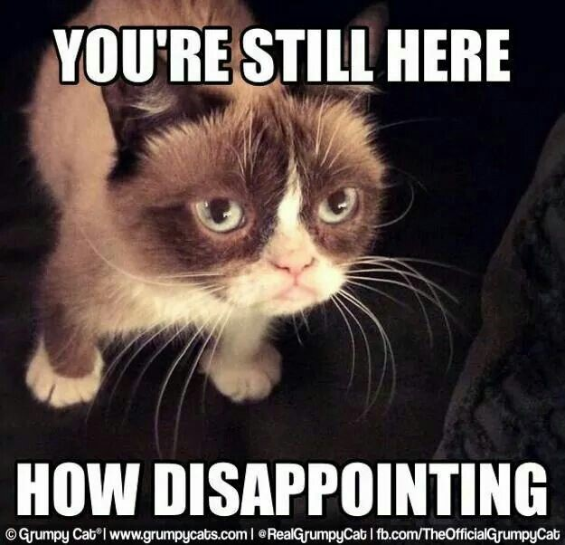
Nothing much here... | :)


Easter Egg : Me when DJ Session Start

