MemberDetails
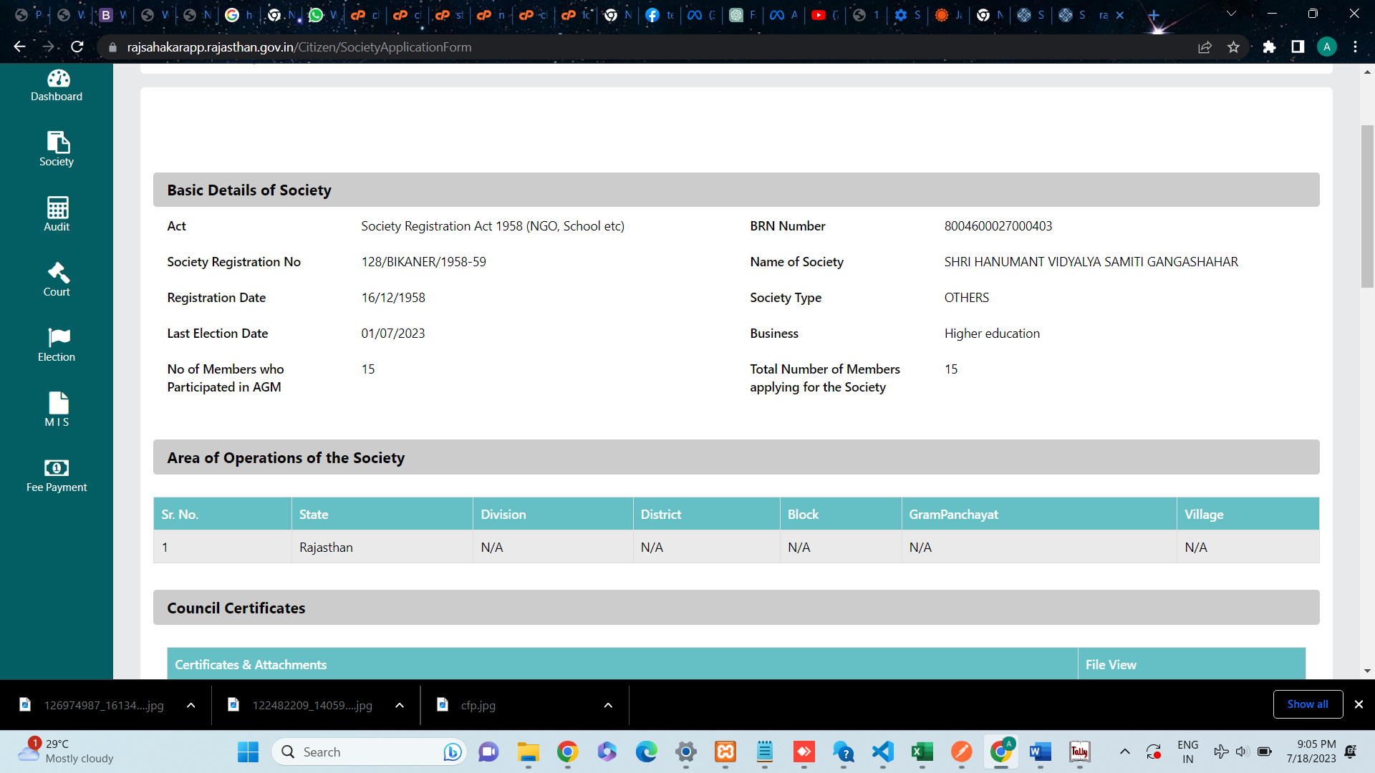
Name | Father_Husband_Name | Contact_No | DOB | Gender | Category | POSTNAME | Occupation | MembershipNo | NOOfShareAllotted | ShareCapitalAmount | Address | loaneeType | MEMBERTYPE
JETHI DEVI | SUNDERLAL | 9928228228 | 15/08/1944 | F | OBC | CHAIRMAN | HOUSEWIFE | 2 | 0 | 0 | BHATTRO KA CHOWK BADA BAZAR BIKANER | NA | ELECTEDMEMBERS
ANKUR PARIHAR | PREM PRAKASH PARIHAR | 9214590811 | 19/08/1990 | M | OBC | VICE-CHAIRMAN | TEACHER | 10 | 0 | 0 | RANKA MOHULLA OLD LINE GANGASHAHAR BIKANER | NA | ELECTEDMEMBERS
PUSHPA DEVI | JANKIDAS | 8955946070 | 14/09/1956 | F | OBC | SECRETARY | HOUSEWIFE | 3 | 0 | 0 | NAIYO KI GALI BADA BAZAR BIKANER | NA | ELECTEDMEMBERS
KANCHAN DEVI | DAULAL | 8094466126 | 1958-02-07 | F | OBC | TREASURER | TEACHER | 4 | 0 | 0 | ACHARYO KI GHATI KE NICHE BIKANER | NA | ELECTEDMEMBERS
SHYAMSUNDER | RATAN LAL | 9664489885 | 1950-07-09 | M | OBC | PADEN-SACHIV | PRINCIPAL | 11 | 0 | 0 | SIPANI MOHULLA OLD LINE GANGASHAHAR BIKANER | NA | ELECTEDMEMBERS
HEERALAL | BAKSHI RAM | 8104425125 | 1916-10-04 | M | GEN | MEMBER | HOUSEWORKER | 17 | 0 | 0 | BRAHMANO KA MOHULLA GANGASHAHAR BIKANER | NA | ELECTEDMEMBERS
PREM PRAKASH | RATAN LAL | 9829110071 | 1959-01-01 | M | OBC | MEMBER | TEACHER | 7 | 0 | 0 | RANKA MOHULLA OLD LINE GANGASHAHAR BIKANER | NA | ELECTEDMEMBERS
ASHOK SONI | GOPIKISHAN | 8769438750 | 15/09/1978 | M | OBC | MEMBER | BUSNIESS | 37 | 0 | 0 | RAMPUR BASS BIKANER | NA | ELECTEDMEMBERS
BACHRAJ | JAYCHAND LAL | 8949190470 | 1975-10-11 | M | GEN | MEMBER | BUSNIESS | 12 | 0 | 0 | SARDA CHOWK OLD LINE GANGASHAHAR | NA | ELECTEDMEMBERS
KAMAL CHAND | SHIV DAS | 9214020123 | 1965-04-03 | M | OBC | MEMBER | JOB | 38 | 0 | 0 | SUTHARO KA MOHULLA GANGASHAHAR | NA | ELECTEDMEMBERS
SHYAM LAL | RAMLAL | 9509832036 | 13/08/1965 | M | OBC | MEMBER | JOB | 39 | 0 | 0 | RANI BAZAR BIKANER | NA | ELECTEDMEMBERS
SHIKHAR CHAND | NEMCHAND | 9529664509 | 1970-12-11 | M | GEN | GUARDAIN REPRESENTATIVE | JOB | 44 | 0 | 0 | RANKA MOHULLA OLD LINE GANGASHAHAR BIKANER | NA | ELECTEDMEMBERS
RAVI AGARWAL | PAWAN KUMAR | 9214847250 | 1994-04-03 | M | GEN | STUDENT REPRESENTATIVE | STUDENT | 0 | 0 | 0 | SUJANDESAR ROAD | NA | ELECTEDMEMBERS
MUKESH KUMAR | TARA CHAND | 7014563289 | 15/12/1979 | M | GEN | TEACHER REPRESENTATIVE | TEACHER | 0 | 0 | 0 | RANI BAZAR BIKANER | NA | ELECTEDMEMBERS
SHAMBHU DAYAL VYAS | JAWAHAR MAL | 8955632145 | 1953-05-09 | M | GEN | GOVT.NOMINEE | PRINCIPAL | 0 | 0 | 0 | BADA BAZAR BIKANER | NA | ELECTEDMEMBERS

