Corr
Yearly_AOV | Order_Year | Region | AOV | Total_Profit | Total_Orders | Corr. AOV-Profits | Corr. AOV-Orders | Corr.Profits-Orders
499.74 | 2021 | South | 629.37 | 11879.17 | 165 | 0.096181617941 | -0.30244316921 | 0.76171223335
499.74 | 2021 | East | 493.03 | 17059.58 | 261
Total Profit & Orders
499.74 | 2021 | West | 472.47 | 20065.74 | 313
499.74 | 2021 | Central | 451.47 | 539.57 | 230
453.31 | 2022 | East | 528.15 | 21091.11 | 296
453.31 | 2022 | Central | 439.63 | 11716.78 | 234
453.31 | 2022 | South | 419.76 | 8318.63 | 170
453.31 | 2022 | West | 414.1 | 20492.17 | 338
463.27 | 2023 | Central | 483.38 | 19899.19 | 305
463.27 | 2023 | East | 483.12 | 20141.58 | 374
463.27 | 2023 | West | 444.27 | 24051.57 | 422
463.27 | 2023 | South | 437.43 | 17702.93 | 214
434.63 | 2024 | West | 464.92 | 43809.31 | 538
434.63 | 2024 | East | 453.37 | 33230.57 | 470
434.63 | 2024 | South | 450.2 | 8848.98 | 273
434.63 | 2024 | Central | 362.31 | 7550.91 | 406

Products_Reporting
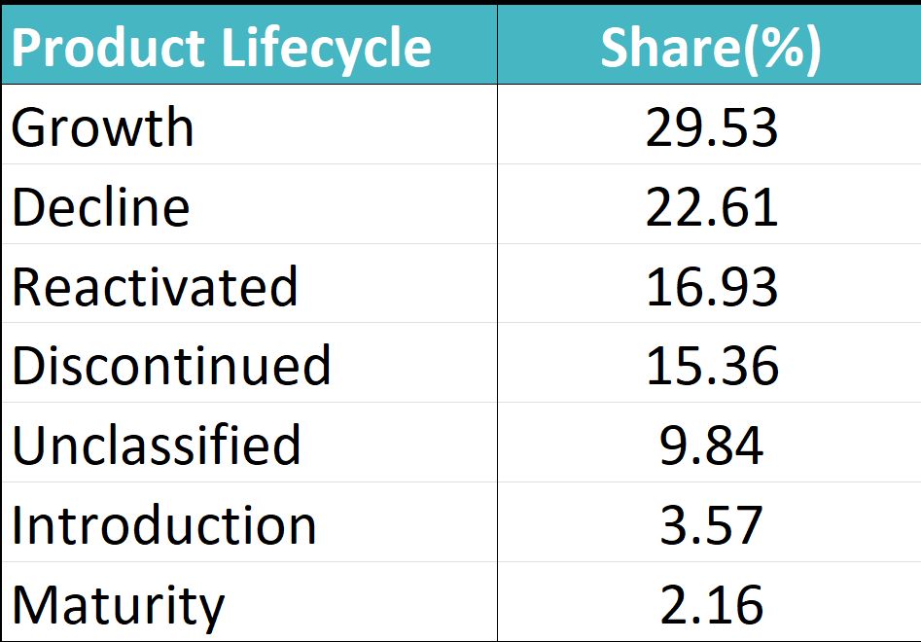
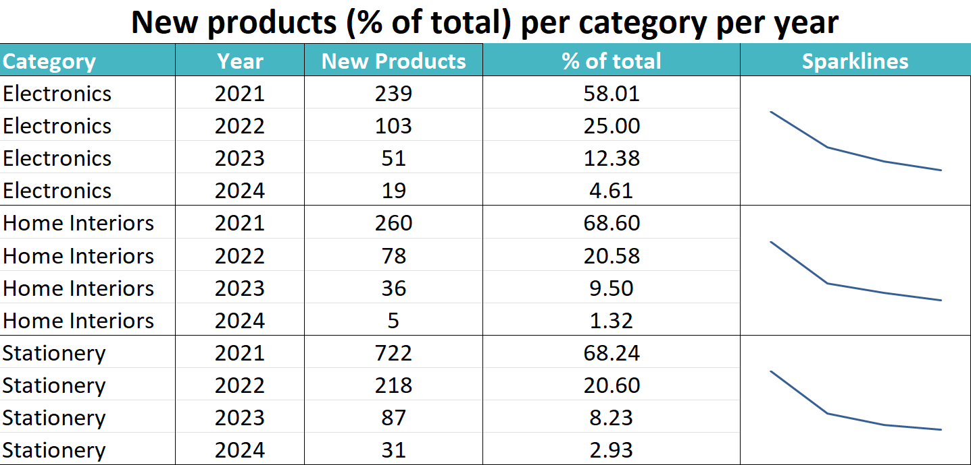

Shipment_Graphs
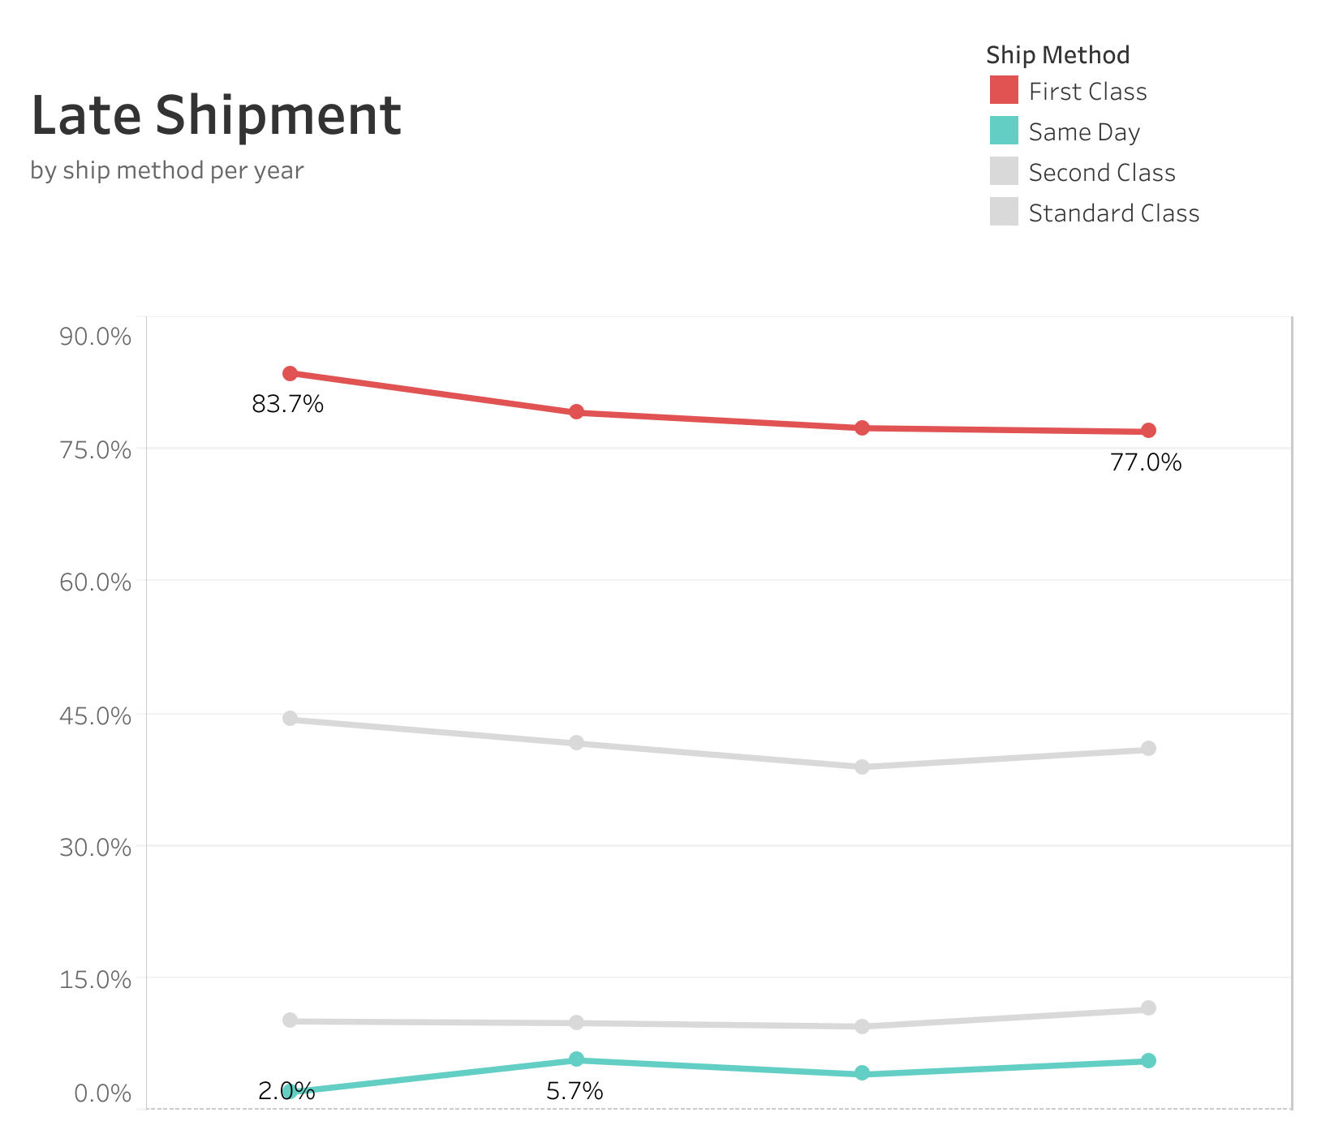
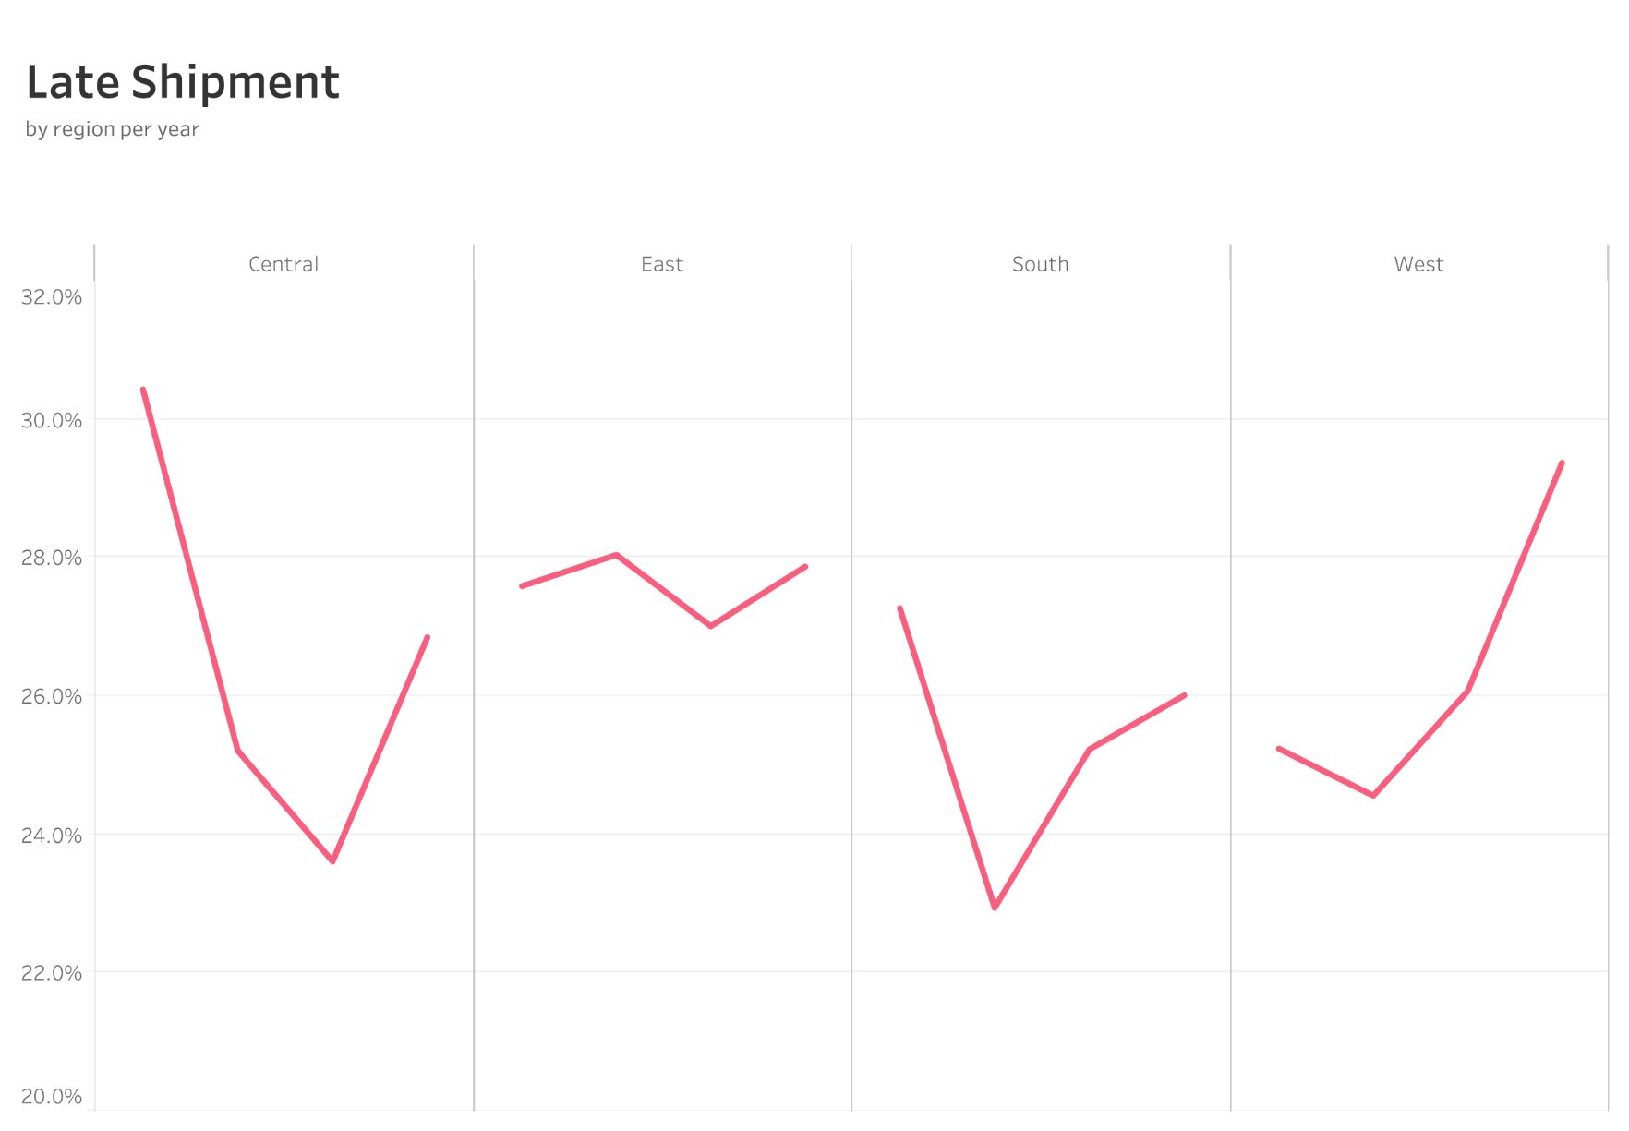

Orders_Graph
