Instructions
Welcome to the AgCROS

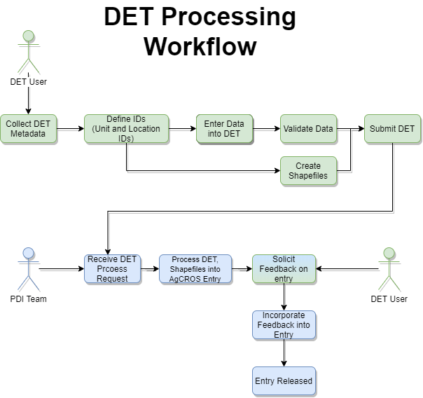
 | Data Entry Template (DET)
 | Based on the AgCROS Data Dictionary |  |  |  |  | Powered by
 | v2020 Including NUOnet and Soil Biology Additions
T a b C o l o r | Metadata worksheets

 | Continuous Monitoring Data worksheets where data from stations (automated, manual, etc.) are reported

 | Management worksheets

 | Measurement worksheets where experimental unit data are reported

 | Information that may be useful to the user, including drop down lists of treatment specific information and ranges of expected values

 | General Instructions (PLEASE READ):
 | Enter data in SI units (specified above column headings), where applicable.
 | Click on column headings for additional instructions and clarifications.
 | Date, Unit ID, and Treatment ID must be entered throughout the workbook.
 | If you report Means for measurements, please also provide Standard Deviations (located at the far right of each Measurement tab).
 | For missing values, leave cells blank. Please Do NOT fill blanks with periods.
 | If you need additional rows for the drop down menus, copy the last cell with the drop down menu and paste it into additional rows.
 | Getting Started
 | We ask that at a minimum you enter Location (MetaLocationOverview and MetaSites tab) and Treatment data (MetaTreatments tab), a Plot Map and Satellite Image of your site (MapPhotos tab), Units of Interest (MetaUnits tab) and at least one type of Measurement data (e.g. ghg emissions, SOC, yields). Please include Contact and Affiliation (Persons tab) information as well.
 | Begin by filling MetaTreatments and MetaUnits tabs. Unit IDs describe the units of interest for this location, these can be points, polygons, plots, etc. Location ID will be automatically appended to Unit IDs when uploaded to the master database, so no need to incorporate Location ID into Unit ID.
 | Some columns have drop down menus. If your option is not available it can be added to the menus by clicking the "Add to this list" link above the respective column heading.
 | If you have ANY questions, please contact your data Point of Contact. If you have not yet been assigned a data contact, please contact: |  |  |  |  |  | PDITT@usda.gov

 | Data Validation Check
 | When finished entering data please click the button below to run a quick range check on the data.
 | If data are out of range, these potential errors will be highlighted on the pages they occur and the number of these questionable data points will be included in the "Validate Data" table below. If these data are in fact correct please make a note on the comments page. If you wish to adjust the ranges to reduce the marked errors please go to the ValidationData tab, update the desired range there, then make a note in the comments page that you did so.

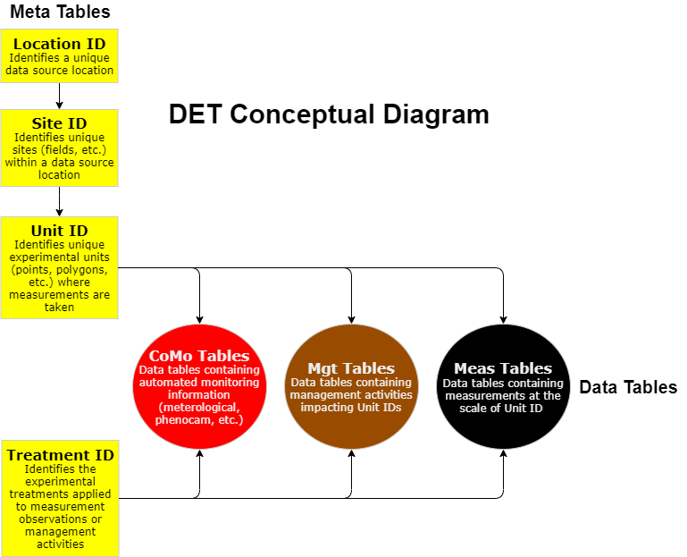
 |  | Table | Rows | Validation | Visible
 |  | MetaLocationOverview | 0 | -
 |  | MetaSites | 0 | -
 |  | MetaPersons | 0 | -
 |  | MetaCitations | 0 | - | TRUE
 |  | MetaTreatments | 0 | -
 |  | MetaUnits | 0 | -
 |  | MetaMsmntMethodsDescription | 0 | - | TRUE
 |  | CoMoMeteorology | 0 | - | TRUE
 |  | CoMoStreamflow | 0 | - | TRUE
 |  | MgtAmendments | 0 | - | TRUE
 |  | MgtPlanting | 0 | - | TRUE
 |  | MgtTillage | 0 | - | TRUE
 |  | MgtGrowthStages | 0 | - | TRUE
 |  | MgtResidue | 0 | - | TRUE
 |  | MgtGrazing | 0 | - | TRUE
 |  | MgtMeasurementManagement | 0 | - | TRUE
 |  | MeasNutrEff | 0 | - | TRUE
 |  | MeasWaterEff | 0 | - | TRUE
 |  | MeasSoilPhys | 0 | - | TRUE
 |  | MeasSoilChem | 0 | - | TRUE
 |  | MeasSoilBiol | 0 | - | TRUE
 |  | MeasSoilFattyAcid | 0 | - | TRUE
 |  | MeasSoilDNASeq | 0 | - | TRUE
 |  | MeasSoilDNAqPCR | 0 | - | TRUE
 |  | MeasSoilCover | 0 | - | TRUE
 |  | MeasARGenes | 0 | - | TRUE
 |  | MeasGHGFlux | 0 | - | TRUE
 |  | MeasHarvestFraction | 0 | - | TRUE
 |  | MeasResidueMgnt | 0 | - | TRUE
 |  | MeasBiomassCHO | 0 | - | TRUE
 |  | MeasBiomassEnergy | 0 | - | TRUE
 |  | MeasBiomassMinAn | 0 | - | TRUE
 |  | MeasGrazingPlants | 0 | - | TRUE
 |  | MeasYieldNutUptake | 0 | - | TRUE
 |  | MeasGasNutrientLoss | 0 | - | TRUE
 |  | MeasWaterQualityConc | 0 | - | TRUE
 |  | MeasWaterQualityArea | 0 | - | TRUE
 |  | MeasPlantMonitoring | 0 | - | TRUE
 |  | MeasCropForageQuality | 0 | - | TRUE
 |  | MeasNutrientCycling | 0 | - | TRUE
 |  | MeasWindErosionConc | 0 | - | TRUE
 |  | MeasWindErosionArea | 0 | - | TRUE
 |  | MeasSuppRes | 0 | - | TRUE
 |  | AllCellComments | 0 | - | TRUE

 | v2020.10.01

