Sheet1
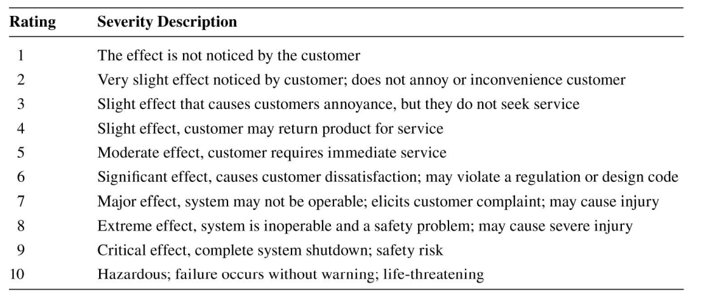
· The product could disassemble itself at the connection joints under the strain of vibratory loads, with either loosening the connection bolts or completely breaking the bracket.
· Friction in the shafts could lead to underperforming.
· Friction on the guiderails could lead to underperforming.
· The guiderail system might not be strong enough to withstand the forces of the weight at max speed, causing it to break and could cause catastrophic damage to the structure. Material selection is important.
· The VFD could underperform and output less voltage than is needed for the motor.
· A fuse might trip and cut power to the system.
· The motor could overheat.
· The motor might not produce enough speed to provide adequate force to the bridge.

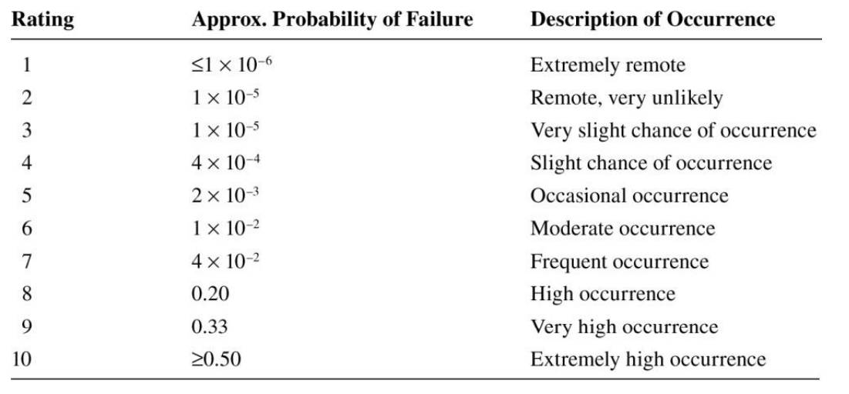
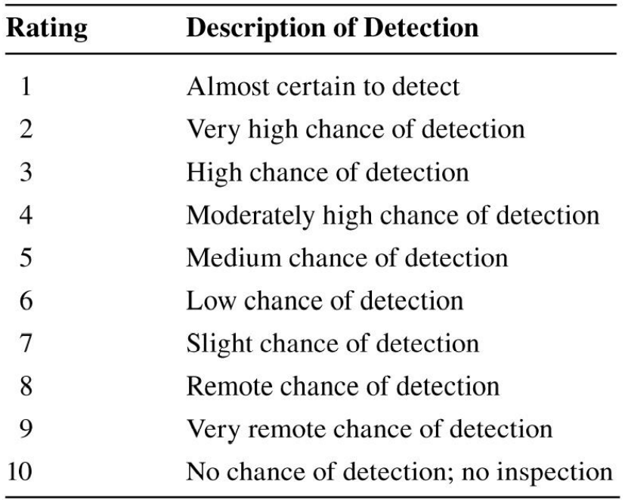
 | Failure Mode | Severity | Occurrence | Detection | RPN
 | A | 10 | 8 | 1 | 80
 | B | 4 | 6 | 3 | 72
 | C | 4 | 6 | 3 | 72
 | D | 10 | 9 | 5 | 450
 | E | 7 | 4 | 1 | 28
 | F | 6 | 2 | 3 | 36
 | G | 7 | 9 | 3 | 189
 | H | 7 | 4 | 2 | 56

