Sheet1
position (1 -starting at left) | wall thinkness (mm) | position (1 -starting at left) | Cube width (mm)
1 | 0.2 | 1 | 8
2 | 0.2 | 2 | 8
3 | 0.3 | 3 | 10
4 | 1 | 4 | 6
5 | 0.3 | 5 | 6
6 | 0.4 | 6 | 6
7 | 0.9 | 7 | 8
8 | 0.4 | 8 | 10
9 | 0.5 | 9 | 10
10 | 0.8
11 | 0.5
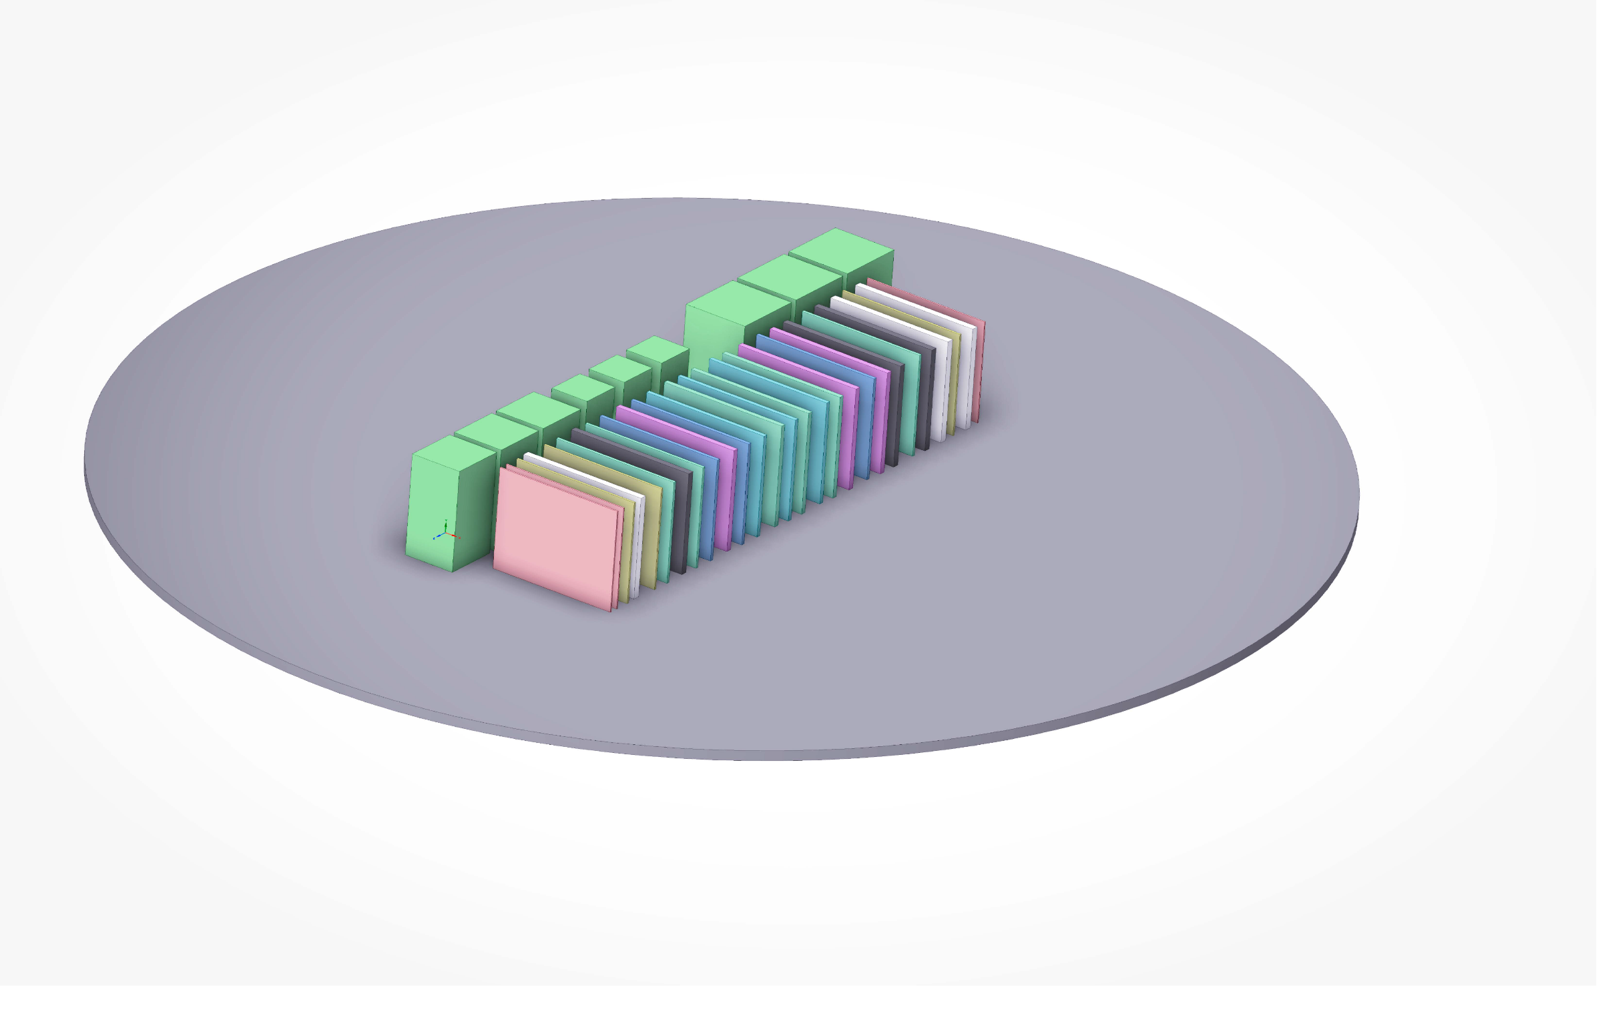
12 | 0.6
13 | 0.7
14 | 0.6
15 | 0.7
right
16 | 0.6
17 | 0.7
18 | 0.8
19 | 0.5
20 | 0.8
21 | 0.9
22 | 0.4
23 | 0.9
24 | 1
25 | 0.3
26 | 1
left
27 | 0.2

